category
country | (All)

 | successful | failed | canceled | live
film & video | 300 | 180 | 40
food | 34 | 140 | 20 | 6
games | 80 | 140
journalism |  |  | 24
music | 540 | 120 | 20 | 20
photography | 103 | 117
publishing | 80 | 127 | 30
technology | 209 | 213 | 178
theater | 839 | 493 | 37 | 24
Count of state | Column Labels
Row Labels | successful | failed | canceled | live | Grand Total
film & video | 300 | 180 | 40 |  | 520
food | 34 | 140 | 20 | 6 | 200
games | 80 | 140 |  |  | 220
journalism |  |  | 24 |  | 24
music | 540 | 120 | 20 | 20 | 700
photography | 103 | 117 |  |  | 220
publishing | 80 | 127 | 30 |  | 237
technology | 209 | 213 | 178 |  | 600
theater | 839 | 493 | 37 | 24 | 1393
Grand Total | 2185 | 1530 | 349 | 50 | 4114

subcategory
 | successful | failed | canceled | live
animation |  | 100
art books |  |  | 20
audio |  |  | 24
children's books |  | 40
classical music | 40
documentary | 180
drama |  | 80
electronic music | 40
faith |  | 40 |  | 20
fiction |  | 40
food trucks |  | 120 | 20
gadgets |  | 20
hardware | 140
indie rock | 140 | 20
jazz |  | 60
makerspaces | 9 | 11
metal | 20
mobile games |  | 40
musical | 60 | 60 | 20
nature |  | 20
nonfiction | 60
people |  | 20
photobooks | 103 | 57
places |  | 20
plays | 694 | 353 |  | 19
pop | 40
radio & podcasts | 20
restaurants |  | 20
rock | 260
science fiction |  |  | 40
shorts | 60
small batch | 34 |  |  | 6
space exploration | 40 | 2 | 18
spaces | 85 | 80 | 17 | 5
tabletop games | 80
television | 60
translations |  | 47 | 10
video games |  | 100
wearables | 20 | 120 | 60
web |  | 60 | 100
world music |  |  | 20
country | (All)
Category | (All)

Count of state | Column Labels
Row Labels | successful | failed | canceled | live | Grand Total
animation |  | 100 |  |  | 100
art books |  |  | 20 |  | 20
audio |  |  | 24 |  | 24
children's books |  | 40 |  |  | 40
classical music | 40 |  |  |  | 40
documentary | 180 |  |  |  | 180
drama |  | 80 |  |  | 80
electronic music | 40 |  |  |  | 40
faith |  | 40 |  | 20 | 60
fiction |  | 40 |  |  | 40
food trucks |  | 120 | 20 |  | 140
gadgets |  | 20 |  |  | 20
hardware | 140 |  |  |  | 140
indie rock | 140 | 20 |  |  | 160
jazz |  | 60 |  |  | 60
makerspaces | 9 | 11 |  |  | 20
metal | 20 |  |  |  | 20
mobile games |  | 40 |  |  | 40
musical | 60 | 60 | 20 |  | 140
nature |  | 20 |  |  | 20
nonfiction | 60 |  |  |  | 60
people |  | 20 |  |  | 20
photobooks | 103 | 57 |  |  | 160
places |  | 20 |  |  | 20
plays | 694 | 353 |  | 19 | 1066
pop | 40 |  |  |  | 40
radio & podcasts | 20 |  |  |  | 20
restaurants |  | 20 |  |  | 20
rock | 260 |  |  |  | 260
science fiction |  |  | 40 |  | 40
shorts | 60 |  |  |  | 60
small batch | 34 |  |  | 6 | 40
space exploration | 40 | 2 | 18 |  | 60
spaces | 85 | 80 | 17 | 5 | 187
tabletop games | 80 |  |  |  | 80
television | 60 |  |  |  | 60
translations |  | 47 | 10 |  | 57
video games |  | 100 |  |  | 100
wearables | 20 | 120 | 60 |  | 200
web |  | 60 | 100 |  | 160
world music |  |  | 20 |  | 20
Grand Total | 2185 | 1530 | 349 | 50 | 4114

date created
country | (All)
Years | (All)

Count of state | Column Labels
Row Labels | successful | failed | canceled | Grand Total
Jan | 182 | 149 | 34 | 365 | 49.9% | 40.8% | 9.3% | 9.0%
Feb | 202 | 106 | 27 | 335 | 60.3% | 31.6% | 8.1% | 28.7%
Mar | 180 | 108 | 28 | 316 | 57.0% | 34.2% | 8.9% | 22.8%
Apr | 192 | 102 | 27 | 321 | 59.8% | 31.8% | 8.4% | 28.0%
May | 234 | 126 | 26 | 386 | 60.6% | 32.6% | 6.7% | 28.0%
Jun | 211 | 147 | 27 | 385 | 54.8% | 38.2% | 7.0% | 16.6%
Jul | 194 | 150 | 43 | 387 | 50.1% | 38.8% | 11.1% | 11.4%
Aug | 166 | 134 | 33 | 333 | 49.8% | 40.2% | 9.9% | 9.6%
Sep | 147 | 127 | 24 | 298 | 49.3% | 42.6% | 8.1% | 6.7%
Oct | 183 | 149 | 20 | 352 | 52.0% | 42.3% | 5.7% | 9.7%
Nov | 183 | 114 | 37 | 334 | 54.8% | 34.1% | 11.1% | 20.7%
Dec | 111 | 118 | 23 | 252 | 44.0% | 46.8% | 9.1% | -2.8%
Grand Total | 2185 | 1530 | 349 | 4064

date ended
country | (All)
Years | (All)

Count of state | Column Labels
Row Labels | successful | failed | canceled | Grand Total
Jan | 133 | 127 | 26 | 286 | 47% | 44% | 9% | 2%
Feb | 150 | 124 | 29 | 303 | 50% | 41% | 10% | 9%
Mar | 207 | 124 | 28 | 359 | 58% | 35% | 8% | 23%
Apr | 187 | 100 | 29 | 316 | 59% | 32% | 9% | 28%
May | 204 | 120 | 28 | 352 | 58% | 34% | 8% | 24%
Jun | 222 | 120 | 23 | 365 | 61% | 33% | 6% | 28%
Jul | 222 | 134 | 33 | 389 | 57% | 34% | 8% | 23%
Aug | 196 | 155 | 39 | 390 | 50% | 40% | 10% | 11%
Sep | 156 | 136 | 24 | 316 | 49% | 43% | 8% | 6%
Oct | 160 | 145 | 34 | 339 | 47% | 43% | 10% | 4%
Nov | 161 | 133 | 21 | 315 | 51% | 42% | 7% | 9%
Dec | 187 | 112 | 35 | 334 | 56% | 34% | 10% | 22%
Grand Total | 2185 | 1530 | 349 | 4064

bonus
Goal | Number_Successful | Number_Failed | Number_Canceled | Total_Projects | Percentage_Successful | Percentage_Failed | Percentage_Canceled
<1000 | 322 | 113 | 18 | 453 | 71.1% | 24.9% | 4.0%
1000 to 4999 | 932 | 420 | 60 | 1412 | 66.0% | 29.7% | 4.2%
5000 to 9999 | 381 | 283 | 52 | 716 | 53.2% | 39.5% | 7.3%
10000 to 14999 | 168 | 144 | 40 | 352 | 47.7% | 40.9% | 11.4%
15000 to 19999 | 94 | 90 | 17 | 201 | 46.8% | 44.8% | 8.5%
20000 to 24999 | 62 | 72 | 14 | 148 | 41.9% | 48.6% | 9.5%
25000 to 29999 | 55 | 64 | 18 | 137 | 40.1% | 46.7% | 13.1%
30000 to 34999 | 32 | 37 | 13 | 82 | 39.0% | 45.1% | 15.9%
35000 to 39999 | 26 | 22 | 7 | 55 | 47.3% | 40.0% | 12.7%
40000 to 44999 | 113 | 256 | 92 | 461 | 24.5% | 55.5% | 20.0%
45000 to 49999 | 6 | 11 | 4 | 21 | 28.6% | 52.4% | 19.0%
50000+ | 86 | 258 | 100 | 444 | 19.4% | 58.1% | 22.5%

bonus stats
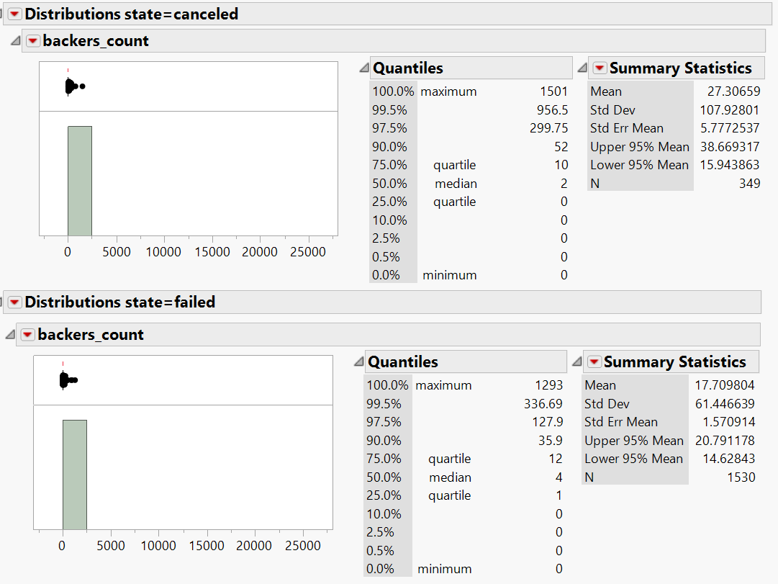
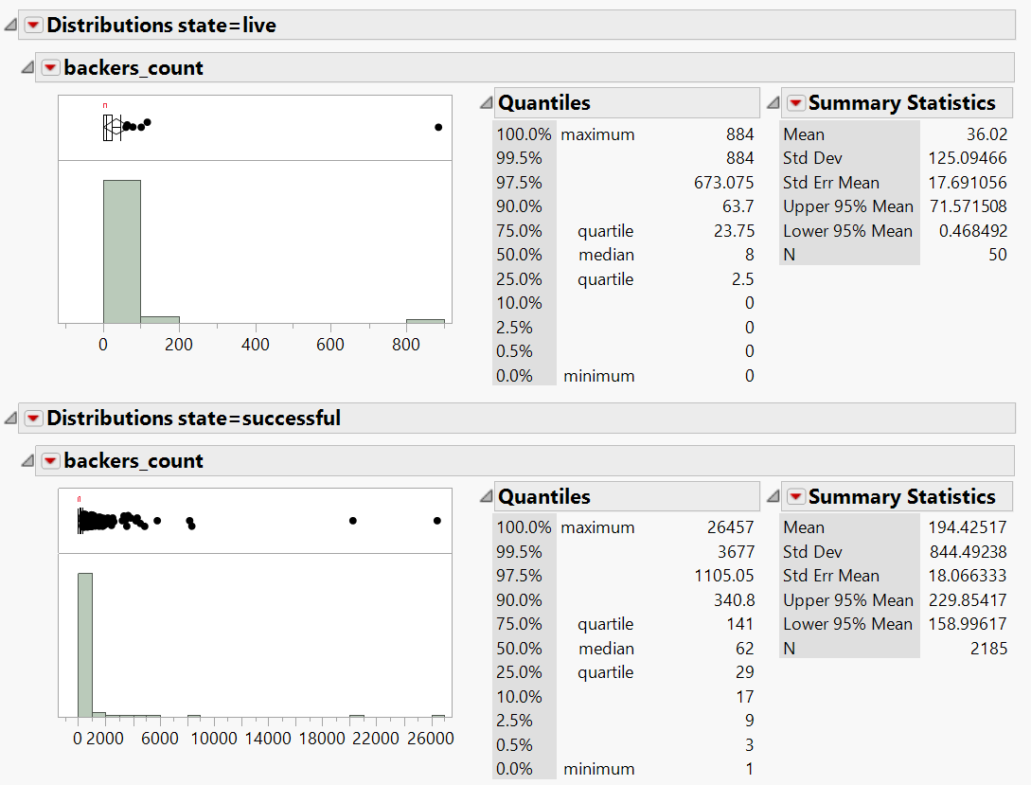
 | general | successful | failed | canceled | live
The mean number of backers. | 112.6023335 | 194.42517162 | 17.709803922 | 27.306590258 | 36.02
The median number of backers. | 25 | 62 | 4 | 2 | 8
The minimum number of backers. | 0 | 26457 | 1293 | 1501 | 884
The maximum number of backers. | 26457 | 1 | 0 | 0 | 0
The variance of the number of backers. | 388767.36204 | 713167.37913 | 3775.6894395 | 11648.454583 | 15648.673061
The standard deviation of the number of backers. | 623.5121186 | 844.49237956 | 61.44663896 | 107.92800648 | 125.09465641

median tells story
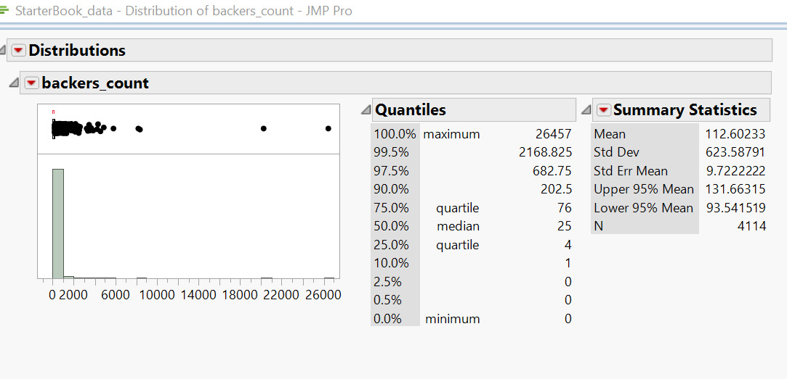

There is a smaller variance on the pledges that were canceled or failed as those with smaller margins. Campagins that fail usually don't make a lot, making them similar in variability. A successful campaign can be either somewhat successful or SUPER successful, hence the increase in variability

