SLS
A |  |  |  | B |  |  |  | C | DAILY CHECK | WEEKLY | MONTHLY
HG INVOICES TO HETALLS, BEFORE 3RD OF EVERY MONTH FOR LAST MONTH |  |  |  |  | HG | https://script.google.com/macros/s/AKfycbyVvZK4oKCo1ibEvt_w8qb97Ibg--1F4gieKv19yB68iCcPDCi3K412OSjz7wKTkh0c/exec |  |  | E WAY BILL CHK AND PASS |  | SALARY RECONCIL
MMC INVOICE TO HG |  |  |  |  | MMC | https://script.google.com/macros/s/AKfycbwETjeGaWTPvfKeOj2C2UjdTd050alNpUd4rQp787FeN26AbQgBwTeo-WdnLqFcrq93/exec |  |  |  |  | TRIAL BAL. - COMP. NO CHANGE
 |  |  |  |  | H.O | https://script.google.com/macros/s/AKfycbyejP_vC5XBcR9tznO2M97QyobX-tntXyWLKDDT72Pk8t5fL1hAliFBf0jx7gorzzVY/exec
 |  |  |  |  | EASTERN | https://script.google.com/macros/s/AKfycbwtPsAyKrcOhhXMa6h9SFC2k-95f0KITEKRA0UnZEKqMAliey2Q-ANyEae5pUxhq8jF/exec
OUTSTANDING BILLS AND AVANCE LIST CLEAR AND UPDATE BY BANK MONTHLY |  |  |  |  | MKM | https://script.google.com/macros/s/AKfycbz73SxlWL6Yw8V08umak9ZLW3gklBptSeg2pXKc9KlUagZs1n_NNsy_qBeaGUXL5EmJ/exec

DRIVER ACCOUNT |  |  |  |  | ~Ranjana HP Singh Agencies | 93119 6259
 |  |  |  |  | NARAYAN BELDAR | 9009222809
RD 10

SALARY VOUCHERS MUST
 |  |  |  |  | PRINTER DEBIT | RAMVATAR | 100
SET CHALLAN FORMAT URGENTLY |  |  |  |  |  | SUNIL | 100
OLD LOCKER REFUND |  |  |  |  |  | RUP NARAYAN | 100
SET BANK PW SYSTEM - CHECKER MAKER |  |  |  |  |  | MUKESH | 100
 |  |  |  |  |  | SUM | 400
OBD FOR LICNESE RODTAP, QUAT EXP. PAYMENT, AD.PAY, DBK
AXIS BANK ACT. CLOSE? |  |  |  |  | SALARY | https://script.google.com/macros/s/AKfycbx0DK_vxSEqYWssXVG7Q46izAunnyivO_S_ZnbDnC07M_kMcn6urBQLmYX1jQioBfqk/exec
PERIODICAL FILING RETURN LIST |  |  |  |  | BANK BAL. | https://script.google.com/macros/s/AKfycbxlvLsD3mpuRRJA9xFAAkkP1HraOgj2WOeNghTxVocbSl0jxZdmPLOB-hfQqoDcgurG_g/exec
JOINT SHARE STATUS FILE UPTODATE |  |  |  |  | SALES | https://script.google.com/macros/s/AKfycbxHc4ARaaLLwSMObPGJ5yl39Qb_PRMRBJmiVgRGgYW69NMa4sB9DKO42d_b_HpzUm7k/exec
T.BAL MOST URGENT ALL EAST H.O., H.G., MMC, HUF ETC.
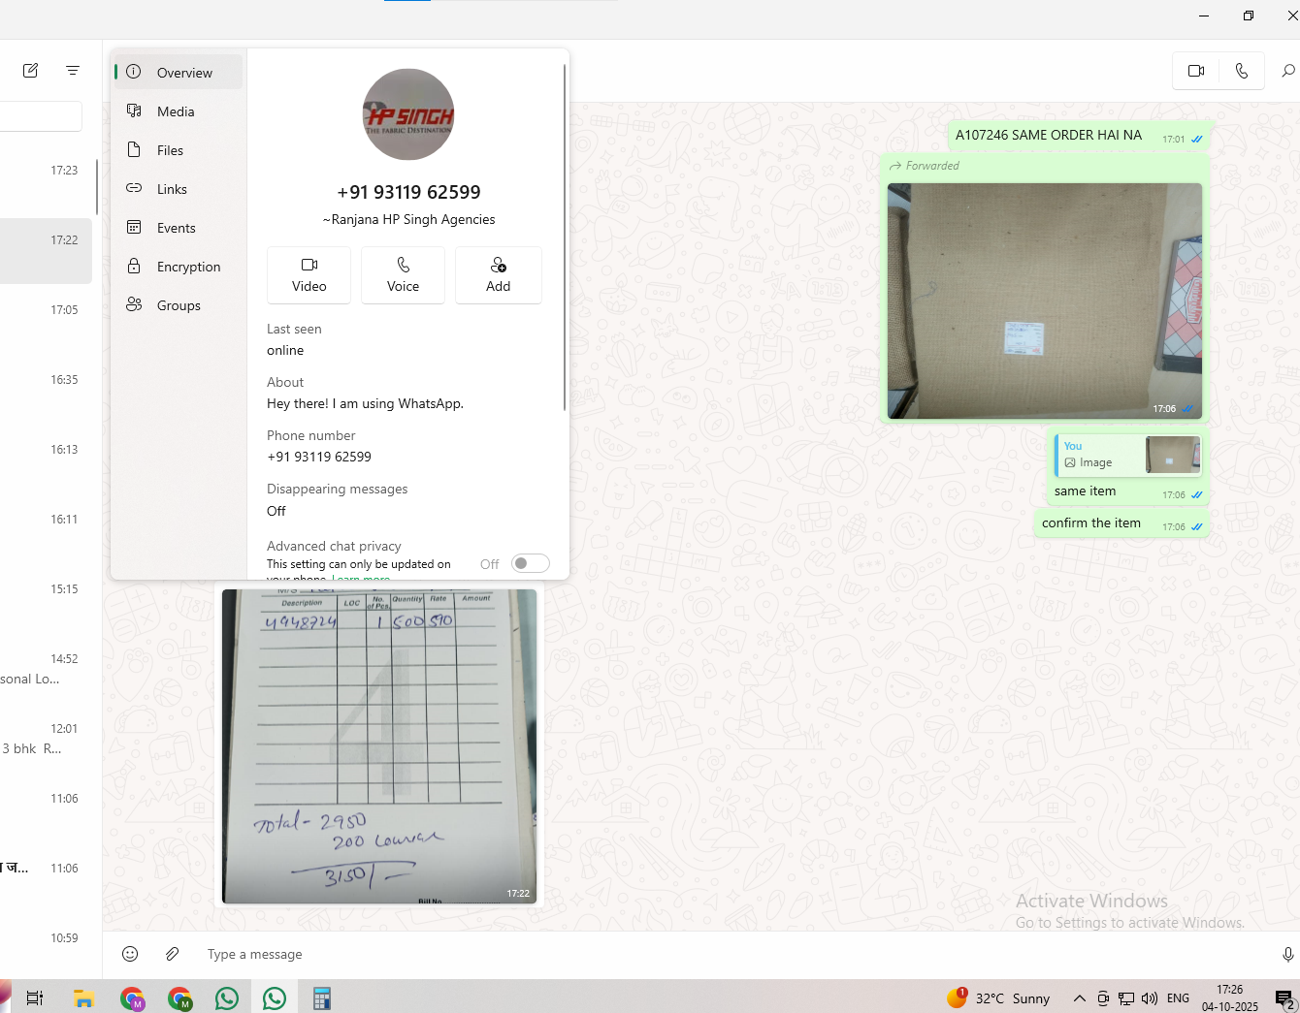
 |  |  |  |  | 34803.63
DRIVER PUR PREMISE, DDT POWDER 3 KG, FORET 5 KG, DAP KHAD 3 KG, ELDRIN 1 LITER, POTAS 1.5 KG.
 |  |  |  |  | mmc bill | https://script.google.com/macros/s/AKfycbzFZOV4_4K-WrXJybCfvRNcNpVC1vx9Q23QzDGP4yxG6BR3jprIWjWmGXAiu1s2HWV5Vw/exec
SEND PENDING S/B ATTENDES
EARLY H.O MRM. BILLS ARGENTS REPORTS
COC MONTHY PAY ON MON DAY
H FUND AND DETAILS UT
KAMLESH WORK
JITENDRA JI WORK
MONTHLY SARAY RECIPT
REFUND LOCKER

uti mutual fund
2006-04-01 | opening balance | 992
31-Apr2007 | closing balance | 992
NAV AS on 31mar2007 | rs. 35.93 per unit | 35642.56

moblile no. | 51327445692

reg. folio no. MU | 9340007144
amount | 103053
unit | 2000
active as on 30 may 2023

uti mutual fund

folio | 513117089277
unit | 3998
amount | 166447
active as on | 2023-05-30

the bank of rajasthan ltd.
name | manoj malpani
account no. | 13979 | find balance

all return file shadule
need of 2024-25

set bank pasword saytem
payment by list
SATETMENTS BANK PW SYSTEM
payment by list
BOB ACCOUNT CLOSE
ICICI BANK KA STATMENT CEACK KARNA HAI
ANITA JI KA ACCOUNT BANANA HAI

17-10-2024
1 | BHADOHI DELIVERY CHALLAN BOOK PRINT AS PER GST
2 | EWAY BILL TO BE MAINTAIN IN GOOD SHEET SR WISE
3 | BHADHOHI INTERNAL CHALLAN SYSTEM UPDATE
4 | OLD LOCKER REFUND
5 | OLD MUTUAL FUND TRANMISSION
6 | UTI ENCASE 3 SCHEMES
7 | ACCOUNT NR. 19183 MANOJ KUMAR MALPANI STATUS BOB

SANTOSH PAYMENT
STAF ESI AND PF
ALL ESI CARD

2025 SLS ACCOUNT
UTI M.F.
ALL OTHER SHARES
SHARES GOOGLE SHEET
deposit vashudha a/c

LTR. NAGAR NIGAR CLEANING COMPLAINT
LIC ADDRESS CHANGE

2025-05-03 | HG SBI CHECKER MAKER NET BANKING TO BE START

 | TOTAL AS PER BANK AS ON.. 10-03-25 | CLEARED | SUBMITED | WORKING AT OUR END / TO SUBMITED

MMC | 28 |  |  |  |  | SLS
HG | 4135 |  |  |  |  | VINIT,
H.ONLY | 909 |  | 747 | 162 |  | KARAN
EASTERN | 25 |  | 17 |  |  | KARAN
MKM | 100 |  |  |  |  | RAMDYAL JI

REMOVE UNREQUIRED DATA
PACK AND GIVE 3 YEARS OLD DATA TO MM
BOOKS OF ACCOUNT IN LEDGE FOR H.G., MMC, H ONLY, EASTERN AND MKM CORP
SHOW SYSTEM FOR MM SM AM TM
SALES FIGURE TO EXP. ALL ?
ALL BILLES ENTERED
ALL ONLINE AMAZON EXP. ENTERED
ALL PROVISION ENTRIES DONE
INCLUDING SALARY, PF, DBK, SHIPPING EXP. ETC. ETC. ETC.
BANK STATEMENT OF MARCH 25 ALL, ICICI FROM FROM 1ST APRIL FUL YEAR MM
H.O. LAST INVOICE 1821
20 MRCH INVOICE | S-38,P4.63,CL.S NIL,DE7.50, IND.22
FREIGHT BILLS OR ESTIMATE OF ALL COMPANIES
AMAZON COMMISSION CHARGES ETC. PAYMENT SHEET
SHIPMENT NOT SENT BUT PAYMENT RCVD. LIST
HO HG P.27
ALL SALES AND EX AND PUR INVOICE
CREDIT CARD EXP. ( DR. SIDE )TO SEND IN PROPER HEAD
CREDIT SIDE TO CONFIRM OK, OR ADJ.
CLEAR CRED. FOR GOODS
PAYNEER PAYMENT SHEET - INVOICE NR., CHARGES, PAYMENT RECVD. AGAINST INVOICE,
HINDOYA AND INTERIOR ACCOUNT.
IGST AND GST RECEIVABLE AND PAYABLE ENTRIES
LIST OF BILLS TO RVC., ISSUE
CLEAR ANY BILLS /BALANCE PENDINGS

induslnd bank suspend account

