Sheet2
 | nin | Channels | Output_Channels | padding | kernel | stride | dilation | nout | jin | jout | rin | rout
Convolution-B1 | 32 | 3 | 32 | 1 | 3 | 1 | 1 | 32 | 1 | 1 | 1 | 3 | Legend
Convolution-B1 | 32 | 32 | 64 | 1 | 3 | 1 | 1 | 32 | 1 | 1 | 3 | 5 | nin | Input Dimension
Convolution-TB | 32 | 64 | 32 | 1 | 1 | 2 | 1 | 16 | 1 | 2 | 5 | 5 | nout | Output Dimension
Convolution-B2 | 16 | 32 | 32 | 1 | 3 | 1 | 1 | 16 | 2 | 2 | 5 | 9 | Jin | Number of pixels of my prev image representation
Convolution-B2 | 16 | 32 | 32 | 1 | 3 | 1 | 1 | 16 | 2 | 2 | 9 | 13 | jout | Number of pixels of my next image representation
Convolution-B2 | 16 | 32 | 32 | 1 | 1 | 1 | 1 | 18 | 2 | 2 | 13 | 13 | rin | Prev Input Receptive field
Convolution-TB | 18 | 32 | 64 | 1 | 1 | 2 | 1 | 9 | 2 | 4 | 13 | 13 | rout | Current Out receptive field
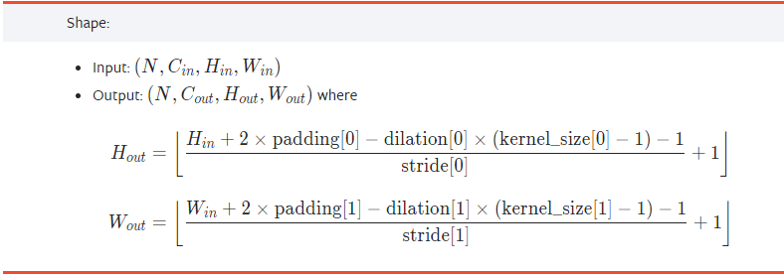
Convolution-B3 | 9 | 64 | 32 | 1 | 3 | 1 | 2 | 7 | 4 | 8 | 13 | 29
Convolution-B3 | 7 | 32 | 64 | 1 | 3 | 1 | 1 | 7 | 8 | 8 | 29 | 45
Convolution-TB | 7 | 64 | 64 | 1 | 3 | 2 | 1 | 4 | 8 | 16 | 45 | 61
Convolution-B4 | 4 | 64 | 16 | 1 | 3 | 1 | 1 | 4 | 16 | 16 | 61 | 93
Convolution-B4 | 4 | 16 | 32 | 1 | 3 | 1 | 1 | 4 | 16 | 16 | 93 | 125
Convolution-B4 | 4 | 32 | 32 | 1 | 1 | 1 | 1 | 6 | 16 | 16 | 125 | 125
Avg Pooling | 6 | 32 | 10 | 0 | 1 | 1 | 1
 | 0

 |  |  |  |  |  |  |  |  |  |  |  |  | https://pytorch.org/docs/stable/generated/torch.nn.Conv2d.html#torch.nn.Conv2d
 |  |  |  |  |  |  |  |  |  |  |  |  | https://discuss.pytorch.org/t/how-to-keep-the-shape-of-input-and-output-same-when-dilation-conv/14338/17

