Sheet1
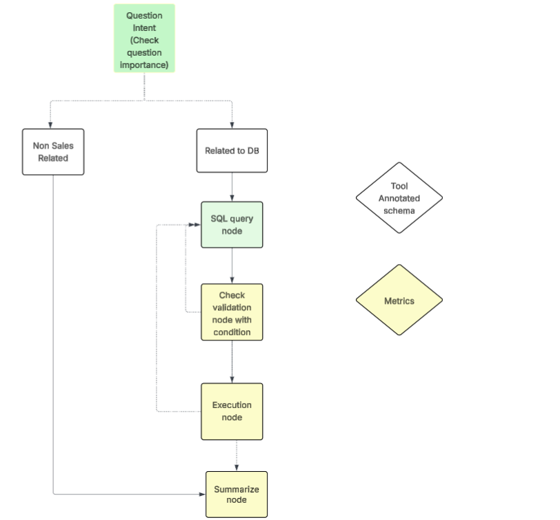

Plan | Owner | Tentative date
Question intent + conditional edge + sql query node | Gaurav
Validation | Vivek |  | prompt + db
Execution+Summary | Vivek
Restructuring | Gaurav |  | sales drop

Pending tasks |  | Priority
Gradio UI | Gaurav | 1
Fine tuning Entity | Gaurav | 2
Streamlit UI | Azam | 1
History store | Vivek | 1
RCA knowledge base + Workflow | Gaurav/Azam | 2

