Au4f Scan
Normalisation | Self |  | Acquisition Parameters :
Baseline Subtraction | Performed
Maximum Intensity | 986243 |  | Parameter
Minimum Intensity | 19228.2 |  | Total acquisition time | 10.1 secs
Calibration | C1s C-C |  | Number of Scans | 1
Binding Energy | 284.89 |  | Number of Energy Steps | 201

Unprocessed Data |  |  |  |  |  |  | Processed Data

Binding Energy | Raw Data | Au4f7 | Au4f5 | Backgnd. | Envelope | Residuals | Binding Energy (calibrated) | Raw Data (Normalised) | Au4f7 (Normalised) | Au4f5 (Normalised) | Backgnd. (Normalised) | Envelope (Normalised) | Residuals (Normalised)
eV | Counts / s | Counts / s | Counts / s | Counts / s | Counts / s | Counts / s (Residuals 4) | eV | Counts / s | Counts / s | Counts / s | Counts / s | Counts / s | Counts / s (Residuals 4)
99.08 | 74075.9 | 0 | 0 | 0 | 74075.9 | 0 | 98.99 | 0.05671857349 |  |  |  | 0.05671857349
98.98 | 73893.9 | 0 | 0 | 0 | 73893.9 | 0 | 98.89 | 0.056530365409 |  |  |  | 0.056530365409
98.88 | 74087.3 | 0 | 0 | 0 | 74087.3 | 0 | 98.79 | 0.056730362348 |  |  |  | 0.056730362348
98.78 | 74011.8 | 0 | 0 | 0 | 74011.8 | 0 | 98.69 | 0.056652287018 |  |  |  | 0.056652287018
98.68 | 73877.8 | 0 | 0 | 0 | 73877.8 | 0 | 98.59 | 0.056513716233 |  |  |  | 0.056513716233
98.58 | 73924 | 0 | 0 | 0 | 73924 | 0 | 98.49 | 0.05656149213 |  |  |  | 0.05656149213
98.48 | 74044.7 | 0 | 0 | 0 | 74044.7 | 0 | 98.39 | 0.056686309248 |  |  |  | 0.056686309248
98.38 | 73773.2 | 0 | 0 | 0 | 73773.2 | 0 | 98.29 | 0.056405548292 |  |  |  | 0.056405548292
98.28 | 73722.8 | 0 | 0 | 0 | 73722.8 | 0 | 98.19 | 0.056353429131 |  |  |  | 0.056353429131
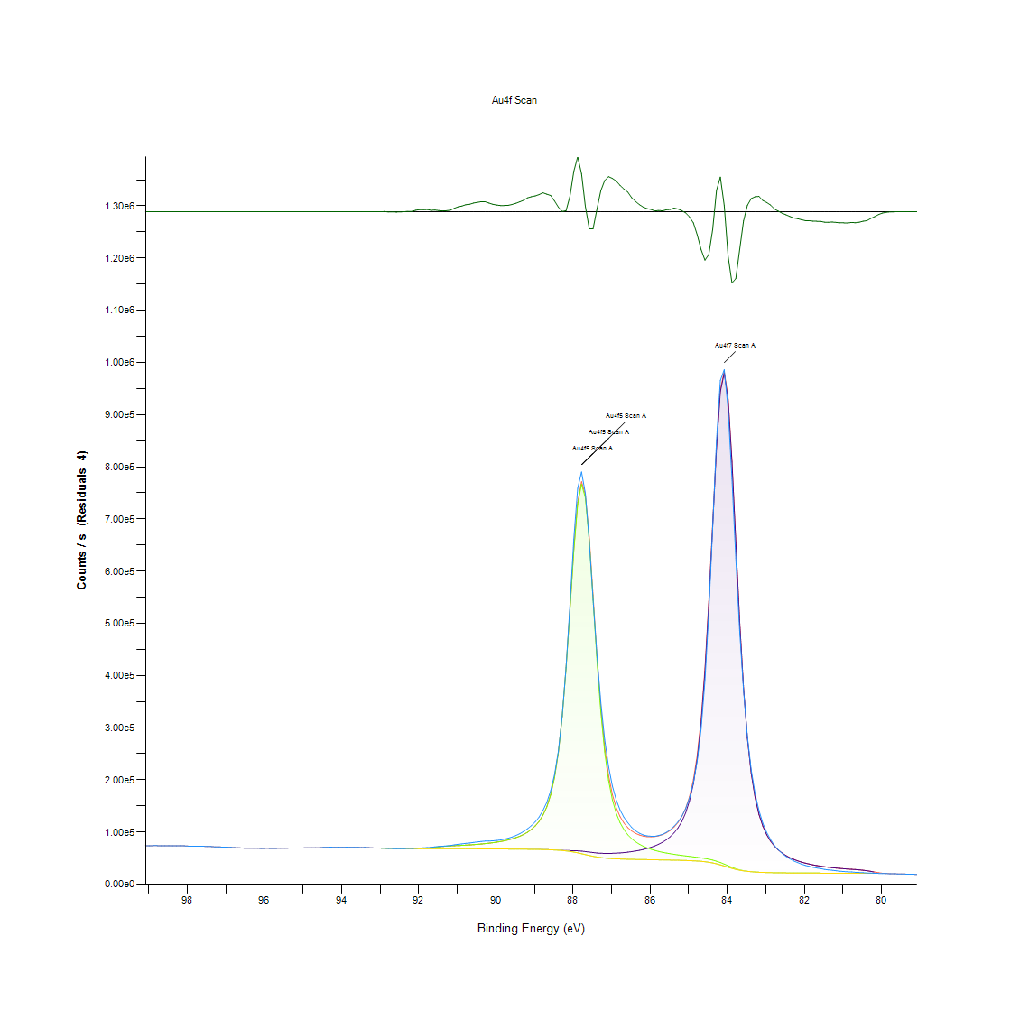
98.18 | 73933.1 | 0 | 0 | 0 | 73933.1 | 0 | 98.09 | 0.056570902534 |  |  |  | 0.056570902534
98.08 | 73722.5 | 0 | 0 | 0 | 73722.5 | 0 | 97.99 | 0.056353118897 |  |  |  | 0.056353118897
97.98 | 73146.8 | 0 | 0 | 0 | 73146.8 | 0 | 97.89 | 0.055757781577 |  |  |  | 0.055757781577
97.88 | 72930.5 | 0 | 0 | 0 | 72930.5 | 0 | 97.79 | 0.055534103511 |  |  |  | 0.055534103511
97.78 | 73222.7 | 0 | 0 | 0 | 73222.7 | 0 | 97.69 | 0.055836270551 |  |  |  | 0.055836270551
97.68 | 72956.8 | 0 | 0 | 0 | 72956.8 | 0 | 97.59 | 0.055561300613 |  |  |  | 0.055561300613
97.58 | 72845.1 | 0 | 0 | 0 | 72845.1 | 0 | 97.49 | 0.055445790488 |  |  |  | 0.055445790488
97.48 | 72432 | 0 | 0 | 0 | 72432 | 0 | 97.39 | 0.055018599509 |  |  |  | 0.055018599509
97.38 | 72337.6 | 0 | 0 | 0 | 72337.6 | 0 | 97.29 | 0.054920979493 |  |  |  | 0.054920979493
97.28 | 71716.6 | 0 | 0 | 0 | 71716.6 | 0 | 97.19 | 0.054278796974 |  |  |  | 0.054278796974
97.18 | 71585.8 | 0 | 0 | 0 | 71585.8 | 0 | 97.09 | 0.054143535342 |  |  |  | 0.054143535342
97.08 | 71368.4 | 0 | 0 | 0 | 71368.4 | 0 | 96.99 | 0.053918719755 |  |  |  | 0.053918719755
96.98 | 71169.7 | 0 | 0 | 0 | 71169.7 | 0 | 96.89 | 0.053713242031 |  |  |  | 0.053713242031
96.88 | 70840.9 | 0 | 0 | 0 | 70840.9 | 0 | 96.79 | 0.053373226552 |  |  |  | 0.053373226552
96.78 | 70272.3 | 0 | 0 | 0 | 70272.3 | 0 | 96.69 | 0.052785231415 |  |  |  | 0.052785231415
96.68 | 70116.1 | 0 | 0 | 0 | 70116.1 | 0 | 96.59 | 0.052623703381 |  |  |  | 0.052623703381
96.58 | 69540.4 | 0 | 0 | 0 | 69540.4 | 0 | 96.49 | 0.05202836606 |  |  |  | 0.05202836606
96.48 | 69007.4 | 0 | 0 | 0 | 69007.4 | 0 | 96.39 | 0.051477185251 |  |  |  | 0.051477185251
96.38 | 69190.7 | 0 | 0 | 0 | 69190.7 | 0 | 96.29 | 0.051666737676 |  |  |  | 0.051666737676
96.28 | 69066.7 | 0 | 0 | 0 | 69066.7 | 0 | 96.19 | 0.051538507994 |  |  |  | 0.051538507994
96.18 | 68972.5 | 0 | 0 | 0 | 68972.5 | 0 | 96.09 | 0.0514410948 |  |  |  | 0.0514410948
96.08 | 68743.6 | 0 | 0 | 0 | 68743.6 | 0 | 95.99 | 0.051204386944 |  |  |  | 0.051204386944
95.98 | 68864.6 | 0 | 0 | 0 | 68864.6 | 0 | 95.89 | 0.051329514295 |  |  |  | 0.051329514295
95.88 | 68848.2 | 0 | 0 | 0 | 68848.2 | 0 | 95.79 | 0.051312554885 |  |  |  | 0.051312554885
95.78 | 68729.7 | 0 | 0 | 0 | 68729.7 | 0 | 95.69 | 0.051190012811 |  |  |  | 0.051190012811
95.68 | 68835.7 | 0 | 0 | 0 | 68835.7 | 0 | 95.59 | 0.051299628506 |  |  |  | 0.051299628506
95.58 | 68886 | 0 | 0 | 0 | 68886 | 0 | 95.49 | 0.051351644256 |  |  |  | 0.051351644256
95.48 | 69035.9 | 0 | 0 | 0 | 69035.9 | 0 | 95.39 | 0.051506657396 |  |  |  | 0.051506657396
95.38 | 69285.3 | 0 | 0 | 0 | 69285.3 | 0 | 95.29 | 0.051764564513 |  |  |  | 0.051764564513
95.28 | 69410.6 | 0 | 0 | 0 | 69410.6 | 0 | 95.19 | 0.051894138539 |  |  |  | 0.051894138539
95.18 | 69349.2 | 0 | 0 | 0 | 69349.2 | 0 | 95.09 | 0.051830644164 |  |  |  | 0.051830644164
95.08 | 69364.3 | 0 | 0 | 0 | 69364.3 | 0 | 94.99 | 0.05184625923 |  |  |  | 0.05184625923
94.98 | 69739 | 0 | 0 | 0 | 69739 | 0 | 94.89 | 0.052233740373 |  |  |  | 0.052233740373
94.88 | 69887.7 | 0 | 0 | 0 | 69887.7 | 0 | 94.79 | 0.05238751258 |  |  |  | 0.05238751258
94.78 | 70001.2 | 0 | 0 | 0 | 70001.2 | 0 | 94.69 | 0.052504884103 |  |  |  | 0.052504884103
94.68 | 70119.4 | 0 | 0 | 0 | 70119.4 | 0 | 94.59 | 0.052627115945 |  |  |  | 0.052627115945
94.58 | 69969.2 | 0 | 0 | 0 | 69969.2 | 0 | 94.49 | 0.052471792572 |  |  |  | 0.052471792572
94.48 | 70587.2 | 0 | 0 | 0 | 70587.2 | 0 | 94.39 | 0.05311087276 |  |  |  | 0.05311087276
94.38 | 70609.1 | 0 | 0 | 0 | 70609.1 | 0 | 94.29 | 0.053133519777 |  |  |  | 0.053133519777
94.28 | 71235.8 | 0 | 0 | 0 | 71235.8 | 0 | 94.19 | 0.053781596724 |  |  |  | 0.053781596724
94.18 | 70559.3 | 0 | 0 | 0 | 70559.3 | 0 | 94.09 | 0.053082021082 |  |  |  | 0.053082021082
94.08 | 71171.8 | 0 | 0 | 0 | 71171.8 | 0 | 93.99 | 0.053715413663 |  |  |  | 0.053715413663
93.98 | 70582.7 | 0 | 0 | 0 | 70582.7 | 0 | 93.89 | 0.053106219264 |  |  |  | 0.053106219264
93.88 | 71170.1 | 0 | 0 | 0 | 71170.1 | 0 | 93.79 | 0.053713655675 |  |  |  | 0.053713655675
93.78 | 70831.7 | 0 | 0 | 0 | 70831.7 | 0 | 93.69 | 0.053363712737 |  |  |  | 0.053363712737
93.68 | 70823.9 | 0 | 0 | 0 | 70823.9 | 0 | 93.59 | 0.053355646677 |  |  |  | 0.053355646677
93.58 | 70716.5 | 0 | 0 | 0 | 70716.5 | 0 | 93.49 | 0.053244583227 |  |  |  | 0.053244583227
93.48 | 70547.3 | 0 | 0 | 0 | 70547.3 | 0 | 93.39 | 0.053069611758 |  |  |  | 0.053069611758
93.38 | 70701.6 | 0 | 0 | 0 | 70701.6 | 0 | 93.29 | 0.053229174983 |  |  |  | 0.053229174983
93.28 | 70142.7 | 0 | 0 | 0 | 70142.7 | 0 | 93.19 | 0.052651210716 |  |  |  | 0.052651210716
93.18 | 69742.8 | 0 | 0 | 0 | 69742.8 | 0 | 93.09 | 0.052237669992 |  |  |  | 0.052237669992
93.08 | 69643.2 | 0 | 0 | 0 | 69643.2 | -7.62E-09 | 92.99 | 0.052134672603 |  |  |  | 0.052134672603 | -0.019884080368
92.98 | 69252.4 | 69234.7 | 69234.7 | 69234.7 | 69234.7 | 17.7157 | 92.89 | 0.051730542283 | 0.05171223853 | 0.05171223853 | 0.05171223853 | 0.05171223853 | -0.019865760379
92.88 | 68983.1 | 68883.8 | 68883.8 | 68883.8 | 68883.8 | 99.3322 | 92.79 | 0.05145205637 | 0.051349369213 | 0.051349369213 | 0.051349369213 | 0.051349369213 | -0.019781359913
92.78 | 68551.8 | 68701.4 | 68701.4 | 68701.4 | 68701.4 | -149.623 | 92.69 | 0.051006044582 | 0.051160747488 | 0.051160747488 | 0.051160747488 | 0.051160747488 | -0.020038807059
92.68 | 68491.8 | 68517.3 | 68517.3 | 68517.3 | 68517.3 | -25.4739 | 92.59 | 0.050943997962 | 0.050970367775 | 0.050970367775 | 0.050970367775 | 0.050970367775 | -0.019910423191
92.58 | 68228 | 68395.7 | 68395.7 | 68395.7 | 68395.7 | -167.723 | 92.49 | 0.050671199655 | 0.050844619958 | 0.050844619958 | 0.050844619958 | 0.050844619958 | -0.020057524456
92.48 | 68331.6 | 68388.3 | 68388.3 | 68388.3 | 68388.3 | -56.781 | 92.39 | 0.050778333486 | 0.050836967542 | 0.050836967542 | 0.050836967542 | 0.050836967542 | -0.019942798187
92.38 | 68375.4 | 68380.7 | 68381.3 | 68380.7 | 68381.3 | -5.90781 | 92.29 | 0.050823627518 | 0.050829108303 | 0.050829728769 | 0.050829108303 | 0.050829728769 | -0.019890189695
92.28 | 68567.6 | 68373.1 | 68376.6 | 68373.1 | 68376.6 | 191.033 | 92.19 | 0.051022383525 | 0.050821249065 | 0.050824868451 | 0.050821249065 | 0.050824868451 | -0.019686531168
92.18 | 68530.6 | 68364.9 | 68381.2 | 68364.9 | 68381.2 | 149.397 | 92.09 | 0.050984121443 | 0.05081276936 | 0.050829625358 | 0.05081276936 | 0.050829625358 | -0.019729587386
92.08 | 69136.2 | 68356 | 68417 | 68356 | 68417 | 719.224 | 91.99 | 0.051610378662 | 0.050803565778 | 0.050866646508 | 0.050803565778 | 0.050866646508 | -0.019140323395
91.98 | 69563.4 | 68346.2 | 68533.1 | 68346.2 | 68533.1 | 1030.37 | 91.89 | 0.052052150598 | 0.050793431497 | 0.050986706718 | 0.050793431497 | 0.050986706718 | -0.018818564101
91.88 | 69799.2 | 68335.4 | 68806.8 | 68335.4 | 68806.8 | 992.432 | 91.79 | 0.052295993815 | 0.050782263105 | 0.051269742717 | 0.050782263105 | 0.051269742717 | -0.018857796179
91.78 | 70421.2 | 68323.4 | 69312.4 | 68323.4 | 69312.4 | 1108.75 | 91.69 | 0.052939210444 | 0.050769853781 | 0.051792588903 | 0.050769853781 | 0.051792588903 | -0.018737510532
91.68 | 70738 | 68309.8 | 70059.8 | 68309.8 | 70059.8 | 678.266 | 91.59 | 0.053266816599 | 0.05075578988 | 0.052565482969 | 0.05075578988 | 0.052565482969 | -0.019182678486
91.58 | 71761.6 | 68294.7 | 70954.3 | 68294.7 | 70954.3 | 807.291 | 91.49 | 0.054325331939 | 0.050740174814 | 0.053490494665 | 0.050740174814 | 0.053490494665 | -0.0190492524
91.48 | 72415.7 | 68277.8 | 71835.5 | 68277.8 | 71835.5 | 580.259 | 91.39 | 0.05500174351 | 0.05072269835 | 0.054401752693 | 0.05072269835 | 0.054401752693 | -0.019284028538
91.38 | 73004.5 | 68259.1 | 72572.6 | 68259.1 | 72572.6 | 431.956 | 91.29 | 0.055610627676 | 0.050703360486 | 0.055163995422 | 0.050703360486 | 0.055163995422 | -0.019437390203
91.28 | 73656.2 | 68238.4 | 73130.5 | 68238.4 | 73130.5 | 525.652 | 91.19 | 0.056284557382 | 0.050681954402 | 0.055740925578 | 0.050681954402 | 0.055740925578 | -0.019340498201
91.18 | 74317.8 | 68215.6 | 73555.7 | 68215.6 | 73555.7 | 762.066 | 91.09 | 0.056968724781 | 0.050658376687 | 0.056180629293 | 0.050658376687 | 0.056180629293 | -0.01909602004
91.08 | 75586 | 68190.5 | 73918.9 | 68190.5 | 73918.9 | 1667.04 | 90.99 | 0.058280183509 | 0.050632420517 | 0.056556218167 | 0.050632420517 | 0.056556218167 | -0.018160177073
90.98 | 76644.9 | 68162.9 | 74274 | 68162.9 | 74274 | 2370.91 | 90.89 | 0.059375202944 | 0.050603879072 | 0.056923430748 | 0.050603879072 | 0.056923430748 | -0.01743229783
90.88 | 77412.7 | 68132.7 | 74650 | 68132.7 | 74650 | 2762.64 | 90.79 | 0.06016919286 | 0.05057264894 | 0.057312256234 | 0.05057264894 | 0.057312256234 | -0.017027205788
90.78 | 78491.4 | 68099.8 | 75061.3 | 68099.8 | 75061.3 | 3430.04 | 90.69 | 0.06128468768 | 0.05053862671 | 0.057737585816 | 0.05053862671 | 0.057737585816 | -0.01633704055
90.68 | 79138.8 | 68064.3 | 75516.4 | 68064.3 | 75516.4 | 3622.4 | 90.59 | 0.061954170712 | 0.050501915793 | 0.05820820943 | 0.050501915793 | 0.05820820943 | -0.016138119086
90.58 | 80248.3 | 68026.2 | 76022.7 | 68026.2 | 76022.7 | 4225.62 | 90.49 | 0.06310151613 | 0.050462516189 | 0.058731779493 | 0.050462516189 | 0.058731779493 | -0.015514323049
90.48 | 81148.6 | 67985.6 | 76588.5 | 67985.6 | 76588.5 | 4560.16 | 90.39 | 0.064032525666 | 0.050420531309 | 0.059316879121 | 0.050420531309 | 0.059316879121 | -0.015168371777
90.38 | 82099.9 | 67942.5 | 77223.8 | 67942.5 | 77223.8 | 4876.1 | 90.29 | 0.065016274828 | 0.050375961154 | 0.059973849418 | 0.050375961154 | 0.059973849418 | -0.014841654957
90.28 | 82820.9 | 67897.3 | 77940.7 | 67897.3 | 77940.7 | 4880.18 | 90.19 | 0.065761868381 | 0.050329219367 | 0.060715203118 | 0.050329219367 | 0.060715203118 | -0.014837435787
90.18 | 82967.5 | 67850.3 | 78754.3 | 67850.3 | 78754.3 | 4213.2 | 90.09 | 0.065913468956 | 0.050280616181 | 0.061556555287 | 0.050280616181 | 0.061556555287 | -0.015527166699
90.08 | 83310.9 | 67801.6 | 79682.2 | 67801.6 | 79682.2 | 3628.69 | 89.99 | 0.066268582446 | 0.050230255007 | 0.062516106268 | 0.050230255007 | 0.062516106268 | -0.016131614532
89.98 | 84018.1 | 67751.2 | 80746.5 | 67751.2 | 80746.5 | 3271.66 | 89.89 | 0.066999905275 | 0.050178135847 | 0.063616709899 | 0.050178135847 | 0.063616709899 | -0.016500822945
89.88 | 84977.5 | 67698.7 | 81974.2 | 67698.7 | 81974.2 | 3003.25 | 89.79 | 0.067992030732 | 0.050123845054 | 0.064886287159 | 0.050123845054 | 0.064886287159 | -0.0167783885
89.78 | 86444.5 | 67643.3 | 83399.2 | 67643.3 | 83399.2 | 3045.38 | 89.69 | 0.069509070595 | 0.050066555341 | 0.066359894388 | 0.050066555341 | 0.066359894388 | -0.016734821432
89.68 | 88192.1 | 67583.9 | 85064.6 | 67583.9 | 85064.6 | 3127.53 | 89.59 | 0.071316281819 | 0.050005129187 | 0.068082101742 | 0.050005129187 | 0.068082101742 | -0.016649869268
89.58 | 90558.9 | 67519.3 | 87026.8 | 67519.3 | 87026.8 | 3532.13 | 89.49 | 0.073763814163 | 0.04993832566 | 0.070111233044 | 0.04993832566 | 0.070111233044 | -0.016231468226
89.48 | 93469.7 | 67448.1 | 89359.8 | 67448.1 | 89359.8 | 4109.87 | 89.39 | 0.07677390253 | 0.049864697004 | 0.072523812459 | 0.049864697004 | 0.072523812459 | -0.01563402132
89.38 | 96998.6 | 67369.1 | 92162.9 | 67369.1 | 92162.9 | 4835.67 | 89.29 | 0.080423174495 | 0.049783002287 | 0.075422527142 | 0.049783002287 | 0.075422527142 | -0.014883464038
89.28 | 101147 | 67280.1 | 95571.4 | 67280.1 | 95571.4 | 5575.95 | 89.19 | 0.084713077814 | 0.049690966467 | 0.078947292223 | 0.049690966467 | 0.078947292223 | -0.014117932838
89.18 | 106519 | 67179.4 | 99774.1 | 67179.4 | 99774.1 | 6744.89 | 89.09 | 0.090268318541 | 0.049586831556 | 0.083293347734 | 0.049586831556 | 0.083293347734 | -0.012909119902
89.08 | 112335 | 67064.7 | 105040 | 67064.7 | 105040 | 7294.95 | 88.99 | 0.096282704256 | 0.049468219101 | 0.088738869353 | 0.049468219101 | 0.088738869353 | -0.01234029717
88.98 | 119447 | 66933 | 111763 | 66933 | 111763 | 7684.51 | 88.89 | 0.10363729697 | 0.049332026769 | 0.095691193144 | 0.049332026769 | 0.095691193144 | -0.011937449148
88.88 | 128862 | 66779.6 | 120536 | 66779.6 | 120536 | 8326.01 | 88.79 | 0.11337344578 | 0.049173394244 | 0.10476344312 | 0.049173394244 | 0.10476344312 | -0.011274067367
88.78 | 141494 | 66599.5 | 132283 | 66599.3 | 132283 | 9210.84 | 88.69 | 0.12643632755 | 0.048987150972 | 0.11691113724 | 0.04898694415 | 0.11691113724 | -0.010359055518
88.68 | 156992 | 66384.5 | 148465 | 66383.3 | 148466 | 8525.92 | 88.59 | 0.14246296954 | 0.04876481725 | 0.13364511071 | 0.048763576318 | 0.13364614482 | -0.01106733837
88.58 | 179306 | 66125.5 | 171409 | 66119.1 | 171416 | 7890.57 | 88.49 | 0.16553810759 | 0.048496982673 | 0.15737173826 | 0.048490364367 | 0.15737897703 | -0.011724360372
88.48 | 209942 | 65816 | 204677 | 65787.6 | 204706 | 5236.86 | 88.39 | 0.19721911185 | 0.048176925524 | 0.19177452093 | 0.04814755679 | 0.19180451013 | -0.014468589312
88.38 | 255480 | 65462.3 | 253163 | 65360 | 253265 | 2214.97 | 88.29 | 0.24431042834 | 0.047811160698 | 0.24191439469 | 0.04770537121 | 0.24201987395 | -0.017593556996
88.28 | 322617 | 65097 | 322168 | 64795.3 | 322469 | 147.754 | 88.19 | 0.31373749399 | 0.047433400192 | 0.31327317845 | 0.047121409104 | 0.31358444566 | -0.019731286429
88.18 | 415701 | 64776.4 | 414485 | 64042.4 | 415219 | 482.135 | 88.09 | 0.40999662053 | 0.047101864418 | 0.40873914236 | 0.046342827431 | 0.40949817935 | -0.019385499581
88.08 | 534557 | 64539.4 | 525497 | 63050.3 | 526986 | 7570.77 | 87.99 | 0.53290683865 | 0.046856780269 | 0.52353779901 | 0.045316886567 | 0.5250775893 | -0.012055068857
87.98 | 661068 | 64346.4 | 638934 | 61791.2 | 641489 | 19578.8 | 87.89 | 0.66373317141 | 0.046657196974 | 0.64084417322 | 0.044014838242 | 0.64348632513 | 0.00036255908389
87.88 | 758730 | 64065.4 | 728265 | 60283.2 | 732047 | 26682.2 | 87.79 | 0.76472645507 | 0.046366611969 | 0.73322228367 | 0.042455399855 | 0.73713328896 | 0.0077082584465
87.78 | 790102 | 63549.6 | 766613 | 58596 | 771566 | 18535.3 | 87.69 | 0.79716856453 | 0.045833217858 | 0.77287834685 | 0.040710648896 | 0.77800029534 | -0.000716535052
87.68 | 749295 | 62755.9 | 740749 | 56840.3 | 746665 | 2629.75 | 87.59 | 0.75496962404 | 0.045012444484 | 0.74613211711 | 0.038895061379 | 0.75224991386 | -0.017164628711
87.58 | 657305 | 61788.3 | 658933 | 55141.3 | 665580 | -8275.29 | 87.49 | 0.65984181421 | 0.044011839322 | 0.66152534584 | 0.037138107917 | 0.66839907724 | -0.028441643292
87.48 | 544953 | 60828.5 | 546021 | 53606.5 | 553244 | -8290.18 | 87.39 | 0.54365744971 | 0.043019300222 | 0.54476187955 | 0.035550955373 | 0.55223125851 | -0.028457041195
87.38 | 438910 | 60034 | 429979 | 52300.2 | 437713 | 1197.3 | 87.29 | 0.43399728732 | 0.04219769956 | 0.42476164791 | 0.034200097041 | 0.43275945725 | -0.018645940062
87.28 | 348640 | 59486.4 | 330161 | 51238.6 | 338409 | 10231.3 | 87.19 | 0.34064814727 | 0.041631420739 | 0.32153882236 | 0.033102285508 | 0.33006816442 | -0.0093037872843
87.18 | 277752 | 59199.5 | 253822 | 50401.4 | 262620 | 15132.7 | 87.09 | 0.26734213375 | 0.041334734484 | 0.2425958734 | 0.032236528334 | 0.25169397614 | -0.0042351988822
87.08 | 225913 | 59151.2 | 199458 | 49749.8 | 208860 | 17052.9 | 86.99 | 0.21373488803 | 0.041284786955 | 0.18637749908 | 0.031562702039 | 0.19610020446 | -0.0022495002145
86.98 | 188234 | 59310.6 | 161953 | 49242.3 | 172021 | 16212.7 | 86.89 | 0.17477064467 | 0.041449624142 | 0.14759319092 | 0.031037891044 | 0.15800461379 | -0.003118359719
86.88 | 161849 | 59650.9 | 136086 | 48842 | 146895 | 14954.5 | 86.79 | 0.14748564345 | 0.04180153189 | 0.12084385885 | 0.030623936676 | 0.13202155748 | -0.0044194773441
86.78 | 142295 | 60154 | 117891 | 48519.4 | 129526 | 12768.7 | 86.69 | 0.12726464993 | 0.0423217928 | 0.10202822128 | 0.030290332682 | 0.11406009505 | -0.0066798357171
86.68 | 128295 | 60811.7 | 104724 | 48252.6 | 117283 | 11012.1 | 86.59 | 0.11278710522 | 0.043001927168 | 0.088412090487 | 0.030014432044 | 0.1013994822 | -0.0084963539338
86.58 | 118062 | 61625.7 | 94910.3 | 48026.9 | 108509 | 9552.82 | 86.49 | 0.10220505415 | 0.043843692982 | 0.07826364188 | 0.029781033341 | 0.09232619811 | -0.010005410465
86.48 | 108986 | 62605.4 | 87398.3 | 47831.8 | 102172 | 6814.35 | 86.39 | 0.09281946874 | 0.044856810878 | 0.070495405034 | 0.029579278414 | 0.085773040909 | -0.012837290598
86.38 | 102637 | 63767.9 | 81513 | 47659.5 | 97621.4 | 5015.17 | 86.29 | 0.086253902215 | 0.046058964144 | 0.064409355472 | 0.029401101203 | 0.081067218413 | -0.014697841233
86.28 | 97892.7 | 65138 | 76809.3 | 47504.4 | 94442.9 | 3449.76 | 86.19 | 0.081347772547 | 0.047475798716 | 0.059545210683 | 0.02924071069 | 0.077780298709 | -0.016316647894
86.18 | 94626.4 | 66749.7 | 72984.6 | 47362.3 | 92372.1 | 2254.38 | 86.09 | 0.077970057956 | 0.049142474345 | 0.05559004888 | 0.029093763611 | 0.075638863025 | -0.017552802708
86.08 | 92743.2 | 68647 | 69826.4 | 47228.7 | 91244.8 | 1498.42 | 85.99 | 0.07602262137 | 0.051104491886 | 0.052324121616 | 0.028955606471 | 0.074473110443 | -0.018334548758
85.98 | 92086 | 70888.7 | 67182.7 | 47100.4 | 90971 | 1115.01 | 85.89 | 0.075343004057 | 0.053422657027 | 0.04959024412 | 0.028822930114 | 0.074189971033 | -0.018731037002
85.88 | 91896.3 | 73551.9 | 64941.1 | 46974 | 91519.1 | 377.236 | 85.79 | 0.075146833327 | 0.056176699674 | 0.047272182391 | 0.028692218568 | 0.074756766908 | -0.019493976721
85.78 | 93540 | 76740 | 63018 | 46846.7 | 92911.2 | 628.795 | 85.69 | 0.076846600486 | 0.059473546837 | 0.045283484803 | 0.028560576322 | 0.076196351907 | -0.019233836959
85.68 | 95663.4 | 80592.2 | 61348.6 | 46715.6 | 95225.2 | 438.2 | 85.59 | 0.079042430374 | 0.063457146674 | 0.043557141008 | 0.028425004457 | 0.078589283225 | -0.019430933218
85.58 | 99549.6 | 85299.9 | 59882.9 | 46577.6 | 98605.3 | 944.35 | 85.49 | 0.083061189963 | 0.068325427905 | 0.042041445488 | 0.028282297231 | 0.082084679573 | -0.018907518272
85.48 | 104415 | 91130.8 | 58580.2 | 46429 | 103282 | 1133.14 | 85.39 | 0.088092550393 | 0.074355221864 | 0.040694309953 | 0.028128628435 | 0.086920903382 | -0.018712288581
85.38 | 111390 | 98469.5 | 57408 | 46266.3 | 109611 | 1778.95 | 85.29 | 0.095305469989 | 0.081944247389 | 0.039482125816 | 0.027960378683 | 0.0934657877 | -0.018044449785
85.28 | 119460 | 107882 | 56338.4 | 46085.1 | 118136 | 1324.27 | 85.19 | 0.1036507404 | 0.091677810929 | 0.038376041401 | 0.02777299789 | 0.10228157832 | -0.018514639073
85.18 | 130202 | 120229 | 55346.9 | 45879.5 | 129696 | 505.72 | 85.09 | 0.11475915363 | 0.10444597125 | 0.037350721002 | 0.027560384805 | 0.1142358938 | -0.019361110088
85.08 | 145043 | 136849 | 54410.1 | 45641.2 | 145618 | -575.234 | 84.99 | 0.13010638513 | 0.12163288504 | 0.036381966439 | 0.027313956312 | 0.13070099858 | -0.020478935793
84.98 | 165502 | 159877 | 53503.6 | 45358.5 | 168022 | -2519.71 | 84.89 | 0.1512632485 | 0.14544637786 | 0.03544454542 | 0.02702161332 | 0.15386920655 | -0.022489738523
84.88 | 194841 | 192693 | 52599.3 | 45013.6 | 200279 | -5438.04 | 84.79 | 0.18160301166 | 0.17938174266 | 0.034509399442 | 0.026664948665 | 0.18722650367 | -0.025507613741
84.78 | 236235 | 240398 | 51661.8 | 44579.6 | 247480 | -11245.2 | 84.69 | 0.22440897492 | 0.22871397625 | 0.033539921002 | 0.026216144779 | 0.23603754565 | -0.031512857921
84.68 | 297984 | 309781 | 50642.4 | 44015.6 | 316408 | -18424.3 | 84.59 | 0.28826425407 | 0.30046365371 | 0.032485748925 | 0.025632906549 | 0.30731670291 | -0.038936839436
84.58 | 390328 | 407670 | 49474.8 | 43263 | 413882 | -23554.4 | 84.49 | 0.38375813897 | 0.40169168042 | 0.031278321697 | 0.02485463511 | 0.40811557383 | -0.044241928872
84.48 | 521481 | 536456 | 48076.4 | 42251.2 | 542281 | -20799.7 | 84.39 | 0.5193848119 | 0.53487061418 | 0.029832221803 | 0.023808322272 | 0.54089430689 | -0.041393265129
84.38 | 684146 | 687320 | 46356.1 | 40913.7 | 692763 | -8616.78 | 84.29 | 0.68759836975 | 0.69088063595 | 0.028053241791 | 0.022425199697 | 0.69650929851 | -0.028794781631
84.28 | 850875 | 835477 | 44238.1 | 39222 | 840493 | 10381.6 | 84.19 | 0.860014552 | 0.84409132104 | 0.025862996099 | 0.020675795241 | 0.84927841849 | -0.0091483605008
84.18 | 965465 | 944127 | 41690.1 | 37212.8 | 948604 | 16861.1 | 84.09 | 0.97851325543 | 0.95644740908 | 0.023228082962 | 0.018598060754 | 0.96107712105 | -0.002447842577
84.08 | 986243 | 979515 | 38761.7 | 34994.3 | 983283 | 2960.69 | 83.99 | 1 | 0.99304250566 | 0.020199794253 | 0.016303886973 | 0.9969390334 | -0.016822400236
83.98 | 910520 | 929143 | 35618.3 | 32721.8 | 932040 | -21519.5 | 83.89 | 0.92169406301 | 0.9409522998 | 0.016949171822 | 0.013953871233 | 0.94394811744 | -0.042137617749
83.88 | 776565 | 809264 | 32537.2 | 30563.2 | 811239 | -34673.9 | 83.79 | 0.78316981291 | 0.8169841868 | 0.013762974465 | 0.011721640662 | 0.81902655471 | -0.055740718756
83.78 | 623968 | 655321 | 29814.1 | 28651.9 | 656484 | -32516 | 83.69 | 0.62536767793 | 0.6577901393 | 0.010946988609 | 0.0097451455758 | 0.65899280962 | -0.053509212062
83.68 | 485489 | 503330 | 27638.5 | 27059.1 | 503909 | -18419.9 | 83.59 | 0.48216511267 | 0.50061467518 | 0.0086971781611 | 0.0080980146322 | 0.50121342507 | -0.038932289351
83.58 | 371796 | 376013 | 26033.3 | 25792.3 | 376254 | -4457.82 | 83.49 | 0.36459400621 | 0.3689548495 | 0.0070372242493 | 0.0067880036583 | 0.36920407009 | -0.024493958107
83.48 | 283472 | 280302 | 24898.4 | 24815.7 | 280385 | 3087.49 | 83.39 | 0.27325724487 | 0.26997911511 | 0.0058636124287 | 0.0057780915039 | 0.27006494627 | -0.016691275046
83.38 | 219173 | 212771 | 24096.8 | 24073.5 | 212795 | 6378.67 | 83.29 | 0.20676498436 | 0.20014460999 | 0.0050346695831 | 0.0050105748123 | 0.20016942864 | -0.013287831789
83.28 | 173597 | 166306 | 23515.8 | 23510.4 | 166312 | 7285.31 | 83.19 | 0.15963437168 | 0.15209467321 | 0.0044338514778 | 0.0044282672819 | 0.15210087788 | -0.012350265994
83.18 | 141667 | 134201 | 23081 | 23080 | 134202 | 7465.31 | 83.09 | 0.12661522864 | 0.11889456087 | 0.0039842203036 | 0.0039831861932 | 0.11889559498 | -0.012164126133
83.08 | 116994 | 111526 | 22745.4 | 22745.3 | 111526 | 5468.49 | 82.99 | 0.10110062431 | 0.095446108994 | 0.0036371728747 | 0.0036370694637 | 0.095446108994 | -0.014229058335
82.98 | 99525.7 | 95042.7 | 22479.8 | 22479.8 | 95042.7 | 4482.97 | 82.89 | 0.083036474726 | 0.078400558089 | 0.0033625131694 | 0.0033625131694 | 0.078400558089 | -0.015248194754
82.88 | 85999 | 82711.6 | 22265.7 | 22265.7 | 82711.6 | 3287.36 | 82.79 | 0.069048374441 | 0.065648840121 | 0.0031411101464 | 0.0031411101464 | 0.065648840121 | -0.016484587413
82.78 | 74601.5 | 73246.7 | 22090.9 | 22090.9 | 73246.7 | 1354.78 | 82.69 | 0.057262101883 | 0.055861089199 | 0.0029603476596 | 0.0029603476596 | 0.055861089199 | -0.018483088366
82.68 | 66122.6 | 65819.3 | 21946.1 | 21946.1 | 65819.3 | 303.294 | 82.59 | 0.048493983753 | 0.048180338088 | 0.0028106084829 | 0.0028106084829 | 0.048180338088 | -0.019570440907
82.58 | 59138.9 | 59880.3 | 21825.1 | 21825.1 | 59880.3 | -741.355 | 82.49 | 0.041272067398 | 0.042038756801 | 0.0026854811322 | 0.0026854811322 | 0.042038756801 | -0.020650723236
82.48 | 53558.3 | 55054.6 | 21723.4 | 21723.4 | 55054.6 | -1496.4 | 82.39 | 0.035501111255 | 0.037048450551 | 0.002580312111 | 0.002580312111 | 0.037048450551 | -0.021431523075
82.38 | 48786.3 | 51078.7 | 21637.1 | 21637.1 | 51078.7 | -2292.44 | 82.29 | 0.03056633673 | 0.032936931265 | 0.002491068389 | 0.002491068389 | 0.032936931265 | -0.022254716267
82.28 | 44749.1 | 47763.1 | 21563.5 | 21563.5 | 47763.1 | -3013.96 | 82.19 | 0.026391426481 | 0.029508235034 | 0.0024149578683 | 0.0024149578683 | 0.029508235034 | -0.023000847557
82.18 | 41580.9 | 44968.7 | 21500.5 | 21500.5 | 44968.7 | -3387.73 | 82.09 | 0.023115158113 | 0.026618517111 | 0.0023498089171 | 0.0023498089171 | 0.026618517111 | -0.023387366977
82.08 | 38720.4 | 42591.4 | 21446.5 | 21446.5 | 42591.4 | -3870.98 | 81.99 | 0.020157085497 | 0.024160126608 | 0.0022939669589 | 0.0022939669589 | 0.024160126608 | -0.023887100797
81.98 | 36257.5 | 40551.9 | 21399.8 | 21399.8 | 40551.9 | -4294.43 | 81.89 | 0.017610175149 | 0.022051058577 | 0.0022456740062 | 0.0022456740062 | 0.022051058577 | -0.024324994819
81.88 | 34443.6 | 38788.9 | 21359.4 | 21359.4 | 38788.9 | -4345.28 | 81.79 | 0.01573440241 | 0.020227922055 | 0.0022038959486 | 0.0022038959486 | 0.020227922055 | -0.02437757933
81.78 | 32679.5 | 37254.6 | 21324.4 | 21324.4 | 37254.6 | -4575.07 | 81.69 | 0.013910128366 | 0.018641286566 | 0.0021677020869 | 0.0021677020869 | 0.018641286566 | -0.024615207544
81.68 | 31266.9 | 35911 | 21293.8 | 21293.8 | 35911 | -4644.02 | 81.59 | 0.012449344105 | 0.017251855918 | 0.0021360583106 | 0.0021360583106 | 0.017251855918 | -0.024686509452
81.58 | 30043.1 | 34727.7 | 21267.1 | 21267.1 | 34727.7 | -4684.61 | 81.49 | 0.011183799876 | 0.016028193157 | 0.0021084475646 | 0.0021084475646 | 0.016028193157 | -0.02472848399
81.48 | 28598.2 | 33680.5 | 21244 | 21244 | 33680.5 | -5082.31 | 81.39 | 0.0096896138508 | 0.014945272813 | 0.0020845596158 | 0.0020845596158 | 0.014945272813 | -0.025139749671
81.38 | 27618.3 | 32749.2 | 21223.9 | 21223.9 | 32749.2 | -5130.94 | 81.29 | 0.0086762891323 | 0.013982205857 | 0.0020637739981 | 0.0020637739981 | 0.013982205857 | -0.025190038456
81.28 | 26889 | 31917.6 | 21206.5 | 21206.5 | 31917.6 | -5028.54 | 81.19 | 0.007922112464 | 0.013122239701 | 0.0020457804782 | 0.0020457804782 | 0.013122239701 | -0.025084145558
81.18 | 25987.1 | 31172 | 21191.7 | 21191.7 | 31172 | -5184.95 | 81.09 | 0.0069894483518 | 0.012351207034 | 0.0020304756453 | 0.0020304756453 | 0.012351207034 | -0.025245890756
81.08 | 25084.3 | 30500.9 | 21179 | 21179 | 30500.9 | -5416.62 | 80.99 | 0.0060558535402 | 0.011657215588 | 0.002017342444 | 0.002017342444 | 0.011657215588 | -0.025485463097
80.98 | 24495.7 | 29894.2 | 21168.2 | 21168.2 | 29894.2 | -5398.45 | 80.89 | 0.0054471761963 | 0.011029820847 | 0.0020061740524 | 0.0020061740524 | 0.011029820847 | -0.025466673313
80.88 | 23859 | 29340.6 | 21159.1 | 21159.1 | 29340.6 | -5481.6 | 80.79 | 0.0047887581452 | 0.010457337364 | 0.0019967636483 | 0.0019967636483 | 0.010457337364 | -0.025552659587
80.78 | 23634.4 | 28821.8 | 21151.6 | 21151.6 | 28821.8 | -5187.43 | 80.69 | 0.0045564969636 | 0.009920840922 | 0.0019890078208 | 0.0019890078208 | 0.009920840922 | -0.025248455349
80.68 | 22939.5 | 28300.1 | 21145.4 | 21145.4 | 28300.1 | -5360.61 | 80.59 | 0.003837893691 | 0.0093813455596 | 0.0019825963367 | 0.0019825963367 | 0.0093813455596 | -0.025427542577
80.58 | 22591.6 | 27705.7 | 21140.3 | 21140.3 | 27705.7 | -5114.03 | 80.49 | 0.003478126705 | 0.0087666703757 | 0.001977322374 | 0.001977322374 | 0.0087666703757 | -0.025172551651
80.48 | 22336.7 | 26944.2 | 21136.4 | 21136.4 | 26944.2 | -4607.54 | 80.39 | 0.0032145319803 | 0.0079791953546 | 0.0019732893437 | 0.0019732893437 | 0.0079791953546 | -0.024648785106
80.38 | 21607.4 | 25949 | 21133.7 | 21133.7 | 25949 | -4341.66 | 80.29 | 0.002460355312 | 0.006950048748 | 0.0019704972458 | 0.0019704972458 | 0.006950048748 | -0.02437383585
80.28 | 21491.6 | 24757.5 | 21131.3 | 21131.3 | 24757.5 | -3265.89 | 80.19 | 0.0023406053351 | 0.0057179062823 | 0.0019680153809 | 0.0019680153809 | 0.0057179062823 | -0.023261370974
80.18 | 21142.3 | 23537.2 | 21129.5 | 21129.5 | 23537.2 | -2394.9 | 80.09 | 0.0019793905946 | 0.004455981439 | 0.0019661539823 | 0.0019661539823 | 0.004455981439 | -0.022360671212
80.08 | 20863.2 | 0 | 0 | 0 | 22238.3 | -1375.1 | 79.99 | 0.0016907703998 |  |  |  | 0.0031127755232 | -0.021306085491
79.98 | 20543.3 | 0 | 0 | 0 | 21206.2 | -662.922 | 79.89 | 0.0013599585032 |  |  |  | 0.0020454702451 | -0.02056961486
79.88 | 20525.1 | 0 | 0 | 0 | 20791.1 | -266.017 | 79.79 | 0.0013411376951 |  |  |  | 0.0016162110445 | -0.020159171297
79.78 | 20237 | 0 | 0 | 0 | 20325 | -87.9625 | 79.69 | 0.0010432105072 |  |  |  | 0.0011342122168 | -0.019975043298
79.68 | 20192.3 | 0 | 0 | 0 | 20216.1 | -23.7943 | 79.59 | 0.00099698577519 |  |  |  | 0.0010215976012 | -0.019908686299
79.58 | 19897.4 | 0 | 0 | 0 | 19902.6 | -5.23784 | 79.49 | 0.00069202663703 |  |  |  | 0.00069740401078 | -0.019889496872
79.48 | 19767.6 | 0 | 0 | 0 | 19768.5 | -0.934691 | 79.39 | 0.00055779911538 |  |  |  | 0.00055872981468 | -0.019885046941
79.38 | 19567.4 | 0 | 0 | 0 | 19567.6 | -0.13483 | 79.29 | 0.00035077022606 |  |  |  | 0.00035097704813 | -0.019884219797
79.28 | 19228.2 | 0 | 0 | 0 | 19228.2 | -0.0156885 | 79.19 | 0 |  |  |  | 0 | -0.019884096591
79.18 | 19287 | 0 | 0 | 0 | 19287 | -0.00147013 | 79.09 | 6.0805687772E-05 |  |  |  | 6.0805687772E-05 | -0.019884081888
79.08 | 18933.4 | 0 | 0 | 0 | 18933.4 | -0.000110809 | 78.99 | -0.00030485572713 |  |  |  | -0.00030485572713 | -0.019884080482

S2p Scan
Normalisation | Self |  |  | Acquisition Parameters :
Baseline Subtraction | Performed
Maximum Intensity | 62197.3 |  |  | Parameter
Minimum Intensity | 59593.7 |  |  | Total acquisition time | 1 mins 44.8 secs
Calibration | C1s C-C |  |  | Number of Scans | 16
Binding Energy | 284.89 |  |  | Number of Energy Steps | 131

Unprocessed Data |  |  |  |  |  |  |  |  | Processed Data

Binding Energy | Raw Data | S2p3 Au-S | S2p1 Au-S | S2p3 Au-S-R | S2p1 Au-S-R | Backgnd. | Envelope | Residuals | Binding Energy (calibrated) | Raw Data (Normalised) | S2p3 Au-S (Normalised) | S2p1 Au-S (Normalised) | S2p3 Au-S-R (Normalised) | S2p1 Au-S-R (Normalised) | Backgnd. (Normalised) | Envelope (Normalised) | Residuals (Normalised)
eV | Counts / s | Counts / s | Counts / s | Counts / s | Counts / s | Counts / s | Counts / s | Counts / s (Residuals 3) | eV | Counts / s | Counts / s | Counts / s | Counts / s | Counts / s | Counts / s | Counts / s | Counts / s (Residuals 3)
170.08 | 59593.7 | 0 | 0 | 0 | 0 | 59656.5 | 59593.7 | 0 | 169.99 | 0 |  |  |  |  | 0.02412044861 | 0
169.98 | 59668.4 | 0 | 0 | 0 | 0 | 59648.9 | 59668.4 | 0 | 169.89 | 0.028691043171 |  |  |  |  | 0.021201413428 | 0.028691043171
169.88 | 59707.4 | 0 | 0 | 0 | 0 | 59657.3 | 59707.4 | 0 | 169.79 | 0.043670302658 |  |  |  |  | 0.024427715471 | 0.043670302658
169.78 | 59626.2 | 0 | 0 | 0 | 0 | 59666.8 | 59626.2 | 0 | 169.69 | 0.012482716239 |  |  |  |  | 0.028076509448 | 0.012482716239
169.68 | 59690.7 | 0 | 0 | 0 | 0 | 59676.4 | 59690.7 | 0 | 169.59 | 0.037256106929 |  |  |  |  | 0.031763711784 | 0.037256106929
169.58 | 59766.7 | 0 | 0 | 0 | 0 | 59685.9 | 59766.7 | 0 | 169.49 | 0.066446458749 |  |  |  |  | 0.035412505761 | 0.066446458749
169.48 | 59724.4 | 0 | 0 | 0 | 0 | 59695.4 | 59724.4 | 0 | 169.39 | 0.05019972346 |  |  |  |  | 0.039061299739 | 0.05019972346
169.38 | 59775.2 | 0 | 0 | 0 | 0 | 59705 | 59775.2 | 0 | 169.29 | 0.06971116915 |  |  |  |  | 0.042748502074 | 0.06971116915
169.28 | 59770.8 | 0 | 0 | 0 | 0 | 59714.5 | 59770.8 | 0 | 169.19 | 0.068021201413 |  |  |  |  | 0.046397296052 | 0.068021201413
169.18 | 59801 | 0 | 0 | 0 | 0 | 59724.1 | 59801 | 0 | 169.09 | 0.079620525426 |  |  |  |  | 0.050084498387 | 0.079620525426
169.08 | 59809.2 | 0 | 0 | 0 | 0 | 59733.6 | 59809.2 | 0 | 168.99 | 0.082770010754 |  |  |  |  | 0.053733292364 | 0.082770010754
168.98 | 59782.7 | 0 | 0 | 0 | 0 | 59743.1 | 59782.7 | 0 | 168.89 | 0.072591795975 |  |  |  |  | 0.057382086342 | 0.072591795975
168.88 | 59849 | 0 | 0 | 0 | 0 | 59752.7 | 59849 | 0 | 168.79 | 0.098056537102 |  |  |  |  | 0.061069288677 | 0.098056537102
168.78 | 59799.9 | 0 | 0 | 0 | 0 | 59762.2 | 59799.9 | 0 | 168.69 | 0.079198033492 |  |  |  |  | 0.064718082655 | 0.079198033492
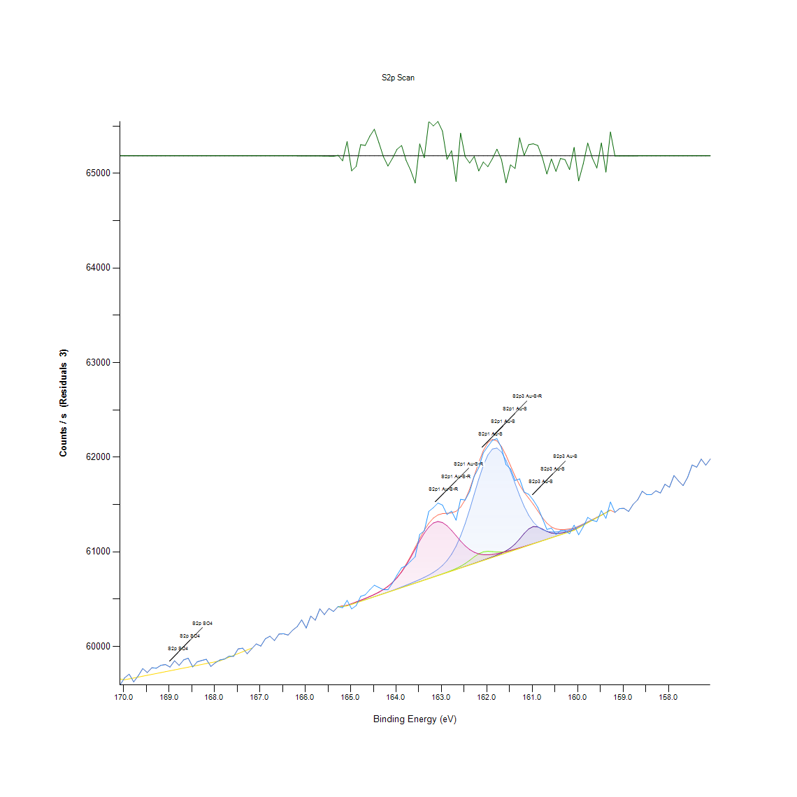
168.68 | 59857.8 | 0 | 0 | 0 | 0 | 59771.7 | 59857.8 | 0 | 168.59 | 0.10143647258 |  |  |  |  | 0.068366876632 | 0.10143647258
168.58 | 59876.4 | 0 | 0 | 0 | 0 | 59781.3 | 59876.4 | 0 | 168.49 | 0.1085804271 |  |  |  |  | 0.072054078968 | 0.1085804271
168.48 | 59784.1 | 0 | 0 | 0 | 0 | 59790.8 | 59784.1 | 0 | 168.39 | 0.073129512982 |  |  |  |  | 0.075702872945 | 0.073129512982
168.38 | 59837.8 | 0 | 0 | 0 | 0 | 59800.4 | 59837.8 | 0 | 168.29 | 0.093754801045 |  |  |  |  | 0.07939007528 | 0.093754801045
168.28 | 59852.2 | 0 | 0 | 0 | 0 | 59809.9 | 59852.2 | 0 | 168.19 | 0.099285604548 |  |  |  |  | 0.083038869258 | 0.099285604548
168.18 | 59864.4 | 0 | 0 | 0 | 0 | 59819.4 | 59864.4 | 0 | 168.09 | 0.10397142418 |  |  |  |  | 0.086687663236 | 0.10397142418
168.08 | 59789 | 0 | 0 | 0 | 0 | 59829 | 59789 | 0 | 167.99 | 0.075011522507 |  |  |  |  | 0.090374865571 | 0.075011522507
167.98 | 59828.6 | 0 | 0 | 0 | 0 | 59838.5 | 59828.6 | 0 | 167.89 | 0.09022123214 |  |  |  |  | 0.094023659548 | 0.09022123214
167.88 | 59857.6 | 0 | 0 | 0 | 0 | 59848.1 | 59857.6 | 0 | 167.79 | 0.10135965586 |  |  |  |  | 0.097710861884 | 0.10135965586
167.78 | 59867.4 | 0 | 0 | 0 | 0 | 59867.3 | 59867.4 | 0 | 167.69 | 0.10512367491 |  |  |  |  | 0.10508526655 | 0.10512367491
167.68 | 59897.7 | 0 | 0 | 0 | 0 | 59886.5 | 59897.7 | -1.36E-10 | 167.59 | 0.11676140728 |  |  |  |  | 0.11245967122 | 0.11676140728 | -22.888961438
167.58 | 59895.9 | 0 | 0 | 0 | 0 | 59905.7 | 59895.9 | -7.63E-10 | 167.49 | 0.11607005684 |  |  |  |  | 0.11983407589 | 0.11607005684 | -22.888961438
167.48 | 59974.4 | 0 | 0 | 0 | 0 | 59924.9 | 59974.4 | -3.82E-09 | 167.39 | 0.14622061761 |  |  |  |  | 0.12720848057 | 0.14622061761 | -22.888961438
167.38 | 59982 | 0 | 0 | 0 | 0 | 59944.2 | 59982 | -1.74E-08 | 167.29 | 0.14913965279 |  |  |  |  | 0.13462129359 | 0.14913965279 | -22.888961438
167.28 | 59923.5 | 0 | 0 | 0 | 0 | 59963.4 | 59923.5 | -7.48E-08 | 167.19 | 0.12667076356 |  |  |  |  | 0.14199569826 | 0.12667076356 | -22.888961438
167.18 | 59976.1 | 0 | 0 | 0 | 0 | 59982.6 | 59976.1 | -3.03E-07 | 167.09 | 0.14687355969 |  |  |  |  | 0.14937010293 | 0.14687355969 | -22.888961438
167.08 | 60027 | 0 | 0 | 0 | 0 | 0 | 60027 | -1.16E-06 | 166.99 | 0.16642341373 |  |  |  |  |  | 0.16642341373 | -22.888961438
166.98 | 60004.5 | 0 | 0 | 0 | 0 | 0 | 60004.5 | -4.19E-06 | 166.89 | 0.15778153326 |  |  |  |  |  | 0.15778153326 | -22.88896144
166.88 | 60081.5 | 0 | 0 | 0 | 0 | 0 | 60081.5 | -1.43E-05 | 166.79 | 0.18735596866 |  |  |  |  |  | 0.18735596866 | -22.888961443
166.78 | 60108.2 | 0 | 0 | 0 | 0 | 0 | 60108.2 | -4.59E-05 | 166.69 | 0.19761100015 |  |  |  |  |  | 0.19761100015 | -22.888961456
166.68 | 60063 | 0 | 0 | 0 | 0 | 0 | 60063 | -0.00013939 | 166.59 | 0.18025042249 |  |  |  |  |  | 0.18025042249 | -22.888961492
166.58 | 60131.3 | 0 | 0 | 0 | 0 | 0 | 60131.3 | -0.000399894 | 166.49 | 0.20648333077 |  |  |  |  |  | 0.20648333077 | -22.888961592
166.48 | 60134.8 | 0 | 0 | 0 | 0 | 0 | 60134.8 | -0.00108405 | 166.39 | 0.20782762329 |  |  |  |  |  | 0.20782762329 | -22.888961854
166.38 | 60120.7 | 0 | 0 | 0 | 0 | 0 | 60120.7 | -0.00277788 | 166.29 | 0.20241204486 |  |  |  |  |  | 0.20241204486 | -22.888962505
166.28 | 60172 | 0 | 0 | 0 | 0 | 0 | 60172 | -0.00673208 | 166.19 | 0.22211553234 |  |  |  |  |  | 0.22211553234 | -22.888964024
166.18 | 60209.9 | 0 | 0 | 0 | 0 | 0 | 60209.9 | -0.015438 | 166.09 | 0.23667229989 |  |  |  |  |  | 0.23667229989 | -22.888967367
166.08 | 60281 | 0 | 0 | 0 | 0 | 0 | 60281 | -0.0335214 | 165.99 | 0.26398064219 |  |  |  |  |  | 0.26398064219 | -22.888974313
165.98 | 60195.5 | 0 | 0 | 0 | 0 | 0 | 60195.6 | -0.068972 | 165.89 | 0.23114149639 |  |  |  |  |  | 0.23117990475 | -22.888987929
165.88 | 60321.2 | 0 | 0 | 0 | 0 | 0 | 60321.4 | -0.134599 | 165.79 | 0.27942080197 |  |  |  |  |  | 0.27949761868 | -22.889013135
165.78 | 60278.2 | 0 | 0 | 0 | 0 | 0 | 60278.4 | -0.249401 | 165.69 | 0.26290520817 |  |  |  |  |  | 0.26298202489 | -22.889057229
165.68 | 60397.5 | 0 | 0 | 0 | 0 | 0 | 60397.9 | -0.439355 | 165.59 | 0.30872637886 |  |  |  |  |  | 0.30888001229 | -22.889130187
165.58 | 60336.8 | 0 | 0 | 0 | 0 | 0 | 60337.5 | -0.737028 | 165.49 | 0.28541250576 |  |  |  |  |  | 0.28568136426 | -22.889244518
165.48 | 60401.5 | 0 | 0 | 0 | 0 | 0 | 60402.6 | -1.17962 | 165.39 | 0.31026271317 |  |  |  |  |  | 0.3106852051 | -22.889414511
165.38 | 60369.3 | 0 | 0 | 0 | 0 | 0 | 60371.1 | -1.80561 | 165.29 | 0.297895222 |  |  |  |  |  | 0.29858657244 | -22.889654943
165.28 | 60422.8 | 60417.9 | 60417.9 | 60417.9 | 60420.6 | 60417.9 | 60420.6 | 2.15217 | 165.19 | 0.31844369335 | 0.31656168382 | 0.31656168382 | 0.31656168382 | 0.31759870948 | 0.31656168382 | 0.31759870948 | -22.888134825
165.18 | 60409.2 | 60423.8 | 60423.8 | 60423.8 | 60427.5 | 60423.8 | 60427.5 | -18.2849 | 165.09 | 0.31322015671 | 0.31882777692 | 0.31882777692 | 0.31882777692 | 0.32024888616 | 0.31882777692 | 0.32024888616 | -22.895984368
165.08 | 60487.1 | 60429.6 | 60429.6 | 60429.6 | 60434.7 | 60429.6 | 60434.7 | 52.3799 | 164.99 | 0.34314026732 | 0.32105546167 | 0.32105546167 | 0.32105546167 | 0.32301428791 | 0.32105546167 | 0.32301428791 | -22.868843179
164.98 | 60397.2 | 60445.5 | 60445.5 | 60445.5 | 60452.3 | 60445.5 | 60452.3 | -55.113 | 164.89 | 0.30861115379 | 0.32716239054 | 0.32716239054 | 0.32716239054 | 0.32977415886 | 0.32716239054 | 0.32977415886 | -22.910129436
164.88 | 60431.5 | 60461.5 | 60461.5 | 60461.5 | 60470.3 | 60461.5 | 60470.4 | -38.8448 | 164.79 | 0.32178522046 | 0.33330772776 | 0.33330772776 | 0.33330772776 | 0.33668766324 | 0.33330772776 | 0.33672607159 | -22.903881088
164.78 | 60530 | 60477.5 | 60477.5 | 60477.6 | 60488.8 | 60477.5 | 60488.9 | 41.1115 | 164.69 | 0.35961745276 | 0.33945306499 | 0.33945306499 | 0.33949147334 | 0.3437932094 | 0.33945306499 | 0.34383161776 | -22.873171186
164.68 | 60545.9 | 60493.5 | 60493.5 | 60493.6 | 60507.9 | 60493.5 | 60508.1 | 37.8591 | 164.59 | 0.36572438163 | 0.34559840221 | 0.34559840221 | 0.34563681057 | 0.35112920572 | 0.34559840221 | 0.35120602243 | -22.874420379
164.58 | 60600.1 | 60509.4 | 60509.4 | 60509.7 | 60528 | 60509.4 | 60528.3 | 71.813 | 164.49 | 0.38654171148 | 0.35170533108 | 0.35170533108 | 0.35182055615 | 0.3588492856 | 0.35170533108 | 0.35896451068 | -22.861379244
164.48 | 60647.7 | 60525.4 | 60525.4 | 60525.9 | 60549.7 | 60525.4 | 60550.2 | 97.4978 | 164.39 | 0.40482408972 | 0.35785066831 | 0.35785066831 | 0.35804271009 | 0.36718389922 | 0.35785066831 | 0.367375941 | -22.851514134
164.38 | 60623.2 | 60541.4 | 60541.4 | 60542.3 | 60573.8 | 60541.4 | 60574.8 | 48.4937 | 164.29 | 0.3954140421 | 0.36399600553 | 0.36399600553 | 0.36434168075 | 0.37644031341 | 0.36399600553 | 0.37682439699 | -22.870335804
164.28 | 60599.9 | 60557.4 | 60557.4 | 60558.9 | 60601.6 | 60557.4 | 60603.2 | -3.23004 | 164.19 | 0.38646489476 | 0.37014134276 | 0.37014134276 | 0.37071746812 | 0.38711783684 | 0.37014134276 | 0.38773237056 | -22.890202043
164.18 | 60599.9 | 60573.4 | 60573.4 | 60575.8 | 60634.8 | 60573.4 | 60637.3 | -37.4079 | 164.09 | 0.38646489476 | 0.37628667998 | 0.37628667998 | 0.37720848057 | 0.39986941158 | 0.37628667998 | 0.40082962053 | -22.903329198
164.08 | 60670.2 | 60589.3 | 60589.4 | 60593.1 | 60675.3 | 60589.3 | 60679.1 | -8.88487 | 163.99 | 0.4134659702 | 0.38239360885 | 0.38243201721 | 0.38385312644 | 0.41542479644 | 0.38239360885 | 0.41688431403 | -22.892373971
163.98 | 60754.8 | 60605.3 | 60605.4 | 60610.8 | 60725.2 | 60605.3 | 60730.7 | 24.0978 | 163.89 | 0.44595944077 | 0.38853894607 | 0.38857735443 | 0.39065140575 | 0.43459056691 | 0.38853894607 | 0.43670302658 | -22.879705869
163.88 | 60831.8 | 60621.3 | 60621.4 | 60629 | 60786 | 60621.3 | 60793.9 | 37.8733 | 163.79 | 0.47553387617 | 0.3946842833 | 0.39472269166 | 0.39764172684 | 0.45794284836 | 0.3946842833 | 0.46097710862 | -22.874414925
163.78 | 60852.6 | 60637.3 | 60637.6 | 60647.8 | 60858.2 | 60637.3 | 60869 | -16.4162 | 163.69 | 0.48352281456 | 0.40082962053 | 0.4009448456 | 0.40486249808 | 0.48567368259 | 0.40082962053 | 0.48982178522 | -22.895266631
163.68 | 60901.7 | 60653.2 | 60653.8 | 60667.2 | 60940.4 | 60653.2 | 60954.8 | -53.0861 | 163.59 | 0.50238131817 | 0.40693654939 | 0.40716699954 | 0.41231371947 | 0.51724535259 | 0.40693654939 | 0.52277615609 | -22.909350937
163.58 | 60947.8 | 60669.2 | 60670 | 60687.3 | 61028.8 | 60669.2 | 61047.6 | -99.8712 | 163.49 | 0.52008757106 | 0.41308188662 | 0.41338915348 | 0.42003379935 | 0.55119834076 | 0.41308188662 | 0.558419112 | -22.927320326
163.48 | 61185.2 | 60685.2 | 60686.3 | 60708.3 | 61117.3 | 60685.2 | 61141.5 | 43.7402 | 163.39 | 0.61126901214 | 0.41922722384 | 0.41964971578 | 0.42809955446 | 0.58518973729 | 0.41922722384 | 0.59448455984 | -22.872161546
163.38 | 61222.4 | 60701.2 | 60702.6 | 60730.8 | 61198.1 | 60701.2 | 61229 | -6.59152 | 163.29 | 0.62555692119 | 0.42537256107 | 0.42591027808 | 0.43674143494 | 0.61622369028 | 0.42537256107 | 0.62809187279 | -22.891493133
163.28 | 61428.8 | 60717.2 | 60718.9 | 60755.2 | 61263 | 60717.2 | 61302.8 | 126.051 | 163.19 | 0.70483177139 | 0.43151789829 | 0.43217084037 | 0.4461130742 | 0.6411507144 | 0.43151789829 | 0.65643724074 | -22.840547319
163.18 | 61467 | 60733.1 | 60735.2 | 60783 | 61305.2 | 60733.1 | 61357.1 | 109.821 | 163.09 | 0.71950376402 | 0.43762482716 | 0.43843140267 | 0.45679059763 | 0.65735904133 | 0.43762482716 | 0.67729297895 | -22.846780996
163.08 | 61516 | 60749.1 | 60751.8 | 60815.7 | 61320.9 | 60749.1 | 61390.1 | 125.834 | 162.99 | 0.73832385927 | 0.44377016439 | 0.44480719004 | 0.46935013059 | 0.66338915348 | 0.44377016439 | 0.68996773698 | -22.840630665
162.98 | 61495.1 | 60765.1 | 60768.5 | 60856.2 | 61310 | 60765.1 | 61404.6 | 90.555 | 162.89 | 0.73029651252 | 0.44991550161 | 0.45122138577 | 0.48490551544 | 0.6592026425 | 0.44991550161 | 0.69553694884 | -22.85418075
162.88 | 61395.1 | 60781.2 | 60785.8 | 60907.7 | 61276.6 | 60781.1 | 61408 | -12.9382 | 162.79 | 0.69188815486 | 0.4560992472 | 0.45786603165 | 0.50468581963 | 0.64637425104 | 0.45606083884 | 0.696842833 | -22.893930788
162.78 | 61430.3 | 60797.3 | 60803.9 | 60974.3 | 61227.5 | 60797.1 | 61411.8 | 18.4945 | 162.69 | 0.70540789676 | 0.46228299278 | 0.46481794438 | 0.53026578583 | 0.62751574743 | 0.46220617606 | 0.69830235059 | -22.881858004
162.68 | 61334.9 | 60813.6 | 60824 | 61059.9 | 61170.8 | 60813 | 61429.3 | -94.4137 | 162.59 | 0.66876632355 | 0.46854355508 | 0.47253802427 | 0.56314333999 | 0.60573820863 | 0.46831310493 | 0.70502381318 | -22.92522419
162.58 | 61555.6 | 60830 | 60847.5 | 61167.6 | 61114.5 | 60829 | 61472.7 | 82.8988 | 162.49 | 0.7535335689 | 0.47484252573 | 0.48156398832 | 0.60450914119 | 0.58411430327 | 0.47445844216 | 0.72169304041 | -22.85712137
162.48 | 61547.7 | 60846.5 | 60876.3 | 61298 | 61064.5 | 60845 | 61550.4 | -2.74988 | 162.39 | 0.75049930865 | 0.48117990475 | 0.49262559533 | 0.65459363958 | 0.56491012444 | 0.48060377938 | 0.75153633431 | -22.890017622
162.38 | 61637.1 | 60863.1 | 60910.8 | 61447.8 | 61024.5 | 60861 | 61663.4 | -26.3121 | 162.29 | 0.7848363804 | 0.48755569212 | 0.50587647872 | 0.71212935935 | 0.54954678138 | 0.48674911661 | 0.79493777846 | -22.899067483
162.28 | 61799.4 | 60879.7 | 60947.7 | 61609.2 | 60995.9 | 60876.9 | 61801.7 | -2.37715 | 162.19 | 0.84717314488 | 0.49393147949 | 0.5200491627 | 0.77412044861 | 0.53856199109 | 0.49285604548 | 0.8480565371 | -22.889874462
162.18 | 61889.9 | 60896.3 | 60980.1 | 61769.5 | 60978.2 | 60892.9 | 61945.4 | -55.4317 | 162.09 | 0.88193270856 | 0.50030726686 | 0.53249347058 | 0.83568904594 | 0.53176371178 | 0.4990013827 | 0.90324934706 | -22.910251844
162.08 | 62046.9 | 60913.1 | 61000.4 | 61912.9 | 60969.9 | 60908.9 | 62069.6 | -22.7348 | 161.99 | 0.94223383008 | 0.50675987095 | 0.54029036718 | 0.89076663082 | 0.5285758181 | 0.50514671993 | 0.95095252727 | -22.897693501
161.98 | 62114.5 | 60930.1 | 61006.6 | 62023.2 | 60968.8 | 60924.9 | 62154.1 | -39.6126 | 161.89 | 0.96819787986 | 0.51328929175 | 0.54267168536 | 0.93313104932 | 0.52815332616 | 0.51129205715 | 0.98340758949 | -22.904175987
161.88 | 62178.2 | 60947.7 | 61003.4 | 62087.1 | 60973.1 | 60940.9 | 62188.7 | -10.5048 | 161.79 | 0.99266400369 | 0.5200491627 | 0.54144261791 | 0.95767398986 | 0.52980488554 | 0.51743739438 | 0.99669688124 | -22.892996159
161.78 | 62197.3 | 60966.2 | 60998.7 | 62097.6 | 60981 | 60956.8 | 62172.9 | 24.3591 | 161.69 | 1 | 0.52715470886 | 0.5396374251 | 0.96170686741 | 0.5328391458 | 0.52354432324 | 0.99062836073 | -22.879605508
161.68 | 62099.5 | 60986.6 | 60998.3 | 62055.4 | 60991.3 | 60972.8 | 62113.2 | -13.6549 | 161.59 | 0.96243662621 | 0.53499001383 | 0.53948379167 | 0.94549854048 | 0.53679520664 | 0.52968966047 | 0.96769857121 | -22.894206061
161.58 | 61921.5 | 61010.7 | 61003.8 | 61969.2 | 61003.2 | 60988.8 | 62020.4 | -98.8982 | 161.49 | 0.89406974958 | 0.54424642802 | 0.54159625134 | 0.91239053618 | 0.5413658012 | 0.5358349977 | 0.9320556153 | -22.926946612
161.48 | 61877 | 61041.8 | 61013.8 | 61852.9 | 61016 | 61004.8 | 61910.3 | -33.2427 | 161.39 | 0.87697803042 | 0.55619142725 | 0.54543708711 | 0.86772161622 | 0.54628207098 | 0.54198033492 | 0.88976801352 | -22.901729413
161.38 | 61754 | 61083.5 | 61026.6 | 61723.2 | 61029.5 | 61020.7 | 61800.5 | -46.472 | 161.29 | 0.8297357505 | 0.5722077124 | 0.55035335689 | 0.81790597634 | 0.55146719926 | 0.54808726379 | 0.84759563681 | -22.90681057
161.28 | 61771.6 | 61136.4 | 61040.8 | 61595.2 | 61043.5 | 61036.7 | 61705.7 | 65.9049 | 161.19 | 0.83649562145 | 0.5925257336 | 0.55580734368 | 0.76874327854 | 0.55684436933 | 0.55423260101 | 0.81118451375 | -22.863648448
161.18 | 61632.3 | 61194.3 | 61055.8 | 61480.8 | 61057.8 | 61052.7 | 61630.5 | 1.7201 | 161.09 | 0.78299277923 | 0.61476417268 | 0.56156859733 | 0.72480411738 | 0.56233676448 | 0.56037793824 | 0.78230142879 | -22.888300776
161.08 | 61608.4 | 61243 | 61071.1 | 61386.8 | 61072.4 | 61068.7 | 61567.3 | 41.1198 | 160.99 | 0.77381318175 | 0.63346904286 | 0.56744507605 | 0.68870026118 | 0.5679443847 | 0.56652327546 | 0.75802734675 | -22.873167998
160.98 | 61547.5 | 61267.7 | 61086.6 | 61315.7 | 61087.3 | 61084.7 | 61503.3 | 44.2049 | 160.89 | 0.75042249193 | 0.64295590721 | 0.57339837149 | 0.66139191888 | 0.57366722999 | 0.57266861269 | 0.73344599785 | -22.871983062
160.88 | 61471 | 61264 | 61102.2 | 61266.2 | 61102.4 | 61100.6 | 61432.9 | 38.0697 | 160.79 | 0.72104009833 | 0.64153479797 | 0.57939007528 | 0.64237978184 | 0.579466892 | 0.57877554156 | 0.70640651406 | -22.874339491
160.78 | 61356.1 | 61241.6 | 61117.9 | 61235 | 61117.8 | 61116.6 | 61362.4 | -6.3454 | 160.69 | 0.67690889538 | 0.63293132586 | 0.58542018743 | 0.63039637425 | 0.58538177908 | 0.58492087878 | 0.67932862191 | -22.891398602
160.68 | 61236.7 | 61216.3 | 61133.5 | 61218 | 61133.3 | 61132.6 | 61303.4 | -66.6729 | 160.59 | 0.63104931633 | 0.62321401137 | 0.59141189123 | 0.62386695345 | 0.59133507451 | 0.59106621601 | 0.65666769089 | -22.914569404
160.58 | 61251.6 | 61199.6 | 61149.2 | 61211.3 | 61149 | 61148.6 | 61263.4 | -11.7341 | 160.49 | 0.63677216162 | 0.61679981564 | 0.59744200338 | 0.62129359349 | 0.59736518666 | 0.59721155323 | 0.64130434783 | -22.893468313
160.48 | 61185.2 | 61194.5 | 61165 | 61211.6 | 61164.8 | 61164.6 | 61242.2 | -57.042 | 160.39 | 0.61126901214 | 0.6148409894 | 0.60351052389 | 0.62140881856 | 0.60343370717 | 0.60335689046 | 0.633161776 | -22.910870333
160.38 | 61225.5 | 61198.6 | 61180.7 | 61216.7 | 61180.7 | 61180.5 | 61235 | -9.54509 | 160.29 | 0.62674758027 | 0.61641573206 | 0.60954063604 | 0.6233676448 | 0.60954063604 | 0.60946381933 | 0.63039637425 | -22.89262755
160.28 | 61222.2 | 61208.2 | 61196.6 | 61224.6 | 61196.6 | 61196.5 | 61236.5 | -14.245 | 160.19 | 0.62548010447 | 0.6201029344 | 0.61564756491 | 0.62640190505 | 0.61564756491 | 0.61560915655 | 0.63097249962 | -22.894432709
160.18 | 61192.2 | 61220.7 | 61212.5 | 61234.5 | 61212.5 | 61212.5 | 61242.8 | -50.5281 | 160.09 | 0.61395759717 | 0.62490397911 | 0.62175449378 | 0.63020433246 | 0.62175449378 | 0.62175449378 | 0.63339222615 | -22.908368451
160.08 | 61282.4 | 61234.6 | 61228.5 | 61245.6 | 61228.5 | 61228.5 | 61251.8 | 30.608 | 159.99 | 0.64860193578 | 0.63024274082 | 0.627899831 | 0.63446766016 | 0.627899831 | 0.627899831 | 0.63684897834 | -22.877205408
159.98 | 61180.6 | 61259.5 | 61254.7 | 61267.9 | 61254.7 | 61254.7 | 61272.7 | -92.1569 | 159.89 | 0.60950222768 | 0.63980642188 | 0.63796282071 | 0.64303272392 | 0.63796282071 | 0.63796282071 | 0.64487632509 | -22.92435739
159.88 | 61264.9 | 61284.9 | 61281 | 61290.9 | 61281 | 61281 | 61294.8 | -29.8519 | 159.79 | 0.64188047319 | 0.64956214472 | 0.64806421877 | 0.65186664618 | 0.64806421877 | 0.64806421877 | 0.65336457213 | -22.900427063
159.78 | 61364.4 | 61310.4 | 61307.3 | 61314.5 | 61307.3 | 61307.3 | 61317.6 | 46.7612 | 159.69 | 0.68009678906 | 0.65935627593 | 0.65816561684 | 0.66093101859 | 0.65816561684 | 0.65816561684 | 0.66212167768 | -22.871001229
159.68 | 61333.3 | 61336.1 | 61333.6 | 61338.7 | 61333.6 | 61333.6 | 61341.2 | -7.87575 | 159.59 | 0.66815178983 | 0.66922722384 | 0.6682670149 | 0.67022584114 | 0.6682670149 | 0.6682670149 | 0.67118605008 | -22.891986384
159.58 | 61320.5 | 61361.8 | 61359.8 | 61363.3 | 61359.8 | 61359.8 | 61365.2 | -44.7135 | 159.49 | 0.66323552005 | 0.67909817176 | 0.67833000461 | 0.67967429713 | 0.67833000461 | 0.67833000461 | 0.68040405592 | -22.906135159
159.48 | 61436.7 | 61387.5 | 61386.1 | 61388.4 | 61386.1 | 61386.1 | 61389.7 | 47.0124 | 159.39 | 0.70786603165 | 0.68896911968 | 0.68843140267 | 0.6893147949 | 0.68843140267 | 0.68843140267 | 0.68981410355 | -22.870904747
159.38 | 61355 | 61413.2 | 61412.4 | 61413.8 | 61412.4 | 61412.4 | 61414.6 | -59.6384 | 159.29 | 0.67648640344 | 0.6988400676 | 0.69853280074 | 0.69907051774 | 0.69853280074 | 0.69853280074 | 0.69937778461 | -22.911867568
159.28 | 61527.2 | 61439.1 | 61438.7 | 61439.5 | 61438.7 | 61438.7 | 61439.9 | 87.2743 | 159.19 | 0.74262559533 | 0.70878783223 | 0.7086341988 | 0.70894146566 | 0.7086341988 | 0.7086341988 | 0.70909509909 | -22.855440813
159.18 | 61417.3 | 0 | 0 | 0 | 0 | 0 | 61417.9 | -0.656876 | 159.09 | 0.70041481026 |  |  |  |  |  | 0.70064526041 | -22.889213733
159.08 | 61457.2 | 0 | 0 | 0 | 0 | 0 | 61457.5 | -0.319194 | 158.99 | 0.71573974497 |  |  |  |  |  | 0.71585497004 | -22.889084035
158.98 | 61459.6 | 0 | 0 | 0 | 0 | 0 | 61459.7 | -0.147723 | 158.89 | 0.71666154555 |  |  |  |  |  | 0.71669995391 | -22.889018176
158.88 | 61427.3 | 0 | 0 | 0 | 0 | 0 | 61427.4 | -0.0663619 | 158.79 | 0.70425564603 |  |  |  |  |  | 0.70429405439 | -22.888986927
158.78 | 61502.8 | 0 | 0 | 0 | 0 | 0 | 61502.8 | -0.0290868 | 158.69 | 0.73325395606 |  |  |  |  |  | 0.73325395606 | -22.88897261
158.68 | 61550.4 | 0 | 0 | 0 | 0 | 0 | 61550.4 | -0.0123485 | 158.59 | 0.75153633431 |  |  |  |  |  | 0.75153633431 | -22.888966181
158.58 | 61640.6 | 0 | 0 | 0 | 0 | 0 | 61640.6 | -0.00502364 | 158.49 | 0.78618067291 |  |  |  |  |  | 0.78618067291 | -22.888963368
158.48 | 61605.1 | 0 | 0 | 0 | 0 | 0 | 61605.1 | -0.0019432 | 158.39 | 0.77254570595 |  |  |  |  |  | 0.77254570595 | -22.888962184
158.38 | 61605.3 | 0 | 0 | 0 | 0 | 0 | 61605.3 | -0.000711796 | 158.29 | 0.77262252266 |  |  |  |  |  | 0.77262252266 | -22.888961711
158.28 | 61645.5 | 0 | 0 | 0 | 0 | 0 | 61645.5 | -0.00024648 | 158.19 | 0.78806268244 |  |  |  |  |  | 0.78806268244 | -22.888961533
158.18 | 61622.3 | 0 | 0 | 0 | 0 | 0 | 61622.3 | -8.06E-05 | 158.09 | 0.77915194346 |  |  |  |  |  | 0.77915194346 | -22.888961469
158.08 | 61714 | 0 | 0 | 0 | 0 | 0 | 61714 | -2.49E-05 | 157.99 | 0.81437240744 |  |  |  |  |  | 0.81437240744 | -22.888961448
157.98 | 61683.1 | 0 | 0 | 0 | 0 | 0 | 61683.1 | -7.26E-06 | 157.89 | 0.80250422492 |  |  |  |  |  | 0.80250422492 | -22.888961441
157.88 | 61806.7 | 0 | 0 | 0 | 0 | 0 | 61806.7 | -2.00E-06 | 157.79 | 0.84997695499 |  |  |  |  |  | 0.84997695499 | -22.888961439
157.78 | 61749.7 | 0 | 0 | 0 | 0 | 0 | 61749.7 | -5.19E-07 | 157.69 | 0.82808419112 |  |  |  |  |  | 0.82808419112 | -22.888961438
157.68 | 61700.2 | 0 | 0 | 0 | 0 | 0 | 61700.2 | -1.27E-07 | 157.59 | 0.80907205408 |  |  |  |  |  | 0.80907205408 | -22.888961438
157.58 | 61787.6 | 0 | 0 | 0 | 0 | 0 | 61787.6 | -2.94E-08 | 157.49 | 0.84264095867 |  |  |  |  |  | 0.84264095867 | -22.888961438
157.48 | 61918.3 | 0 | 0 | 0 | 0 | 0 | 61918.3 | -6.38E-09 | 157.39 | 0.89284068213 |  |  |  |  |  | 0.89284068213 | -22.888961438
157.38 | 61895.1 | 0 | 0 | 0 | 0 | 0 | 61895.1 | -1.28E-09 | 157.29 | 0.88392994316 |  |  |  |  |  | 0.88392994316 | -22.888961438
157.28 | 61980 | 0 | 0 | 0 | 0 | 0 | 61980 | -2.42E-10 | 157.19 | 0.91653863881 |  |  |  |  |  | 0.91653863881 | -22.888961438
157.18 | 61916.2 | 0 | 0 | 0 | 0 | 0 | 61916.2 | -3.28E-11 | 157.09 | 0.89203410662 |  |  |  |  |  | 0.89203410662 | -22.888961438
157.08 | 61981.4 | 0 | 0 | 0 | 0 | 0 | 61981.4 | 0 | 156.99 | 0.91707635582 |  |  |  |  |  | 0.91707635582

O1s Scan
Normalisation | Self |  |  | Acquisition Parameters :
Baseline Subtraction | Performed
Maximum Intensity | 81580.8 |  |  | Parameter
Minimum Intensity | 77525 |  |  | Total acquisition time | 18.2 secs
Calibration | C1s C-C |  |  | Number of Scans | 3
Binding Energy | 284.89 |  |  | Number of Energy Steps | 121

Unprocessed Data |  |  |  |  |  |  |  | Processed Data

Binding Energy | Raw Data | O1s C=O | O1s H-O-C, SO4, NOx | O1s O-C=O, O-H | Backgnd. | Envelope | Residuals | Binding Energy (calibrated) | Raw Data (Normalised) | O1s C=O (Normalised) | O1s H-O-C, SO4, NOx (Normalised) | O1s O-C=O, O-H (Normalised) | Backgnd. (Normalised) | Envelope (Normalised) | Residuals (Normalised)
eV | Counts / s | Counts / s | Counts / s | Counts / s | Counts / s | Counts / s | Counts / s (Residuals 3) | eV | Counts / s | Counts / s | Counts / s | Counts / s | Counts / s | Counts / s | Counts / s (Residuals 3)
537.08 | 81580.8 | 0 | 0 | 0 | 0 | 81580.8 | 0 | 536.99 | 1 |  |  |  |  | 1
536.98 | 81482.2 | 0 | 0 | 0 | 0 | 81482.2 | 0 | 536.89 | 0.97568913655 |  |  |  |  | 0.97568913655
536.88 | 81297.2 | 0 | 0 | 0 | 0 | 81297.2 | 0 | 536.79 | 0.93007544751 |  |  |  |  | 0.93007544751
536.78 | 81428.3 | 0 | 0 | 0 | 0 | 81428.3 | 0 | 536.69 | 0.9623995266 |  |  |  |  | 0.9623995266
536.68 | 81176 | 0 | 0 | 0 | 0 | 81176 | -3.67E-11 | 536.59 | 0.90019231718 |  |  |  |  | 0.90019231718 | -19.114601312
536.58 | 81000.4 | 0 | 0 | 0 | 0 | 81000.4 | -3.25E-10 | 536.49 | 0.85689629666 |  |  |  |  | 0.85689629666 | -19.114601312
536.48 | 80884.9 | 0 | 0 | 0 | 0 | 80884.9 | -2.38E-09 | 536.39 | 0.82841856107 |  |  |  |  | 0.82841856107 | -19.114601312
536.38 | 81003.4 | 0 | 0 | 0 | 0 | 81003.4 | -1.53E-08 | 536.29 | 0.85763597811 |  |  |  |  | 0.85763597811 | -19.114601312
536.28 | 80752.1 | 0 | 0 | 0 | 0 | 80752.1 | -9.00E-08 | 536.19 | 0.79567532916 |  |  |  |  | 0.79567532916 | -19.114601312
536.18 | 80609.9 | 0 | 0 | 0 | 0 | 80609.9 | -4.85E-07 | 536.09 | 0.76061442872 |  |  |  |  | 0.76061442872 | -19.114601312
536.08 | 80688.4 | 80670.6 | 80670.6 | 80670.6 | 80670.6 | 80670.6 | 17.8264 | 535.99 | 0.7799694265 | 0.77558064993 | 0.77558064993 | 0.77558064993 | 0.77558064993 | 0.77558064993 | -19.110206026
535.98 | 80631.6 | 80589.8 | 80589.8 | 80589.8 | 80589.8 | 80589.8 | 41.7636 | 535.89 | 0.76596479116 | 0.75565856305 | 0.75565856305 | 0.75565856305 | 0.75565856305 | 0.75565856305 | -19.104304058
535.88 | 80671.1 | 80545.4 | 80545.4 | 80545.4 | 80545.4 | 80545.4 | 125.702 | 535.79 | 0.77570393017 | 0.74471127768 | 0.74471127768 | 0.74471127768 | 0.74471127768 | 0.74471127768 | -19.083608166
535.78 | 80368.1 | 80453 | 80453 | 80453 | 80453 | 80453 | -84.915 | 535.69 | 0.70099610434 | 0.72192908921 | 0.72192908921 | 0.72192908921 | 0.72192908921 | 0.72192908921 | -19.135537995
535.68 | 80367.6 | 80403.9 | 80403.9 | 80403.9 | 80403.9 | 80403.9 | -36.2035 | 535.59 | 0.7008728241 | 0.70982296957 | 0.70982296957 | 0.70982296957 | 0.70982296957 | 0.70982296957 | -19.123527664
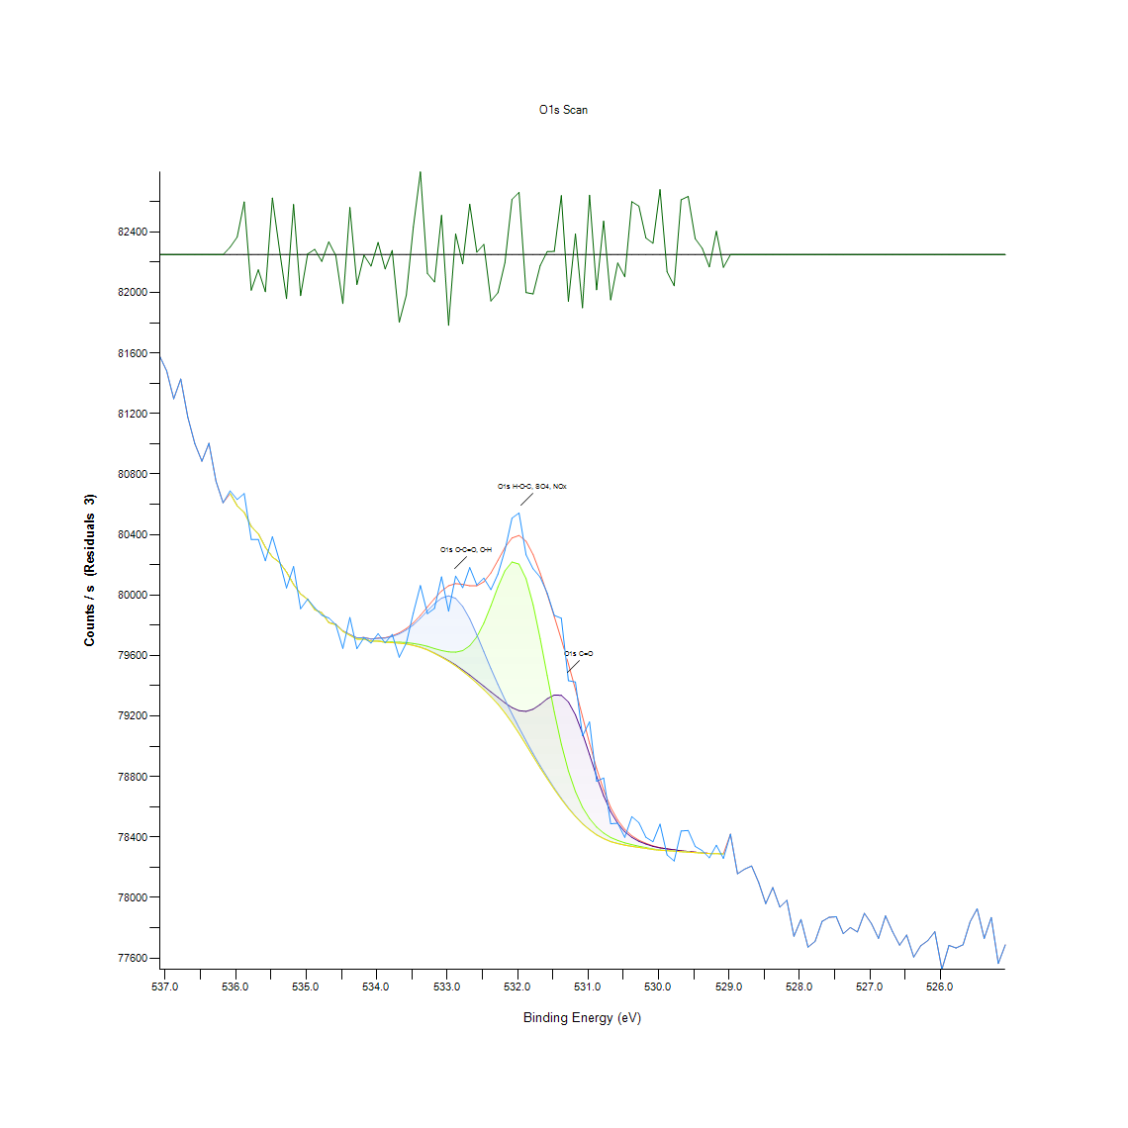
535.58 | 80226.7 | 80315 | 80315 | 80315 | 80315 | 80315 | -88.3235 | 535.49 | 0.66613245229 | 0.68790374279 | 0.68790374279 | 0.68790374279 | 0.68790374279 | 0.68790374279 | -19.136378396
535.48 | 80385.7 | 80250.7 | 80250.7 | 80250.8 | 80250.7 | 80250.8 | 134.985 | 535.39 | 0.70533556882 | 0.67204990384 | 0.67204990384 | 0.67207455989 | 0.67204990384 | 0.67207455989 | -19.081319345
535.38 | 80227 | 80214.9 | 80214.9 | 80215 | 80214.9 | 80215 | 12.0162 | 535.29 | 0.66620642043 | 0.66322303861 | 0.66322303861 | 0.66324769466 | 0.66322303861 | 0.66324769466 | -19.111638592
535.28 | 80046.7 | 80151.4 | 80151.4 | 80151.5 | 80151.4 | 80151.5 | -104.817 | 535.19 | 0.62175156566 | 0.64756644805 | 0.64756644805 | 0.6475911041 | 0.64756644805 | 0.6475911041 | -19.140445042
535.18 | 80188.6 | 80068.8 | 80068.8 | 80068.9 | 80068.8 | 80068.9 | 119.672 | 535.09 | 0.65673849795 | 0.6272005523 | 0.6272005523 | 0.62722520834 | 0.6272005523 | 0.62722520834 | -19.085094926
535.08 | 79909.3 | 80006.7 | 80006.7 | 80006.9 | 80006.7 | 80006.9 | -97.6003 | 534.99 | 0.58787415553 | 0.61188914641 | 0.61188914641 | 0.6119384585 | 0.61188914641 | 0.6119384585 | -19.138665689
534.98 | 79972.7 | 79970.7 | 79970.7 | 79971.1 | 79970.7 | 79971.1 | 1.60873 | 534.89 | 0.60350609004 | 0.60301296908 | 0.60301296908 | 0.60311159327 | 0.60301296908 | 0.60311159327 | -19.114204662
534.88 | 79916.1 | 79902.8 | 79902.8 | 79903.5 | 79902.8 | 79903.5 | 12.6702 | 534.79 | 0.5895507668 | 0.5862715124 | 0.5862715124 | 0.58644410474 | 0.5862715124 | 0.58644410474 | -19.111477341
534.78 | 79866.8 | 79881.8 | 79881.8 | 79883 | 79881.8 | 79883 | -16.1368 | 534.69 | 0.57739533508 | 0.58109374229 | 0.58109374229 | 0.58138961487 | 0.58109374229 | 0.58138961487 | -19.118580009
534.68 | 79848.9 | 79816.7 | 79816.7 | 79818.6 | 79816.7 | 79818.6 | 30.3302 | 534.59 | 0.57298190246 | 0.56504265496 | 0.56504265496 | 0.56551111988 | 0.56504265496 | 0.56551111988 | -19.107123083
534.58 | 79804.3 | 79803.8 | 79803.8 | 79806.7 | 79803.8 | 79806.7 | -2.39074 | 534.49 | 0.561985305 | 0.56186202475 | 0.56186202475 | 0.56257705015 | 0.56186202475 | 0.56257705015 | -19.115190774
534.48 | 79647.2 | 79759.5 | 79759.6 | 79763.7 | 79759.5 | 79763.7 | -116.534 | 534.39 | 0.52325065339 | 0.55093939543 | 0.55096405148 | 0.55197494946 | 0.55093939543 | 0.55197494946 | -19.143333991
534.38 | 79851.7 | 79733.3 | 79733.4 | 79739.1 | 79733.3 | 79739.2 | 112.487 | 534.29 | 0.57367227181 | 0.54447951082 | 0.54450416687 | 0.54590956162 | 0.54447951082 | 0.54593421766 | -19.086866463
534.28 | 79645.5 | 79708.9 | 79709.1 | 79716.7 | 79708.9 | 79716.9 | -71.3374 | 534.19 | 0.52283150057 | 0.53846343508 | 0.53851274718 | 0.54038660683 | 0.53846343508 | 0.54043591893 | -19.132190295
534.18 | 79717.8 | 79708.6 | 79709 | 79719 | 79708.6 | 79719.4 | -1.61012 | 534.09 | 0.54065782336 | 0.53838946694 | 0.53848809113 | 0.54095369594 | 0.53838946694 | 0.54105232013 | -19.114998304
534.08 | 79682.2 | 79694.7 | 79695.5 | 79708.7 | 79694.7 | 79709.5 | -27.3013 | 533.99 | 0.53188027023 | 0.53496227625 | 0.53515952463 | 0.53841412298 | 0.53496227625 | 0.53861137137 | -19.121332733
533.98 | 79744.3 | 79694.6 | 79696.1 | 79713.9 | 79694.6 | 79715.4 | 28.9116 | 533.89 | 0.54719167612 | 0.5349376202 | 0.53530746092 | 0.53969623749 | 0.5349376202 | 0.54006607821 | -19.107472854
533.88 | 79683.8 | 79687.8 | 79690.4 | 79715.4 | 79687.8 | 79718 | -34.1769 | 533.79 | 0.532274767 | 0.53326100893 | 0.53390206618 | 0.54006607821 | 0.53326100893 | 0.54070713546 | -19.123027985
533.78 | 79740.1 | 79685.2 | 79689.4 | 79725.8 | 79685.2 | 79730.1 | 10.0111 | 533.69 | 0.5461561221 | 0.53261995167 | 0.5336555057 | 0.54263030721 | 0.53261995167 | 0.54369051728 | -19.11213297
533.68 | 79588.8 | 79682 | 79688.5 | 79743.2 | 79682 | 79749.8 | -161.013 | 533.59 | 0.50885152128 | 0.53183095813 | 0.53343360126 | 0.54692045959 | 0.53183095813 | 0.54854775877 | -19.154300754
533.58 | 79681.9 | 79676.9 | 79686.2 | 79768.9 | 79676.7 | 79778.5 | -96.6778 | 533.49 | 0.53180630209 | 0.53057349968 | 0.53286651216 | 0.55325706396 | 0.53052418758 | 0.55562404458 | -19.138438237
533.48 | 79882.1 | 79666.9 | 79679.9 | 79802.4 | 79666.6 | 79816 | 66.0848 | 533.39 | 0.58116771044 | 0.52810789487 | 0.53131318112 | 0.56151684008 | 0.52803392672 | 0.56487006263 | -19.098307412
533.38 | 80062.5 | 79654.7 | 79672.1 | 79846.6 | 79654.1 | 79865.3 | 197.192 | 533.29 | 0.62564722126 | 0.52509985699 | 0.52939000937 | 0.57241481335 | 0.52495192071 | 0.57702549435 | -19.065981557
533.28 | 79876.8 | 79638.1 | 79661.1 | 79896.3 | 79637 | 79921.5 | -44.7167 | 533.19 | 0.57986093989 | 0.52100695301 | 0.52667784408 | 0.58466886927 | 0.52073573648 | 0.5908821934 | -19.125626683
533.18 | 79911.7 | 79615.8 | 79646.1 | 79942.6 | 79613.9 | 79976.8 | -65.1571 | 533.09 | 0.58846590069 | 0.51550865427 | 0.52297943686 | 0.59608461956 | 0.51504018936 | 0.60451698802 | -19.130666478
533.08 | 80120.4 | 79592.2 | 79633.1 | 79979.5 | 79589.1 | 80026.7 | 93.7353 | 532.99 | 0.63992307313 | 0.50968982691 | 0.5197741506 | 0.60518270132 | 0.50892548942 | 0.61682035603 | -19.091489891
532.98 | 79893.1 | 79566.8 | 79624.2 | 79994.6 | 79562 | 80061.5 | -168.421 | 532.89 | 0.58387987573 | 0.50342719069 | 0.51757976232 | 0.60890576458 | 0.50224370038 | 0.62540066078 | -19.156127275
532.88 | 80125.1 | 79538.2 | 79622.3 | 79977.9 | 79531.4 | 80075.6 | 49.4407 | 532.79 | 0.64108190739 | 0.49637556093 | 0.5171112974 | 0.60478820455 | 0.49469894965 | 0.62887716357 | -19.102411189
532.78 | 80048.8 | 79505.3 | 79632.4 | 79924.8 | 79495.9 | 80070.7 | -21.9434 | 532.69 | 0.62226934267 | 0.48826372109 | 0.51960155826 | 0.59169584299 | 0.48594605257 | 0.62766901721 | -19.120011687
532.68 | 80181.7 | 79471.6 | 79664.9 | 79842.8 | 79458.9 | 80061.4 | 120.249 | 532.59 | 0.65503723063 | 0.47995463287 | 0.5276147739 | 0.57147788352 | 0.47682331476 | 0.62537600473 | -19.08495266
532.58 | 80066.8 | 79434.3 | 79723.4 | 79738.1 | 79417.4 | 80060.9 | 5.8303 | 532.49 | 0.62670743133 | 0.47075792692 | 0.54203856206 | 0.54566300113 | 0.46659105479 | 0.62525272449 | -19.11316379
532.48 | 80111.9 | 79397.3 | 79813.9 | 79625.6 | 79374.6 | 80087.5 | 24.4147 | 532.39 | 0.63782730904 | 0.46163518911 | 0.56435228562 | 0.51792494699 | 0.45603826619 | 0.6318112333 | -19.108581612
532.38 | 80035.4 | 79359.7 | 79929.4 | 79513.5 | 79328.4 | 80145.9 | -110.451 | 532.29 | 0.61896543222 | 0.45236451502 | 0.5928300212 | 0.49028551704 | 0.44464717195 | 0.6462103654 | -19.141834163
532.28 | 80138.5 | 79323.3 | 80054.5 | 79408.3 | 79278.4 | 80229.3 | -90.78 | 532.19 | 0.64438581784 | 0.4433897135 | 0.62367473741 | 0.46434735441 | 0.43231914789 | 0.66677350954 | -19.136984072
532.18 | 80296 | 79287.3 | 80160.7 | 79308.7 | 79220.9 | 80315 | -19.0291 | 532.09 | 0.68321909364 | 0.43451353617 | 0.64985946053 | 0.43978993047 | 0.41814192021 | 0.68790374279 | -19.119293136
532.08 | 80508.4 | 79255.8 | 80218.4 | 79213.9 | 79155.6 | 80376.9 | 131.49 | 531.99 | 0.73558853987 | 0.42674688101 | 0.6640860003 | 0.41641599684 | 0.40204152079 | 0.70316583658 | -19.082181074
531.98 | 80542.4 | 79235.2 | 80204.4 | 79123.3 | 79084.5 | 80393.9 | 148.583 | 531.89 | 0.74397159623 | 0.4216677351 | 0.66063415356 | 0.39407761724 | 0.38451107057 | 0.70735736476 | -19.077966616
531.88 | 80265.3 | 79230.9 | 80108 | 79035.9 | 79009.5 | 80355.7 | -90.4216 | 531.79 | 0.67564968687 | 0.42060752503 | 0.63686572316 | 0.37252823118 | 0.36601903447 | 0.69793875438 | -19.136895705
531.78 | 80173.4 | 79245.3 | 79936.1 | 78951.3 | 78932.7 | 80267.2 | -93.7367 | 531.69 | 0.65299077864 | 0.42415799596 | 0.59448197643 | 0.35166921446 | 0.34708318951 | 0.67611815178 | -19.137713078
531.68 | 80118.2 | 79276.3 | 79712.4 | 78871.1 | 78857.6 | 80144.7 | -26.4816 | 531.59 | 0.63938064007 | 0.43180137088 | 0.53932639677 | 0.33189506386 | 0.32856649736 | 0.64591449283 | -19.121130628
531.58 | 80013 | 79314.3 | 79467.7 | 78796.3 | 78786.2 | 80005.8 | 7.12196 | 531.49 | 0.61344247744 | 0.44117066917 | 0.47899304699 | 0.31345233986 | 0.310962079 | 0.61166724197 | -19.112845318
531.48 | 79865.6 | 79339.3 | 79227 | 78723.5 | 78715.9 | 79857.9 | 7.70302 | 531.39 | 0.5770994625 | 0.4473346812 | 0.41964593915 | 0.29550273682 | 0.29362887716 | 0.57520094679 | -19.112702051
...

N1s Scan
...
Binding Energy | Raw Data | N1s NC-R2 | N1s NH-R2(+) | N1s N-Au | Backgnd. | Envelope | Residuals | Binding Energy (calibrated) | Raw Data (Normalised) | N1s NC-R2 (Normalised) | N1s NH-R2(+) (Normalised) | N1s N-Au (Normalised) | Backgnd. (Normalised)
405.68 | 97617.9 | 0 | 0 | 0 | 0 | 97618 | -0.0442027 | 405.59 | 0.017454310044
405.58 | 97681 | 0 | 0 | 0 | 0 | 97681.1 | -0.0704057 | 405.49 | 0.033165679
405.48 | 97776 | 0 | 0 | 0 | 0 | 97776.1 | -0.109115 | 405.39 | 0.056819879488
405.38 | 97812.7 | 0 | 0 | 0 | 0 | 97812.8 | -0.164632 | 405.29 | 0.065957870624
405.28 | 97834.8 | 0 | 0 | 0 | 0 | 97835 | -0.241971 | 405.19 | 0.071460584632
405.18 | 97795.8 | 97854.7 | 97855 | 97854.7 | 97854.7 | 97855 | -59.2878 | 405.09 | 0.061749912853 | 0.076415517156 | 0.076490214631 | 0.076415517156 | 0.076415517156
405.08 | 97881.5 | 97876.6 | 97877.1 | 97876.6 | 97876.6 | 97877.1 | 4.46787 | 404.99 | 0.083088491609 | 0.081868432847 | 0.081992928639 | 0.081868432847 | 0.081868432847
404.98 | 97948.8 | 97898.5 | 97899.1 | 97898.5 | 97898.5 | 97899.1 | 49.6041 | 404.89 | 0.099845625218 | 0.087321348538 | 0.087470743489 | 0.087321348538 | 0.087321348538
404.88 | 97956.1 | 97920.4 | 97921.3 | 97920.4 | 97920.4 | 97921.3 | 34.8468 | 404.79 | 0.10166326378 | 0.09277426423 | 0.092998356656 | 0.09277426423 | 0.09277426423
404.78 | 98005.3 | 97942.3 | 97943.4 | 97942.3 | 97942.3 | 97943.4 | 61.9126 | 404.69 | 0.11391364972 | 0.098227179921 | 0.098501070664 | 0.098227179921 | 0.098227179921
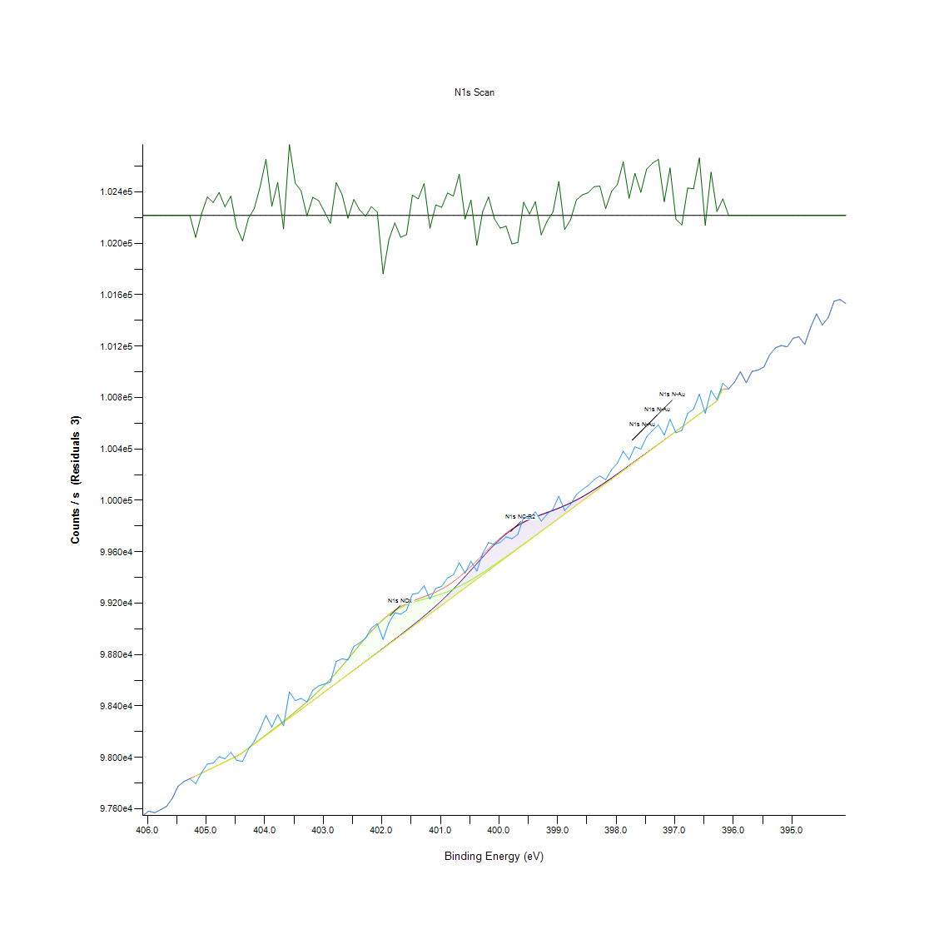
404.68 | 97989.1 | 97964.2 | 97965.6 | 97964.2 | 97964.2 | 97965.6 | 23.5002 | 404.59 | 0.10987998606 | 0.10368009561 | 0.10402868383 | 0.10368009561 | 0.10368009561
404.58 | 98039.8 | 97986.1 | 97987.9 | 97986.1 | 97986.1 | 97987.9 | 51.8938 | 404.49 | 0.12250385937 | 0.1091330113 | 0.10958119616 | 0.1091330113 | 0.1091330113
404.48 | 97977.8 | 98008 | 98010.3 | 98008 | 98008 | 98010.3 | -32.4805 | 404.39 | 0.10706638116 | 0.114585927 | 0.11515860764 | 0.114585927 | 0.114585927
404.38 | 97968.9 | 98035.3 | 98038.1 | 98035.3 | 98035.3 | 98038.1 | -69.132 | 404.29 | 0.10485035606 | 0.12138339724 | 0.12208057368 | 0.12138339724 | 0.12138339724
404.28 | 98064.1 | 98069.1 | 98072.5 | 98069.1 | 98069.1 | 98072.5 | -8.33759 | 404.19 | 0.12855435486 | 0.12979931278 | 0.13064588417 | 0.12979931278 | 0.12979931278
404.18 | 98125.7 | 98102.8 | 98106.9 | 98102.8 | 98102.8 | 98106.9 | 18.7599 | 404.09 | 0.14389223644 | 0.13819032917 | 0.13921119466 | 0.13819032917 | 0.13819032917
404.08 | 98218.6 | 98136.6 | 98141.5 | 98136.6 | 98136.6 | 98141.5 | 77.0934 | 403.99 | 0.1670235546 | 0.14660624471 | 0.14782630347 | 0.14660624471 | 0.14660624471
403.98 | 98327.5 | 98170.4 | 98176.2 | 98170.4 | 98170.4 | 98176.2 | 151.303 | 403.89 | 0.19413873811 | 0.15502216025 | 0.15646631144 | 0.15502216025 | 0.15502216025
403.88 | 98235.7 | 98204.2 | 98211.2 | 98204.2 | 98204.2 | 98211.2 | 24.5547 | 403.79 | 0.17128131069 | 0.16343807579 | 0.16518101688 | 0.16343807579 | 0.16343807579
403.78 | 98335.5 | 98238 | 98246.4 | 98238 | 98238 | 98246.4 | 89.0674 | 403.69 | 0.19613067078 | 0.17185399134 | 0.17394552064 | 0.17185399134 | 0.17185399134
403.68 | 98245.9 | 98271.8 | 98282 | 98271.8 | 98271.8 | 98282.1 | -36.1789 | 403.59 | 0.17382102485 | 0.18026990688 | 0.18280962103 | 0.18026990688 | 0.18026990688
403.58 | 98509.4 | 98305.6 | 98318.2 | 98305.6 | 98305.6 | 98318.3 | 191.12 | 403.49 | 0.23943030726 | 0.18868582242 | 0.19182311638 | 0.18868582242 | 0.18868582242
403.48 | 98442.4 | 98339.4 | 98355.2 | 98339.4 | 98339.4 | 98355.3 | 87.1316 | 403.39 | 0.22274787112 | 0.19710173796 | 0.20103580499 | 0.19710173796 | 0.19710173796
403.38 | 98459.7 | 98373.3 | 98393.2 | 98373.2 | 98373.2 | 98393.3 | 66.3801 | 403.29 | 0.22705542553 | 0.20554255266 | 0.21049748518 | 0.2055176535 | 0.2055176535
403.28 | 98431.3 | 98407.1 | 98432.5 | 98407 | 98407 | 98432.6 | -1.32166 | 403.19 | 0.21998406454 | 0.2139584682 | 0.22028285444 | 0.21393356905 | 0.21393356905
403.18 | 98522.4 | 98441 | 98473.4 | 98440.7 | 98440.7 | 98473.6 | 48.797 | 403.09 | 0.24266719785 | 0.2223992829 | 0.23046661023 | 0.22232458543 | 0.22232458543
403.08 | 98556.3 | 98474.9 | 98516.2 | 98474.5 | 98474.5 | 98516.5 | 39.7777 | 402.99 | 0.25110801255 | 0.2308400976 | 0.24112345003 | 0.23074050097 | 0.23074050097
402.98 | 98570.9 | 98508.8 | 98561.2 | 98508.3 | 98508.3 | 98561.7 | 9.23272 | 402.89 | 0.25474328968 | 0.23928091231 | 0.25232807131 | 0.23915641651 | 0.23915641651
402.88 | 98588 | 98542.7 | 98608.7 | 98542.1 | 98542.1 | 98609.3 | -21.2579 | 402.79 | 0.25900104576 | 0.24772172701 | 0.26415517156 | 0.24757233206 | 0.24757233206
402.78 | 98747.5 | 98576.7 | 98658.5 | 98575.9 | 98575.9 | 98659.3 | 88.205 | 402.69 | 0.29871520343 | 0.25618744086 | 0.27655495244 | 0.2559882476 | 0.2559882476
402.68 | 98767.5 | 98610.7 | 98710.6 | 98609.7 | 98609.7 | 98711.7 | 55.8799 | 402.59 | 0.30369503511 | 0.26465315472 | 0.28952741397 | 0.26440416314 | 0.26440416314
402.58 | 98758.4 | 98644.8 | 98764.5 | 98643.5 | 98643.5 | 98765.8 | -7.45765 | 402.49 | 0.30142921169 | 0.27314376774 | 0.30294806036 | 0.27282007868 | 0.27282007868
402.48 | 98864 | 98678.9 | 98819.5 | 98677.3 | 98677.3 | 98821.1 | 42.8706 | 402.39 | 0.32772272297 | 0.28163438076 | 0.31664259748 | 0.28123599422 | 0.28123599422
402.38 | 98891.2 | 98713.1 | 98874.5 | 98711.1 | 98711.1 | 98876.5 | 14.6357 | 402.29 | 0.33449529406 | 0.29014989293 | 0.3303371346 | 0.28965190977 | 0.28965190977
402.28 | 98928.6 | 98747.3 | 98928.4 | 98744.8 | 98744.8 | 98930.9 | -2.27766 | 402.19 | 0.3438075793 | 0.29866540511 | 0.34375778099 | 0.29804292615 | 0.29804292615
402.18 | 99006.6 | 98781.6 | 98979.9 | 98778.6 | 98778.6 | 98982.9 | 23.7264 | 402.09 | 0.36322892286 | 0.30720581644 | 0.35658084757 | 0.30645884169 | 0.30645884169
...

C1s Scan
...
Binding Energy | Raw Data | C1s C-C | C1s C-O-C | C1s C=O | C1s O=C-O | Backgnd. | Envelope | Residuals | Binding Energy (calibrated) | Raw Data (Normalised) | C1s C-C (Normalised) | C1s C-O-C (Normalised) | C1s C=O (Normalised) | C1s O=C-O (Normalised) | Backgnd. (Normalised)
293.08 | 46627.8 | 0 | 0 | 0 | 0 | 0 | 46627.8 | -5.74E-09 | 292.99 | 0.0058223941746
292.98 | 46613.4 | 0 | 0 | 0 | 0 | 0 | 46613.4 | -1.76E-08 | 292.89 | 0.004727844878
292.88 | 46627.9 | 0 | 0 | 0 | 0 | 0 | 46627.9 | -5.22E-08 | 292.79 | 0.0058299952113
292.78 | 46650.4 | 0 | 0 | 0 | 0 | 0 | 46650.4 | -1.50E-07 | 292.69 | 0.0075402284872
292.68 | 46641 | 0 | 0 | 0 | 0 | 0 | 46641 | -4.18E-07 | 292.59 | 0.0068257310297
292.58 | 46653.8 | 0 | 0 | 0 | 0 | 0 | 46653.8 | -1.13E-06 | 292.49 | 0.0077986637377
292.48 | 46724.9 | 0 | 0 | 0 | 0 | 0 | 46724.9 | -2.95E-06 | 292.39 | 0.013203000889
292.38 | 46619.5 | 0 | 0 | 0 | 0 | 0 | 46619.5 | -7.47E-06 | 292.29 | 0.0051915081217
292.28 | 46686.9 | 0 | 0 | 0 | 0 | 0 | 46686.9 | -1.83E-05 | 292.19 | 0.010314606912
292.18 | 46584.1 | 0 | 0 | 0 | 0 | 0 | 46584.1 | -4.36E-05 | 292.09 | 0.0025007411011
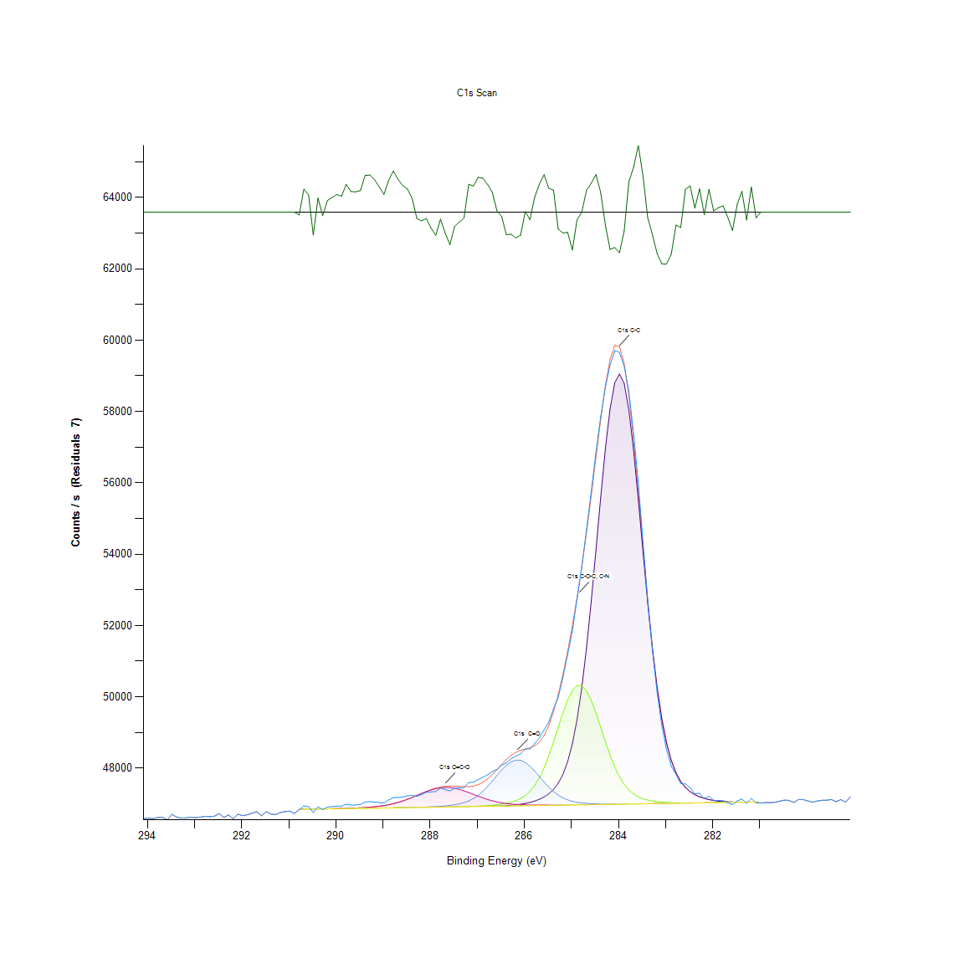
292.08 | 46708.5 | 0 | 0 | 0 | 0 | 0 | 46708.5 | -0.000100495 | 291.99 | 0.011956430857
291.98 | 46668.8 | 0 | 0 | 0 | 0 | 0 | 46668.8 | -0.000224569 | 291.89 | 0.0089388192549
291.88 | 46695.9 | 0 | 0 | 0 | 0 | 0 | 46695.9 | -0.000486507 | 291.79 | 0.010998700223
291.78 | 46736.2 | 0 | 0 | 0 | 0 | 0 | 46736.2 | -0.00102195 | 291.69 | 0.014061918046
291.68 | 46778.7 | 0 | 0 | 0 | 0 | 0 | 46778.7 | -0.00208185 | 291.59 | 0.017292358678
291.58 | 46662.3 | 0 | 0 | 0 | 0 | 0 | 46662.3 | -0.00411374 | 291.49 | 0.0084447518642
291.48 | 46778.1 | 0 | 0 | 0 | 0 | 0 | 46778.1 | -0.00788665 | 291.39 | 0.017246752457
291.38 | 46713.5 | 0 | 0 | 0 | 0 | 0 | 46713.5 | -0.0146733 | 291.29 | 0.012336482696
291.28 | 46698.3 | 0 | 0 | 0 | 0 | 0 | 46698.3 | -0.0265017 | 291.19 | 0.011181125105
291.18 | 46756.9 | 0 | 0 | 0 | 0 | 0 | 46757 | -0.0464808 | 291.09 | 0.015635332659
291.08 | 46783 | 0 | 0 | 0 | 0 | 0 | 46783.1 | -0.0791954 | 290.99 | 0.017619203259
290.98 | 46796.8 | 0 | 0 | 0 | 0 | 0 | 46796.9 | -0.131144 | 290.89 | 0.018668146335
290.88 | 46730.2 | 0 | 0 | 0 | 0 | 0 | 46730.4 | -0.211177 | 290.79 | 0.013605855839
290.78 | 46833.2 | 46844.7 | 46844.7 | 46844.7 | 46845.1 | 46844.7 | 46845.1 | -11.8938 | 290.69 | 0.021434923724 | 0.022309042953 | 0.022309042953 | 0.022309042953 | 0.022339447101 | 0.022309042953
290.68 | 46942.7 | 46846.9 | 46846.9 | 46846.9 | 46847.4 | 46846.9 | 46847.4 | 95.3665 | 290.59 | 0.029758058999 | 0.022476265763 | 0.022476265763 | 0.022476265763 | 0.022514270947 | 0.022476265763
290.58 | 46920.8 | 46849 | 46849 | 46849 | 46849.7 | 46849 | 46849.7 | 71.0658 | 290.49 | 0.028093431944 | 0.022635887535 | 0.022635887535 | 0.022635887535 | 0.022689094793 | 0.022635887535
290.48 | 46756.7 | 46851.1 | 46851.1 | 46851.1 | 46852.2 | 46851.1 | 46852.2 | -95.5229 | 290.39 | 0.015620130586 | 0.022795509307 | 0.022795509307 | 0.022795509307 | 0.022879120712 | 0.022795509307
290.38 | 46913.3 | 46853.2 | 46853.2 | 46853.2 | 46854.8 | 46853.2 | 46854.8 | 58.4935 | 290.29 | 0.027523354186 | 0.02295513108 | 0.02295513108 | 0.02295513108 | 0.023076747668 | 0.02295513108
290.28 | 46842.2 | 46855.4 | 46855.4 | 46855.4 | 46857.5 | 46855.4 | 46857.5 | -15.2863 | 290.19 | 0.022119017034 | 0.023122353889 | 0.023122353889 | 0.023122353889 | 0.023281975661 | 0.023122353889
290.18 | 46907.9 | 46857.5 | 46857.5 | 46857.5 | 46860.4 | 46857.5 | 46860.4 | 47.5067 | 290.09 | 0.027112898199 | 0.023281975661 | 0.023281975661 | 0.023281975661 | 0.023502405728 | 0.023281975661
290.08 | 46924.1 | 46859.6 | 46859.6 | 46859.6 | 46863.5 | 46859.6 | 46863.5 | 60.6183 | 289.99 | 0.028344266158 | 0.023441597434 | 0.023441597434 | 0.023441597434 | 0.023738037868 | 0.023441597434
289.98 | 46940.2 | 46861.8 | 46861.8 | 46861.8 | 46866.9 | 46861.8 | 46866.9 | 73.3076 | 289.89 | 0.02956803308 | 0.023608820243 | 0.023608820243 | 0.023608820243 | 0.023996473119 | 0.023608820243
289.88 | 46936.3 | 46863.9 | 46863.9 | 46863.9 | 46870.5 | 46863.9 | 46870.5 | 65.7719 | 289.79 | 0.029271592645 | 0.023768442015 | 0.023768442015 | 0.023768442015 | 0.024270110443 | 0.023768442015
289.78 | 46989.7 | 46866 | 46866 | 46866 | 46874.5 | 46866 | 46874.5 | 115.193 | 289.69 | 0.033330546287 | 0.023928063788 | 0.023928063788 | 0.023928063788 | 0.024574151914 | 0.023928063788
289.68 | 46964.7 | 46868.1 | 46868.1 | 46868.1 | 46879.1 | 46868.1 | 46879.1 | 85.6644 | 289.59 | 0.031430287091 | 0.02408768556 | 0.02408768556 | 0.02408768556 | 0.024923799606 | 0.02408768556
289.58 | 46968.3 | 46870.3 | 46870.3 | 46870.3 | 46884.3 | 46870.3 | 46884.3 | 84.0383 | 289.49 | 0.031703924415 | 0.02425490837 | 0.02425490837 | 0.02425490837 | 0.025319053519 | 0.02425490837
289.48 | 46979.7 | 46872.4 | 46872.4 | 46872.4 | 46890.5 | 46872.4 | 46890.5 | 89.2561 | 289.39 | 0.032570442608 | 0.024414530142 | 0.024414530142 | 0.024414530142 | 0.025790317799 | 0.024414530142
289.38 | 47050.1 | 46874.5 | 46874.5 | 46874.5 | 46897.9 | 46874.5 | 46897.9 | 152.235 | 289.29 | 0.037921572502 | 0.024574151914 | 0.024574151914 | 0.024574151914 | 0.026352794521 | 0.024574151914
289.28 | 47061.2 | 46876.6 | 46876.6 | 46876.6 | 46907.1 | 46876.6 | 46907.1 | 154.103 | 289.19 | 0.038765287585 | 0.024733773687 | 0.024733773687 | 0.024733773687 | 0.027052089905 | 0.024733773687
289.18 | 47053.7 | 46878.8 | 46878.8 | 46878.8 | 46918.7 | 46878.8 | 46918.7 | 134.968 | 289.09 | 0.038195209827 | 0.024900996496 | 0.024900996496 | 0.024900996496 | 0.027933810172 | 0.024900996496
...

