Sheet1
 |  |  |  |  |  |  | Annual CO2 Emission per continent
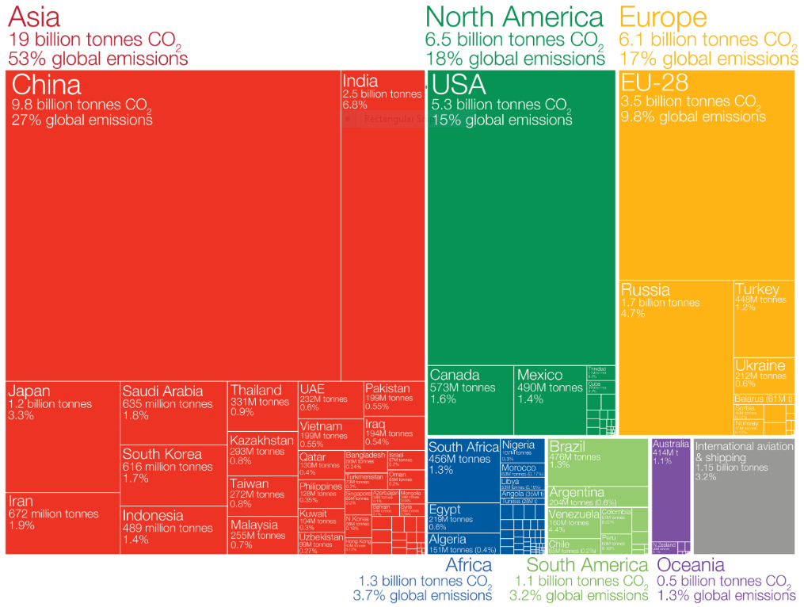

 |  | Asia | North America | Europe | Africa | South America
CO2 Emission per continent |  | 19 billion tonnes | 6.5 billion tonnes | 6.1 billion tonnes | 1.3 billion tonnes | 1.1 billion tonnes
 |  | 53% global emission | 18% global emission | 17% global emission | 3.7% global emission | 3.2% global emission

 |  | China | USA | EU-28 | South Africa | Brazil
Largest emitters per continent |  | 9.8 billion tonnes | 5.3 billion tonnes | 3.5 billion tonnes | 456 million tonnes | 476 million tonnes
 |  | 27% global emission | 15% global emission | 9.8% global emission | 1.3% global emission | 1.3% global emission

 |  | Europe | North America | Asia | Africa | South America
Largest contributors since 1751 |  | 514 billion tonnes | 457 billion tonnes | 457 billion tonnes | 43 billion tonnes | 40 billion tonnes
 |  | 33% contributed | 29% contributed | 29% contributed | 3% contributed | 3% contributed

 |  | EU-28 | USA | China | South Africa | Brazil
Largest contributors per continent |  | 353 billion tonnes | 399 billion tonnes | 200 billion tonnes | 19.8 billion tonnes | 14.2 billion tonnes
 |  | 22% contributed | 25% contributed | 12.7% contributed | 1.3% contributed | 0.9% contributed

 | : Asia
 |  |  | This statistics shows the largest annual CO2 emission of each continent and its country
 | : North America |  | as well as the the largest contributors since 1751 to present. Asia is largest continent |  |  |  | Largest contributors of CO2 since 1751
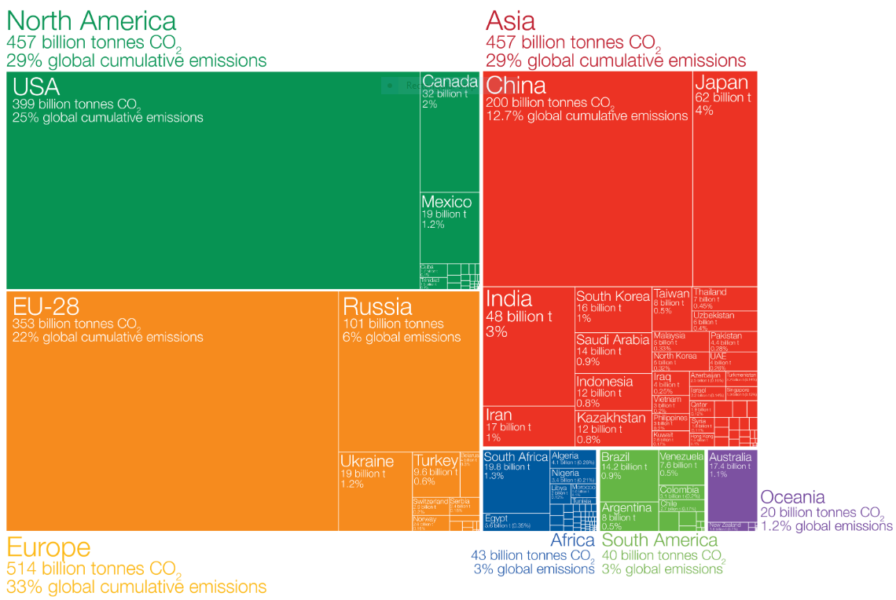
 |  |  | of annual emission by 19 billion tonnes which is more than half of the global
 | : Europe |  | emission, followed by North America, Europe, Africa and South America, four of thes |  |  | America, four of them
 |  |  | having a total of 47% of CO2 emission. China is an Asian country who has the largest
 | : South Africa |  | annual emission, USA in North America, EU-28 in Europe, South Africa in Africa |  |  | Africa in Africa and
 |  |  | Brazil in South America. However, if we look into the total CO2 emitted since 1751
 | : South America |  | until the present, Asia isn't the largest contributor but it's Europe. Europe was the
 |  |  | largest contributors since 1751 with 33% of global emission contributed, followed by
 |  |  | North America, Asia, Africa, South America, four of them having a total of 67% of
 |  |  | total emission contributed. Among the all the countries of each continent, EU-28 was
 |  |  | the country who have contributed the most, USA in North America, China in Asia
 |  |  | South Africa in Africa and as well as Brazil in South America. This data shows that
 |  |  | later in the future, Asia will eventually pass Europe who have contributed the most
 |  |  | now that Asia is having more than half of the annual emission in the world.

