Sheet2
Text data

 |  | Feature Engineerring Approach
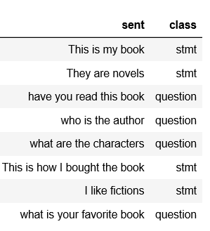
 | 1 | One hot encoding for this data
 | 2 | Word to Vector
 | 3 | Bag of Words to solve this problems
 | 4 | Stop Words ( words, the, a, fillers words)

