Sat-29MayJoins
SQL | Structured Query Langauge
 |  |  |  |  |  |  |  | Company and Candidate Join on Company Id
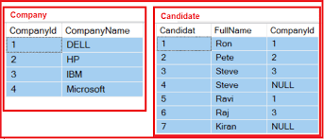
 |  |  |  |  |  |  | 1 | We can information about all the candidates who have applied to a Company

 |  | Primary Key |  | Primary Key |  | Secondary Key

 | Select Candidate.Candidat, Candidate.Fullname, Company.CompanyId, Company.CompanyName From Company Inner Join Candidate On Company.CompanyId = Candidate.CompanyId

 | Candidate Lists |  | Candidat | Fullname | CompanyId | CompanyName
 |  |  | 1 | Ron | 1 | Dell
 | 1 | Ron | 2 | Pete
 | 2 | Pete | 3 | Steve
 | 3 | Steve | 5 | Ravi
 | 5 | Ravi | 6 | Raj
 | 6 | Raj

Sat05JUne
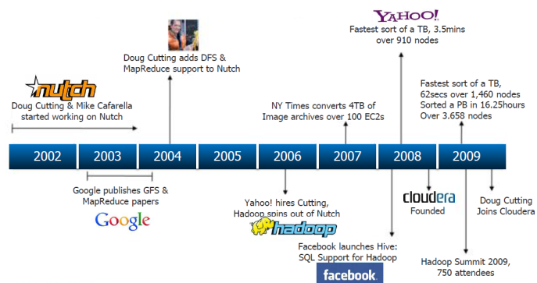
 |  |  |  |  | Introduction to Machine Learning

 |  |  |  |  | Linear Regression

 | What is Machine Learning

 | Robots?
 | Pattern of something
 | Learning from Data
 | Take the Past and Relate to Future
 | Recommendation of products

1 | What is key difference Machine Learning ML and Artificial Intelligence AI ? |  |  |  |  |  |  | Francis
2 | What is role of Mahcine Learning in Data Science |  |  |  |  |  |  | Akansha
 | Difference between Data Science and Machine Learning |  |  |  |  |  |  | Ankt
3 | Difference between Data sciecne and Data Analytics |  |  |  |  |  |  | Gaurav
4 | When did machine learning start ? |  |  |  |  | 1950 |  | Ankit
5 | What is deep learning and how is it different from Machine Learning |  |  |  |  |  |  | Utkarsha
6 | What is statistics and how is statistics different from Machine Learning |  |  |  |  |  |  | Arun

 | History of Statistics
 |  |  | Price
1 | Bull |  | X? | Rs 50

 |  | 1 | 10
 |  | 2 | 20
 |  | 3 | 30
 |  | 4 | 80
 |  | 5 | 90
 |  | 6 | 100

 |  | Collective Minds
 |  | Law of Large of Numbers
 |  | Average 100 |  | 56

2 | Casinos ?

 |  |  |  |  |  | Statistics | Golden Boy
3 | 2019 | 1950 | Artificial Intelligence
 |  | 1952 | Machine Learning |  |  | 2016
 |  |  |  |  |  | 2017

 |  | Velocity

 | Amount of Data
 | Statistics if used for data
 | Facebook Cambridge Analytica scam

 | 2010 data ?

 | 2005

 |  |  |  | Data
 | 2001 |  | Banks | ? | Oracle Database
 |  |  | Airlines | ? | RDBMS
 |  |  | Pharma | ? | DBMS
 | 2005 |  | Microsoft

ETLvsELT
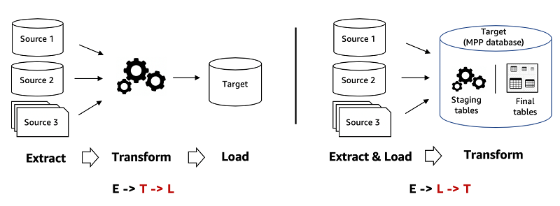
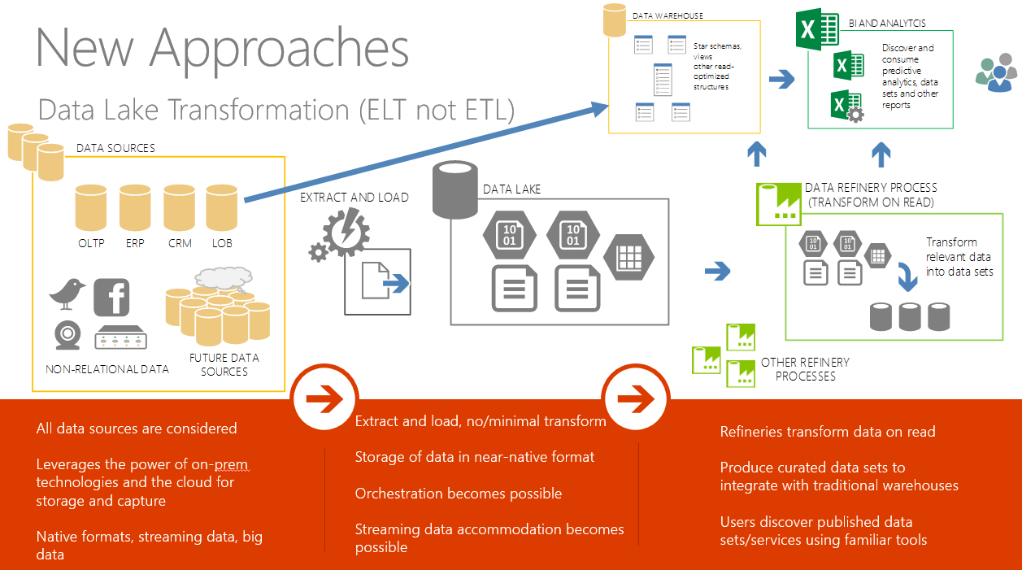
Data Science Keywords

LR04July
 |  | Data
Fence | Fence quality | GdPrv | GdPrv
MiscFeature: | Miscellaneous feature not covered in other categories

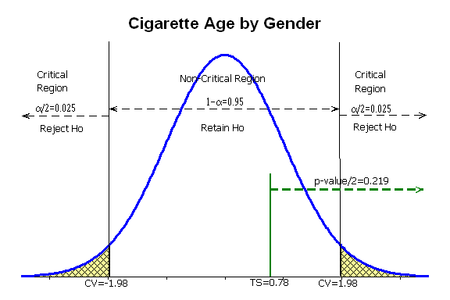

 |  |  |  |  | Orginal Data
 |  |  |  |  | Gender | Age
 |  |  |  | 1 | M | 10
 |  |  |  | 2 | M | 10
 |  |  |  | 3 | F | 10
 |  |  |  | 4 | F | 10
 |  |  |  | 5 | M | 10
 |  |  |  |  | Encoding
 |  |  |  |  | GenderM | GenderF | Age
 |  |  |  | 1 | 1 | 0 | 10
 |  |  |  | 2 | 1 | 0 | 10
 |  |  |  | 3 | 0 | 1 | 10
 |  |  |  | 4 | 0 | 0 | 10
 |  |  |  | 5 | 1 | 0 | 10

 |  |  |  |  | GenderM | GenderF | Age
 |  | 1 |  | 1 | 1 | 0 | 10
 |  | 2 |  | 2 | 1 | 0 | 10
 |  | 3 |  | 3 | 0 | 1 | 10
 |  | 4 |  | 4 | 1 | 0 | 10
 |  |  |  | 5 | 1 | 0 | 10

 |  |  |  |  |  |  |  |  |  |  | Orginal Data
 |  |  |  |  | GenderM | GenderF | GenderO | Age |  |  | Gender | Age
 |  |  |  | 1 | 1 | 0 | 0 | 10 |  | 1 | M | 10
 |  |  |  | 2 | 1 | 0 | 0 | 10 |  | 2 | M | 10
 |  |  |  | 3 | 0 | 1 | 0 | 10 |  | 3 | F | 10
 |  |  |  | 4 | 0 | 0 | 1 | 10 |  | 4 | O | 10
 |  |  |  | 5 | 1 | 0 | 0 | 10 |  | 5 | M | 10

 |  |  |  |  |  |  |  |  |  | Label Encoding
 |  |  |  |  |  |  |  |  | Nominal
 |  |  |  |  |  |  |  |  | Colours |  | One Hot Encoding
 |  |  |  |  |  |  |  |  | Red | 1 | 1 | 0 | 0 | 0
 |  |  |  |  |  |  |  |  | Blue | 2 | 0 | 1 | 0 | 0
 |  |  |  |  |  |  |  |  | Green | 3 | 0 | 0 | 1 | 0
 |  |  |  |  |  |  |  |  | Yellow | 4 | 0 | 0 | 0 | 1

07AugSummary
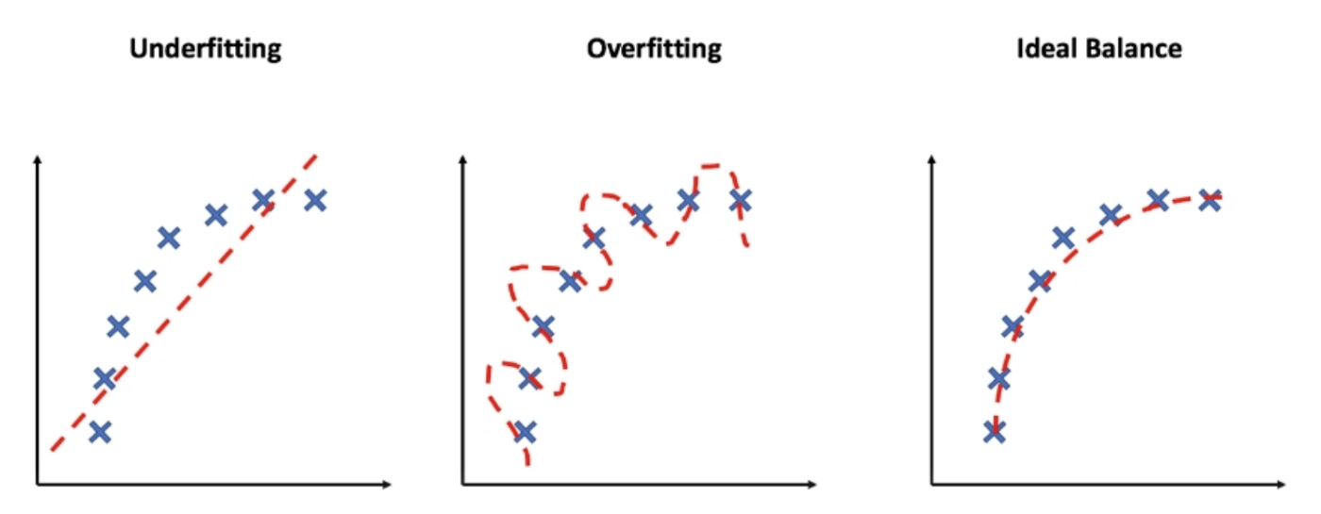
 |  | Saturday 7 August 2021

Decision Tree |  | Entropy | Gini

 |  | 0

Random Forest
 |  | Classification | Categorical
 |  | Regressor | Continous
 | Grid Search |  | Implementing the Range

 | Test and Train |  | We create a RANDOM Data but we keep it as constant
 |  |  | We want to measure how we transformation, how each model is working on the CONSTANT Data test

 | K-fold |  | We taking ONE MODEL and we are trying to FIND ?
 |  |  | HYPER PARAMETERS
 |  |  | What is the good HYPER PARAMETERS
 |  |  | GRIDSEARCH |  | CV=Kfold

 |  |  | OVERFITTING and UNDERFITTING of the data
 |  |  | Good Fit data

 | RANDOM FOREST |  |  |  |  | CV or we are uing the Train Test split method?
 |  |  | Train and Test |  | 100 |  | Train 80 | Test 20
 |  |  | Split into Random Subset which can OVERLAP
 |  |  | On this Random Subets , our TREE is built
 |  |  | On each Random Subets of the data, different DT Alogos are applied and it gets and output
 |  |  | The One that gets the correct answer will be voted and be selected

 | Decision Tree |  | Overfitting is very High
 |  |  |  | 87% |  | Real Life Data
 |  |  | Model | 90% |  | 70% | 7%
 |  |  | Training Data |  |  | Test Data
 |  |  | 20 |  |  | 19
 |  |  | 30 |  |  | 25
 |  |  | 30 |  |  | 23
 |  |  | 40 |  |  | 73
 |  |  | 50 |  |  | 43

 |  |  | 10 columns
 |  |  | Random use only 5 coloumns

 |  |  | BLACK BOX

 | Linear Regression
 | Decision Tree
 |  |  | Training Data |  |  | Test Data
 |  | 20 | 20 | 20 |  | 19
 |  | 30 | 30 | 30 |  | 25
 |  | 20 | 20 | 20 |  | 23
 |  | 30 | 30 | 30 |  | 73
 |  | 30 | 30 | 30 |  | 43
 |  | 40 | 40 | 40
 |  | 50 | 50 | 50
 |  | 55 | 55 | 55
 |  | 62 | 62 | 62
 |  | 19 | 19 | 19
 |  | 25 | 25 | 25
 |  | 23 | 23 | 23

04Sep2021
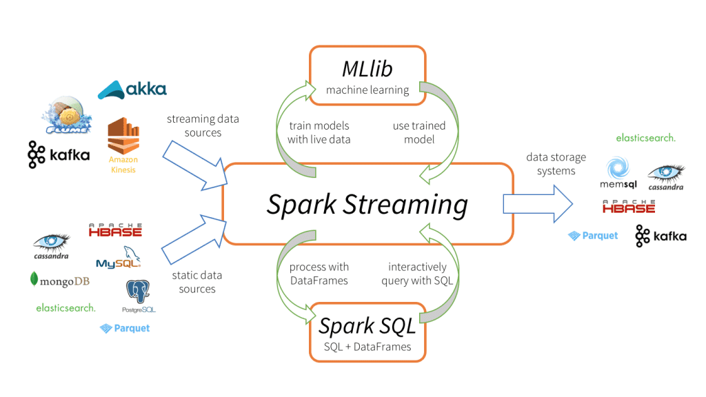
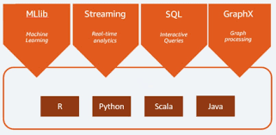
 |  |  | What ML Certification on the Cloud Should I do?

 | 2005 | Data Warehousing and BI
 | 2008 | Navteq | Nokia | Here Solutions

 |  | Apache Hadoop |  |  | Google way in 2005

 |  | Amazon Web Services |  |  |  |  | Microsoft Azure
 |  | AWS
 |  | QuickInsight |  |  |  |  |  | PowerBI
 |  | Open Source Products
 |  |  |  | Open Source
 |  | DynamoDB |  | MongoDB
 |  | ElasticSearch |  | Elastic
 |  | MXNet
 |  | SageMaker

 |  | EMR |  | Apache Hadoop
 |  | Elastic Map Reduce

 |  |  |  | Deeplearning
 |  |  |  | Tensor Flow

 |  |  |  | Kubernettes |  | KubeFlow

 |  |  |  | BERT

 |  |  |  | Android

 |  | Amazon Web Services |  |  |  |  | Microsoft Azure |  | Google Cloud

Market Share |  | 35% |  |  |  |  | 17% |  | 13%

Growth |  | 10% |  |  |  |  | 12% |  | 40%

 |  |  |  |  |  |  |  |  | GoogleCollab

 |  |  |  | Apache Spark |  |  |  |  | TensorFlow

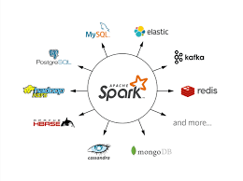
 |  | PySpark |  |  |  | Scala

