Sheet1
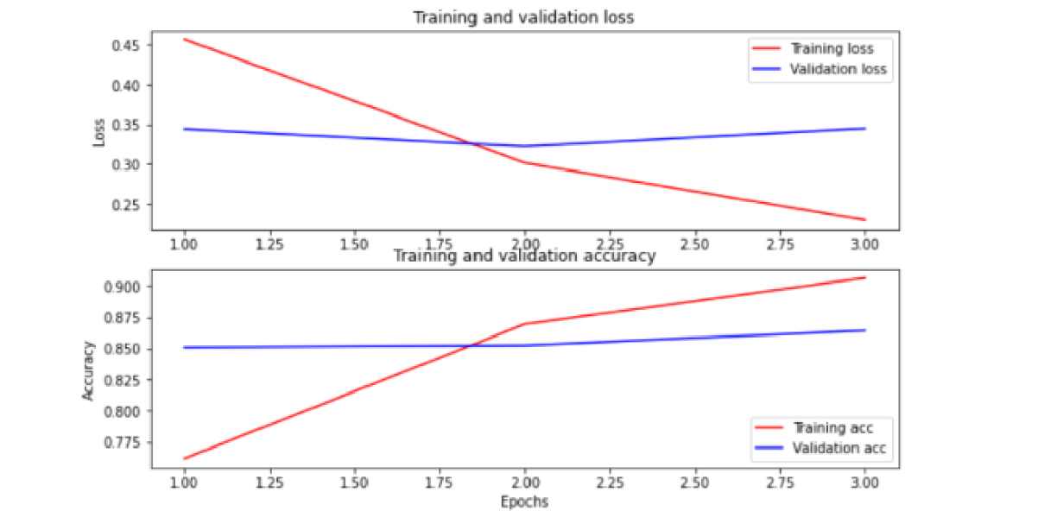
Decision Tree Classifer | Accuracy
 | 0.6425

BERT
Training | loss | binary_accuracy | val_loss | val_binary_accuracy
 | 0.2299 | 0.9064 | 0.345 | 0.8642
Test | 0.3404 | 0.8662

