Sheet1
teeth | measured gear-2-gear radius | measured axel-2-outer r | axel r | total height | thickness | bottom spacer |  | pairings:
42 | 9.535 | 10.14 | 1.80-1.90 | 4.05 | 1.25-1.50 | 0.40-0.55 |  | 24:43
30 | 6.575 | 7.07 | 1.80-1.90 | 3.89 | 1.25-1.50 | 0.40-0.55 |  | 20:36 | 20:42
28 | 6 | 6.61 | 1.80-1.90 | 4.01 | 1.25-1.50 | 0.40-0.55 |  | 12:21 | 12:30
24 | 4.82 | 5.46 | 1.80-1.90 | 4.48 | 1.25-1.50 | 0.40-0.55 |  | 10:18 | 10:28
20 | 3.97 | 4.64 | 1.80-1.90 | 4.5 | 1.25-1.50 | 0.40-0.55 |  | 9:16 | 10:20
12 | 2.01 | 2.49 | 1.80-1.90 | 4.82 | 4.82 | 0 |  | 8:14
10 | 1.61 | 2.05 | 1.80-1.90 | 4.73, 9.97 | 4.73, 9.97 | 0
9 | 1.285 | 1.82 | 1.80-1.90 | 4.41 | 4.41 | 0
8 | 1.115 | 1.55 | 1.80-1.90 | 4.77 | 4.77 | 0

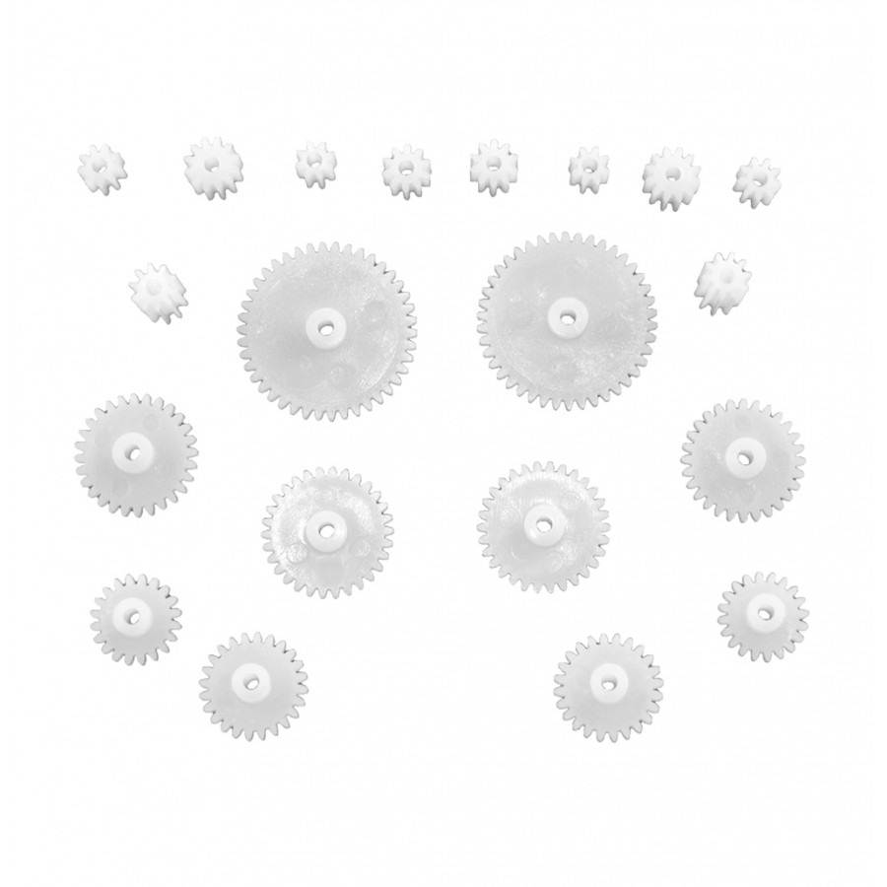
 |  |  |  |  |  |  | Product code: RB-Oel-131

