Cover

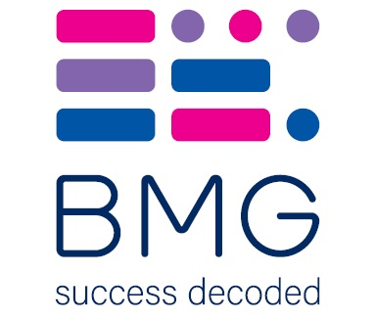

BMG Polling Results - On behalf of The i

30/08/2024

