Cover

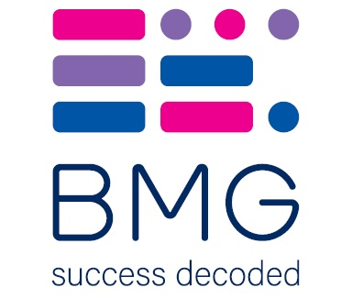

BMG Polling Results - On behalf of The i

2024-02-03

