Access - General
 | Nokia / O2 Beacon Checklist Survey

CSR: | 74293 |  |  | Full Site Address: | Banbury Business Park
 |  |  |  |  | Adderbury
CSR Name: | BANBURY BUSINESS PARK - AYNHO ROAD - VF 3853 |  |  |  | Oxfordshire
 |  |  |  |  | OX17 3WS
Surveyors Name: | D Farmer

Survey Date: | 2015-04-30

Planned Beacon Deployment |  |  |  | OS Grid Ref: | SP4866335279

Existing 15m Monopole.
Small VF compound.
Access blocked for vehicles by concrete barriers.
MEWP Access to pole difficult- trees.
Proposed config: Beacon Small Config
Proposed Tech: G9 U9 U21 L08
Bearings: 0 / 120/ 240
Existing Comms: 1 dish.
Proposed TEF Cabs: 2No Flexi flatpacks + Eltek.

Access / Egress and General Site Information

Complete all sections below and add additional comments in ALL boxes.

General Information |  | Comments
Type of Cell Site. Cabin, equipment room, purpose built room etc | Cabin
Location of Cell Site in building |  | Compound located in rear bus park
Cell site security - Is there 3rd party equipment on site? If yes state who | No
Cell site security - Is it possible for the SP to gain access to the BTS? If yes state why. | See Comments | VF Compound/ Timber fence /locked
Parking Available | Yes
Protocol Business Contact Details |  | Comments
Contact Person Name and Number
Organization
Asbestos Management Plan / Register Details |  | Comments
NOTE: It is crucial that a copy of the asbestos management plan / register is requested from the site provider at the time of the survey and inserted to this document. The resister must be fully read and any hazards noted in relation to the survey and BTS installation. Complete the following section in full and add any additional comments where requested or add more detail in the comments field to support the findings on site
Has a copy of the asbestos register been requested from the site provider at the time of the survey? | No - State reason why in the comments field
Is a copy of the register available to be viewed? | No - State reason why in the comments field
Enter the date of the last asbestos inspection carried out
Are there any recorded asbestos related issues within the area of the BTS location? | No
A copy of the register MUST be inserted to this survey document
Has a photograph copy of all the pages of the asbestos register been taken? | No - State reason why in the comments field
Before inserting the photographs, has the image been opened up and checked that ALL wording is clear and eligible? DO NOT Compress or shrink the image, leave as original file size | No - State reason why in the comments field
Insert copy of the asbestos register to the red box. See Comment for process for inserting files in Excel
Access Protocol |  | Comments
Fully Suited?
Details of Special Keys etc:
Does site require Flood Lights for night working | See Comments | Not in cabin
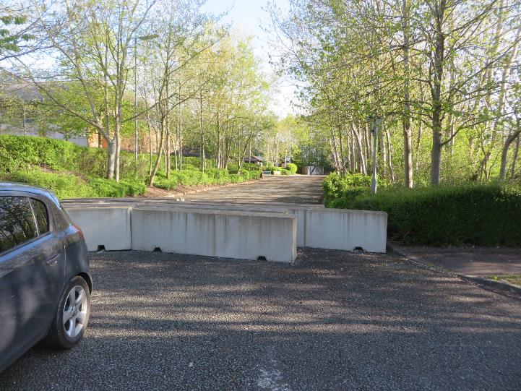
Is OOH access possible (particularly weekends & night time)? Give precise days & times |  | No gates to car park, but concrete barriers
Access / Egress and Delivery Details |  | Comments
Access / egress from vehicle to kit location clear? | See Comments | Access blocked by concrete barriers
Are there any ladders or stairs to climb? - Give details (cat ladder diameter) | No
Enter height of ladder to climb
Is there a fall arrest system installed? If yes state the manufacturer and type. If unclear support with photographs | Yes - See comments | Fall arrest on tower
Are there any hatches to impede Delivery? Give details of hatch opening dimensions | No
Any other obstacles blocking way? Pipes, ducting, rubbish etc | No | No, but narrow access
Access / egress route wide enough to hand carry all kit to Cell Site, including flatpack frames? | Yes | compound is quite narrow
Is crane required to recover any of the existing cabinets (O2 or VF)? (photographs required of reason why) | No
Is specialist transport required to deliver Beacon kit? (photographs required of reason why) | No
Is specialist transport required to recover any of the existing cabinets (O2 or VF)? (photographs required of reason why) | No
Approach clear inside cell to deliver kit into position | No - See Comments | Equipment to be removed
If the final kit location is occupied is there space within the cell site to temporary store the equipment? If yes give details | No
Building lift available and can be used for delivery? | No
Hoist needed in building (if fitted does it have certificate) | No
Access / approach route to site clear and suitable for transit type vehicle? | No - See Comments | Access blocked by concrete barriers
Distance from vehicle parking to Install Kit |  | 100m
Street Furniture Additional Information |  | Comments
Access / egress for Hi-ab vehicle to WBTS clear? |  | MEWP acces to pole difficult- trees.
State Surface Conditions: grass, gravel, flat, etc |  | Tarmac
Will a road closure, traffic management, pedestrian management be required for any function of the install - state details. |  |  |  |  |  | Traffic Management | Pedestrian Management | See Comments
General Information |  | Comments
Any deficiency (Customer or Nokia) raised on survey called into the Nokia Project Team?
Contact details for reporting ALL deficiencies to the Nokia Project Team | TBC

Additional Comments - Free text all additional comments not covered by the above details that will assist the install process

Document Revision History

Date | Issue | Author | Summary of changes
2012-10-01 | Issue 1.0 | I. Hoard | Draft Issue
2013-01-05 | Issue 2.0 | I. Hoard | All fields updated
2013-02-15 | Issue 3.0 | I. Hoard | Existing PSU tab - additional field added for BTS detail supplied from each PSU

2013-03-08 | Issue 4.0 | B.Bidgood | 'PSU Details AC' worksheet added 'Existing PSU Details' renamed as 'PSU Details DC' Fields added to 'PSU Details DC'
2013-05-07 | Issue 5.0 | I. Hoard | PSU Details DC Tab expanded. Photo tab expanded. Existing RF details now includes requirement for images of cable entry points
2015-01-20 | Issue 6.0 | I. Hoard | Asbestos section add to Access - General tab and asbestos wording changed on line 37 of the H&S tab

Existing O2 Equipment Detail
Nokia / O2 Beacon Checklist Survey

Existing O2 2G / 3G (U2100 & U900) / LTE Equipment Detail / Audit

Complete all sections below and add additional comments in ALL boxes

Existing 2G BTS Equipment Hardware Details |  |  | Comments
Are there any existing 2G BTSs on site?
Indoor or Outdoor deployment?
No O2, VF cabin
Enter location of the BTS installation
If deployed within 3rd party cabinet - enter cabinet type

Existing 2G BTS Hardware Details
Enter Number of BTS cabinets deployed
Cabinet No1 - Enter Cabinet Type
Cabinet No2 - Enter Cabinet Type
Cabinet No3 - Enter Cabinet Type
What is the installed carrier count? (eg 666222)
What is the integrated carrier count? (eg 666222)
External Alarms - Is this BTS reporting any external alarms?
External Alarms - Where is the external alarm cable connected too?
What alarms are to be reported via the BTS?

Existing 2G BTS RF Details
Enter Number of G900 BTS sectors
Enter Number of G1800 BTS sectors
G900 - Have the feeders been labeled as per O2 document DS7301? If so which labels have been installed to the feeder? A photograph of the labels is required in the photograph tab
G1800 - Have the feeders been labeled as per O2 document DS7301? If so which labels have been installed to the feeder? A photograph of the labels is required in the photograph tab
Have the feeders been labeled to indicate the feeder type and length installed as per O2 document DS7301? If YES supply label details for ALL sectors. A photograph of the labels is required in the photograph tab
Where are the G900 jumpers installed to?
Where are the G1800 jumpers installed to?

Existing 2G BTS Comms Details
Enter Number of E1 circuits installed
Enter Number of E1 circuits in use
Have all spare E1s installed been terminated at the NTE? - If not then enter number of open ends in the comments box
Enter the type of NTE equipment being used for this BTS
Where is the NTE equipment located?

2G Supporting information
Enter any additional information that is not covered by the above questions and may be relevant and assist with the implementation

Existing 3G BTS Equipment Hardware Details |  |  | Comments
Is there an existing U2100 BTS on site?
Is there an existing U900 BTS on site?
Is the existing U2100 BTS Flexi or Ultrasite?
Ultrasite - What Type of Cabinet is the Ultrasite?
Ultrasite - Enter Number of BTS sectors

Existing U2100 Flexi BTS Hardware Details
Enter location of the BTS installation
Enter the existing hardware deployment of the U2100 Flexi - Indoor
Enter the existing hardware deployment of the U2100 Flexi - Outdoor
Parasitic Conversions - Enter converted cabinet Type
U2100 Flexi - Enter System Module Quantity
U2100 Flexi - Enter System Module Type
U2100 Flexi - Enter RF Module Quantity
U2100 Flexi - Enter RF Module No1 Type
U2100 Flexi - Enter RF Module No2 Type
U2100 Flexi - Enter RF Module No3 Type
U2100 Flexi - Enter Transmission Module Type
U2100 - Enter Number of BTS sectors
U2100 External Alarms - Is this BTS reporting any external alarms?
U2100 External Alarms - Where is the external alarm cable connected too?
U2100 - What alarms are being reported via the BTS?

Existing U2100 Flexi BTS RF Details
U2100 - Enter Number of BTS sectors
U2100 Feedered - Where are the jumpers installed too?
U2100 - How many sectors are feederless?
U2100 Feederless Sector 1 | Enter Module Location
 | Enter Module deployment option
U2100 Feederless Sector 2 | Enter Module Location
 | Enter Module deployment option
U2100 Feederless Sector 3 | Enter Module Location
 | Enter Module deployment option
U2100 Feederless Sector 4 | Enter Module Location
 | Enter Module deployment option
U2100 Feederless Sector 5 | Enter Module Location
 | Enter Module deployment option
U2100 Feederless Sector 6 | Enter Module Location
 | Enter Module deployment option
U2100 - Have MHA's been installed to any sectors?
U2100 - What type of MHA's are installed on site?
U2100 - Have the feeders been labeled to indicate the type of MHA's installed as per O2 document DS7301? If so which labels have been installed to the feeder? A photograph of the labels is required in the photograph tab
U2100 - Have the feeders been labeled to indicate the feeder type and length installed as per O2 document DS7301? If YES supply label details for ALL sectors. A photograph of the labels is required in the photograph tab

Existing U2100 Flexi BTS Comms Details
U2100 - Is the BTS transmission over E1 (coax) or Ethernet?
U2100 E1 - Enter Number of E1 circuits installed between the BTS and Transmission Equipment
U2100 E1 - Enter Number of E1 circuits in use
U2100 E1 - Have all spare E1 cabling installed been terminated at the NTE? - If not then enter number of open ends in the comments box
U2100 - Enter the type of NTE equipment being used for this BTS
U2100 - Where is the NTE equipment located?

U2100 Supporting information
Enter any additional information that is not covered by the above questions and may be relevant and assist with the implementation

Existing U900 Flexi BTS Hardware Details
Enter location of the BTS installation
Enter the existing hardware deployment of the U2100 Flexi - Indoor |  | N/A
Enter the existing hardware deployment of the U2100 Flexi - Outdoor |  | N/A
Parasitic Conversions - Enter converted cabinet Type |  | N/A
U900 Flexi - Enter System Module Quantity |  | 0
U900 Flexi - Enter System Module Type |  | N/A
U900 Flexi - Enter RF Module Quantity |  | 0
U900 Flexi - Enter RF Module No1 Type |  | N/A
U900 Flexi - Enter RF Module No2 Type |  | N/A
U900 Flexi - Enter RF Module No3 Type |  | N/A
U900 Flexi - Enter Transmission Module Type |  | N/A
U900 - Enter Number of BTS sectors |  | 0
U900 External Alarms - Is this BTS reporting any external alarms?
U900 External Alarms - Where is the external alarm cable connected too? |  | N/A
U900 - What alarms are to be reported via the BTS? |  | N/A

Existing U900 Flexi BTS RF Details
U900 - Enter Number of BTS sectors |  | 0
U900 - How many sectors are feederless? |  | 0
U900 Feedered - Where are the jumpers installed too?
U900 Feederless Sector 1 | Enter Module Location
 | Enter Module deployment option | N/A
U900 Feederless Sector 2 | Enter Module Location
 | Enter Module deployment option | N/A
U900 Feederless Sector 3 | Enter Module Location
 | Enter Module deployment option | N/A
U900 - Have the feeders been labeled as per O2 document DS7301? If so which labels have been installed to the feeder? A photograph of the labels is required in the photograph tab |  | N/A
U900 - Have the feeders been labeled to indicate the feeder type and length installed as per O2 document DS7301? If YES supply label details for ALL sectors. A photograph of the labels is required in the photograph tab |  | N/A

Existing U900 Flexi BTS Comms Details
U900 - Is the BTS transmission integrated or segregated with the U2100 BTS? |  | N/A
U900 - Is the BTS transmission over E1 (coax) or Ethernet? |  | E1
U900 E1 - Enter Number of E1 circuits installed between the BTS and Transmission Equipment |  | 0
U900 E1 - Enter Number of E1 circuits in use |  | 0
U900 E1 - Have all spare E1 cabling been terminated at the NTE? - If not then enter number of open ends in the comments box |  | N/A
U900 - Enter the type of NTE equipment being used for this BTS |  | N/A
U900 - Where is the NTE equipment located?

U900 Supporting information
Enter any additional information that is not covered by the above questions and may be relevant and assist with the implementation

Existing LTE Flexi BTS Hardware Details
Enter location of the BTS installation
Enter the existing hardware deployment of the LTE Flexi - Indoor |  | N/A
Enter the existing hardware deployment of the LTE Flexi - Outdoor |  | N/A
Parasitic Conversions - Enter converted cabinet Type |  | N/A
LTE Flexi - Enter System Module Quantity |  | 0
LTE Flexi - Enter System Module Type |  | N/A
LTE Flexi - Enter RF Module Quantity |  | 0
LTE Flexi - Enter RF Module No1 Type |  | N/A
LTE Flexi - Enter RF Module No2 Type |  | N/A
LTE Flexi - Enter RF Module No3 Type |  | N/A
LTE Flexi - Enter Transmission Module Type |  | N/A
LTE - Enter Number of BTS sectors |  | 0
LTE External Alarms - Is this BTS reporting any external alarms? |  | N/A
LTE External Alarms - Where is the external alarm cable connected too? |  | N/A
LTE - What alarms are to be reported via the BTS? |  | N/A

Existing LTE Flexi BTS RF Details
LTE - Enter Number of BTS sectors |  | 0
LTE - How many sectors are feederless? |  | 0
LTE Feedered - Where are the jumpers installed too? |  | N/A
LTE Feederless Sector 1 | Enter Module Location
 | Enter Module deployment option | N/A
LTE Feederless Sector 2 | Enter Module Location
 | Enter Module deployment option | N/A
LTE Feederless Sector 3 | Enter Module Location
 | Enter Module deployment option | N/A
LTE - Have the feeders been labeled as per O2 document DS7301? If so which labels have been installed to the feeder? A photograph of the labels is required in the photograph tab |  | N/A
LTE - Have the feeders been labeled to indicate the feeder type and length installed as per O2 document DS7301? If YES supply label details for ALL sectors. A photograph of the labels is required in the photograph tab |  | N/A

Existing LTE Flexi BTS Comms Details
LTE - Is the BTS transmission over Fiber or Ethernet? |  | N/A
LTE E1 - Enter Number of circuits installed |  | 0
LTE E1 - Enter Number of circuits in use |  | 0
LTE - Enter the type of Transmission equipment being used for this BTS |  | N/A
LTE - Where is the NTE equipment located?

LTE Supporting information
Enter any additional information that is not covered by the above questions and may be relevant and assist with the implementation

Existing VF Flexi Detail
Nokia / O2 Beacon Checklist Survey

Existing VF 3G / 2G Nokia Multiradio & FlexiBTS Detail / Audit

Complete all sections below and add additional comments in ALL boxes

Existing VF 2G Multiradio BTS Equipment Hardware Details |  |  | Comments
Is there an existing NSN VF 2G Multiradio BTS on site? |  | No

No Existing VF flexis
Existing VF 2G Multiradio BTS Hardware Details
Enter location of the BTS installation |  | N/A
Enter the existing hardware deployment of the MR Flexi - Indoor |  | N/A
Enter the existing hardware deployment of the MR Flexi - Outdoor |  | N/A
Parasitic Conversions - Enter converted cabinet Type |  | N/A
MR Flexi - Enter System Module Quantity |  | 0
MR Flexi - Enter System Module Type |  | N/A
MR Flexi - Enter RF Module Quantity |  | 0
MR Flexi - Enter RF Module No1 Type |  | N/A
MR Flexi - Enter RF Module No2 Type |  | N/A
MR Flexi - Enter RF Module No3 Type |  | N/A
MR Flexi - Enter Transmission Module Type |  | N/A
MR - Enter Number of BTS sectors |  | 0
MR External Alarms - Is this BTS reporting any external alarms? |  | N/A
MR External Alarms - Where is the external alarm cable connected too? |  | N/A
MR - What alarms are being reported via the BTS? |  | N/A

Existing VF 2G Multiradio RF Details
MR - Enter Number of BTS sectors |  | 0
MR Feedered - Where are the jumpers installed too? |  | N/A
MR - How many sectors are feederless / RRH? |  | 0
MR G900 Feederless Sector 1 | Enter Module Location
 | Enter Module deployment option | N/A
MR G900 Feederless Sector 2 | Enter Module Location
 | Enter Module deployment option | N/A
MR G900 Feederless Sector 3 | Enter Module Location
 | Enter Module deployment option | N/A
MR G1800 Feederless Sector 1 | Enter Module Location
 | Enter Module deployment option | N/A
MR G1800 Feederless Sector 2 | Enter Module Location
 | Enter Module deployment option | N/A
MR G1800 Feederless Sector 3 | Enter Module Location
 | Enter Module deployment option | N/A
MR - Have MHA's been installed to any sectors? |  | N/A
MR - What type of MHA's are installed on site? |  | N/A
MR - Have the feeders been labeled to indicate the type of MHA's installed as per O2 document DS7301? If so which labels have been installed to the feeder? A photograph of the labels is required in the photograph tab |  | N/A
MR - Have the feeders been labeled to indicate the feeder type and length installed as per O2 document DS7301? If YES supply label details for ALL sectors. A photograph of the labels is required in the photograph tab |  | N/A

Existing VF 2G Multiradio Comms Details
MR - Is the BTS transmission over E1 (coax), E1 (Twisted Pair) or Ethernet? |  | E1 (120ohm Twisted Pair)
MR E1 - Enter Number of E1 circuits installed |  | 0
MR E1 - Enter Number of E1 circuits in use |  | 0
MR E1 - Have all spare E1 cabling installed been terminated at the NTE? - If not then enter number of open ends in the comments box |  | N/A
MR - Enter the type of NTE equipment being used for this BTS |  | N/A
MR - Where is the NTE equipment located? |  | N/A

Existing VF 2G Multiradio Supporting information
Enter any additional information that is not covered by the above questions and may be relevant and assist with the implementation

Existing VF 3G FlexiBTS Equipment Hardware Details |  |  | Comments
Is there an existing U2100 FlexiBTS on site? |  | No
Is there an existing U900 Flexi BTS on site? |  | No

Existing VF U2100 Flexi BTS Hardware Details
Enter location of the BTS installation |  | N/A
Enter the existing hardware deployment of the U2100 Flexi - Indoor |  | N/A
Enter the existing hardware deployment of the U2100 Flexi - Outdoor |  | N/A
Parasitic Conversions - Enter converted cabinet Type |  | N/A
U2100 Flexi - Enter System Module Quantity |  | 0
U2100 Flexi - Enter System Module Type |  | N/A
U2100 Flexi - Enter RF Module Quantity |  | 0
U2100 Flexi - Enter RF Module No1 Type |  | N/A
U2100 Flexi - Enter RF Module No2 Type |  | N/A
U2100 Flexi - Enter RF Module No3 Type |  | N/A
U2100 Flexi - Enter Transmission Module Type |  | N/A
U2100 - Enter Number of BTS sectors |  | 0
U2100 External Alarms - Is this BTS reporting any external alarms? |  | N/A
U2100 External Alarms - Where is the external alarm cable connected too? |  | N/A
U2100 - What alarms are being reported via the BTS? |  | N/A

Existing VF U2100 Flexi BTS RF Details
U2100 - Enter Number of BTS sectors |  | 0
U2100 Feedered - Where are the jumpers installed too? |  | N/A
U2100 - How many sectors are feederless / RRH? |  | 0
U2100 Feederless Sector 1 | Enter Module Location
 | Enter Module deployment option | N/A
U2100 Feederless Sector 2 | Enter Module Location
 | Enter Module deployment option | N/A
U2100 Feederless Sector 3 | Enter Module Location
 | Enter Module deployment option | N/A
U2100 Feederless Sector 4 | Enter Module Location
 | Enter Module deployment option | N/A
U2100 Feederless Sector 5 | Enter Module Location
 | Enter Module deployment option | N/A
U2100 Feederless Sector 6 | Enter Module Location
 | Enter Module deployment option | N/A
U2100 - Have MHA's been installed to any sectors? |  | N/A
U2100 - What type of MHA's are installed on site? |  | N/A
U2100 - Have the feeders been labeled to indicate the type of MHA's installed as per O2 document DS7301? If so which labels have been installed to the feeder? A photograph of the labels is required in the photograph tab |  | N/A
U2100 - Have the feeders been labeled to indicate the feeder type and length installed as per O2 document DS7301? If YES supply label details for ALL sectors. A photograph of the labels is required in the photograph tab |  | N/A

Existing VF U2100 Flexi BTS Comms Details
U2100 - Is the BTS transmission over E1 (coax), E1 (Twisted Pair) or Ethernet? |  | N/A
U2100 E1 - Enter Number of E1 circuits installed between teh BTS and transmission equipment |  | 0
U2100 E1 - Enter Number of E1 circuits in use |  | 0
U2100 E1 - Have all spare E1 cabling installed been terminated at the NTE? - If not then enter number of open ends in the comments box |  | N/A
U2100 - Enter the type of NTE equipment being used for this BTS |  | N/A
U2100 - Where is the NTE equipment located? |  | N/A

U2100 VF Supporting information
Enter any additional information that is not covered by the above questions and may be relevant and assist with the implementation

Existing VF U900 Flexi BTS Hardware Details
Enter location of the BTS installation |  | N/A
Enter the existing hardware deployment of the U2100 Flexi - Indoor |  | N/A
Enter the existing hardware deployment of the U2100 Flexi - Outdoor |  | N/A
Parasitic Conversions - Enter converted cabinet Type |  | N/A
U900 Flexi - Enter System Module Quantity |  | 0
U900 Flexi - Enter System Module Type |  | N/A
U900 Flexi - Enter RF Module Quantity |  | 0
U900 Flexi - Enter RF Module No1 Type |  | N/A
U900 Flexi - Enter RF Module No2 Type |  | N/A
U900 Flexi - Enter RF Module No3 Type |  | N/A
U900 Flexi - Enter Transmission Module Type |  | N/A
U900 - Enter Number of BTS sectors |  | 0
U900 External Alarms - Is this BTS reporting any external alarms? |  | N/A
U900 External Alarms - Where is the external alarm cable connected too? |  | N/A
U900 - What alarms are to be reported via the BTS? |  | N/A

Existing VF U900 Flexi BTS RF Details
U900 - Enter Number of BTS sectors |  | 0
U900 Feedered - Where are the jumpers installed too? |  | N/A
U900 - How many sectors are feederless / RRH? |  | 0
U900 Feederless Sector 1 | Enter Module Location
 | Enter Module deployment option | N/A
U900 Feederless Sector 2 | Enter Module Location
 | Enter Module deployment option | N/A
U900 Feederless Sector 3 | Enter Module Location
 | Enter Module deployment option | N/A
U900 - Have the feeders been labeled as per O2 document DS7301? If so which labels have been installed to the feeder? A photograph of the labels is required in the photograph tab |  | N/A
U900 - Have the feeders been labeled to indicate the feeder type and length installed as per O2 document DS7301? If YES supply label details for ALL sectors. A photograph of the labels is required in the photograph tab |  | N/A

Existing VF U900 Flexi BTS Comms Details
U900 - Is the BTS transmission integrated or segregated with the U2100 BTS? |  | N/A
U900 - Is the BTS transmission over E1 (coax), E1 (Twisted Pair) or Ethernet? |  | N/A
U900 E1 - Enter Number of E1 circuits installed |  | 0
U900 E1 - Enter Number of E1 circuits in use |  | 0
U900 E1 - Have all spare E1 cabling installed been terminated at the NTE? - If not then enter number of open ends in the comments box |  | N/A
U900 - Enter the type of NTE equipment being used for this BTS |  | N/A
U900 - Where is the NTE equipment located? |  | N/A

Exsiting VF U900 Supporting information
Enter any additional information that is not covered by the above questions and may be relevant and assist with the implementation

Existing VF LTE Flexi BTS Hardware Details
Enter location of the BTS installation |  | N/A
Enter the existing hardware deployment of the LTE Flexi - Indoor |  | N/A
Enter the existing hardware deployment of the LTE Flexi - Outdoor |  | N/A
Parasitic Conversions - Enter converted cabinet Type |  | N/A
LTE Flexi - Enter System Module Quantity |  | 0
LTE Flexi - Enter System Module Type |  | N/A
LTE Flexi - Enter RF Module Quantity |  | 0
LTE Flexi - Enter RF Module No1 Type |  | N/A
LTE Flexi - Enter RF Module No2 Type |  | N/A
LTE Flexi - Enter RF Module No3 Type |  | N/A
LTE Flexi - Enter Transmission Module Type |  | N/A
LTE - Enter Number of BTS sectors |  | 0
LTE External Alarms - Is this BTS reporting any external alarms? |  | N/A
LTE External Alarms - Where is the external alarm cable connected too? |  | N/A
LTE - What alarms are to be reported via the BTS? |  | N/A

Existing LTE Flexi BTS RF Details
LTE - Enter Number of BTS sectors |  | 0
LTE Feedered - Where are the jumpers installed too? |  | N/A
LTE - How many sectors are feederless / RRH? |  | 0
LTE Feederless Sector 1 | Enter Module Location
 | Enter Module deployment option | N/A
LTE Feederless Sector 2 | Enter Module Location
 | Enter Module deployment option | N/A
LTE Feederless Sector 3 | Enter Module Location
 | Enter Module deployment option | N/A
LTE - Have the feeders been labeled as per O2 document DS7301? If so which labels have been installed to the feeder? A photograph of the labels is required in the photograph tab |  | N/A
LTE - Have the feeders been labeled to indicate the feeder type and length installed as per O2 document DS7301? If YES supply label details for ALL sectors. A photograph of the labels is required in the photograph tab |  | N/A

Existing LTE Flexi BTS Comms Details
LTE - Is the BTS transmission over Fiber or Ethernet? |  | N/A
LTE E1 - Enter Number of circuits installed |  | 0
LTE E1 - Enter Number of circuits in use |  | 0
LTE - Enter the type of Transmission equipment being used for this BTS |  | N/A
LTE - Where is the Transmission equipment located? |  | N/A

LTE Supporting information
Enter any additional information that is not covered by the above questions and may be relevant and assist with the implementation

PSU Details AC
Nokia / O2 Beacon Checklist Survey

PSU - AC Details

Complete the all sections below for the new PSU to be installed.
Add as much additional information as possible in the comments section.
Insert photos of distribution board, MCBs, power cable run and any other relevant issues

New DC Power Supply Details |  |  | Comments
What type of PSU is to be installed? (Call in to project team if unsure) |  | Indoor Eltek 4th Gen
What type of PSU is to be replaced? (if applicable) (Call in to project team if unsure) |  | Delta
If PSU to be added, state location (eg to LHS of 2G Ultrasite)
AC Supply for Existing DC PSU |  |  | Comments
Enter AC Supply type for PSU - 3 phase or single phase |  | Three Phase
Is the AC supply to the PSU fed from a local isolator or direct from the AC distribution panel? |  | AC panel
What is the make / model of the Distribution Board? |  |  | Hager
What are the make / model of the MCBs in the Distribution Board? |  |  | Hager
AC Distribution Board |  |  | Current Rating
Are there spare MCB's in the distribution board that can be re-used for a new Eltek PSU? (3 x 40A or 1 x 80A required) | MCB Location and Rating - SP | No
 | MCB Location and Rating - L1 | No
 | MCB Location and Rating - L2 | No
 | MCB Location and Rating - L3 | No
Are there spare MCB's in the distribution board that can be re-used for a new Empower PSU? (3 x 20A or 1 x 40A required) | MCB Location and Rating - SP | No
 | MCB Location and Rating - L1 | No
 | MCB Location and Rating - L2 | No
 | MCB Location and Rating - L3 | No
Are there spare ways in the distribution board that can be populated and used for the new PSU? (eg R1 32A) | MCB Location and Rating - SP | Yes
 | MCB Location and Rating - L1 | Yes
 | MCB Location and Rating - L2 | Yes
 | MCB Location and Rating - L3 | Yes
AC Cabling |  |  | Comments
Cable run - enter cable distance from AC isolator to new PSU - in metres
Cable run - enter cable distance from AC distribution panel to AC isolator - in metres
Enter existing AC cable size (width) from AC distribution panel to PSU (in mm)
Re-use of existing AC circuit for new DC PSU |  |  | Current Rating
If the existing PSU AC supply is to be reused then the following needs to be completed | MCB Location and Rating - SP
 | MCB Location and Rating - L1
 | MCB Location and Rating - L2
 | MCB Location and Rating - L3
 | Isolator Rating
 | AC Supply Cable Size (mm2)

Photo of Distribution Board - Door Closed |  | Photo of Distribution Board Door Open |  | Photo of AC Isolator (existing isolator / position for new)
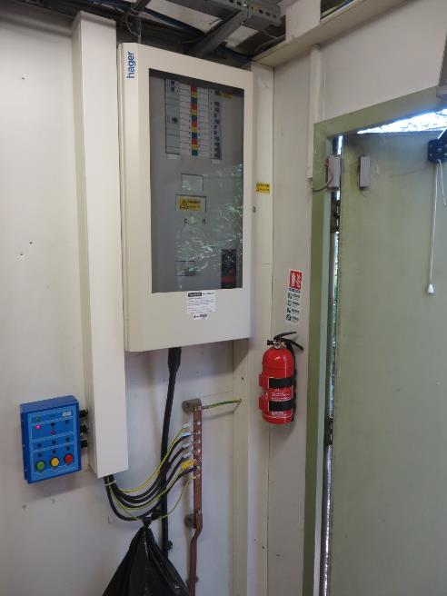 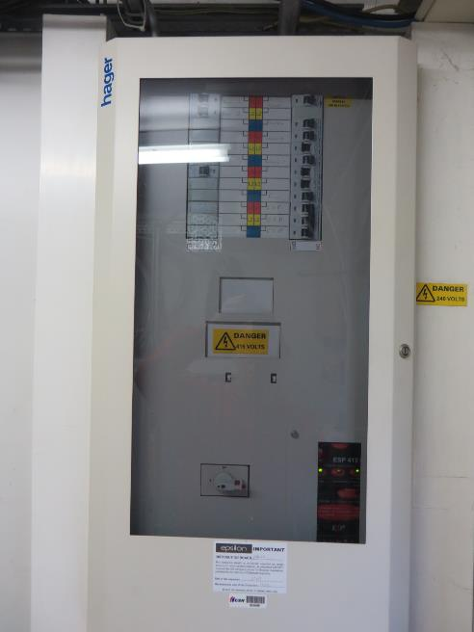 |  | 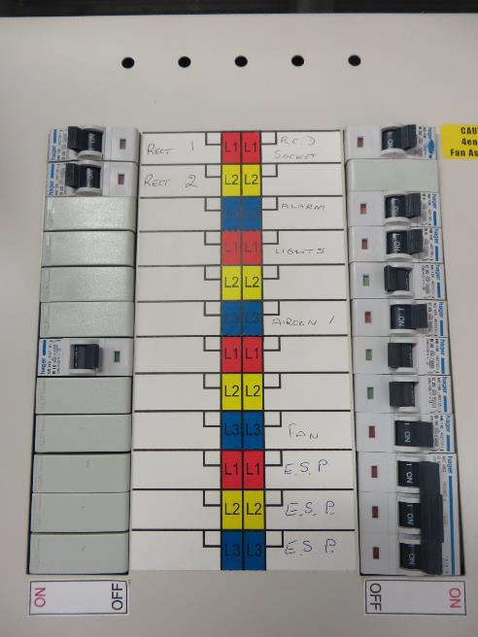 |  | 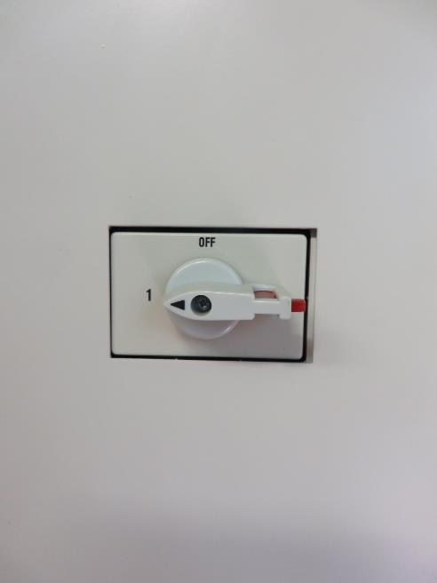

Photo of Power cable run |  | Photo from AC isolator to trunking / breakout point |  | Additional Photos
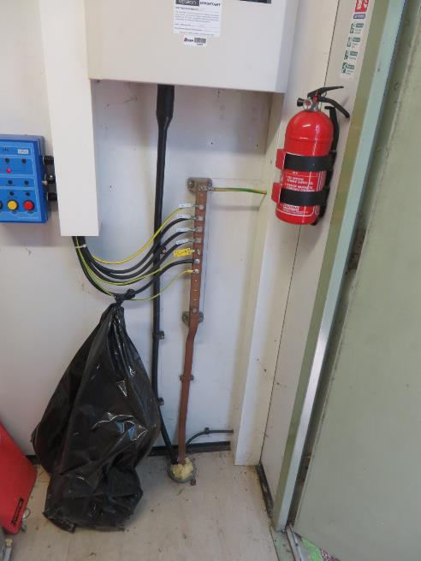 |  | 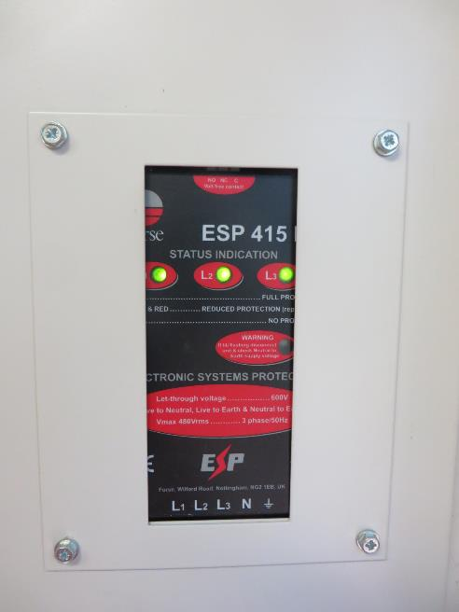 |  | 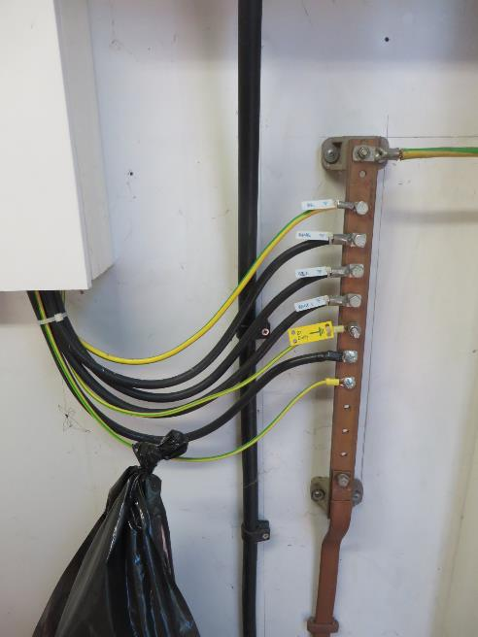

Beacon Deployment
Nokia / O2 Beacon Checklist Survey

Beacon Deployment Details

Existing 15m Monopole.
Small VF compound.
Access blocked for vehicles by concrete barriers.
MEWP Access to pole difficult- trees.
Proposed config: Beacon Small Config
Proposed Tech: G9 U9 U21 L08
Bearings: 0 / 120/ 240
Existing Comms: 1 dish.
Proposed TEF Cabs: 2No Flexi flatpacks + Eltek.
Complete all sections below and add additional comments in ALL boxes

Beacon Deployment Details |  |  |  | Comments
Has the Beacon Configuration Option been indentified? |  |  | Yes
What is the Beacon Config |  |  |  | Beacon Small Config
What is the deployment option for the Beacon BTS |  | Indoor
 |  | Outdoor | Other - See Comments | 2No Flexi flatpacks + Eltek.
Indoor Deployments | Is there sufficient floor space available to locate the 19" racks and combiner cabinet? 600 x 600 footprint each |  | No | One 600x600 space available. Replace Delta & 3202 with Eltek & Flatpack
Indoor and Outdoor Deployments | What is the available floor space (width mm x depth mm) for the new BTS config - clearly indicate on the floor plan as well. |  |  | See above/ plan
 | Will the existing BTS's be required to be moved before deployment of new racks? If yes give details in the comments |  | Yes - See comments
 | For all redundant racks to be moved to accommodate the new BTS config - is there space in the cabin to store them? If yes give details of where in the comments |  | No
 | For all redundant racks to be moved to accommodate the new BTS config - if the racks are to be removed from site will a recovery survey be required |  | See Comments | Possibly due to access route block ed to vehicles by conc barrier.

Beacon PSU & Grounding Information
Has the Beacon PSU been installed on site? |  |  | No
Has the Beacon PSU been clearly identified? |  |  | No
Enter Type of Beacon PSU installed |  |  | Other - See comments
Enter Number of spare 125amp MCB's |  |  | 0
Enter Number of spare 100amp MCB's |  |  | 0
Enter Number of spare 80amp MCB's |  |  | 0
Enter Number of spare 63amp MCB's |  |  | 0
Enter Number of spare 50amp MCB's |  |  | 0
Enter Number of spare 32amp MCB's |  |  | 0
Enter Number of spare 25amp MCB's |  |  | 0
Enter Number of spare 16amp MCB's |  |  | 0
Enter Number of spare 10amp MCB's |  |  | 0
Enter Number of spare 6amp MCB's |  |  | 0
Enter number of rectifiers installed in PSU |  |  | 0
Is there cable management installed between the PSU and Beacon BTS? |  |  | No - See comments
What is the length of cable run between the BTS location and the PSU |  |  | 0
Where will the BTSs be grounded to? |  |  | N/A
Enter the number of spare grounding points / bolts on the earth bar |  |  | 0
Do the spare earth points require nuts, bolts, washers? |  |  | N/A
Enter the size of the bolts on the earth bar, M8, M10, M11 etc
What is the cable management between the grounding point and the Flexi's |  |  | Other - See comments
What is the length of cable run between the BTS location and the earth bar |  |  | 12m

Beacon RF Details (Non Feederless)
Indoor and Outdoor Deployments - RF Feeders and combiners | U2100 | Have the U2100 feeders been installed and labeled correctly? | N/A
 |  | Have the U2100 combiners been installed and labeled for each sector? | N/A
 | G900 | Have the G900 feeders been installed and labeled correctly? | N/A
 |  | Have the G900 combiners been installed and labeled for each sector? | N/A
 | U900 | Have the U900 feeders been installed and labeled correctly? | N/A
 | G1800 | Have the G1800 feeders been installed and labeled correctly? | N/A
 | L800 | Have the L800 feeders been installed and labeled correctly? | N/A
For all configs where existing feeders are being reused - have the jumpers between the feeders and the combiners been installed and left ready to cut over during the swap? |  |  | N/A
U2100 | Enter the jumper length from the BTS to the ASTP / Combiner
U900 | Enter the jumper length from the BTS to the ASTP / Combiner
G900 | Enter the jumper length from the BTS to the ASTP / Combiner
G1800 | Enter the jumper length from the BTS to the ASTP / Combiner
L800 | Enter the jumper length from the BTS to the ASTP / Combiner
Beacon Remote RF Modules (RFM & RRH)
Are any of the VF BTS RF Modules situated remotely from the system modules? |  |  | No
U2100: ALL Remote modules - Support with photographs of all remote locations |  | Enter remote U2100 Sectors - 1, 2, 3 etc
 |  | What is the location of module No1
 |  | What is the deployment option for remote module No1 | N/A
 |  | What is the location of module No2
 |  | What is the deployment option for remote module No2 | N/A
 |  | What is the location of module No3
 |  | What is the deployment option for remote module No3 | N/A
U900: ALL Remote modules - Support with photographs |  | Enter remote U900 Sectors - 1, 2, 3 etc
 |  | What is the location of module No1
 |  | What is the deployment option for remote module No1 | N/A
 |  | What is the location of module No2
 |  | What is the deployment option for remote module No2 | N/A
 |  | What is the location of module No3
 |  | What is the deployment option for remote module No3 | N/A
G900: ALL Remote modules - Support with photographs |  | Enter remote G900 Sectors - 1, 2, 3 etc
 |  | What is the location of module No1
 |  | What is the deployment option for remote module No1 | N/A
 |  | What is the location of module No2
 |  | What is the deployment option for remote module No2 | N/A
 |  | What is the location of module No3
 |  | What is the deployment option for remote module No3 | N/A
L800: ALL Remote modules - Support with photographs |  | Enter remote L800 Sectors - 1, 2, 3 etc
 |  | What is the location of module No1
 |  | What is the deployment option for remote module No1 | N/A
 |  | What is the location of module No2
 |  | What is the deployment option for remote module No2 | N/A
 |  | What is the location of module No3
 |  | What is the deployment option for remote module No3 | N/A
 |  | Are the LTE remote RF modules installed: RRH's or RFM's? | N/A
Are the LTE remote modules / RRHs installed? |  |  | N/A
Have the DC power cables been installed for ALL remote modules |  |  | N/A
Have the DC power cables been identified for EACH remote module |  |  | N/A
Have the Fiber Optic cables been installed for ALL remote modules |  |  | N/A
Have the Fiber Optic cables been identified for EACH remote module |  |  | N/A

Beacon Comms Details
Has the Beacon MEAS Transmission equipment been installed? |  |  | No | NEC Pasolink
Where is the MEAS equipment located? |  |  | Cabin Wall
How many Ethernet ports are spare on the MEAS unit?
How many E1 ports are spare on the MEAS unit?
Have the E1 ports been presented to a BNC balum panel?
Enter the cable length from the BTS to the Transmission location

Supporting information
Enter any additional information that is not covered by the above questions and may be relevant and assist with the implementation

Floor Plan
 | Nokia / O2 Beacon Checklist Survey

Site Layout / Floor Plan Details

Note: To be completed for ALL sites. |  |  | NOTE - To keep consistency between each survey use the following
 |  |  | objects and colour coding to build up the floor plan
Complete a detailed drawing of the cell site layout. The following details must be provided

1. BTS - Existing O2 and VF equipment locations |  | 9. Surrounding area dimensions | O2 Existing PSU and BTS options - Copy to floor plan and size accordingly
2. PSU's - Beacon and existing PSU locations |  | 10. Dimensions of area of installation
3. Transmission - Beacon and existing locations |  | 11. All heights of equipment, isolators, ladder racking etc.
4. Beacon Rigging - Location of combiners, ASTP's, feeder terminations for O2 and VF
5. Access / Egress to the area |  | Drawing to be to scale.
6. Locations of all fencing, trees, borders etc |  | All dimensions in mm.
7. Antenna pole / mast positions
8. Locations and distance from FlexiBTS equipment to roads and pavements, including dimensions to pavement edge with doors open
 |  |  | VF Existing PSU BTS options - Copy to floor plan and size accordingly
27V TACS PSU
AC DIST
TACS MCLR
ANT BULHEAD & DIEPLEXORS
ADPCM, CABLE TRAY TO SIDE OF UNIT
PSU 2070 (48V)
600X600
MCELL 6 (900)
500X710
MCELL 6 (900)
MCELL 6 (900)
COMMS
AIB KRONE
MCELL 6 (1800)
MCELL PSU 27V
TACS
650X650
TACS
TACS
AIR CON
AIR CON
27V TACS PSU
AC DIST
TACS MCLR
ANT BULHEAD & DIEPLEXORS
ADPCM, CABLE TRAY TO SIDE OF UNIT
PSU 2070 (48V)
600X600
MCELL 6 (900)
500X710
MCELL 6 (900)
MCELL 6 (900)
COMMS
AIB KRONE
MCELL 6 (1800)
MCELL PSU 27V
TACS
650X650
TACS
TACS
AIR CON
AIR CON
27V TACS PSU
AC DIST
TACS MCLR
ANT BULHEAD & DIEPLEXORS
ADPCM, CABLE TRAY TO SIDE OF UNIT
PSU 2070 (48V)
600X600
MCELL 6 (900)
500X710
MCELL 6 (900)
MCELL 6 (900)
COMMS
AIB KRONE
MCELL 6 (1800)
MCELL PSU 27V
TACS
650X650
TACS
TACS
AIR CON
AIR CON
27V TACS PSU
AC DIST
TACS MCLR
ANT BULHEAD & DIEPLEXORS
ADPCM, CABLE TRAY TO SIDE OF UNIT
PSU 2070 (48V)
600X600
MCELL 6 (900)
500X710
MCELL 6 (900)
MCELL 6 (900)
COMMS
AIB KRONE
MCELL 6 (1800)
MCELL PSU 27V
TACS
650X650
TACS
TACS
AIR CON
AIR CON
27V TACS PSU
AC DIST
TACS MCLR
ANT BULHEAD & DIEPLEXORS
ADPCM, CABLE TRAY TO SIDE OF UNIT
PSU 2070 (48V)
600X600
MCELL 6 (900)
500X710
MCELL 6 (900)
MCELL 6 (900)
COMMS
AIB KRONE
MCELL 6 (1800)
MCELL PSU 27V
TACS
650X650
TACS
TACS
AIR CON
AIR CON
27V TACS PSU
AC DIST
TACS MCLR
ANT BULHEAD & DIEPLEXORS
ADPCM, CABLE TRAY TO SIDE OF UNIT
PSU 2070 (48V)
600X600
MCELL 6 (900)
500X710
MCELL 6 (900)
MCELL 6 (900)
COMMS
AIB KRONE
MCELL 6 (1800)
MCELL PSU 27V
TACS
650X650
TACS
TACS
AIR CON
AIR CON
27V TACS PSU
AC DIST
TACS MCLR
ANT BULHEAD & DIEPLEXORS
ADPCM, CABLE TRAY TO SIDE OF UNIT
PSU 2070 (48V)
600X600
MCELL 6 (900)
500X710
MCELL 6 (900)
MCELL 6 (900)
COMMS
AIB KRONE
MCELL 6 (1800)
MCELL PSU 27V
TACS
650X650
TACS
TACS
AIR CON
AIR CON
27V TACS PSU
AC DIST
TACS MCLR
ANT BULHEAD & DIEPLEXORS
ADPCM, CABLE TRAY TO SIDE OF UNIT
PSU 2070 (48V)
600X600
MCELL 6 (900)
500X710
MCELL 6 (900)
MCELL 6 (900)
COMMS
AIB KRONE
MCELL 6 (1800)
MCELL PSU 27V
TACS
650X650
TACS
TACS
AIR CON
AIR CON
27V TACS PSU
AC DIST
TACS MCLR
ANT BULHEAD & DIEPLEXORS
ADPCM, CABLE TRAY TO SIDE OF UNIT
PSU 2070 (48V)
600X600
MCELL 6 (900)
500X710
MCELL 6 (900)
MCELL 6 (900)
COMMS
AIB KRONE
MCELL 6 (1800)
MCELL PSU 27V
TACS
650X650
TACS
TACS
AIR CON
AIR CON
27V TACS PSU
AC DIST
TACS MCLR
ANT BULHEAD & DIEPLEXORS
ADPCM, CABLE TRAY TO SIDE OF UNIT
PSU 2070 (48V)
600X600
MCELL 6 (900)
500X710
MCELL 6 (900)
MCELL 6 (900)
COMMS
AIB KRONE
MCELL 6 (1800)
MCELL PSU 27V
TACS
650X650
TACS
TACS
AIR CON
AIR CON
27V TACS PSU
AC DIST
TACS MCLR
ANT BULHEAD & DIEPLEXORS
ADPCM, CABLE TRAY TO SIDE OF UNIT
PSU 2070 (48V)
600X600
MCELL 6 (900)
500X710
MCELL 6 (900)
MCELL 6 (900)
COMMS
AIB KRONE
MCELL 6 (1800)
MCELL PSU 27V
TACS
650X650
TACS
TACS
AIR CON
AIR CON
27V TACS PSU
AC DIST
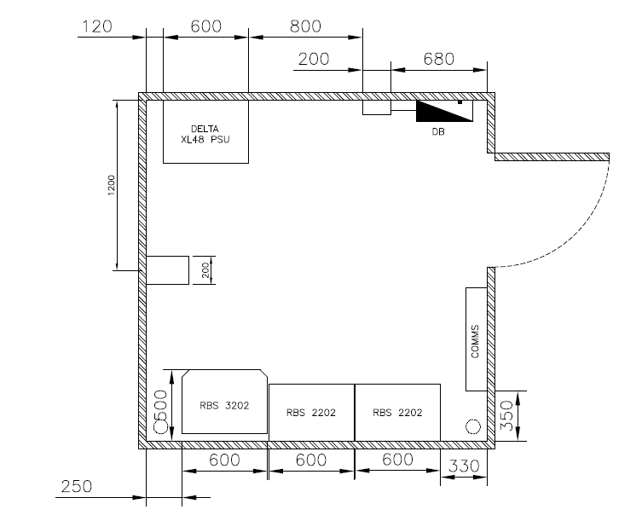

 |  |  | Beacon BTS PSU options - Copy to floor plan and size accordingly

 |  |  | Beacon and Comms Equipment - Copy to floor plan and size accordingly

 |  |  | Beacon and Existing RF Equipment - Copy to floor plan and size accordingly

 |  |  | Other Items
 |  |  |  | Earth Bar

 |  |  |  | PSU Isolator

 |  |  |  | Dimension Lines

 |  |  |  | Overhead or Underground Line (Duct or 2/3G Antenna Bulkhead)

 |  |  |  | Road or Footpath

 |  |  |  | Brick Wall

 |  |  |  | Grass

 |  |  |  | Steel Grillage

 |  |  |  | Steelwork

 |  |  |  | Traywork

 |  |  |  | Power Upstand

Photographs
Nokia / O2 Beacon Checklist Survey

Existing equipment and site photograph's

The following photograph's must be taken and inserted to the spread sheet below
Where necessary insert additional pictures that will assist the survey and install process

1. General view of building / location of site |  |  | 8. O2 Existing MEAS / Transmission Equipment |  |  |  | 14. Site Issues
 |  |  | Images of O2 MEAS and existing BT NTE's. |  |  |  | Images of all access / egress issues and existing issues that will impede on the installation process
2. General view of access to site |  |  | Images including close up of Ethernet and E1 ports
Images showing access route from site entrance all the way to the BTS location |  |  |  |  |  |  | 15. Open Deficiencies images
Images to show all access issues and clear defined route to the BTS location |  |  | 9. VF Existing MEAS / Transmission Equipment |  |  |  | Supporting images for any opened deficiencies raised on site
 |  |  | Images of VF MEAS and existing BT NTE's.
3. General view of Cell site - image includes Beacon BTS locations |  |  | Images including close up of Ethernet and E1 ports
Image includes Beacon BTS locations
Images of BTS location from several angles |  |  | 10. Beacon MEAS / Transmission Equipment
Images of access looking away from the BTS towards the cabin door |  |  | Images of Beacon MEAS / Transmission equipment
 |  |  | Images including close up of Ethernet and E1 ports
4. All images to assist installation - cable routes etc
Images to show cabling routes from the BTS's towards the Comms and PSU locations |  |  | 11. Existing RF / Combiner and Feeder Details
 |  |  | Images of all existing RF equipment including ASTP's / combiners and cabling routes
5. Existing Equipment - 2G / 3G / LTE images |  |  | and ALL cable entry gland / points to each cabinet
Full height view of cabinet with door open / covers off
 |  |  | 12. Beacon RF / Combiner and Feeder Details
6. Beacon PSU - Full height view of cabinet |  |  | Images of Beacon RF equipment including ASTP's / combiners and cabling routes
Images of Beacon PSU including close up of MCB's and rectifiers
Images of PSU with doors open |  |  | 13. Feederless Sites
 |  |  | Images of all remote module locations
7. Existing PSU's - Images of all PSU's on site |  |  | Images of all DC supplies installed for each location
Images of all NON Beacon PSU's. Images including close up of MCB and rectifiers |  |  | Images of all Fiber cabling installed for each location

NOTE:
ALL images must be clear and as much detail captured as possible.
DO NOT shrink or stretch images as this will distort them
Insert as many images as required to emphasize any points being captured - too many images are better than none.

1. General view of building / location of site |  |  |  |  | 2. General view of access to site |  |  |  | 2. General view of access to site

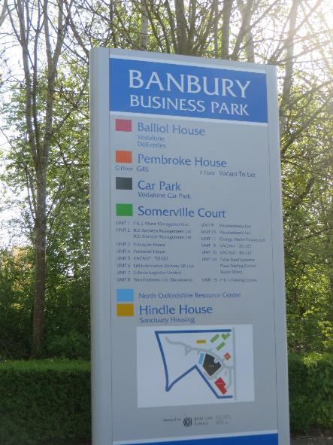


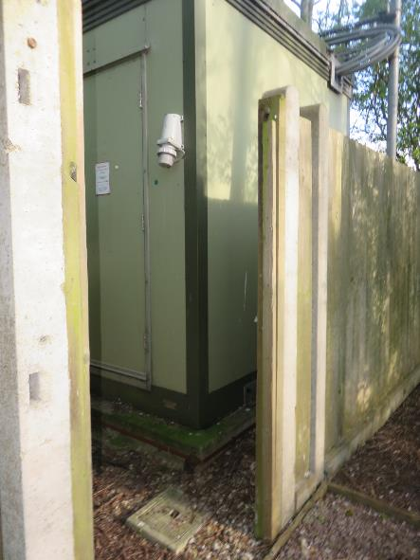
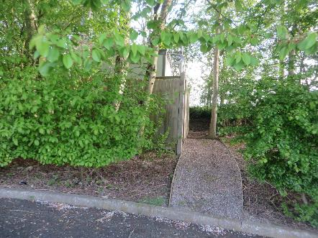

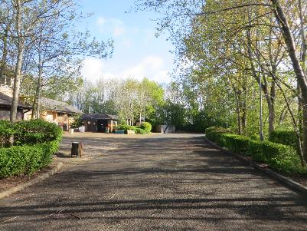

3. General view of Cell site - image includes Beacon BTS locations |  | 3. General view of Cell site - image includes Beacon BTS locations |  |  |  |  | 3. General view of Cell site - image includes Beacon BTS locations
Use several images if required |  | Use several images if required |  |  |  |  | Use several images if required
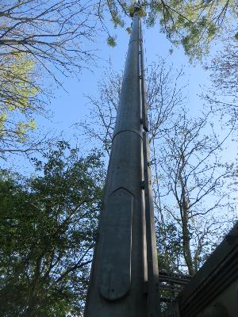
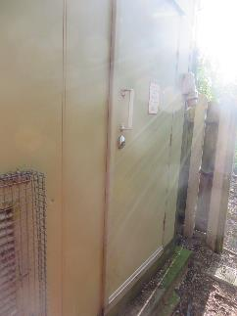
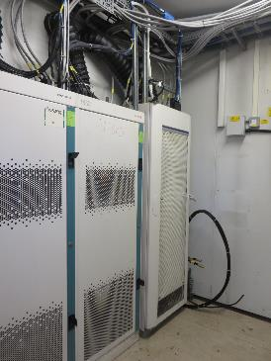
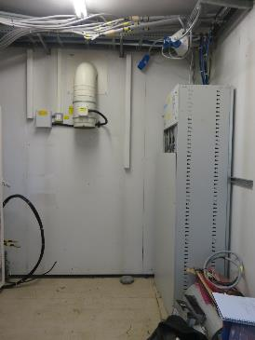
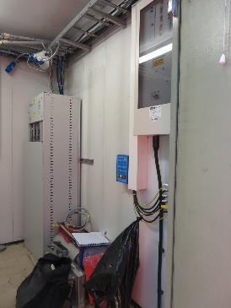
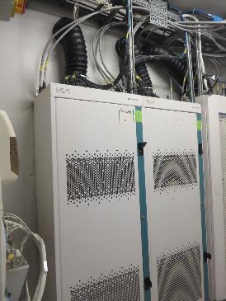
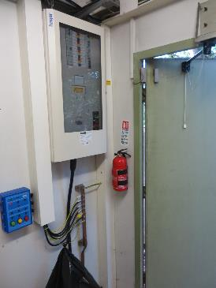
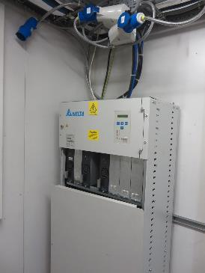

4. All images to assist installation - cable routes etc |  |  |  |  | 4. All images to assist installation - cable routes etc |  |  |  | 4. All images to assist installation - cable routes etc
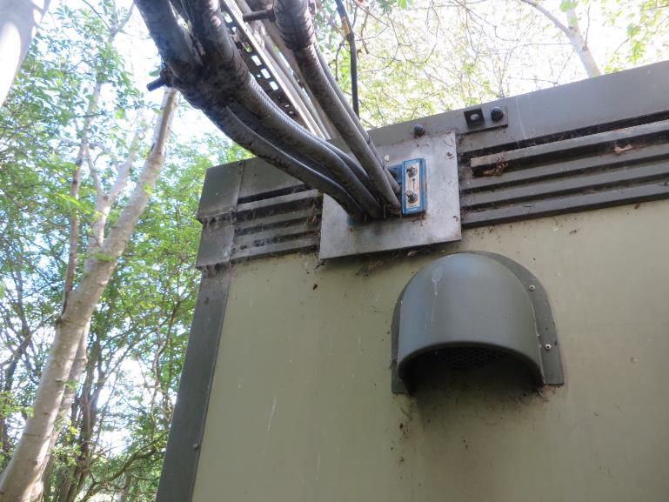
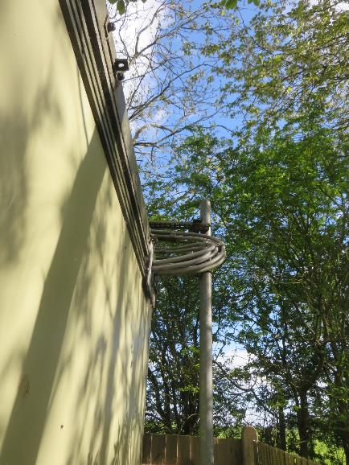

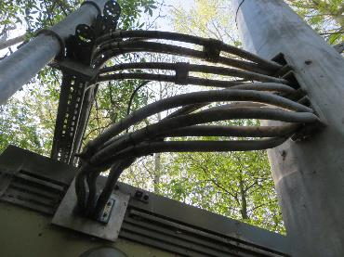
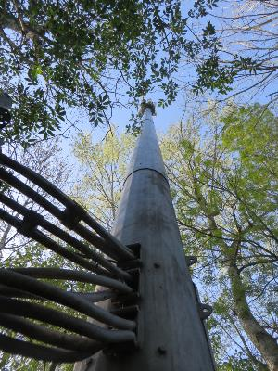
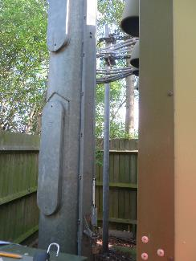

5. Existing 2G Equipment - Full height view of cabinet with door open / covers off |  |  |  | 5. Existing 3G Equipment - Full height view of cabinet with door open / covers off |  |  |  | 5. Existing LTE Equipment - Full height view of cabinet with door open / covers off
Add additional images of all 2G equipment |  |  |  | Add additional images of all 3G equipment |  |  |  | Add additional images of all LTE equipment
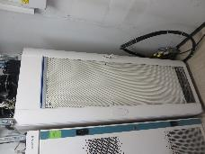

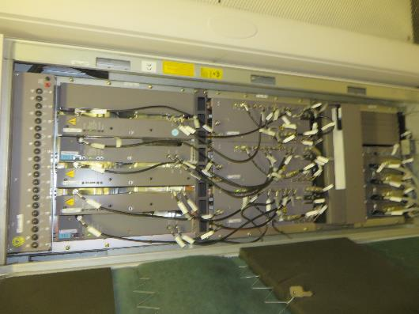
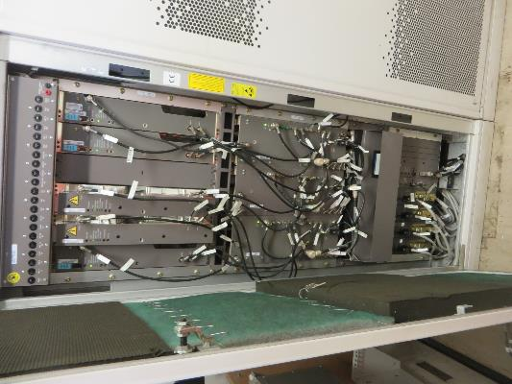
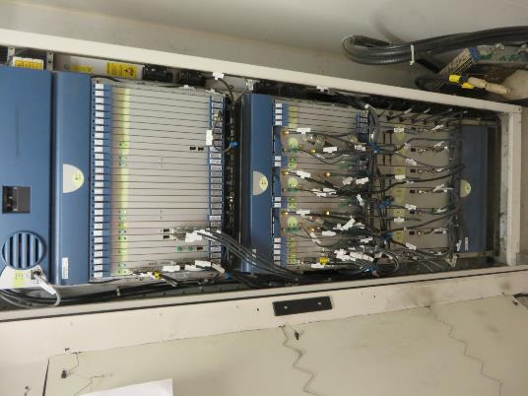

6. Beacon PSU - Full height view of cabinet with door open |  | 6. Beacon PSU - Full height view of cabinet with door open

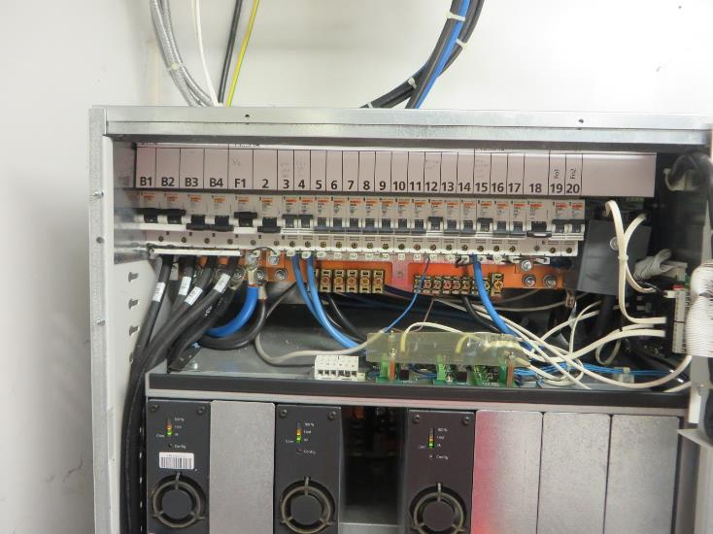
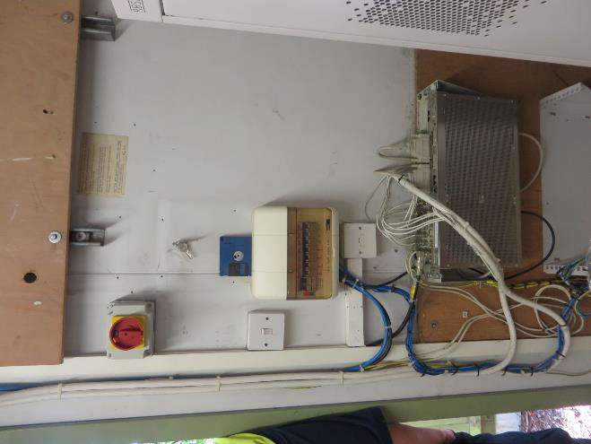
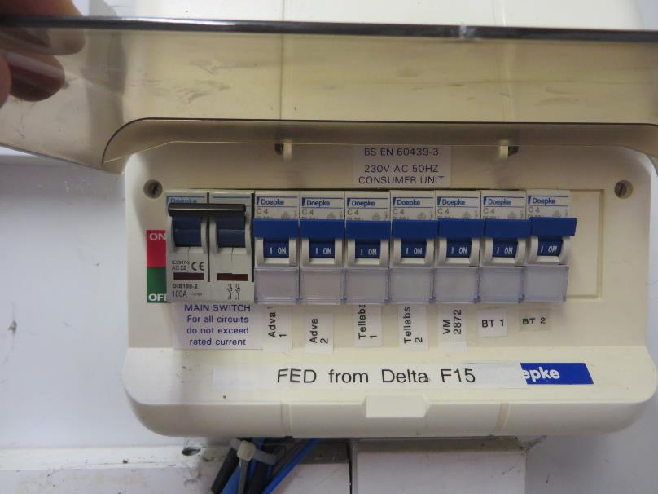

7. Existing PSU's - Images of all PSU's on site |  | 7. Existing PSU's - Images of all PSU's on site |  |  |  |  | 7. Existing PSU's - Images of all PSU's on site
Image of rectifiers and MCB's |  | Image of rectifiers and MCB's |  |  |  |  | Image of rectifiers and MCB's

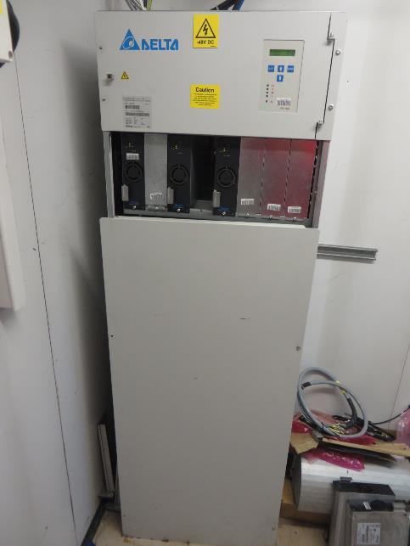
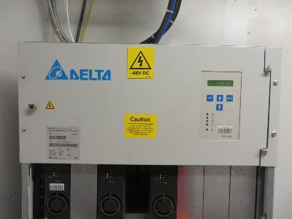
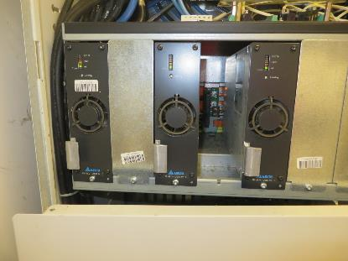
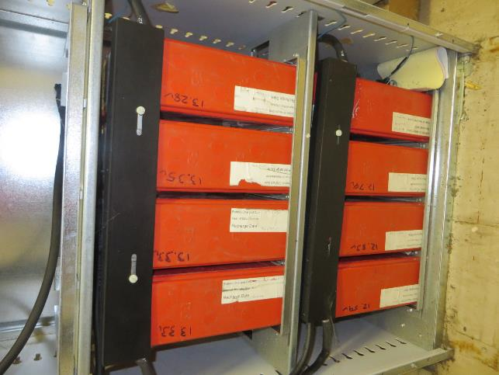


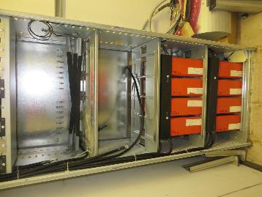

8. O2 Existing MEAS / Transmission Equipment |  | 8. O2 Existing MEAS / Transmission Equipment

9. VF Existing MEAS / Transmission Equipment |  | 9. VF Existing MEAS / Transmission Equipment
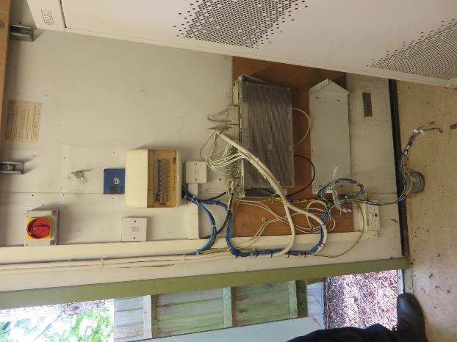
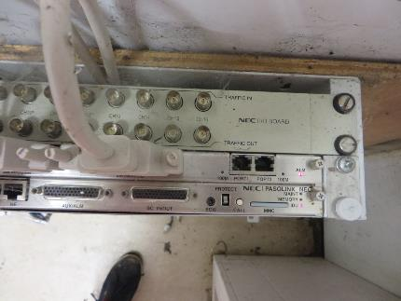
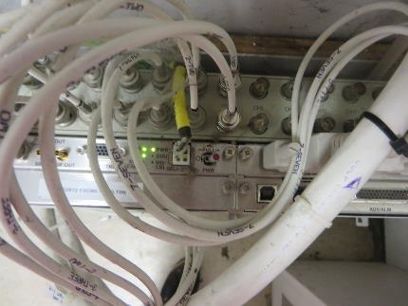
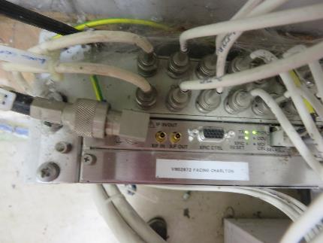

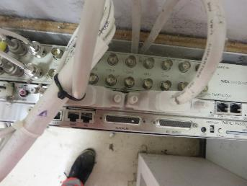

10. Beacon MEAS / Transmission Equipment |  | 10. Beacon MEAS / Transmission Equipment |  |  |  |  | 10. Beacon MEAS / Transmission Equipment
NO VF BEACON MEAS INSTALLED ON SITE

11. Existing RF / Combiner and Feeder Details | 11. Existing RF / Combiner and Feeder Details |  |  |  |  | 11. Existing RF / Combiner and Feeder Details

12. Beacon RF / Combiner and Feeder Details |  | 12. Beacon RF / Combiner and Feeder Details |  |  |  |  | 12. Beacon RF / Combiner and Feeder Details

13. Feederless Sites - Remote RF Module No1 Location |  | 13. Feederless Sites - Remote RF Module No2 Location |  |  |  |  | 13. Feederless Sites - Remote RF Module No3 Location

NO FEEDERLESS CONFIGS ON SITE FOR THIS PHASE

14. Site Issues - All access / egress issues and existing issues that will impede on the installation process

NO SITE ISSUES TO REPORT

15. Open Deficiencies images |  | 15. Open Deficiencies images

NO DEFICIENCIES TO REPORT

On Site Risk Assessment
