Sheet 1
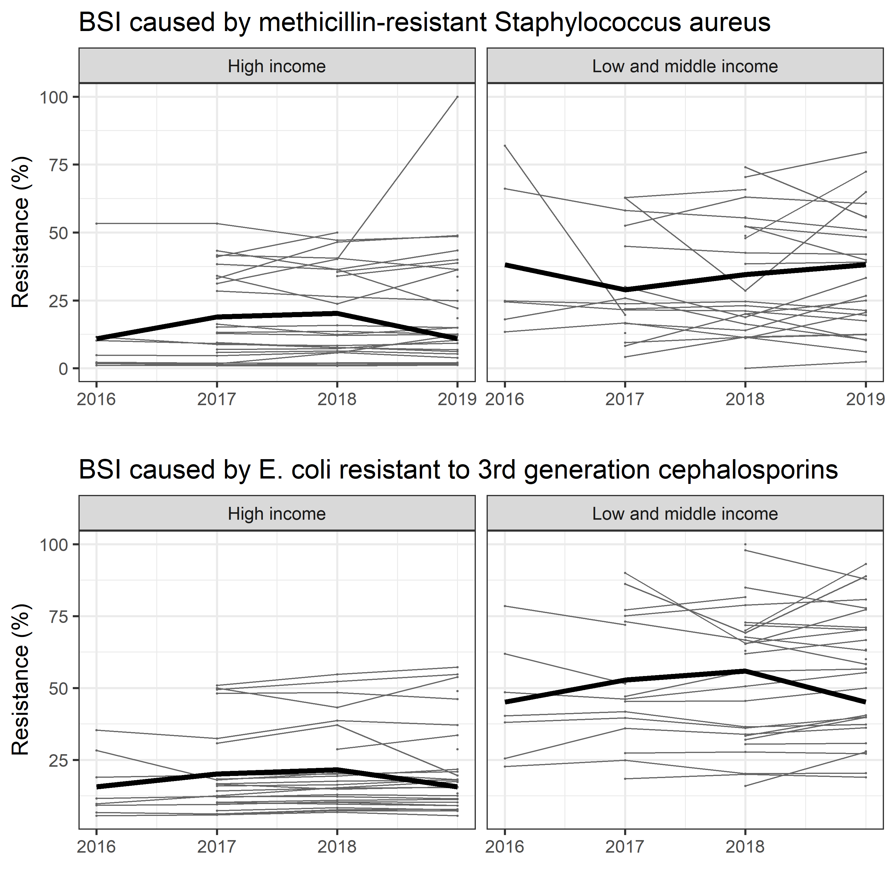

MRSA |  |  |  | ECOLI |  |  |  | loess regression
iso3 | year | value | hic | iso3 | year | value | hic | year | country | hic | yhat | bug
ABW | 2016 |  | High income | ABW | 2016 |  | High income | 2016 |  | High income | 10.9 | MRSA
AFG | 2016 |  | Low and middle income | AFG | 2016 |  | Low and middle income | 2017 |  | High income | 18.9375 | MRSA
AGO | 2016 |  | Low and middle income | AGO | 2016 |  | Low and middle income | 2018 |  | High income | 20.219230769 | MRSA
AIA | 2016 |  | Low and middle income | AIA | 2016 |  | Low and middle income | 2019 |  | High income | 10.9 | MRSA
ALB | 2016 |  | Low and middle income | ALB | 2016 |  | Low and middle income | 2016 |  | Low and middle income | 38.15 | MRSA
AND | 2016 |  | High income | AND | 2016 |  | High income | 2017 |  | Low and middle income | 28.947058824 | MRSA
ARE | 2016 |  | High income | ARE | 2016 |  | High income | 2018 |  | Low and middle income | 34.557692308 | MRSA
ARG | 2016 |  | Low and middle income | ARG | 2016 |  | Low and middle income | 2019 |  | Low and middle income | 38.15 | MRSA
ARM | 2016 |  | Low and middle income | ARM | 2016 |  | Low and middle income | 2016 |  | High income | 15.64625 | ecoli
ASM | 2016 |  | Low and middle income | ASM | 2016 |  | Low and middle income | 2017 |  | High income | 20.109166667 | ecoli
ATG | 2016 |  | High income | ATG | 2016 |  | High income | 2018 |  | High income | 21.5368 | ecoli
AUS | 2016 |  | High income | AUS | 2016 |  | High income | 2019 |  | High income | 15.64625 | ecoli
AUT | 2016 |  | High income | AUT | 2016 |  | High income | 2016 |  | Low and middle income | 45.06 | ecoli
AZE | 2016 |  | Low and middle income | AZE | 2016 |  | Low and middle income | 2017 |  | Low and middle income | 52.794705882 | ecoli
BDI | 2016 |  | Low and middle income | BDI | 2016 |  | Low and middle income | 2018 |  | Low and middle income | 55.91862069 | ecoli
BEL | 2016 |  | High income | BEL | 2016 |  | High income | 2019 |  | Low and middle income | 45.06 | ecoli
BEN | 2016 |  | Low and middle income | BEN | 2016 |  | Low and middle income
BFA | 2016 |  | Low and middle income | BFA | 2016 |  | Low and middle income
BGD | 2016 |  | Low and middle income | BGD | 2016 |  | Low and middle income
BGR | 2016 |  | Low and middle income | BGR | 2016 |  | Low and middle income
BHR | 2016 |  | High income | BHR | 2016 |  | High income
BHS | 2016 |  | High income | BHS | 2016 |  | High income
BIH | 2016 | 18 | Low and middle income | BIH | 2016 | 22.7 | Low and middle income
BLR | 2016 |  | Low and middle income | BLR | 2016 |  | Low and middle income
BLZ | 2016 |  | Low and middle income | BLZ | 2016 |  | Low and middle income
BMU | 2016 |  | High income | BMU | 2016 |  | High income
BOL | 2016 |  | Low and middle income | BOL | 2016 |  | Low and middle income
BRA | 2016 |  | Low and middle income | BRA | 2016 |  | Low and middle income
BRB | 2016 |  | High income | BRB | 2016 |  | High income
BRN | 2016 |  | High income | BRN | 2016 |  | High income
BTN | 2016 |  | Low and middle income | BTN | 2016 |  | Low and middle income
BWA | 2016 |  | Low and middle income | BWA | 2016 |  | Low and middle income
CAF | 2016 |  | Low and middle income | CAF | 2016 |  | Low and middle income
CAN | 2016 |  | High income | CAN | 2016 |  | High income
CHE | 2016 | 4.9 | High income | CHE | 2016 | 9.16 | High income
CHL | 2016 |  | High income | CHL | 2016 |  | High income
CHN | 2016 |  | Low and middle income | CHN | 2016 |  | Low and middle income
CMR | 2016 |  | Low and middle income | CMR | 2016 |  | Low and middle income
COD | 2016 |  | Low and middle income | COD | 2016 |  | Low and middle income
COG | 2016 |  | Low and middle income | COG | 2016 |  | Low and middle income
COK | 2016 |  | Low and middle income | COK | 2016 |  | Low and middle income
COL | 2016 |  | Low and middle income | COL | 2016 |  | Low and middle income
COM | 2016 |  | Low and middle income | COM | 2016 |  | Low and middle income
CPV | 2016 |  | Low and middle income | CPV | 2016 |  | Low and middle income
CRI | 2016 |  | Low and middle income | CRI | 2016 |  | Low and middle income
CUB | 2016 |  | Low and middle income | CUB | 2016 |  | Low and middle income
CYM | 2016 |  | High income | CYM | 2016 |  | High income
CYP | 2016 |  | High income | CYP | 2016 |  | High income
CZE | 2016 |  | High income | CZE | 2016 |  | High income
DEU | 2016 | 10.3 | High income | DEU | 2016 | 11.56 | High income
DJI | 2016 |  | Low and middle income | DJI | 2016 |  | Low and middle income
DMA | 2016 |  | Low and middle income | DMA | 2016 |  | Low and middle income
DNK | 2016 |  | High income | DNK | 2016 |  | High income
DOM | 2016 |  | Low and middle income | DOM | 2016 |  | Low and middle income
DZA | 2016 |  | Low and middle income | DZA | 2016 |  | Low and middle income
ECU | 2016 |  | Low and middle income | ECU | 2016 |  | Low and middle income
EGY | 2016 |  | Low and middle income | EGY | 2016 |  | Low and middle income
ERI | 2016 |  | Low and middle income | ERI | 2016 |  | Low and middle income
ESP | 2016 |  | High income | ESP | 2016 |  | High income
EST | 2016 |  | High income | EST | 2016 |  | High income
ETH | 2016 |  | Low and middle income | ETH | 2016 |  | Low and middle income
FIN | 2016 | 2.2 | High income | FIN | 2016 | 6.66 | High income
FJI | 2016 |  | Low and middle income | FJI | 2016 |  | Low and middle income
FRA | 2016 |  | High income | FRA | 2016 |  | High income
FSM | 2016 |  | Low and middle income | FSM | 2016 |  | Low and middle income
GAB | 2016 |  | Low and middle income | GAB | 2016 |  | Low and middle income
GBR | 2016 |  | High income | GBR | 2016 |  | High income
GEO | 2016 |  | Low and middle income | GEO | 2016 |  | Low and middle income
GHA | 2016 |  | Low and middle income | GHA | 2016 |  | Low and middle income
GIN | 2016 |  | Low and middle income | GIN | 2016 |  | Low and middle income
GMB | 2016 |  | Low and middle income | GMB | 2016 |  | Low and middle income
GNB | 2016 |  | Low and middle income | GNB | 2016 |  | Low and middle income
GNQ | 2016 |  | Low and middle income | GNQ | 2016 |  | Low and middle income
GRC | 2016 |  | High income | GRC | 2016 |  | High income
GRD | 2016 |  | Low and middle income | GRD | 2016 |  | Low and middle income
GRL | 2016 |  | High income | GRL | 2016 |  | High income
GTM | 2016 |  | Low and middle income | GTM | 2016 |  | Low and middle income
GUM | 2016 |  | High income | GUM | 2016 |  | High income
GUY | 2016 |  | Low and middle income | GUY | 2016 |  | Low and middle income
HND | 2016 |  | Low and middle income | HND | 2016 |  | Low and middle income
HRV | 2016 |  | High income | HRV | 2016 |  | High income
HTI | 2016 |  | Low and middle income | HTI | 2016 |  | Low and middle income
HUN | 2016 |  | High income | HUN | 2016 |  | High income
IDN | 2016 |  | Low and middle income | IDN | 2016 |  | Low and middle income
IND | 2016 |  | Low and middle income | IND | 2016 |  | Low and middle income
IRL | 2016 |  | High income | IRL | 2016 |  | High income
IRN | 2016 |  | Low and middle income | IRN | 2016 |  | Low and middle income
IRQ | 2016 |  | Low and middle income | IRQ | 2016 |  | Low and middle income
ISL | 2016 |  | High income | ISL | 2016 |  | High income
ISR | 2016 |  | High income | ISR | 2016 |  | High income
ITA | 2016 |  | High income | ITA | 2016 |  | High income
JAM | 2016 |  | Low and middle income | JAM | 2016 |  | Low and middle income
JOR | 2016 |  | Low and middle income | JOR | 2016 |  | Low and middle income
JPN | 2016 |  | High income | JPN | 2016 | 18.94 | High income
KAZ | 2016 |  | Low and middle income | KAZ | 2016 |  | Low and middle income
KEN | 2016 |  | Low and middle income | KEN | 2016 |  | Low and middle income
KGZ | 2016 |  | Low and middle income | KGZ | 2016 |  | Low and middle income
KHM | 2016 |  | Low and middle income | KHM | 2016 |  | Low and middle income
KIR | 2016 |  | Low and middle income | KIR | 2016 |  | Low and middle income
KNA | 2016 |  | High income | KNA | 2016 |  | High income
KOR | 2016 | 53.3 | High income | KOR | 2016 | 35.33 | High income
KWT | 2016 |  | High income | KWT | 2016 |  | High income
LAO | 2016 |  | Low and middle income | LAO | 2016 |  | Low and middle income
LBN | 2016 |  | Low and middle income | LBN | 2016 | 48.53 | Low and middle income
LBR | 2016 |  | Low and middle income | LBR | 2016 |  | Low and middle income
LBY | 2016 |  | Low and middle income | LBY | 2016 |  | Low and middle income
LCA | 2016 |  | Low and middle income | LCA | 2016 |  | Low and middle income
LKA | 2016 |  | Low and middle income | LKA | 2016 |  | Low and middle income
LSO | 2016 |  | Low and middle income | LSO | 2016 |  | Low and middle income
LTU | 2016 | 11.6 | High income | LTU | 2016 | 9.7 | High income
LUX | 2016 |  | High income | LUX | 2016 |  | High income
LVA | 2016 | 2 | High income | LVA | 2016 | 28.24 | High income
MAR | 2016 |  | Low and middle income | MAR | 2016 |  | Low and middle income
MCO | 2016 |  | High income | MCO | 2016 |  | High income
MDA | 2016 |  | Low and middle income | MDA | 2016 |  | Low and middle income
MDG | 2016 |  | Low and middle income | MDG | 2016 |  | Low and middle income
MDV | 2016 |  | Low and middle income | MDV | 2016 |  | Low and middle income
MEX | 2016 |  | Low and middle income | MEX | 2016 |  | Low and middle income
MHL | 2016 |  | Low and middle income | MHL | 2016 |  | Low and middle income
MLI | 2016 |  | Low and middle income | MLI | 2016 |  | Low and middle income
MLT | 2016 |  | High income | MLT | 2016 |  | High income
MMR | 2016 |  | Low and middle income | MMR | 2016 |  | Low and middle income
MNE | 2016 |  | Low and middle income | MNE | 2016 |  | Low and middle income
MNG | 2016 |  | Low and middle income | MNG | 2016 |  | Low and middle income
MNP | 2016 |  | High income | MNP | 2016 |  | High income
MOZ | 2016 |  | Low and middle income | MOZ | 2016 |  | Low and middle income
MRT | 2016 |  | Low and middle income | MRT | 2016 |  | Low and middle income
MSR | 2016 |  | Low and middle income | MSR | 2016 |  | Low and middle income
MUS | 2016 |  | High income | MUS | 2016 |  | High income
MWI | 2016 | 82 | Low and middle income | MWI | 2016 | 78.52 | Low and middle income
MYS | 2016 |  | Low and middle income | MYS | 2016 |  | Low and middle income
NAM | 2016 |  | Low and middle income | NAM | 2016 |  | Low and middle income
NCL | 2016 |  | High income | NCL | 2016 |  | High income
NER | 2016 |  | Low and middle income | NER | 2016 |  | Low and middle income
NGA | 2016 |  | Low and middle income | NGA | 2016 |  | Low and middle income
NIC | 2016 |  | Low and middle income | NIC | 2016 |  | Low and middle income
NIU | 2016 |  | Low and middle income | NIU | 2016 |  | Low and middle income
NLD | 2016 |  | High income | NLD | 2016 |  | High income
NOR | 2016 | 1.1 | High income | NOR | 2016 | 5.58 | High income
NPL | 2016 |  | Low and middle income | NPL | 2016 |  | Low and middle income
NRU | 2016 |  | High income | NRU | 2016 |  | High income
NZL | 2016 |  | High income | NZL | 2016 |  | High income
OMN | 2016 |  | High income | OMN | 2016 |  | High income
PAK | 2016 |  | Low and middle income | PAK | 2016 |  | Low and middle income
PAN | 2016 |  | High income | PAN | 2016 |  | High income
PER | 2016 |  | Low and middle income | PER | 2016 |  | Low and middle income
PHL | 2016 | 66.1 | Low and middle income | PHL | 2016 | 38.02 | Low and middle income
PLW | 2016 |  | High income | PLW | 2016 |  | High income
PNG | 2016 |  | Low and middle income | PNG | 2016 |  | Low and middle income
POL | 2016 |  | High income | POL | 2016 |  | High income
PRI | 2016 |  | High income | PRI | 2016 |  | High income
PRK | 2016 |  | Low and middle income | PRK | 2016 |  | Low and middle income
PRT | 2016 |  | High income | PRT | 2016 |  | High income
PRY | 2016 |  | Low and middle income | PRY | 2016 |  | Low and middle income
PYF | 2016 |  | High income | PYF | 2016 |  | High income
QAT | 2016 |  | High income | QAT | 2016 |  | High income
ROU | 2016 |  | High income | ROU | 2016 |  | High income
RUS | 2016 |  | Low and middle income | RUS | 2016 |  | Low and middle income
RWA | 2016 |  | Low and middle income | RWA | 2016 |  | Low and middle income
SAU | 2016 |  | High income | SAU | 2016 |  | High income
SDN | 2016 |  | Low and middle income | SDN | 2016 |  | Low and middle income
SEN | 2016 |  | Low and middle income | SEN | 2016 |  | Low and middle income
SGP | 2016 |  | High income | SGP | 2016 |  | High income
SLB | 2016 |  | Low and middle income | SLB | 2016 |  | Low and middle income
SLE | 2016 |  | Low and middle income | SLE | 2016 |  | Low and middle income
SLV | 2016 |  | Low and middle income | SLV | 2016 |  | Low and middle income
SMR | 2016 |  | High income | SMR | 2016 |  | High income
SOM | 2016 |  | Low and middle income | SOM | 2016 |  | Low and middle income
SRB | 2016 |  | Low and middle income | SRB | 2016 |  | Low and middle income
SSD | 2016 |  | Low and middle income | SSD | 2016 |  | Low and middle income
STP | 2016 |  | Low and middle income | STP | 2016 |  | Low and middle income
SUR | 2016 |  | Low and middle income | SUR | 2016 |  | Low and middle income
SVK | 2016 |  | High income | SVK | 2016 |  | High income
SVN | 2016 |  | High income | SVN | 2016 |  | High income
SWE | 2016 | 1.8 | High income | SWE | 2016 |  | High income
SXM | 2016 |  | High income | SXM | 2016 |  | High income
SYC | 2016 |  | High income | SYC | 2016 |  | High income
SYR | 2016 |  | Low and middle income | SYR | 2016 |  | Low and middle income
TCA | 2016 |  | High income | TCA | 2016 |  | High income
TCD | 2016 |  | Low and middle income | TCD | 2016 |  | Low and middle income
TGO | 2016 |  | Low and middle income | TGO | 2016 |  | Low and middle income
THA | 2016 | 13.4 | Low and middle income | THA | 2016 | 40.29 | Low and middle income
TJK | 2016 |  | Low and middle income | TJK | 2016 |  | Low and middle income
TKL | 2016 |  | Low and middle income | TKL | 2016 |  | Low and middle income
TKM | 2016 |  | Low and middle income | TKM | 2016 |  | Low and middle income
TLS | 2016 |  | Low and middle income | TLS | 2016 |  | Low and middle income
TON | 2016 |  | Low and middle income | TON | 2016 |  | Low and middle income
TTO | 2016 |  | High income | TTO | 2016 |  | High income
TUN | 2016 | 24.5 | Low and middle income | TUN | 2016 | 25.46 | Low and middle income
TUR | 2016 |  | Low and middle income | TUR | 2016 |  | Low and middle income
TUV | 2016 |  | Low and middle income | TUV | 2016 |  | Low and middle income
TZA | 2016 |  | Low and middle income | TZA | 2016 |  | Low and middle income
UGA | 2016 |  | Low and middle income | UGA | 2016 |  | Low and middle income
UKR | 2016 |  | Low and middle income | UKR | 2016 |  | Low and middle income
URY | 2016 |  | High income | URY | 2016 |  | High income
USA | 2016 |  | High income | USA | 2016 |  | High income
UZB | 2016 |  | Low and middle income | UZB | 2016 |  | Low and middle income
VCT | 2016 |  | Low and middle income | VCT | 2016 |  | Low and middle income
VEN | 2016 |  | Low and middle income | VEN | 2016 |  | Low and middle income
VGB | 2016 |  | High income | VGB | 2016 |  | High income
VNM | 2016 |  | Low and middle income | VNM | 2016 |  | Low and middle income
VUT | 2016 |  | Low and middle income | VUT | 2016 |  | Low and middle income
WLF | 2016 |  | Low and middle income | WLF | 2016 |  | Low and middle income
WSM | 2016 |  | Low and middle income | WSM | 2016 |  | Low and middle income
YEM | 2016 |  | Low and middle income | YEM | 2016 |  | Low and middle income
ZAF | 2016 | 24.9 | Low and middle income | ZAF | 2016 |  | Low and middle income
ZMB | 2016 |  | Low and middle income | ZMB | 2016 | 61.9 | Low and middle income
ZWE | 2016 |  | Low and middle income | ZWE | 2016 |  | Low and middle income
ABW | 2017 |  | High income | ABW | 2017 |  | High income
AFG | 2017 |  | Low and middle income | AFG | 2017 |  | Low and middle income
AGO | 2017 |  | Low and middle income | AGO | 2017 |  | Low and middle income
AIA | 2017 |  | Low and middle income | AIA | 2017 |  | Low and middle income
ALB | 2017 |  | Low and middle income | ALB | 2017 |  | Low and middle income
AND | 2017 |  | High income | AND | 2017 |  | High income
ARE | 2017 | 34.1 | High income | ARE | 2017 | 48.07 | High income
ARG | 2017 | 45 | Low and middle income | ARG | 2017 | 18.4 | Low and middle income
ARM | 2017 |  | Low and middle income | ARM | 2017 |  | Low and middle income
ASM | 2017 |  | Low and middle income | ASM | 2017 |  | Low and middle income
ATG | 2017 |  | High income | ATG | 2017 |  | High income
AUS | 2017 |  | High income | AUS | 2017 |  | High income
AUT | 2017 | 5.9 | High income | AUT | 2017 | 9.6 | High income
AZE | 2017 |  | Low and middle income | AZE | 2017 |  | Low and middle income
BDI | 2017 |  | Low and middle income | BDI | 2017 |  | Low and middle income
BEL | 2017 |  | High income | BEL | 2017 |  | High income
BEN | 2017 |  | Low and middle income | BEN | 2017 |  | Low and middle income
BFA | 2017 |  | Low and middle income | BFA | 2017 |  | Low and middle income
BGD | 2017 |  | Low and middle income | BGD | 2017 |  | Low and middle income
BGR | 2017 |  | Low and middle income | BGR | 2017 |  | Low and middle income
BHR | 2017 |  | High income | BHR | 2017 | 50 | High income
BHS | 2017 |  | High income | BHS | 2017 |  | High income
BIH | 2017 | 25.8 | Low and middle income | BIH | 2017 | 24.9 | Low and middle income
BLR | 2017 |  | Low and middle income | BLR | 2017 |  | Low and middle income
BLZ | 2017 |  | Low and middle income | BLZ | 2017 |  | Low and middle income
BMU | 2017 |  | High income | BMU | 2017 |  | High income
BOL | 2017 |  | Low and middle income | BOL | 2017 |  | Low and middle income
BRA | 2017 |  | Low and middle income | BRA | 2017 |  | Low and middle income
BRB | 2017 |  | High income | BRB | 2017 |  | High income
BRN | 2017 |  | High income | BRN | 2017 |  | High income
BTN | 2017 |  | Low and middle income | BTN | 2017 |  | Low and middle income
BWA | 2017 |  | Low and middle income | BWA | 2017 |  | Low and middle income
CAF | 2017 |  | Low and middle income | CAF | 2017 |  | Low and middle income
CAN | 2017 |  | High income | CAN | 2017 |  | High income
CHE | 2017 | 4.7 | High income | CHE | 2017 | 9.45 | High income
CHL | 2017 |  | High income | CHL | 2017 |  | High income
CHN | 2017 |  | Low and middle income | CHN | 2017 |  | Low and middle income
CMR | 2017 |  | Low and middle income | CMR | 2017 |  | Low and middle income
COD | 2017 |  | Low and middle income | COD | 2017 |  | Low and middle income
COG | 2017 |  | Low and middle income | COG | 2017 |  | Low and middle income
COK | 2017 |  | Low and middle income | COK | 2017 |  | Low and middle income
COL | 2017 |  | Low and middle income | COL | 2017 |  | Low and middle income
COM | 2017 |  | Low and middle income | COM | 2017 |  | Low and middle income
CPV | 2017 |  | Low and middle income | CPV | 2017 |  | Low and middle income
CRI | 2017 |  | Low and middle income | CRI | 2017 |  | Low and middle income
CUB | 2017 |  | Low and middle income | CUB | 2017 |  | Low and middle income
CYM | 2017 |  | High income | CYM | 2017 |  | High income
CYP | 2017 | 31.2 | High income | CYP | 2017 | 30.8 | High income
CZE | 2017 | 13.2 | High income | CZE | 2017 | 14.2 | High income
DEU | 2017 | 9.1 | High income | DEU | 2017 | 12.28 | High income
DJI | 2017 |  | Low and middle income | DJI | 2017 |  | Low and middle income
DMA | 2017 |  | Low and middle income | DMA | 2017 |  | Low and middle income
DNK | 2017 |  | High income | DNK | 2017 |  | High income
DOM | 2017 |  | Low and middle income | DOM | 2017 |  | Low and middle income
DZA | 2017 |  | Low and middle income | DZA | 2017 |  | Low and middle income
ECU | 2017 |  | Low and middle income | ECU | 2017 |  | Low and middle income
...

