main dasboard
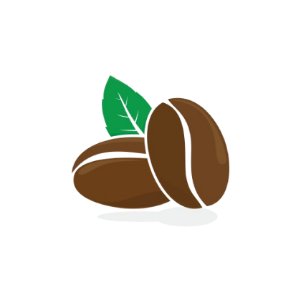
Coffe Sales Analysis 2019 - 2022
Top 5 Customers
 | Итог
Allis Wilmore | $317.07
Brenn Dundredge | $307.04
Terri Farra | $289.11
Nealson Cuttler | $281.67
Don Flintiff | $278.01

Total Sales
$45 134,26
Total Quantity
3551
Number of Customers
1000

Sales Dynamic
 | Итог
янв | $3503.04
фев | $4138.21
мар | $4795.78
апр | $4224.59
май | $3247.98
июн | $4843.04
июл | $3982.92
авг | $2326.90
сен | $3633.64
окт | $3800.08
ноя | $3548.43
дек | $3089.66
Coffe Type Sales
 | Итог
Arabica | $11768.49
Excelsa | $12306.44
Liberica | $12054.07
Robusta | $9005.25

