Petrolog_Output_FRAC_calc_param
****************** New calculation ********************

Modelling Crystallisation
Minerals chosen for calculations are:
Olv | Plg | Cpx | Opx | Pig | Ilm | Mgt
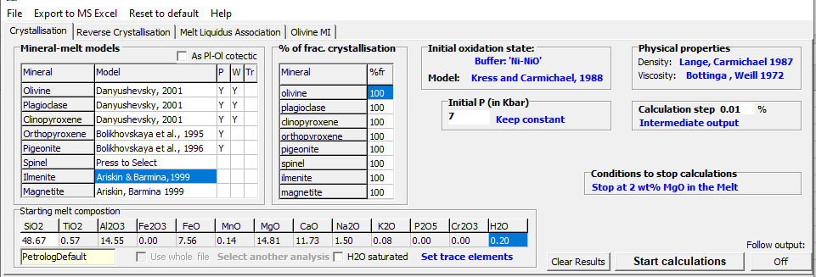
The model used for Olv is: Danyushevsky | 2001
Olv fractionation is: 100.00 %
The model used for Plg is: Danyushevsky | 2001
Plg fractionation is: 100.00 %
The model used for Cpx is: Danyushevsky | 2001
Cpx fractionation is: 100.00 %
The model used for Opx is: Bolikhovskaya et al. | 1995
Opx fractionation is: 100.00 %
The model used for Pig is: Bolikhovskaya et al. | 1996
Pig fractionation is: 100.00 %
The model used for Ilm is: Ariskin & Barmina | 1999
Ilm fractionation is: 100.00 %
The model used for Mgt is: Ariskin | Barmina 1999
Mgt fractionation is: 100.00 %
Fe2O3 in the melt is calculated using Ni-NiO buffer of oxygen fugacity
f(O2) is calculated following the model of Kress and Carmichael | 1988
Initial Pressure = 7 kbar
During calculations Pressure is kept constant
Melt density is calculated following the model of Lange & Carmichael 1987
Melt viscosity is calculated following the model of Bottinga & Weill 1972
Parameters to stop calculations at:
Final melt MgO content: 2 wt%
The amount of a mineral phase which will be extracted from
100% of melt on each step is: 0.01 %

