Raw_Annotations
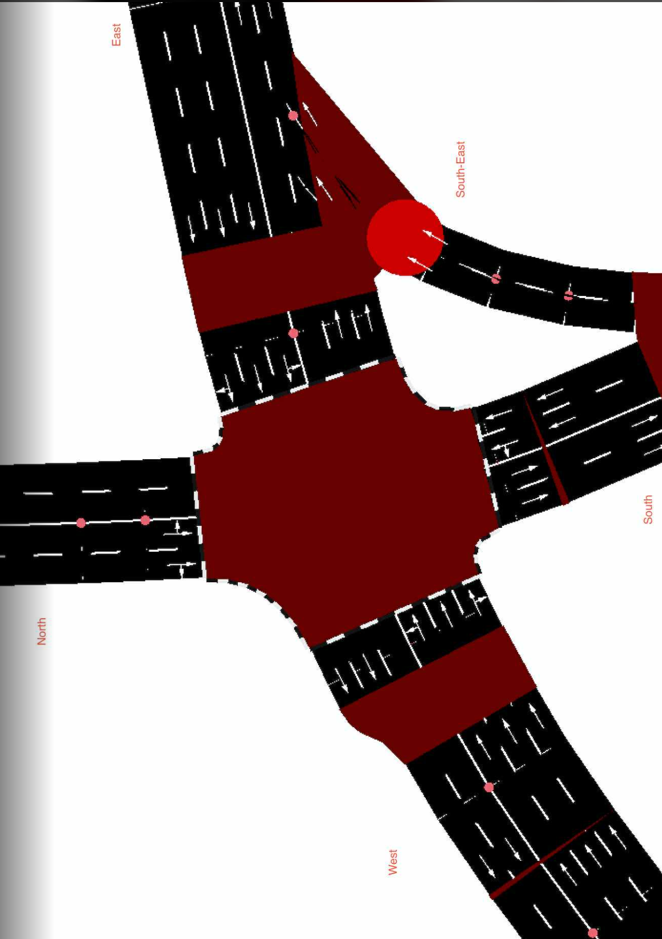
CycleID | LaneID | VehicleType | Count | CycleTime_s | AvgPassengers | PassengerEquivalent | Vehicle Size Factor | Vehicle Size Equivalent | Pass throughput per hr | Veh Throughput per hr
3 | EC_N | Car | 56 | 300 | 1.5 | 84 | 1 | 56 | 1008 | 672
3 | EC_N | Motorcycle | 29 | 300 | 1.2 | 34.8 | 0.35 | 10.15 | 417.6 | 348
3 | EC_N | Jeepney | 8 | 300 | 10 | 80 | 1.8 | 14.4 | 960 | 96
3 | EC_N | Bus | 2 | 300 | 30 | 60 | 2.8 | 5.6 | 720 | 24
3 | EC_N | Truck | 0 | 300 | 1 | 0 | 2.6 | 0 | 0 | 0
3 | EC_N | Tricycle | 0 | 300 | 2 | 0 | 0.6 | 0 | 0 | 0
3 | EC_S | Car | 12 | 300 | 1.5 | 18 | 1 | 12 | 216 | 144
3 | EC_S | Motorcycle | 1 | 300 | 1.2 | 1.2 | 0.35 | 0.35 | 14.4 | 12
3 | EC_S | Jeepney | 7 | 300 | 10 | 70 | 1.8 | 12.6 | 840 | 84
3 | EC_S | Bus | 2 | 300 | 30 | 60 | 2.8 | 5.6 | 720 | 24
3 | EC_S | Truck | 0 | 300 | 1 | 0 | 2.6 | 0 | 0 | 0
3 | EC_S | Tricycle | 0 | 300 | 2 | 0 | 0.6 | 0 | 0 | 0
3 | EC_E | Car | 68 | 300 | 1.5 | 102 | 1 | 68 | 1224 | 816
3 | EC_E | Motorcycle | 57 | 300 | 1.2 | 68.4 | 0.35 | 19.95 | 820.8 | 684
3 | EC_E | Jeepney | 12 | 300 | 10 | 120 | 1.8 | 21.6 | 1440 | 144
3 | EC_E | Bus | 2 | 300 | 30 | 60 | 2.8 | 5.6 | 720 | 24
3 | EC_E | Truck | 2 | 300 | 1 | 2 | 2.6 | 5.2 | 24 | 24
3 | EC_E | Tricycle | 0 | 300 | 2 | 0 | 0.6 | 0 | 0 | 0
3 | EC_W | Car | 76 | 300 | 1.5 | 114 | 1 | 76 | 1368 | 912
3 | EC_W | Motorcycle | 47 | 300 | 1.2 | 56.4 | 0.35 | 16.45 | 676.8 | 564
3 | EC_W | Jeepney | 11 | 300 | 10 | 110 | 1.8 | 19.8 | 1320 | 132
3 | EC_W | Bus | 2 | 300 | 30 | 60 | 2.8 | 5.6 | 720 | 24
3 | EC_W | Truck | 1 | 300 | 1 | 1 | 2.6 | 2.6 | 12 | 12
3 | EC_W | Tricycle | 0 | 300 | 2 | 0 | 0.6 | 0 | 0 | 0
3 | EC_SE | Car | 32 | 300 | 1.5 | 48 | 1 | 32 | 576 | 384
3 | EC_SE | Motorcycle | 20 | 300 | 1.2 | 24 | 0.35 | 7 | 288 | 240
3 | EC_SE | Jeepney | 9 | 300 | 10 | 90 | 1.8 | 16.2 | 1080 | 108
3 | EC_SE | Bus | 2 | 300 | 30 | 60 | 2.8 | 5.6 | 720 | 24
3 | EC_SE | Truck | 0 | 300 | 1 | 0 | 2.6 | 0 | 0 | 0
3 | EC_SE | Tricycle | 0 | 300 | 2 | 0 | 0.6 | 0 | 0 | 0

