Raw_Annotations
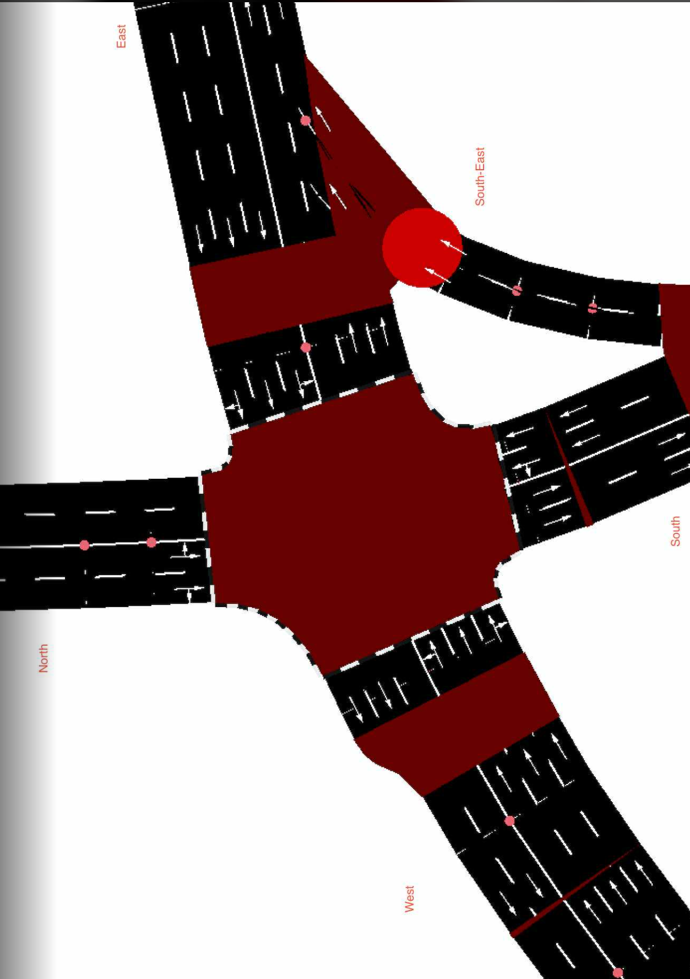
CycleID | LaneID | VehicleType | Count | CycleTime_s | AvgPassengers | PassengerEquivalent | Vehicle Size Factor | Vehicle Size Equivalent | Pass throughput per hr | Veh Throughput per hr
1 | EC_N | Car | 21 | 300 | 1.5 | 31.5 | 1 | 21 | 378 | 252
1 | EC_N | Motorcycle | 27 | 300 | 1.2 | 32.4 | 0.35 | 9.45 | 388.8 | 324
1 | EC_N | Jeepney | 7 | 300 | 10 | 70 | 1.8 | 12.6 | 840 | 84
1 | EC_N | Bus | 2 | 300 | 30 | 60 | 2.8 | 5.6 | 720 | 24
1 | EC_N | Truck | 1 | 300 | 1 | 1 | 2.6 | 2.6 | 12 | 12
1 | EC_N | Tricycle | 0 | 300 | 2 | 0 | 0.6 | 0 | 0 | 0
1 | EC_S | Car | 14 | 300 | 1.5 | 21 | 1 | 14 | 252 | 168
1 | EC_S | Motorcycle | 26 | 300 | 1.2 | 31.2 | 0.35 | 9.1 | 374.4 | 312
1 | EC_S | Jeepney | 9 | 300 | 10 | 90 | 1.8 | 16.2 | 1080 | 108
1 | EC_S | Bus | 2 | 300 | 30 | 60 | 2.8 | 5.6 | 720 | 24
1 | EC_S | Truck | 0 | 300 | 1 | 0 | 2.6 | 0 | 0 | 0
1 | EC_S | Tricycle | 0 | 300 | 2 | 0 | 0.6 | 0 | 0 | 0
1 | EC_E | Car | 75 | 300 | 1.5 | 112.5 | 1 | 75 | 1350 | 900 | //1st
1 | EC_E | Motorcycle | 28 | 300 | 1.2 | 33.6 | 0.35 | 9.8 | 403.2 | 336
1 | EC_E | Jeepney | 8 | 300 | 10 | 80 | 1.8 | 14.4 | 960 | 96
1 | EC_E | Bus | 1 | 300 | 30 | 30 | 2.8 | 2.8 | 360 | 12
1 | EC_E | Truck | 2 | 300 | 1 | 2 | 2.6 | 5.2 | 24 | 24
1 | EC_E | Tricycle | 0 | 300 | 2 | 0 | 0.6 | 0 | 0 | 0
1 | EC_W | Car | 62 | 300 | 1.5 | 93 | 1 | 62 | 1116 | 744
1 | EC_W | Motorcycle | 35 | 300 | 1.2 | 42 | 0.35 | 12.25 | 504 | 420
1 | EC_W | Jeepney | 12 | 300 | 10 | 120 | 1.8 | 21.6 | 1440 | 144
1 | EC_W | Bus | 2 | 300 | 30 | 60 | 2.8 | 5.6 | 720 | 24
1 | EC_W | Truck | 3 | 300 | 1 | 3 | 2.6 | 7.8 | 36 | 36
1 | EC_W | Tricycle | 1 | 300 | 2 | 2 | 0.6 | 0.6 | 24 | 12
1 | EC_SE | Car | 23 | 300 | 1.5 | 34.5 | 1 | 23 | 414 | 276
1 | EC_SE | Motorcycle | 16 | 300 | 1.2 | 19.2 | 0.35 | 5.6 | 230.4 | 192
1 | EC_SE | Jeepney | 9 | 300 | 10 | 90 | 1.8 | 16.2 | 1080 | 108
1 | EC_SE | Bus | 0 | 300 | 30 | 0 | 2.8 | 0 | 0 | 0
1 | EC_SE | Truck | 2 | 300 | 1 | 2 | 2.6 | 5.2 | 24 | 24
1 | EC_SE | Tricycle | 0 | 300 | 2 | 0 | 0.6 | 0 | 0 | 0

