Raw_Annotations
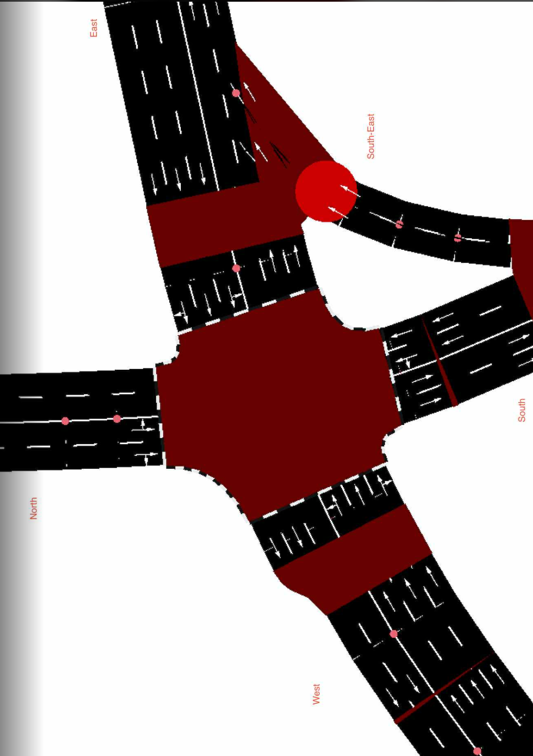
CycleID | LaneID | VehicleType | Count | CycleTime_s | AvgPassengers | PassengerEquivalent | Vehicle Size Factor | Vehicle Size Equivalent | Pass throughput per hr | Veh Throughput per hr
2 | EC_N | Car | 11 | 300 | 1.5 | 16.5 | 1 | 11 | 198 | 132
2 | EC_N | Motorcycle | 9 | 300 | 1.2 | 10.8 | 0.35 | 3.15 | 129.6 | 108 | 15
2 | EC_N | Jeepney | 4 | 300 | 10 | 40 | 1.8 | 7.2 | 480 | 48
2 | EC_N | Bus | 1 | 300 | 30 | 30 | 2.8 | 2.8 | 360 | 12
2 | EC_N | Truck | 0 | 300 | 1 | 0 | 2.6 | 0 | 0 | 0
2 | EC_N | Tricycle | 2 | 300 | 2 | 4 | 0.6 | 1.2 | 48 | 24
2 | EC_S | Car | 15 | 300 | 1.5 | 22.5 | 1 | 15 | 270 | 180
2 | EC_S | Motorcycle | 12 | 300 | 1.2 | 14.4 | 0.35 | 4.2 | 172.8 | 144
2 | EC_S | Jeepney | 4 | 300 | 10 | 40 | 1.8 | 7.2 | 480 | 48
2 | EC_S | Bus | 2 | 300 | 30 | 60 | 2.8 | 5.6 | 720 | 24
2 | EC_S | Truck | 0 | 300 | 1 | 0 | 2.6 | 0 | 0 | 0
2 | EC_S | Tricycle | 0 | 300 | 2 | 0 | 0.6 | 0 | 0 | 0
2 | EC_E | Car | 101 | 300 | 1.5 | 151.5 | 1 | 101 | 1818 | 1212 | //1st
2 | EC_E | Motorcycle | 59 | 300 | 1.2 | 70.8 | 0.35 | 20.65 | 849.6 | 708
2 | EC_E | Jeepney | 16 | 300 | 10 | 160 | 1.8 | 28.8 | 1920 | 192
2 | EC_E | Bus | 2 | 300 | 30 | 60 | 2.8 | 5.6 | 720 | 24
2 | EC_E | Truck | 1 | 300 | 1 | 1 | 2.6 | 2.6 | 12 | 12
2 | EC_E | Tricycle | 0 | 300 | 2 | 0 | 0.6 | 0 | 0 | 0
2 | EC_W | Car | 79 | 300 | 1.5 | 118.5 | 1 | 79 | 1422 | 948
2 | EC_W | Motorcycle | 56 | 300 | 1.2 | 67.2 | 0.35 | 19.6 | 806.4 | 672
2 | EC_W | Jeepney | 11 | 300 | 10 | 110 | 1.8 | 19.8 | 1320 | 132
2 | EC_W | Bus | 2 | 300 | 30 | 60 | 2.8 | 5.6 | 720 | 24
2 | EC_W | Truck | 0 | 300 | 1 | 0 | 2.6 | 0 | 0 | 0
2 | EC_W | Tricycle | 0 | 300 | 2 | 0 | 0.6 | 0 | 0 | 0
2 | EC_SE | Car | 25 | 300 | 1.5 | 37.5 | 1 | 25 | 450 | 300
2 | EC_SE | Motorcycle | 17 | 300 | 1.2 | 20.4 | 0.35 | 5.95 | 244.8 | 204
2 | EC_SE | Jeepney | 11 | 300 | 10 | 110 | 1.8 | 19.8 | 1320 | 132
2 | EC_SE | Bus | 0 | 300 | 30 | 0 | 2.8 | 0 | 0 | 0
2 | EC_SE | Truck | 1 | 300 | 1 | 1 | 2.6 | 2.6 | 12 | 12
2 | EC_SE | Tricycle | 0 | 300 | 2 | 0 | 0.6 | 0 | 0 | 0

