Raw_Annotations
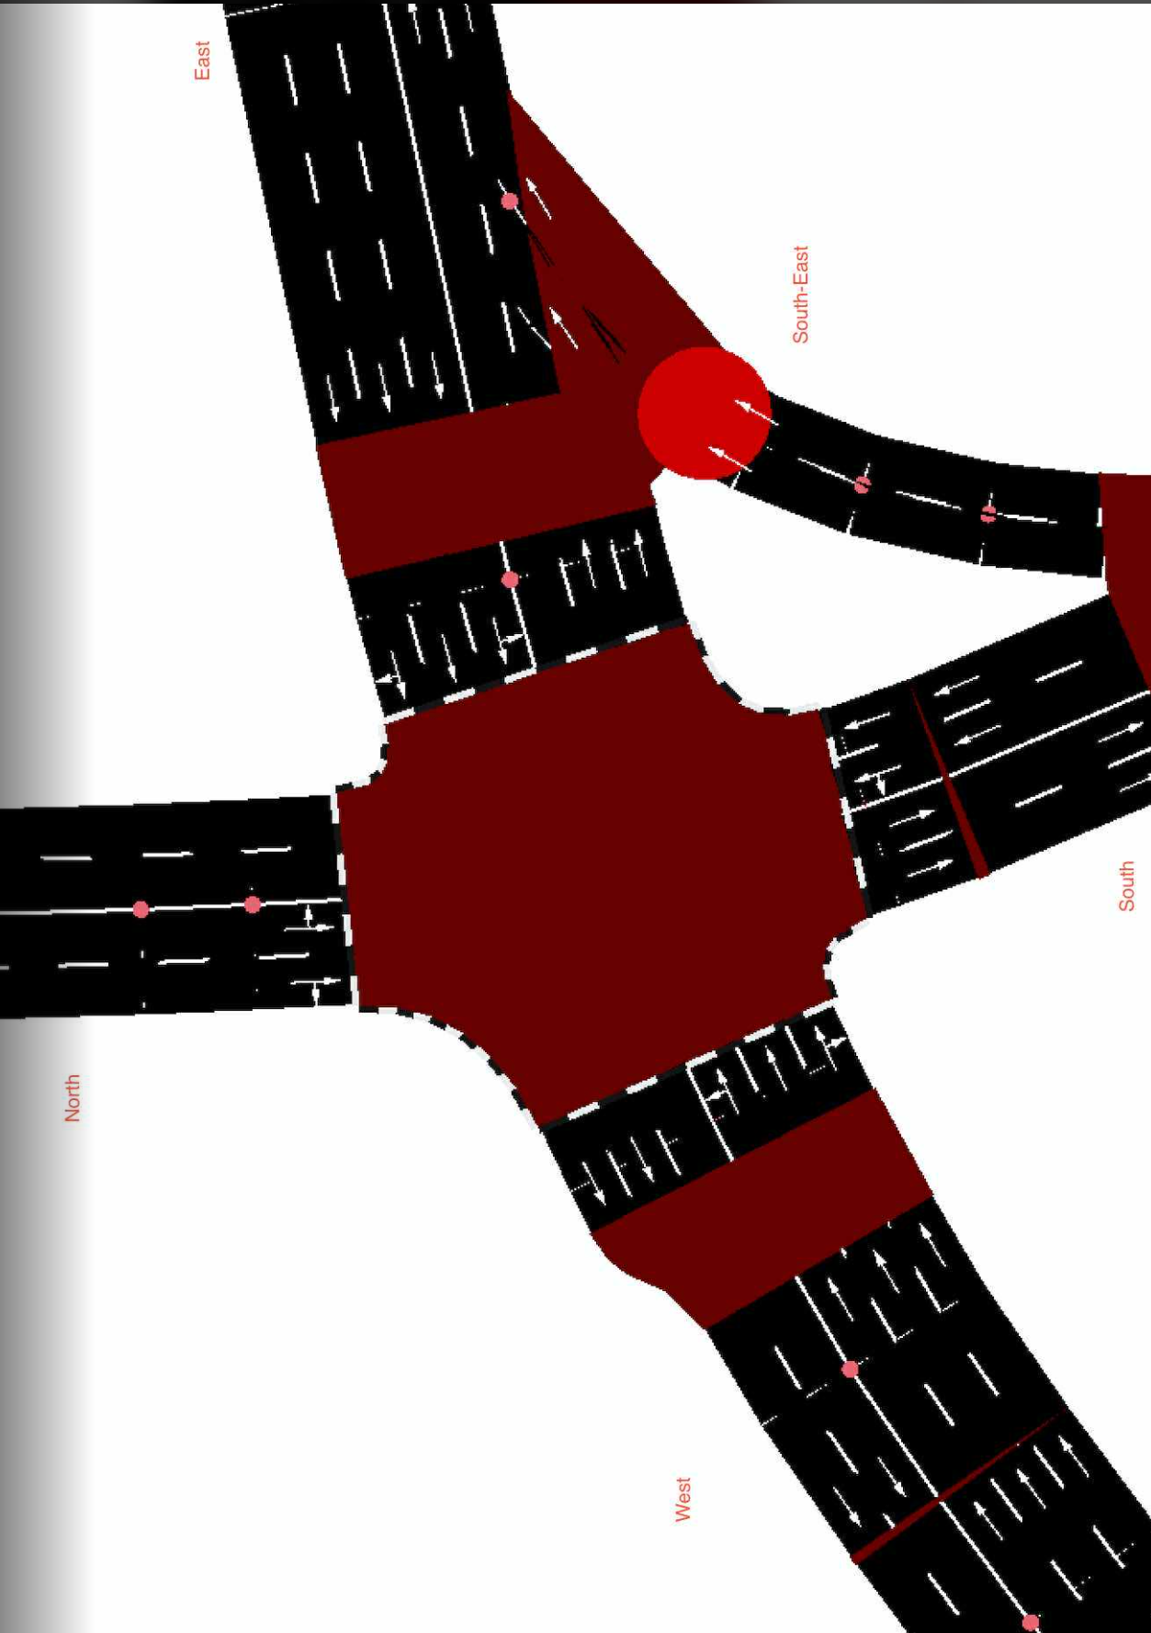
CycleID | LaneID | VehicleType | Count | CycleTime_s | AvgPassengers | PassengerEquivalent | Vehicle Size Factor | Vehicle Size Equivalent | Pass throughput per hr | Veh Throughput per hr
1 | EC_N | Car | 11 | 50 | 1.5 | 16.5 | 1 | 11 | 1188 | 792
1 | EC_N | Motorcycle | 15 | 50 | 1.2 | 18 | 0.35 | 5.25 | 1296 | 1080
1 | EC_N | Jeepney | 1 | 50 | 10 | 10 | 1.8 | 1.8 | 720 | 72
1 | EC_N | Bus | 1 | 50 | 30 | 30 | 2.8 | 2.8 | 2160 | 72
1 | EC_N | Truck | 0 | 50 | 1 | 0 | 2.6 | 0 | 0 | 0
1 | EC_N | Tricycle | 1 | 50 | 2 | 2 | 0.6 | 0.6 | 144 | 72
1 | EC_S | Car | 13 | 45 | 1.5 | 19.5 | 1 | 13 | 1560 | 1040
1 | EC_S | Motorcycle | 8 | 45 | 1.2 | 9.6 | 0.35 | 2.8 | 768 | 640
1 | EC_S | Jeepney | 4 | 45 | 10 | 40 | 1.8 | 7.2 | 3200 | 320
1 | EC_S | Bus | 0 | 45 | 30 | 0 | 2.8 | 0 | 0 | 0
1 | EC_S | Truck | 1 | 45 | 1 | 1 | 2.6 | 2.6 | 80 | 80
1 | EC_S | Tricycle | 1 | 45 | 2 | 2 | 0.6 | 0.6 | 160 | 80
1 | EC_E | Car | 97 | 110 | 1.5 | 145.5 | 1 | 97 | 4761.818182 | 3174.545455 | //1st
1 | EC_E | Motorcycle | 50 | 110 | 1.2 | 60 | 0.35 | 17.5 | 1963.636364 | 1636.363636
1 | EC_E | Jeepney | 7 | 110 | 10 | 70 | 1.8 | 12.6 | 2290.909091 | 229.0909091
1 | EC_E | Bus | 0 | 110 | 30 | 0 | 2.8 | 0 | 0 | 0
1 | EC_E | Truck | 2 | 110 | 1 | 2 | 2.6 | 5.2 | 65.45454545 | 65.45454545
1 | EC_E | Tricycle | 0 | 110 | 2 | 0 | 0.6 | 0 | 0 | 0
1 | EC_W | Car | 71 | 50 | 1.5 | 106.5 | 1 | 71 | 7668 | 5112
1 | EC_W | Motorcycle | 41 | 50 | 1.2 | 49.2 | 0.35 | 14.35 | 3542.4 | 2952
1 | EC_W | Jeepney | 9 | 50 | 10 | 90 | 1.8 | 16.2 | 6480 | 648
1 | EC_W | Bus | 2 | 50 | 30 | 60 | 2.8 | 5.6 | 4320 | 144
1 | EC_W | Truck | 3 | 50 | 1 | 3 | 2.6 | 7.8 | 216 | 216
1 | EC_W | Tricycle | 1 | 50 | 2 | 2 | 0.6 | 0.6 | 144 | 72
1 | EC_SE | Car | 20 | 80 | 1.5 | 30 | 1 | 20 | 1350 | 900
1 | EC_SE | Motorcycle | 17 | 80 | 1.2 | 20.4 | 0.35 | 5.95 | 918 | 765
1 | EC_SE | Jeepney | 6 | 80 | 10 | 60 | 1.8 | 10.8 | 2700 | 270
1 | EC_SE | Bus | 0 | 80 | 30 | 0 | 2.8 | 0 | 0 | 0
1 | EC_SE | Truck | 3 | 80 | 1 | 3 | 2.6 | 7.8 | 135 | 135
1 | EC_SE | Tricycle | 0 | 80 | 2 | 0 | 0.6 | 0 | 0 | 0

