Raw_Annotations
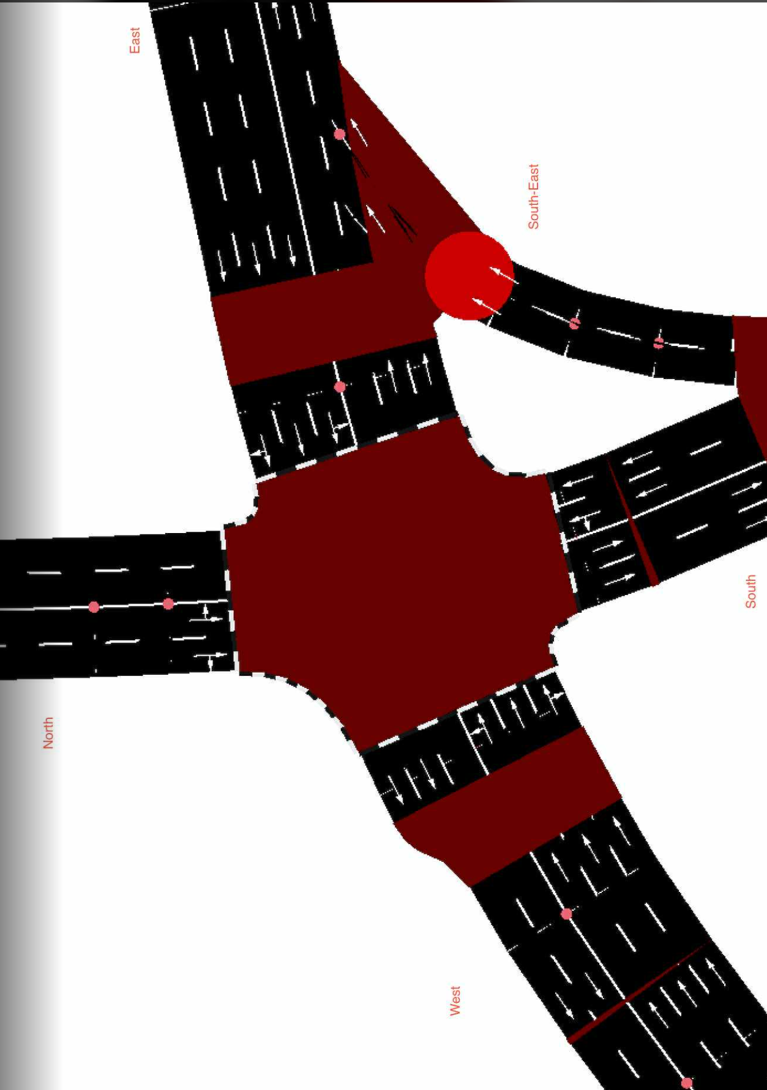
CycleID | LaneID | VehicleType | Count | CycleTime_s | AvgPassengers | PassengerEquivalent | Vehicle Size Factor | Vehicle Size Equivalent | Pass throughput per hr | Veh Throughput per hr
2 | EC_N | Car | 14 | 50 | 1.5 | 21 | 1 | 14 | 1512 | 1008
2 | EC_N | Motorcycle | 11 | 50 | 1.2 | 13.2 | 0.35 | 3.85 | 950.4 | 792 | 15
2 | EC_N | Jeepney | 3 | 50 | 10 | 30 | 1.8 | 5.4 | 2160 | 216
2 | EC_N | Bus | 1 | 50 | 30 | 30 | 2.8 | 2.8 | 2160 | 72
2 | EC_N | Truck | 0 | 50 | 1 | 0 | 2.6 | 0 | 0 | 0
2 | EC_N | Tricycle | 2 | 50 | 2 | 4 | 0.6 | 1.2 | 288 | 144
2 | EC_S | Car | 12 | 45 | 1.5 | 18 | 1 | 12 | 1440 | 960
2 | EC_S | Motorcycle | 7 | 45 | 1.2 | 8.4 | 0.35 | 2.45 | 672 | 560
2 | EC_S | Jeepney | 2 | 45 | 10 | 20 | 1.8 | 3.6 | 1600 | 160
2 | EC_S | Bus | 0 | 45 | 30 | 0 | 2.8 | 0 | 0 | 0
2 | EC_S | Truck | 2 | 45 | 1 | 2 | 2.6 | 5.2 | 160 | 160
2 | EC_S | Tricycle | 0 | 45 | 2 | 0 | 0.6 | 0 | 0 | 0
2 | EC_E | Car | 98 | 110 | 1.5 | 147 | 1 | 98 | 4810.909091 | 3207.272727 | //1st
2 | EC_E | Motorcycle | 67 | 110 | 1.2 | 80.4 | 0.35 | 23.45 | 2631.272727 | 2192.727273
2 | EC_E | Jeepney | 17 | 110 | 10 | 170 | 1.8 | 30.6 | 5563.636364 | 556.3636364
2 | EC_E | Bus | 0 | 110 | 30 | 0 | 2.8 | 0 | 0 | 0
2 | EC_E | Truck | 3 | 110 | 1 | 3 | 2.6 | 7.8 | 98.18181818 | 98.18181818
2 | EC_E | Tricycle | 0 | 110 | 2 | 0 | 0.6 | 0 | 0 | 0
2 | EC_W | Car | 74 | 50 | 1.5 | 111 | 1 | 74 | 7992 | 5328
2 | EC_W | Motorcycle | 48 | 50 | 1.2 | 57.6 | 0.35 | 16.8 | 4147.2 | 3456
2 | EC_W | Jeepney | 12 | 50 | 10 | 120 | 1.8 | 21.6 | 8640 | 864
2 | EC_W | Bus | 2 | 50 | 30 | 60 | 2.8 | 5.6 | 4320 | 144
2 | EC_W | Truck | 1 | 50 | 1 | 1 | 2.6 | 2.6 | 72 | 72
2 | EC_W | Tricycle | 0 | 50 | 2 | 0 | 0.6 | 0 | 0 | 0
2 | EC_SE | Car | 21 | 80 | 1.5 | 31.5 | 1 | 21 | 1417.5 | 945
2 | EC_SE | Motorcycle | 16 | 80 | 1.2 | 19.2 | 0.35 | 5.6 | 864 | 720
2 | EC_SE | Jeepney | 8 | 80 | 10 | 80 | 1.8 | 14.4 | 3600 | 360
2 | EC_SE | Bus | 0 | 80 | 30 | 0 | 2.8 | 0 | 0 | 0
2 | EC_SE | Truck | 2 | 80 | 1 | 2 | 2.6 | 5.2 | 90 | 90
2 | EC_SE | Tricycle | 0 | 80 | 2 | 0 | 0.6 | 0 | 0 | 0

