Raw_Annotations
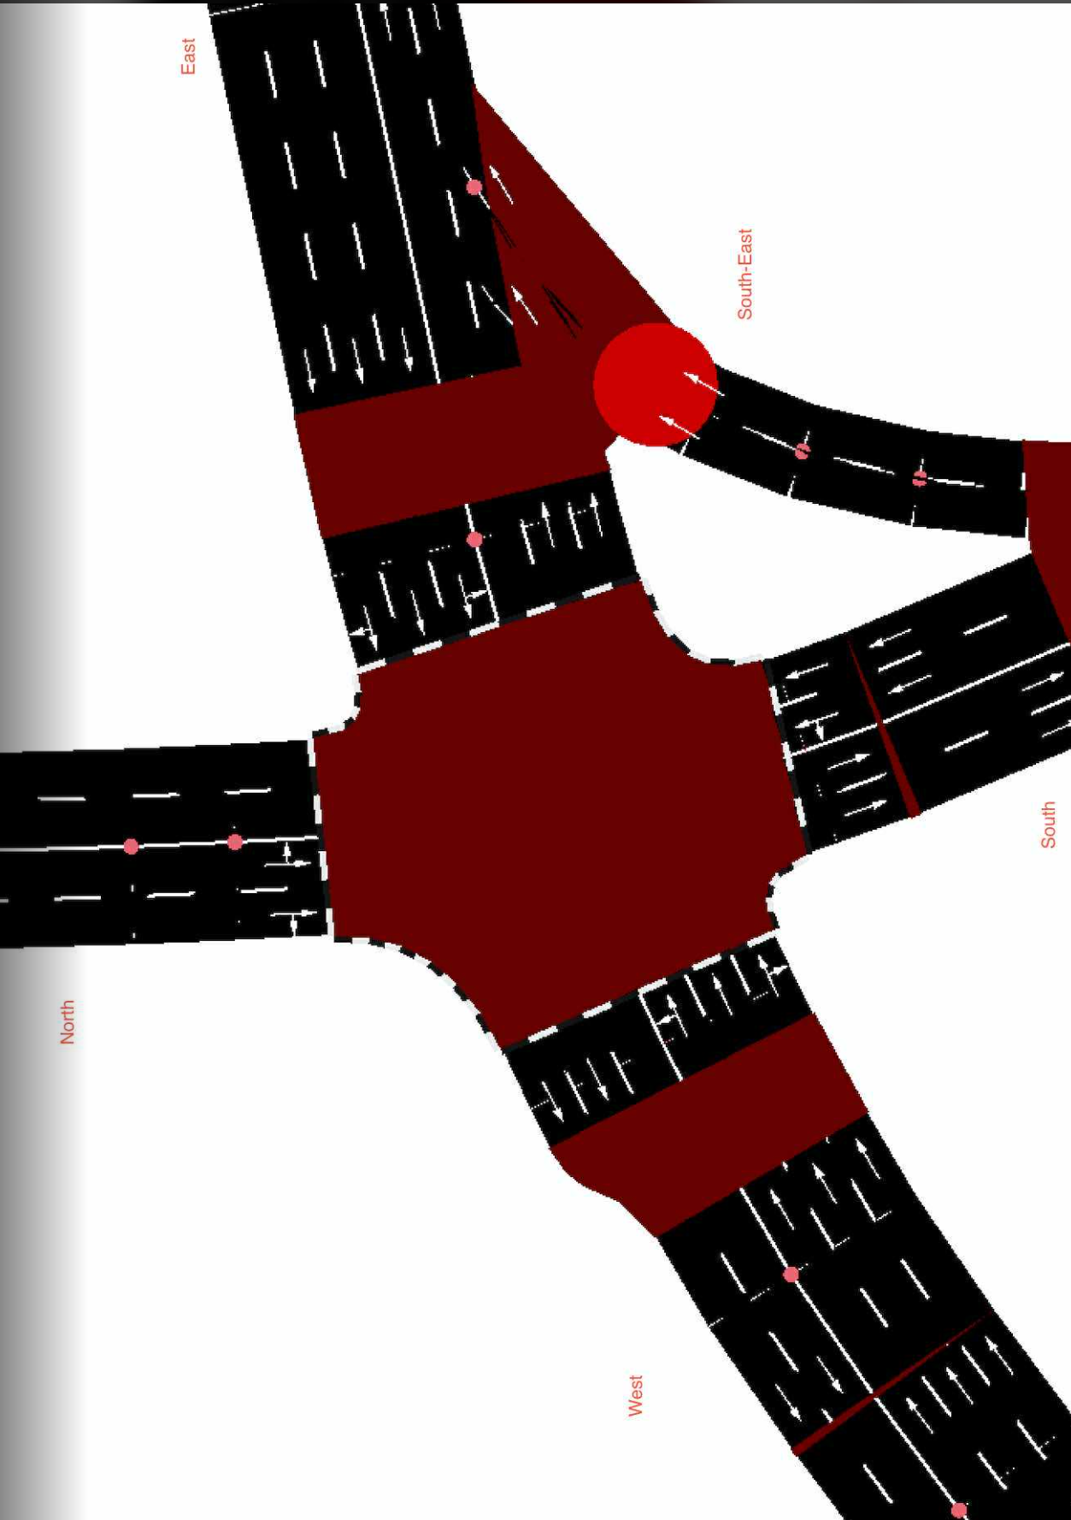
CycleID | LaneID | VehicleType | Count | CycleTime_s | AvgPassengers | PassengerEquivalent | Vehicle Size Factor | Vehicle Size Equivalent | Pass throughput per hr | Veh Throughput per hr
3 | EC_N | Car | 47 | 50 | 1.5 | 70.5 | 1 | 47 | 5076 | 3384
3 | EC_N | Motorcycle | 35 | 50 | 1.2 | 42 | 0.35 | 12.25 | 3024 | 2520 | 15
3 | EC_N | Jeepney | 7 | 50 | 10 | 70 | 1.8 | 12.6 | 5040 | 504
3 | EC_N | Bus | 0 | 50 | 30 | 0 | 2.8 | 0 | 0 | 0
3 | EC_N | Truck | 0 | 50 | 1 | 0 | 2.6 | 0 | 0 | 0
3 | EC_N | Tricycle | 3 | 50 | 2 | 6 | 0.6 | 1.8 | 432 | 216
3 | EC_S | Car | 9 | 45 | 1.5 | 13.5 | 1 | 9 | 1080 | 720
3 | EC_S | Motorcycle | 1 | 45 | 1.2 | 1.2 | 0.35 | 0.35 | 96 | 80
3 | EC_S | Jeepney | 0 | 45 | 10 | 0 | 1.8 | 0 | 0 | 0
3 | EC_S | Bus | 0 | 45 | 30 | 0 | 2.8 | 0 | 0 | 0
3 | EC_S | Truck | 0 | 45 | 1 | 0 | 2.6 | 0 | 0 | 0
3 | EC_S | Tricycle | 1 | 45 | 2 | 2 | 0.6 | 0.6 | 160 | 80
3 | EC_E | Car | 90 | 110 | 1.5 | 135 | 1 | 90 | 4418.181818 | 2945.454545 | //1st
3 | EC_E | Motorcycle | 69 | 110 | 1.2 | 82.8 | 0.35 | 24.15 | 2709.818182 | 2258.181818
3 | EC_E | Jeepney | 10 | 110 | 10 | 100 | 1.8 | 18 | 3272.727273 | 327.2727273
3 | EC_E | Bus | 1 | 110 | 30 | 30 | 2.8 | 2.8 | 981.8181818 | 32.72727273
3 | EC_E | Truck | 4 | 110 | 1 | 4 | 2.6 | 10.4 | 130.9090909 | 130.9090909
3 | EC_E | Tricycle | 0 | 110 | 2 | 0 | 0.6 | 0 | 0 | 0
3 | EC_W | Car | 75 | 50 | 1.5 | 112.5 | 1 | 75 | 8100 | 5400
3 | EC_W | Motorcycle | 48 | 50 | 1.2 | 57.6 | 0.35 | 16.8 | 4147.2 | 3456
3 | EC_W | Jeepney | 8 | 50 | 10 | 80 | 1.8 | 14.4 | 5760 | 576
3 | EC_W | Bus | 2 | 50 | 30 | 60 | 2.8 | 5.6 | 4320 | 144
3 | EC_W | Truck | 2 | 50 | 1 | 2 | 2.6 | 5.2 | 144 | 144
3 | EC_W | Tricycle | 0 | 50 | 2 | 0 | 0.6 | 0 | 0 | 0
3 | EC_SE | Car | 26 | 80 | 1.5 | 39 | 1 | 26 | 1755 | 1170
3 | EC_SE | Motorcycle | 20 | 80 | 1.2 | 24 | 0.35 | 7 | 1080 | 900
3 | EC_SE | Jeepney | 5 | 80 | 10 | 50 | 1.8 | 9 | 2250 | 225
3 | EC_SE | Bus | 0 | 80 | 30 | 0 | 2.8 | 0 | 0 | 0
3 | EC_SE | Truck | 0 | 80 | 1 | 0 | 2.6 | 0 | 0 | 0
3 | EC_SE | Tricycle | 0 | 80 | 2 | 0 | 0.6 | 0 | 0 | 0

