Raw_Annotations
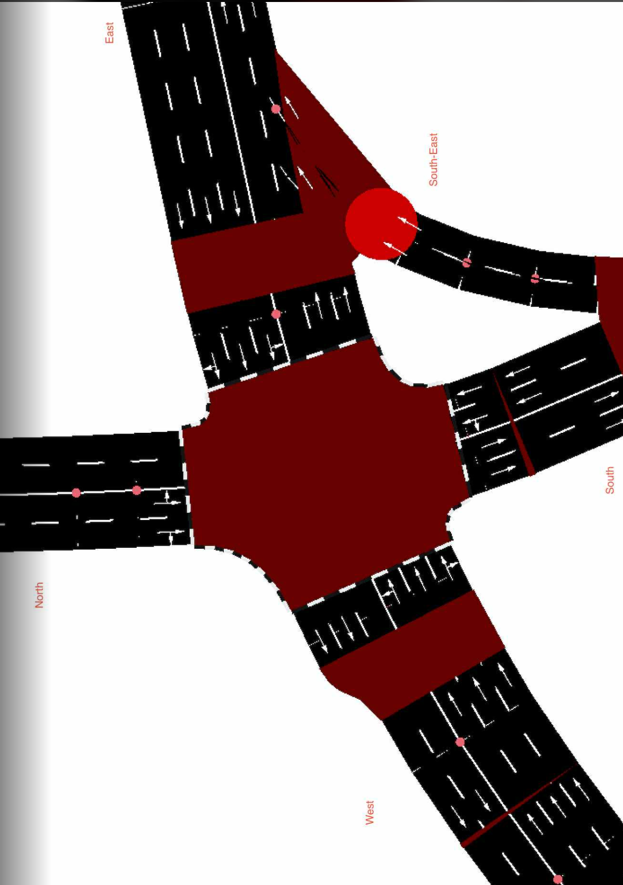
CycleID | LaneID | VehicleType | Count | CycleTime_s | AvgPassengers | PassengerEquivalent | Vehicle Size Factor | Vehicle Size Equivalent | Pass throughput per hr | Veh Throughput per hr
3 | EC_N | Car | 47 | 300 | 1.5 | 70.5 | 1 | 47 | 846 | 564
3 | EC_N | Motorcycle | 35 | 300 | 1.2 | 42 | 0.35 | 12.25 | 504 | 420 | 15
3 | EC_N | Jeepney | 9 | 300 | 10 | 90 | 1.8 | 16.2 | 1080 | 108
3 | EC_N | Bus | 1 | 300 | 30 | 30 | 2.8 | 2.8 | 360 | 12
3 | EC_N | Truck | 0 | 300 | 1 | 0 | 2.6 | 0 | 0 | 0
3 | EC_N | Tricycle | 3 | 300 | 2 | 6 | 0.6 | 1.8 | 72 | 36
3 | EC_S | Car | 9 | 300 | 1.5 | 13.5 | 1 | 9 | 162 | 108
3 | EC_S | Motorcycle | 1 | 300 | 1.2 | 1.2 | 0.35 | 0.35 | 14.4 | 12
3 | EC_S | Jeepney | 3 | 300 | 10 | 30 | 1.8 | 5.4 | 360 | 36
3 | EC_S | Bus | 1 | 300 | 30 | 30 | 2.8 | 2.8 | 360 | 12
3 | EC_S | Truck | 0 | 300 | 1 | 0 | 2.6 | 0 | 0 | 0
3 | EC_S | Tricycle | 1 | 300 | 2 | 2 | 0.6 | 0.6 | 24 | 12
3 | EC_E | Car | 75 | 300 | 1.5 | 112.5 | 1 | 75 | 1350 | 900 | //1st
3 | EC_E | Motorcycle | 58 | 300 | 1.2 | 69.6 | 0.35 | 20.3 | 835.2 | 696
3 | EC_E | Jeepney | 10 | 300 | 10 | 100 | 1.8 | 18 | 1200 | 120
3 | EC_E | Bus | 1 | 300 | 30 | 30 | 2.8 | 2.8 | 360 | 12
3 | EC_E | Truck | 4 | 300 | 1 | 4 | 2.6 | 10.4 | 48 | 48
3 | EC_E | Tricycle | 0 | 300 | 2 | 0 | 0.6 | 0 | 0 | 0
3 | EC_W | Car | 80 | 300 | 1.5 | 120 | 1 | 80 | 1440 | 960
3 | EC_W | Motorcycle | 57 | 300 | 1.2 | 68.4 | 0.35 | 19.95 | 820.8 | 684
3 | EC_W | Jeepney | 9 | 300 | 10 | 90 | 1.8 | 16.2 | 1080 | 108
3 | EC_W | Bus | 1 | 300 | 30 | 30 | 2.8 | 2.8 | 360 | 12
3 | EC_W | Truck | 1 | 300 | 1 | 1 | 2.6 | 2.6 | 12 | 12
3 | EC_W | Tricycle | 0 | 300 | 2 | 0 | 0.6 | 0 | 0 | 0
3 | EC_SE | Car | 32 | 300 | 1.5 | 48 | 1 | 32 | 576 | 384
3 | EC_SE | Motorcycle | 20 | 300 | 1.2 | 24 | 0.35 | 7 | 288 | 240
3 | EC_SE | Jeepney | 7 | 300 | 10 | 70 | 1.8 | 12.6 | 840 | 84
3 | EC_SE | Bus | 0 | 300 | 30 | 0 | 2.8 | 0 | 0 | 0
3 | EC_SE | Truck | 1 | 300 | 1 | 1 | 2.6 | 2.6 | 12 | 12
3 | EC_SE | Tricycle | 0 | 300 | 2 | 0 | 0.6 | 0 | 0 | 0

