Raw_Annotations
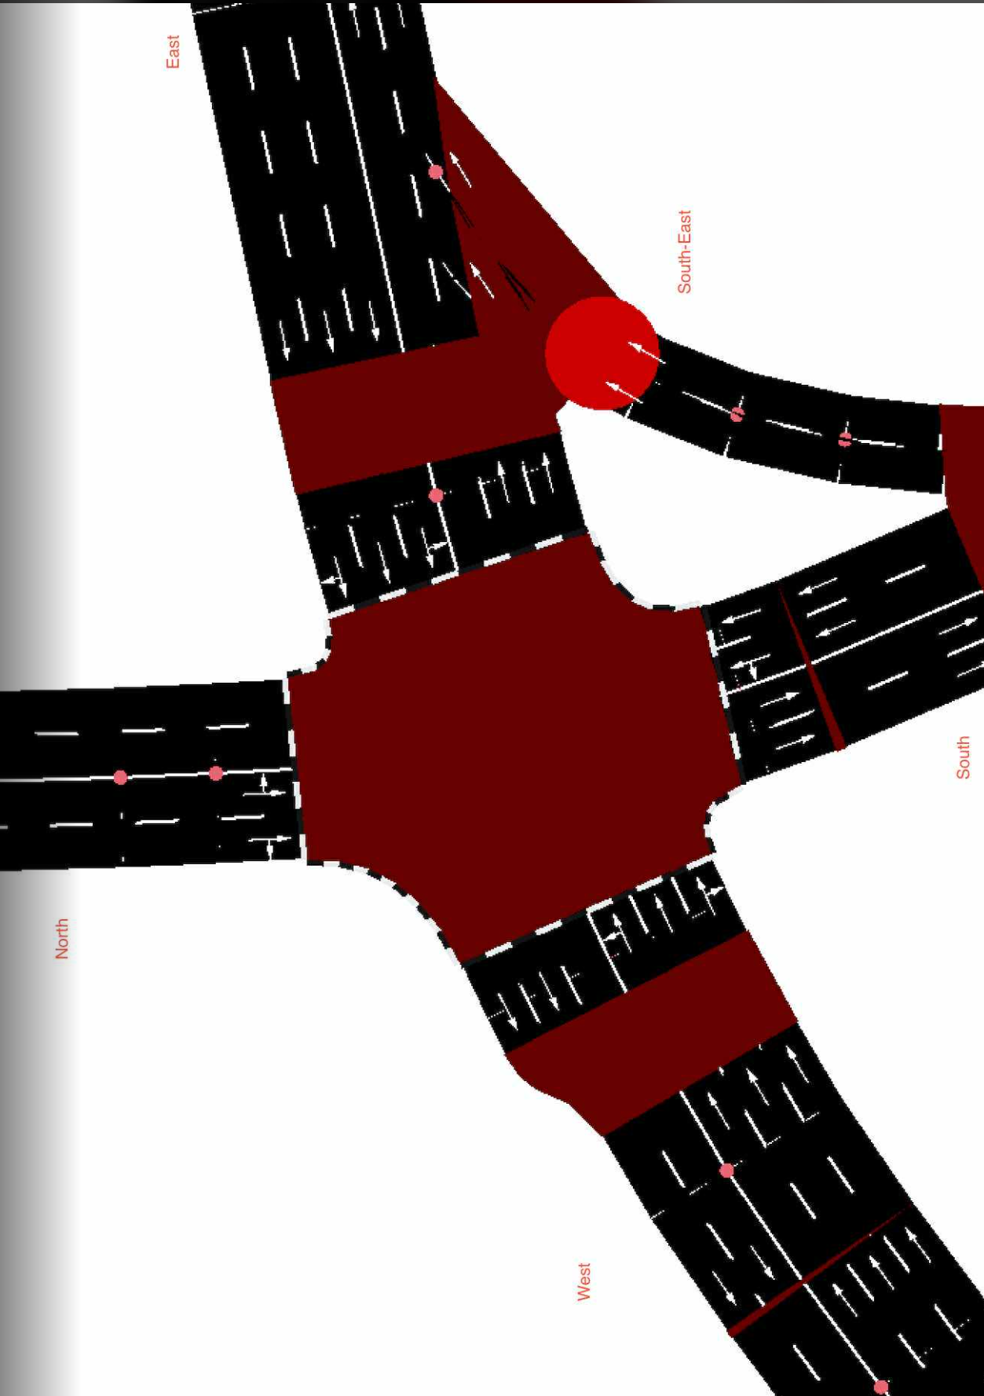
CycleID | LaneID | VehicleType | Count | CycleTime_s | AvgPassengers | PassengerEquivalent | Vehicle Size Factor | Vehicle Size Equivalent | Pass throughput per hr | Veh Throughput per hr
1 | EC_N | Car | 11 | 300 | 1.5 | 16.5 | 1 | 11 | 198 | 132
1 | EC_N | Motorcycle | 15 | 300 | 1.2 | 18 | 0.35 | 5.25 | 216 | 180
1 | EC_N | Jeepney | 1 | 300 | 10 | 10 | 1.8 | 1.8 | 120 | 12
1 | EC_N | Bus | 1 | 300 | 30 | 30 | 2.8 | 2.8 | 360 | 12
1 | EC_N | Truck | 0 | 300 | 1 | 0 | 2.6 | 0 | 0 | 0
1 | EC_N | Tricycle | 1 | 300 | 2 | 2 | 0.6 | 0.6 | 24 | 12
1 | EC_S | Car | 13 | 300 | 1.5 | 19.5 | 1 | 13 | 234 | 156
1 | EC_S | Motorcycle | 8 | 300 | 1.2 | 9.6 | 0.35 | 2.8 | 115.2 | 96
1 | EC_S | Jeepney | 4 | 300 | 10 | 40 | 1.8 | 7.2 | 480 | 48
1 | EC_S | Bus | 0 | 300 | 30 | 0 | 2.8 | 0 | 0 | 0
1 | EC_S | Truck | 1 | 300 | 1 | 1 | 2.6 | 2.6 | 12 | 12
1 | EC_S | Tricycle | 1 | 300 | 2 | 2 | 0.6 | 0.6 | 24 | 12
1 | EC_E | Car | 97 | 300 | 1.5 | 145.5 | 1 | 97 | 1746 | 1164 | //1st
1 | EC_E | Motorcycle | 50 | 300 | 1.2 | 60 | 0.35 | 17.5 | 720 | 600
1 | EC_E | Jeepney | 7 | 300 | 10 | 70 | 1.8 | 12.6 | 840 | 84
1 | EC_E | Bus | 0 | 300 | 30 | 0 | 2.8 | 0 | 0 | 0
1 | EC_E | Truck | 2 | 300 | 1 | 2 | 2.6 | 5.2 | 24 | 24
1 | EC_E | Tricycle | 0 | 300 | 2 | 0 | 0.6 | 0 | 0 | 0
1 | EC_W | Car | 71 | 300 | 1.5 | 106.5 | 1 | 71 | 1278 | 852
1 | EC_W | Motorcycle | 41 | 300 | 1.2 | 49.2 | 0.35 | 14.35 | 590.4 | 492
1 | EC_W | Jeepney | 9 | 300 | 10 | 90 | 1.8 | 16.2 | 1080 | 108
1 | EC_W | Bus | 2 | 300 | 30 | 60 | 2.8 | 5.6 | 720 | 24
1 | EC_W | Truck | 3 | 300 | 1 | 3 | 2.6 | 7.8 | 36 | 36
1 | EC_W | Tricycle | 1 | 300 | 2 | 2 | 0.6 | 0.6 | 24 | 12
1 | EC_SE | Car | 20 | 300 | 1.5 | 30 | 1 | 20 | 360 | 240
1 | EC_SE | Motorcycle | 17 | 300 | 1.2 | 20.4 | 0.35 | 5.95 | 244.8 | 204
1 | EC_SE | Jeepney | 6 | 300 | 10 | 60 | 1.8 | 10.8 | 720 | 72
1 | EC_SE | Bus | 0 | 300 | 30 | 0 | 2.8 | 0 | 0 | 0
1 | EC_SE | Truck | 3 | 300 | 1 | 3 | 2.6 | 7.8 | 36 | 36
1 | EC_SE | Tricycle | 0 | 300 | 2 | 0 | 0.6 | 0 | 0 | 0

