Raw_Annotations
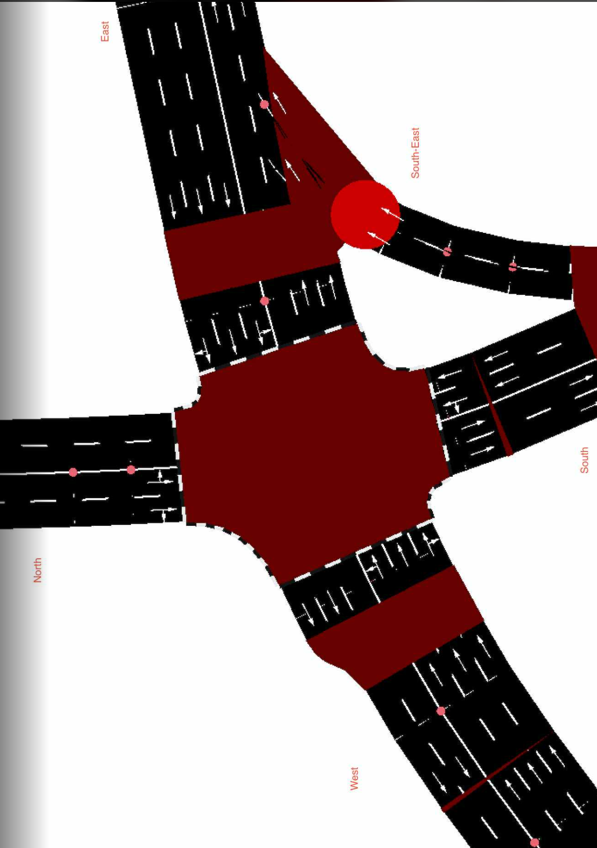
CycleID | LaneID | VehicleType | Count | CycleTime_s | AvgPassengers | PassengerEquivalent | Vehicle Size Factor | Vehicle Size Equivalent | Pass throughput per hr | Veh Throughput per hr
2 | EC_N | Car | 14 | 300 | 1.5 | 21 | 1 | 14 | 252 | 168
2 | EC_N | Motorcycle | 11 | 300 | 1.2 | 13.2 | 0.35 | 3.85 | 158.4 | 132 | 15
2 | EC_N | Jeepney | 3 | 300 | 10 | 30 | 1.8 | 5.4 | 360 | 36
2 | EC_N | Bus | 1 | 300 | 30 | 30 | 2.8 | 2.8 | 360 | 12
2 | EC_N | Truck | 0 | 300 | 1 | 0 | 2.6 | 0 | 0 | 0
2 | EC_N | Tricycle | 2 | 300 | 2 | 4 | 0.6 | 1.2 | 48 | 24
2 | EC_S | Car | 12 | 300 | 1.5 | 18 | 1 | 12 | 216 | 144
2 | EC_S | Motorcycle | 7 | 300 | 1.2 | 8.4 | 0.35 | 2.45 | 100.8 | 84
2 | EC_S | Jeepney | 2 | 300 | 10 | 20 | 1.8 | 3.6 | 240 | 24
2 | EC_S | Bus | 0 | 300 | 30 | 0 | 2.8 | 0 | 0 | 0
2 | EC_S | Truck | 2 | 300 | 1 | 2 | 2.6 | 5.2 | 24 | 24
2 | EC_S | Tricycle | 0 | 300 | 2 | 0 | 0.6 | 0 | 0 | 0
2 | EC_E | Car | 98 | 300 | 1.5 | 147 | 1 | 98 | 1764 | 1176 | //1st
2 | EC_E | Motorcycle | 67 | 300 | 1.2 | 80.4 | 0.35 | 23.45 | 964.8 | 804
2 | EC_E | Jeepney | 17 | 300 | 10 | 170 | 1.8 | 30.6 | 2040 | 204
2 | EC_E | Bus | 0 | 300 | 30 | 0 | 2.8 | 0 | 0 | 0
2 | EC_E | Truck | 3 | 300 | 1 | 3 | 2.6 | 7.8 | 36 | 36
2 | EC_E | Tricycle | 0 | 300 | 2 | 0 | 0.6 | 0 | 0 | 0
2 | EC_W | Car | 74 | 300 | 1.5 | 111 | 1 | 74 | 1332 | 888
2 | EC_W | Motorcycle | 48 | 300 | 1.2 | 57.6 | 0.35 | 16.8 | 691.2 | 576
2 | EC_W | Jeepney | 12 | 300 | 10 | 120 | 1.8 | 21.6 | 1440 | 144
2 | EC_W | Bus | 2 | 300 | 30 | 60 | 2.8 | 5.6 | 720 | 24
2 | EC_W | Truck | 1 | 300 | 1 | 1 | 2.6 | 2.6 | 12 | 12
2 | EC_W | Tricycle | 0 | 300 | 2 | 0 | 0.6 | 0 | 0 | 0
2 | EC_SE | Car | 21 | 300 | 1.5 | 31.5 | 1 | 21 | 378 | 252
2 | EC_SE | Motorcycle | 16 | 300 | 1.2 | 19.2 | 0.35 | 5.6 | 230.4 | 192
2 | EC_SE | Jeepney | 8 | 300 | 10 | 80 | 1.8 | 14.4 | 960 | 96
2 | EC_SE | Bus | 0 | 300 | 30 | 0 | 2.8 | 0 | 0 | 0
2 | EC_SE | Truck | 2 | 300 | 1 | 2 | 2.6 | 5.2 | 24 | 24
2 | EC_SE | Tricycle | 0 | 300 | 2 | 0 | 0.6 | 0 | 0 | 0

