Power
Batteries max current (A) | Battery count | Max watts | Thing | Power usage each (watts) | Count | Total usage | Amps @ 12v
200 | 6 | 14400 | LEDs | 72 | 30 | 2160 | 180
 |  |  | Speakers | 2000 | 2 | 4000 | 333.3333333
 |  |  | Subwoofer | 1000 | 1 | 1000 | 83.33333333
 |  |  | Other lights | 100 | 1 | 100 | 8.333333333
 |  |  | Freezer | 400 | 1 | 400 | 33.33333333

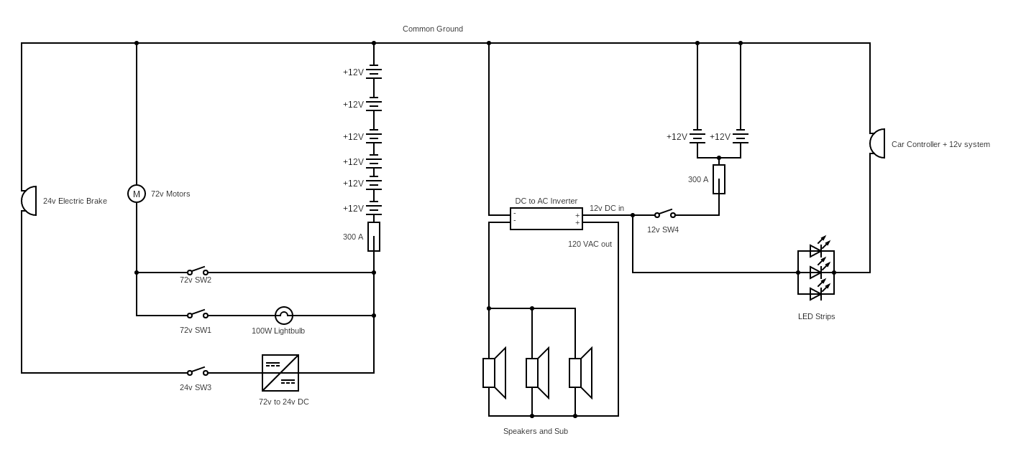
 |  |  |  |  | Total | 7660

