Info
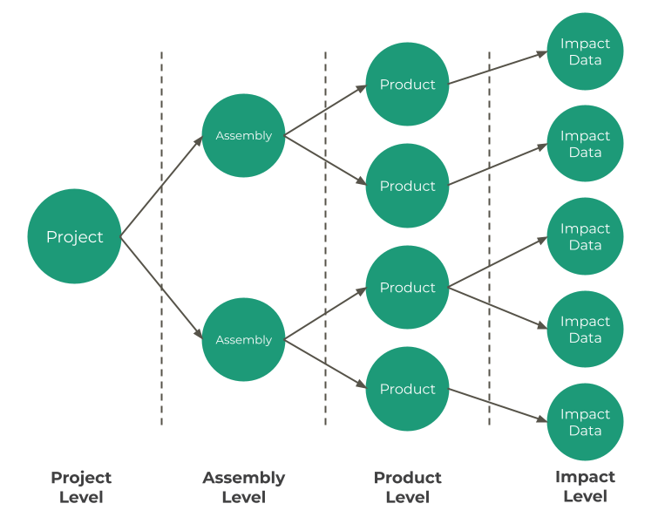
 | v0.2.0 Open Building Data Format (openBDF)
Publication Date: XXX, 2024
Authors: Christian Kongsgaard - Christian Kongsgaard ApS Martin Röck - RISE Labs
Description: To advance global whole life carbon data reporting we here present the open building data format (openBDF). The openBDF aligns with and incorporates best practice from leading initiatives such as ECHO, and utilizes the LCAx data structure.
JSON Schema: The schema presented here is a table representation of the real schema, which can be found here https://openbdf.gbdi.io in JSON Schema format. We present here the table format as it is easier for the non-technical reader to comprehend the available fields.
Data Structure: openBDF adopts LCAx's nested data structure, which can be visualized in the diagram below. The data structure consists of 4 levels: Project, Assembly, Product and Impact Data. All 4 levels are represented in this document. The Project level has its own tab called "Project", whereas the Assembly Product and Impact Data level can be found in the "Assemblies" tab.

