Project name define
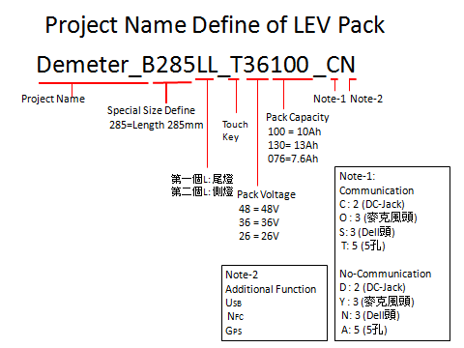

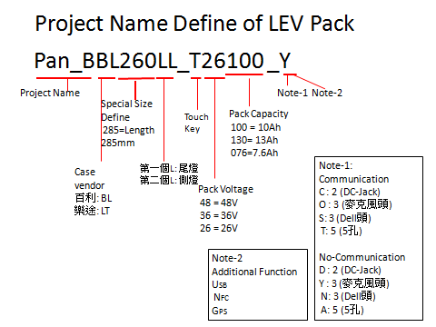

LEV engineer sample label
LEV Engineer Sample label rule code
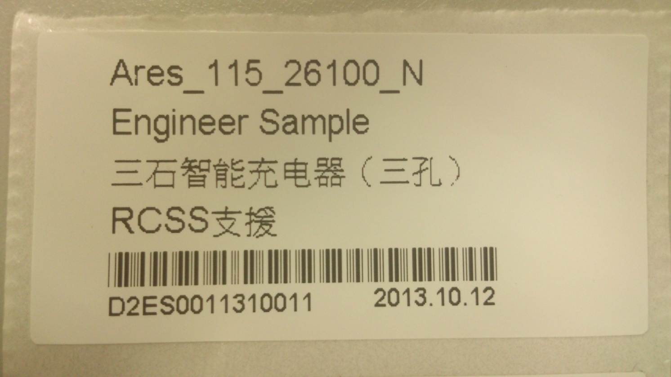

D2ES1310120011

 | 电池组版本码

 | SN(采用十进制）

 | 年月日代码（2013年10月12日代码131012）

 | 工程样品代码:ES

 | 电芯代码（Panasonic:1 SDI:2）

 | Dynapack代码:D

CHG DSG OP
CHG OP |  |  |  |  |  |  | DSG OP

R-sense | 3.3333333333 | mR ==> | 0.0033333333333 | R |  |  | R-sense | 3.3333333333 | mR ==> | 0.0033333333333 | R
CGH OP |  |  |  |  |  |  | CGH OP
R1 | 68 | kR |  |  |  |  | R1 | 80.6 | kR
R2 | 1 | kR |  |  |  |  | R2 | 4.12 | kR
Gain= | R1/R2 | 68 |  |  |  |  | Gain= | R1/R2 | 23.3 | 19.563106796
ADC calculate |  |  |  |  |  |  | ADC calculate
ADC res. | 10 | bits ==> | 1024 |  |  |  | ADC res. | 10 | bits ==> | 1024 |  | mA to ADC factor
ADC Ref. | 2.5 | V |  | mA to ADC factor |  |  | ADC Ref. | 2.5 | V |  |  | Factor = Rsense(R) * op_gain / ADC step(mV)
a step | 2.44140625 | mV |  | Factor = Rsense(R) * op_gain / ADC step(mV) |  |  | a step | 2.44140625 | mV
ADC_OFFSET |  |  |  |  |  |  | ADC_OFFSET | 5

Current(mA) | V-Rsense(mv) | OP-Output(mV) | ADC |  | mA to ADC factor | 10mA to ADC factor | Current(mA) | V-Rsense(mv) | OP-Output(mV) | ADC |  | mA to ADC factor
50 | 0.167 | 11.356 | 4 |  | 0.08 | 0.8 | 50 | 0.167 | 3.8911 | 1 |  | 0.02
100 | 0.333 | 22.644 | 9 |  | 0.09 | 0.9 | 100 | 0.333 | 7.7589 | 3 |  | 0.03
150 | 0.5 | 34 | 13 |  | 0.086666666667 | 0.86666666667 | 500 | 1.667 | 38.8411 | 15 |  | 0.03
200 | 0.667 | 45.356 | 18 |  | 0.09 | 0.9 | 1000 | 3.333 | 77.6589 | 31 |  | 0.031
250 | 0.833 | 56.644 | 23 |  | 0.092 | 0.92 | 1500 | 5 | 116.5 | 47 |  | 0.031333333333
300 | 1 | 68 | 27 |  | 0.09 | 0.9 | 2000 | 6.667 | 155.3411 | 63 |  | 0.0315
350 | 1.167 | 79.356 | 32 |  | 0.091428571429 | 0.91428571429 | 2500 | 8.333 | 194.1589 | 79 |  | 0.0316
400 | 1.333 | 90.644 | 37 |  | 0.0925 | 0.925 | 3000 | 10 | 233 | 95 |  | 0.031666666667
500 | 1.667 | 113.356 | 46 |  | 0.092 | 0.92 | 3500 | 11.667 | 271.8411 | 111 |  | 0.031714285714
1000 | 3.333 | 226.644 | 92 |  | 0.092 | 0.92 | 4000 | 13.333 | 310.6589 | 127 |  | 0.03175
2000 | 6.667 | 453.356 | 185 |  | 0.0925 | 0.925 | 4500 | 15 | 349.5 | 143 |  | 0.031777777778
3000 | 10 | 680 | 278 |  | 0.092666666667 | 0.92666666667 | 5000 | 16.667 | 388.3411 | 159 |  | 0.0318
4000 | 13.333 | 906.644 | 371 |  | 0.09275 | 0.9275 | 5500 | 18.333 | 427.1589 | 174 |  | 0.031636363636
5000 | 16.667 | 1133.356 | 464 |  | 0.0928 | 0.928 | 6000 | 20 | 466 | 190 |  | 0.031666666667 |  |  | 3.33333
6000 | 20 | 1360 | 557 |  | 0.092833333333 | 0.92833333333 | 6500 | 21.667 | 504.8411 | 206 |  | 0.031692307692 | input (A) |  | Rsense | op out (mV)
6500 | 21.667 | 1473.356 | 603 |  | 0.092769230769 | 0.92769230769 | 7000 | 23.333 | 543.6589 | 222 |  | 0.031714285714 | 11 | 110 | 36.66663 | 117.1 | 3.1936395573
8000 | 26.667 | 1813.356 | 742 |  | 0.09275 | 0.9275 | 7500 | 25 | 582.5 | 238 |  | 0.031733333333 | 9.5 | 95 | 31.666635 | 101.9 | 3.2178979547
9000 | 30 | 2040 | 835 |  | 0.092777777778 | 0.92777777778 | 8000 | 26.667 | 621.3411 | 254 |  | 0.03175 | 9 | 90 | 29.99997 | 97.2 | 3.24000324
10000 | 33.333 | 2266.644 | 928 |  | 0.0928 | 0.928 | 8500 | 28.333 | 660.1589 | 270 |  | 0.031764705882 | 8 | 80 | 26.66664 | 83.3 | 3.1237531238
11000 | 36.667 | 2493.356 | 1021 |  | 0.092818181818 | 0.92818181818 | 9000 | 30 | 699 | 286 |  | 0.031777777778 | 7 | 70 | 23.33331 | 73.5 | 3.15000315
12000 | 40 | 2720 | 1114 |  | 0.092833333333 | 0.92833333333 | 9500 | 31.667 | 737.8411 | 302 |  | 0.031789473684 | 6 | 60 | 19.99998 | 64.01 | 3.2005032005
13000 | 43.333 | 2946.644 | 1206 |  | 0.092769230769 | 0.92769230769 | 10000 | 33.333 | 776.6589 | 318 |  | 0.0318 | 5 | 50 | 16.66665 | 53.2 | 3.192003192
14000 | 46.667 | 3173.356 | 1299 |  | 0.092785714286 | 0.92785714286 | 20000 | 66.667 | 1553.3411 | 636 |  | 0.0318 | 4 | 40 | 13.33332 | 42 | 3.15000315
15000 | 50 | 3400 | 1392 |  | 0.0928 | 0.928 | 30000 | 100 | 2330 | 954 |  | 0.0318 | 3 | 30 | 9.99999 | 31.6 | 3.16000316
16000 | 53.333 | 3626.644 | 1485 |  | 0.0928125 | 0.928125 | 32000 | 106.667 | 2485.3411 | 1017 |  | 0.03178125 | 2 | 20 | 6.66666 | 22.9 | 3.435003435
17000 | 56.667 | 3853.356 | 1578 |  | 0.092823529412 | 0.92823529412 | 50000 | 166.667 | 3883.3411 | 1590 |  | 0.0318 | 1 | 10 | 3.33333 | 10.3 | 3.09000309
18000 | 60 | 4080 | 1671 |  | 0.092833333333 | 0.92833333333 | 60000 | 200 | 4660 | 1908 |  | 0.0318
19000 | 63.333 | 4306.644 | 1764 |  | 0.092842105263 | 0.92842105263 | 70000 | 233.333 | 5436.6589 | 2226 |  | 0.0318
20000 | 66.667 | 4533.356 | 1856 |  | 0.0928 | 0.928 | 80000 | 266.667 | 6213.3411 | 2544 |  | 0.0318
21000 | 70 | 4760 | 1949 |  | 0.09280952381 | 0.9280952381 | 90000 | 300 | 6990 | 2863 |  | 0.031811111111
22000 | 73.333 | 4986.644 | 2042 |  | 0.092818181818 | 0.92818181818 | 100000 | 333.333 | 7766.6589 | 3181 |  | 0.03181
23000 | 76.667 | 5213.356 | 2135 |  | 0.092826086957 | 0.92826086957 | 110000 | 366.667 | 8543.3411 | 3499 |  | 0.031809090909
24000 | 80 | 5440 | 2228 |  | 0.092833333333 | 0.92833333333 | 120000 | 400 | 9320 | 3817 |  | 0.031808333333
25000 | 83.333 | 5666.644 | 2321 |  | 0.09284 | 0.9284 | 130000 | 433.333 | 10096.6589 | 4135 |  | 0.031807692308
26000 | 86.667 | 5893.356 | 2413 |  | 0.092807692308 | 0.92807692308 | 140000 | 466.667 | 10873.3411 | 4453 |  | 0.031807142857
27000 | 90 | 6120 | 2506 |  | 0.092814814815 | 0.92814814815 | 150000 | 500 | 11650 | 4771 |  | 0.031806666667
28000 | 93.333 | 6346.644 | 2599 |  | 0.092821428571 | 0.92821428571 | 160000 | 533.333 | 12426.6589 | 5089 |  | 0.03180625

