dashboard
Top countries by average salary
Country | British Indian Ocean Territory (Chagos Archipelago) |  |  | Top countries by average salary
Studies | secondary
 | Total
primary | 18,546.52 €
primary | 18,346.34 €
primary | 18,339.67 €
primary | 18,311.37 €
primary | 18,292.28 €

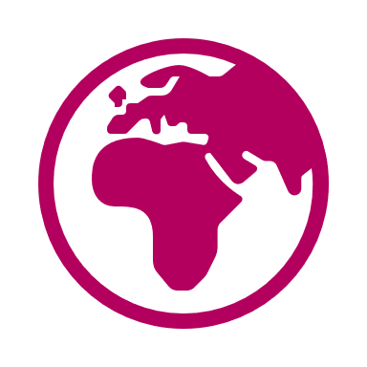
People | 21
Mean salary | 21,885.94 €
Max salary | 23,882.23 €
Min salary | 20,421.79 €

Top incomes
ID | First name | Last name | Salary
14127 | Michelle | Contreras | 23,882.23 €
11991 | Sabrina | Huang | 23,169.17 €
10217 | Matthew | Fisher | 22,825.80 €
17585 | Joseph | Gutierrez | 22,719.08 €
11579 | David | Evans | 22,716.66 €

