Football Field
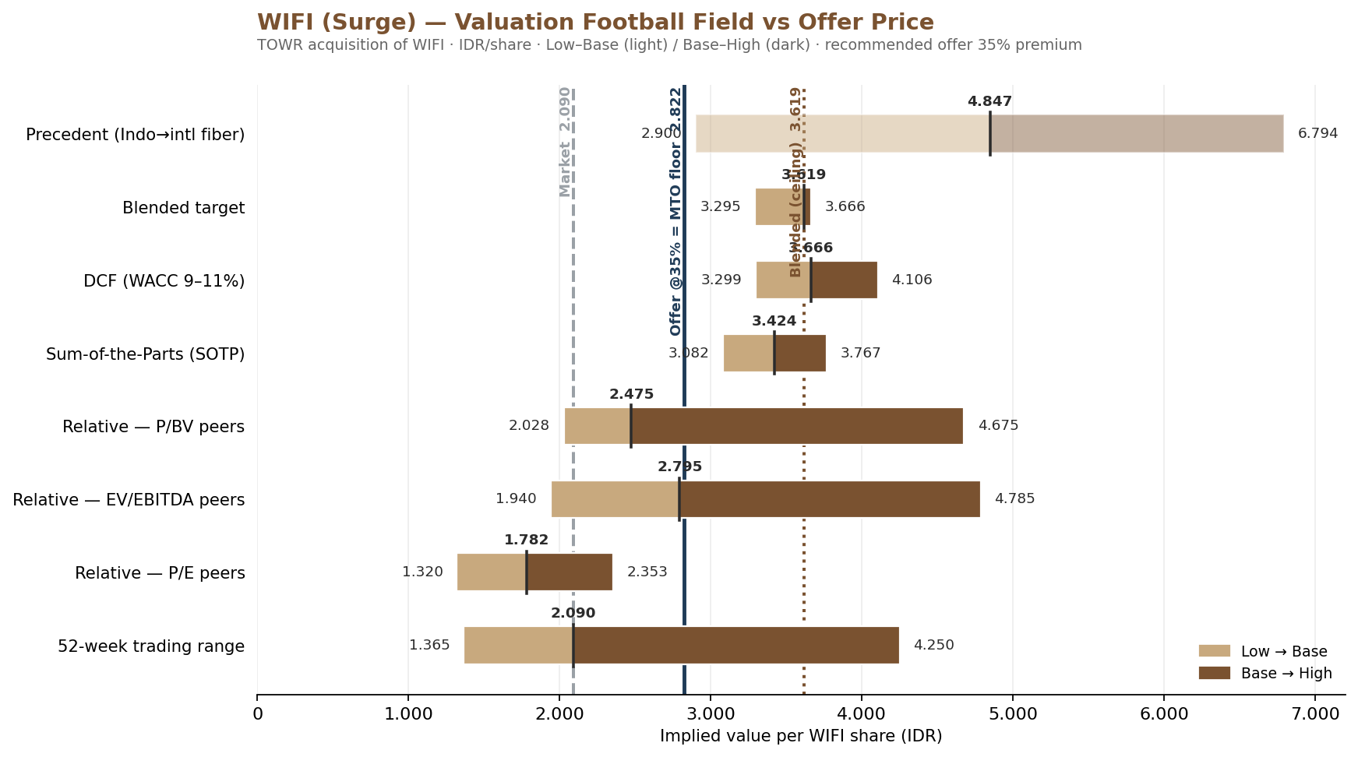
WIFI (Surge) — Valuation Football Field vs Offer Price
Implied value per WIFI share (IDR). Low–Base = coklat muda · Base–High = coklat tua. Ties to the recommended 35% offer / MTO floor.

Valuation method | Low | Base | High | Base vs market | Source / note
52-week trading range | 1,365 | 2,090 | 4,250 |  | WIFI BETA daily price, last 52 weeks
Relative — P/E peers | 1,320 | 1,782 | 2,353 |  | Comparable sheet: Worst/Base/Best (G53:G55)
Relative — EV/EBITDA peers | 1,940 | 2,795 | 4,785 |  | Comparable sheet: Worst/Base/Best (E53:E55)
Relative — P/BV peers | 2,028 | 2,475 | 4,675 |  | Comparable sheet: Worst/Base/Best (F53:F55)
Sum-of-the-Parts (SOTP) | 3,082 | 3,424 | 3,767 |  | WIFI SOTP base Rp3,424 ± ~10% band
DCF (WACC 9–11%) | 3,299 | 3,666 | 4,106 |  | WIFI VALUATION base Rp3,666; WACC sensitivity band
Blended target | 3,295 | 3,619 | 3,666 |  | WIFI BLENDED: simple avg / weighted / top method
Precedent (Indo→intl fiber) | 2,900 | 4,847 | 6,794 |  | OUTLIER, 10% weight — intl EV/homepass (Verizon/AT&T). Verify.

Offer-price references
Reference | Rp/share | Premium vs market
Market price (21 Aug) | 2,090
Recommended offer @35% = MTO floor | 2,822
Blended fair value (ceiling) | 3,619

Reading: at 35% premium (Rp2.822) the offer sits ABOVE market and the relative-multiple base cases (P/E, EV/EBITDA, P/BV) but BELOW the intrinsic methods (SOTP, DCF, blended Rp3.619) — a real premium to holders with a margin of safety for TOWR. Under POJK 9/2018 this offer price also becomes the Mandatory Tender Offer floor extended to ALL public shareholders (see OJK Compliance tab).

WIFI 3-Statement Model
WIFI | Three-Statement Model
Year to 31 Dec |  | 2021A | 2022A | 2023A | 2024A | 2025A | 2026F | 2027F | 2028F | 2029F | 2030F
In Thousands of Rupiah (IDR '000) unless stated
SHEET CHECK
ACTIVE SCENARIO ► set 1=Bear, 2=Base, 3=Bull → | 2
ASSUMPTIONS (Base Case)
Revenue growth (YoY)
Gross margin
SG&A (% of revenue)
Other opex/(income) (% of revenue) |  |  |  |  |  |  | 0.5% | 0.5% | 0.5% | 0.5% | 0.5%
D&A (% of opening net PPE) |  |  |  |  |  |  | 10.0% | 10.0% | 10.0% | 10.0% | 10.0%
Capex (% of revenue) [implied output]
Receivable days (of revenue) |  |  |  |  |  |  | 50.0 | 50.0 | 50.0 | 50.0 | 50.0
Inventory days (of COGS) |  |  |  |  |  |  | 90.0 | 90.0 | 90.0 | 90.0 | 90.0
Prepaid expenses (% of revenue) |  |  |  |  |  |  | 20.0% | 20.0% | 20.0% | 20.0% | 20.0%
Payable days (of COGS)
Other current liabilities (% of revenue) |  |  |  |  |  |  | 4.0% | 4.0% | 4.0% | 4.0% | 4.0%
Income tax payable (% of tax expense) |  |  |  |  |  |  | 40.0% | 40.0% | 40.0% | 40.0% | 40.0%
Effective tax rate |  |  |  |  |  |  | 22.0% | 22.0% | 22.0% | 22.0% | 22.0%
Interest rate on debt |  |  |  |  |  |  | 9.0% | 9.0% | 9.0% | 9.0% | 9.0%
Interest income rate on cash |  |  |  |  |  |  | 4.0% | 4.0% | 4.0% | 4.0% | 4.0%
LT debt net issuance (IDR '000) |  |  |  |  |  |  | 2,000,000,000 | 1,500,000,000 | 1,000,000,000 | 500,000,000 | -
Minority interest (% of NI before minority) |  |  |  |  |  |  | 30.0% | 30.0% | 30.0% | 30.0% | 30.0%
Dividend payout (% of NI to parent) |  |  |  |  |  |  | 1.2% | 10.0% | 10.0% | 10.0% | 10.0%

INCOME STATEMENT

Revenue
Cost of revenue
Gross profit

Selling, general & administrative
Other operating expense/(income)
EBIT (operating profit)

Add: depreciation & amortisation
EBITDA

Interest expense
Interest income
Other non-operating income/(expense)
Pre-tax profit (EBT)
Income tax
Net income before minority
Minority interest
Net income to parent

BALANCE SHEET
Assets
Cash & equivalents
Receivables
Inventories
Prepaid expenses
Other current assets
Total current assets

Net property, plant & equipment
Intangible assets
Other non-current assets
Total non-current assets
TOTAL ASSETS

Liabilities
Accounts payable
Short-term debt
Income tax payable
Other current liabilities
Total current liabilities

Long-term debt
Deferred tax & other LT liabilities
Total non-current liabilities
TOTAL LIABILITIES

Common equity (contributed)
Retained earnings & reserves
Minority interest
TOTAL EQUITY
TOTAL LIABILITIES & EQUITY
Balance check (Assets - L&E)

CASH FLOW STATEMENT
Net income before minority
Add: depreciation & amortisation
Change in net working capital
Cash flow from operations

Capital expenditure |  | 297,721,741 | 454,234,174 | 325,198,170 | 1,477,352,017 | 3,275,325,256
Change in intangibles & other NCA
Cash flow from investing

Net debt issuance/(repayment)
Dividends paid
Change in other LT liabilities
Cash flow from financing
Net change in cash
Beginning cash
Ending cash
Cash flow tie (Ending - BS cash)

SUPPORTING SCHEDULES

PPE roll-forward
Opening net PPE
Plus: capex
Less: depreciation & amortisation
Closing net PPE

Working capital schedule
Receivables
Inventories
Prepaid expenses
Other current assets
less: Accounts payable
less: Tax payable & other current liab.
Net working capital (non-cash)
Change in NWC – source/(use)
Debt schedule
Total debt opening
Net issuance/(repayment)
Total debt closing
Average total debt

KEY METRICS
EBITDA margin
Net margin (to parent)
Net debt / EBITDA (x)
Net debt / equity (x)
Return on equity (parent)

REVENUE SCHEDULE
Segment \ Year |  |  |  |  |  | 2025A | 2026F | 2027F | 2028F | 2029F | 2030F
FTTH (Starlite)
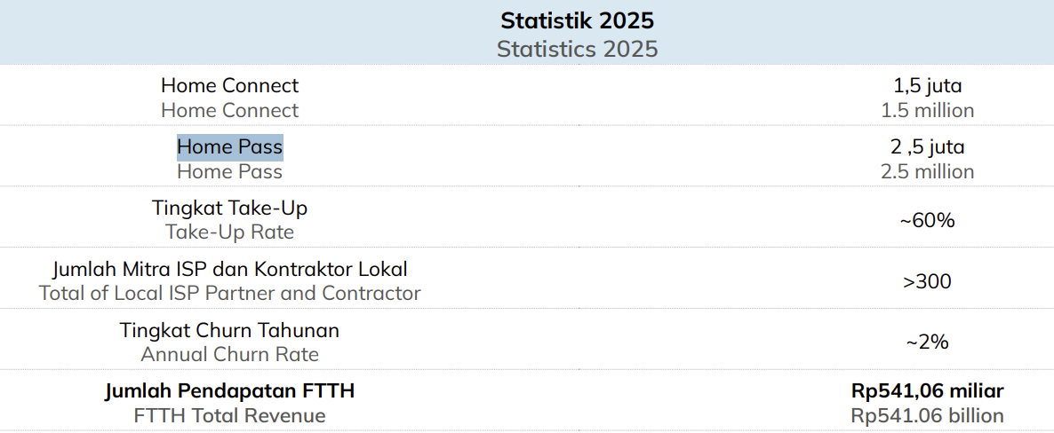
Homeconnect net adds ('000)
Homeconnect end-of-period ('000) |  |  |  |  | 185 | 1,500
Growth Rate
Average homeconnect ('000)
FTTH ARPU (Rp'000 / sub / month) |  |  |  |  |  |  | 70
FTTH revenue
FWA (IRA)
Paying-sub net adds ('000)
Paying subs end-of-period ('000) |  |  |  |  | 0 | 0
Average paying subs ('000)
FWA ARPU (Rp'000 / sub / month) |  |  |  |  |  | 70 | 70
FWA revenue
Other / legacy revenue |  |  |  |  |  |  |  |  |  |  |  | Management Guidance FTTH FY2026F
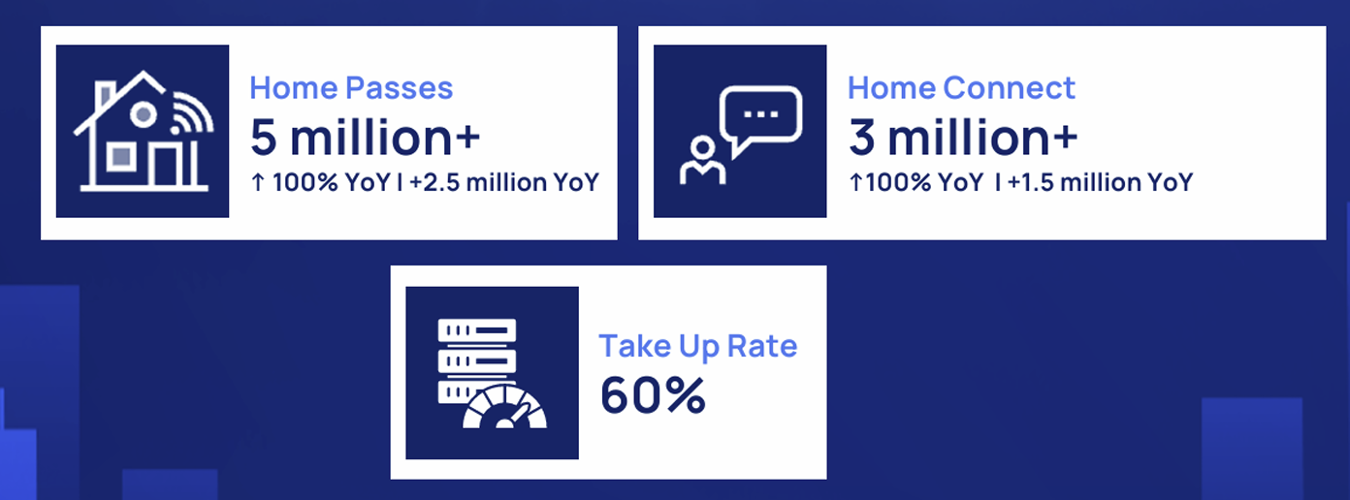
Other telco (Bandwidth+Sewa core+Colocation+Lainnya)
Advertising Revenue |  |  |  |  |  | 459,466,095
TOTAL REVENUE (schedule)

SCENARIO DRIVERS – net subscriber adds ('000/yr). Switch C5: 1=Bear 2=Base 3=Bull
FTTH homeconnect adds – Bear
FTTH homeconnect adds – Base
FTTH homeconnect adds – Bull
FWA paying-sub adds – Bear
FWA paying-sub adds – Base |  |  |  |  |  |  | 2,500
FWA paying-sub adds – Bull

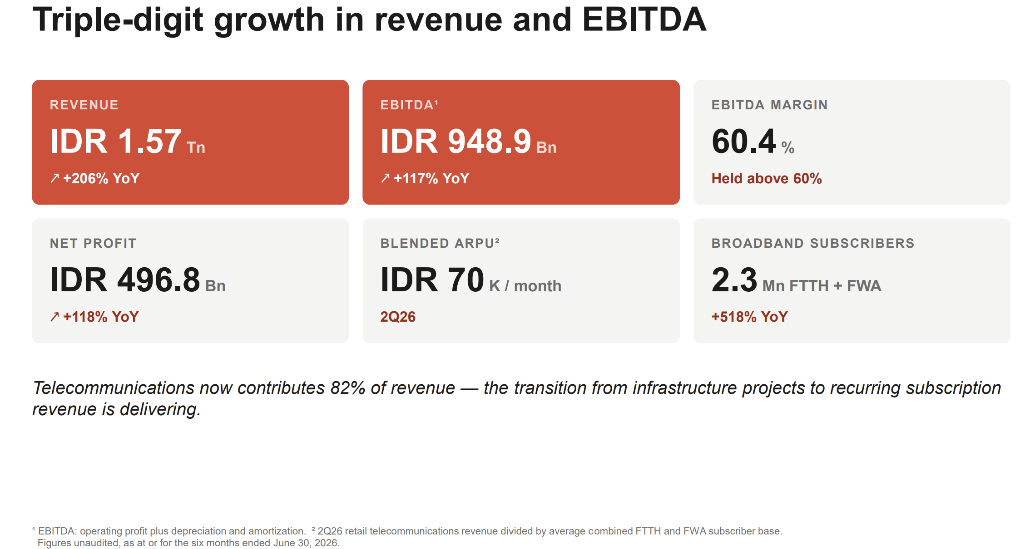
CAPEX SCHEDULE (subscriber-driven, decoupled from revenue)
FTTH homeconnect net adds ('000)
Capex per FTTH connect (Rp mn) |  |  |  |  |  |  | 1.00 | 1.00 | 1.00 | 1.00 | 1.00
FTTH growth capex
FWA paying-sub net adds ('000)
Capex per FWA sub (Rp mn, incl. CPE) |  |  |  |  |  |  | 1.40 | 1.40 | 1.40 | 1.40 | 1.40
FWA growth capex
Maintenance capex (% of revenue) |  |  |  |  |  |  | 3.0% | 3.0% | 3.0% | 3.0% | 3.0%
Maintenance capex
TOTAL CAPEX

 |  |  |  |  |  |  | 4.093

