TestCases
TEST SCENARIO ID | TEST CASES NO | CASES NAME | DESCRIPTION | PRECONDITION | Step No | TEST STEPS | DATA | EXPECTED RESULT | STATUS | SCREENSHOT
TSI-1 | searchbox_1 | City Selection via Search Bar | Users should be able to view the weather by selecting the city by either entering the full city name in the search bar or choosing from the list that appears based on the letters typed. | The mobile application must be installed and set up. | 1 | Open the "Weather" application. |  | The user should reach the home page. | Not Tested | 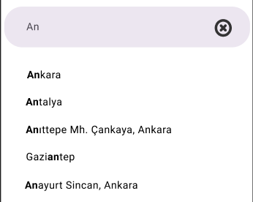
 |  |  |  |  | 2 | Enter valid data into the search bar. | "A" "Ank" "Ankara" | The user should be able to see a list of city names based on the entered data. | Not Tested
 |  |  |  |  | 3 | Select a city from the dropdown list. | "Ankara" | The user should be directed to the relevant page for the selected city. | Not Tested

TSI-1 | searchbox_2 | Entering Invalid Data in the Search Bar | Users should receive a warning message when entering invalid data in the search bar. | The mobile application must be installed and set up. | 1 | Open the "Weather" application. |  | The user should reach the home page. | Not Tested | 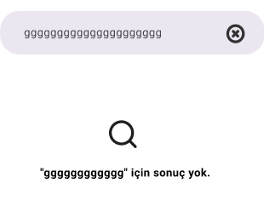
 |  |  |  |  | 2 | Enter invalid data into the search bar. | "ggggggggggggg" | The user should see the warning message "No results for 'gggggggggggg'." on the page. | Not Tested

TSI-1 | searchbox_3 | Testing the "X" Button in the Search Bar | Users should be able to cancel the search by clicking the "X" button in the search bar. | The mobile application must be installed and set up. | 1 | Open the "Weather" application. |  | The user should reach the home page. | Not Tested
 |  |  |  |  | 2 | Enter data into the search bar. | "ggggggggggggg" | The user should be able to click the "X" button and see the home page. | Not Tested

TSI-1 | searchbox_4 | Data Search Test | Users should receive a warning message when attempting to select a city without an internet connection. | The mobile application must be installed and set up. | 1 | Open the "Weather" application. |  | The user should reach the home page. | Not Tested | 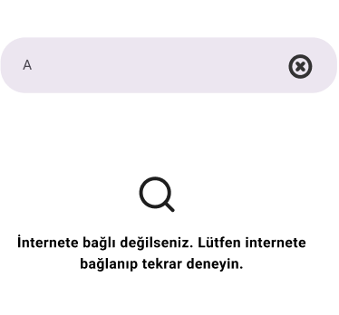
 |  |  |  |  | 2 | Disconnect the internet on the mobile device. |  |  | Not Tested
 |  |  |  |  | 3 | Enter valid data into the search bar. | "A" | The user should receive the warning message "You are not connected to the internet. Please connect to the internet and try again." | Not Tested

TSI-1 | maps_1 | City Selection via Maps | Users should be able to select a city on the map to view the weather. | The mobile application must be installed and set up. | 1 | Open the "Weather" application. |  | The user should reach the home page. | Not Tested | 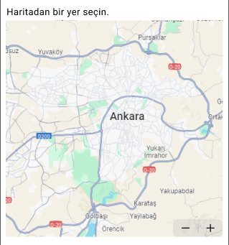
 |  |  |  |  | 2 | Click the "+" sign on the map. |  | The user should be able to zoom in on the map. | Not Tested
 |  |  |  |  | 3 | Click the "-" sign on the map. |  | The user should be able to zoom out of the map. | Not Tested
 |  |  |  |  | 4 | Select a city from the map. | "Ankara" | The user should be directed to the relevant page for the selected city. | Not Tested

TSI-1 | loaction_1 | "My Location" Selection | Users should be able to view the weather for their current location by clicking on the "My Location" text box. | The mobile application must be installed and set up and location permission must be granted. | 1 | Open the "Weather" application. |  | The user should reach the home page. | Not Tested
 |  |  |  |  | 2 | Click on the "My Location" text box. |  | The user should be directed to the relevant page for their current location. | Not Tested

TSI-1 | loaction_2 | Unable to Select "My Location" | Users should receive a warning message when clicking the "My Location" text box if location permission is not enabled on their mobile device. | The mobile application must be installed and set up. | 1 | Open the "Weather" application. |  | The user should reach the home page. | Not Tested | 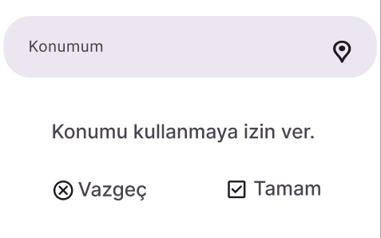
 |  |  |  |  | 2 | Click on the "My Location" text box. |  | The user should receive the warning message "Allow access to location." | Not Tested
 |  |  |  |  | 3 | Click on the "Cancel" option. |  | The user should return to the home page. | Not Tested
 |  |  |  |  | 4 | Click on the "My Location" text box. |  | The user should receive the warning message "Allow access to location." | Not Tested
 |  |  |  |  | 5 | Click on the "Allow" option. | "Ankara" | The user should be directed to the relevant page for their current location. | Not Tested

TSI-2 | weather_1 | Weather Display | Users should be able to view the weather for the city they have selected. | The mobile application must be installed and set up and location permission must be granted. | 1 | Open the "Weather" application. |  | The user should reach the home page. | Not Tested | 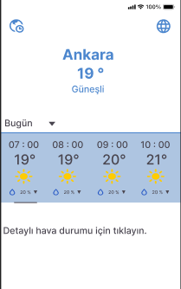
 |  |  |  |  | 2 | Select a city from the search bar, map or "My Location" options. | "Ankara" | The user should be able to view the weather page for the selected city. | Not Tested

TSI-2 | weather_2 | Viewing Weather by Hours | Users should be able to view the weather for different hours in the city they have selected. | The mobile application must be installed and set up and location permission must be granted. | 1 | Open the "Weather" application. |  | The user should reach the home page. | Not Tested | 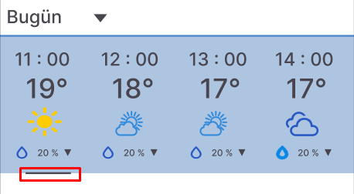
 |  |  |  |  | 2 | Select a city from the search bar, map, or "My Location" options. | "Ankara" | The user should be able to view the weather page for the selected city. | Not Tested
 |  |  |  |  | 3 | Scroll the bar where the weather is displayed. | "Ankara" | The user should be able to view the weather for different hours using the scroll bar. | Not Tested

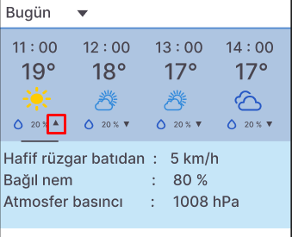
TSI_2 | weather_3 | Viewing Wind, Pressure, and Humidity Values | Users should be able to view wind, pressure, and humidity values for the selected hour. | The mobile application must be installed and set up and location permission must be granted. | 1 | Open the "Weather" application. |  | The user should reach the home page. | Not Tested
 |  |  |  |  | 2 | Select a city from the search bar, map, or "My Location" options. | "Ankara" | The user should be able to view the weather page for the selected city. | Not Tested
 |  |  |  |  | 3 | Click the icon to the right of the drop icon. |  | The user should be able to view the wind, pressure, and humidity values for the selected hour. | Not Tested
 |  |  |  |  | 4 | Click the icon again. |  | The user should be able to close the screen displaying the wind, pressure, and humidity values. | Not Tested

TSI-2 | languages_1 | Changing the Page Language Test | Users should be able to change the page language by clicking on the globe icon in the upper right section of the page. | The mobile application must be installed and set up. | 1 | Open the "Weather" application. |  | The user should reach the home page. | Not Tested | 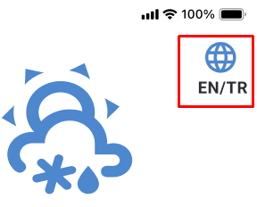
 |  |  |  |  | 2 | Click on the globe icon in the upper right section of the page. |  | The application's language should change to English. | Not Tested
 |  |  |  |  | 3 | Click on the globe icon in the upper right section of the page again. |  | The application's language should change to Turkish. | Not Tested

TSI-2 | time_zone_1 | Changing Time Zone | Users should be able to view the weather according to different time zones by clicking on the globe/clock icon in the upper left section of the page. | The mobile application must be installed and set up. | 1 | Open the "Weather" application. |  | The user should reach the home page. | Not Tested | 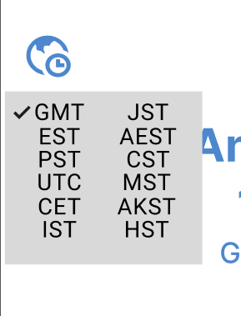
 |  |  |  |  | 2 | Click on the globe/clock icon in the upper left section of the page. |  | The user should access a dropdown list with the time zones "GMT, EST, PST, UTC, CET, IST, JST, AEST, CST, MST, AKST, HST" and see a checkmark next to the "GMT" option in this list. | Not Tested
 |  |  |  |  | 3 | Click on the "UTC" option. |  | The user should be able to view the weather according to the selected time zone. | Not Tested

TSI-3 | forecast_period_1 | Viewing Weather for Different Periods | Users should be able to view the weather for "Today, Weekly, 15 Days" options. | The mobile application must be installed and set up and location permission must be granted. | 1 | Open the "Weather" application. |  | The user should reach the home page. | Not Tested | 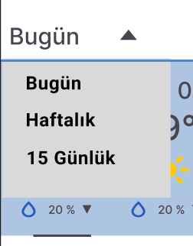
 |  |  |  |  | 2 | Select a city from the search bar, map, or "My Location" options. | "Ankara" | The user should be able to view the weather for the current day in the selected city. | Not Tested
 |  |  |  |  | 3 | Click the icon next to the "Today" text. |  | The user should see a dropdown list with "Today, Weekly, 15 Days" options. | Not Tested
 |  |  |  |  | 4 | Click on the "Weekly" option. |  | The user should see the weekly weather forecast for the selected city. | Not Tested
 |  |  |  |  | 5 | Click the icon next to the "Weekly" text. |  | The user should see a dropdown list with "Today, Weekly, 15 Days" options. | Not Tested
 |  |  |  |  | 6 | Click the icon next to the "15 Days" text. |  | The user should see the 15-day weather forecast for the selected city. | Not Tested

TSI-3 | forecast_period_2 | "Today" Weather Check | Users should be able to view the weather for the current day when selecting the "Today" option. | The mobile application must be installed and set up and location permission must be granted. | 1 | Open the "Weather" application. |  | The user should reach the home page. | Not Tested | 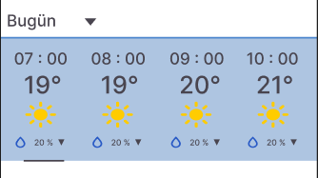
 |  |  |  |  | 2 | Select a city from the search bar, map, or "My Location" options. | "Ankara" | The user should be able to view the weather for the current day in the selected city. | Not Tested
 |  |  |  |  | 3 | Scroll the bar where the weather is displayed. |  | The user should be able to view the weather for the current day in the selected city. | Not Tested

TSI-3 | forecast_period_3 | Weekly Weather Check | Users should be able to view the weather for the current week when selecting the "Weekly" option. | The mobile application must be installed and set up and location permission must be granted. | 1 | Open the "Weather" application. |  | The user should reach the home page. | Not Tested | 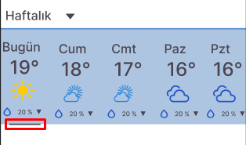
 |  |  |  |  | 2 | Select a city from the search bar, map, or "My Location" options. | "Ankara" | The user should be able to view the weather for the current day in the selected city. | Not Tested
 |  |  |  |  | 3 | Click the icon next to the "Today" text. |  | The user should see a dropdown list with "Today, Weekly, 15 Days" options. | Not Tested
 |  |  |  |  | 4 | Click on the "Weekly" option. |  | The user should see the weekly weather forecast for the selected city. | Not Tested
 |  |  |  |  | 5 | Scroll the bar where the weather is displayed. |  | The user should be able to view the weekly weather forecast for the selected city. | Not Tested

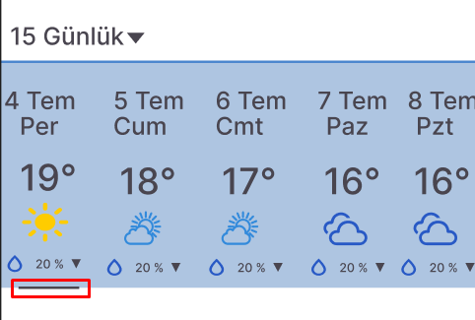
TSI-3 | forecast_period_4 | 15-Day Weather Check | Users should be able to view the weather for the next 15 days when selecting the "15 Days" option. | The mobile application must be installed and set up and location permission must be granted. | 1 | Open the "Weather" application. |  | The user should reach the home page. | Not Tested
 |  |  |  |  | 2 | Select a city from the search bar, map, or "My Location" options. | "Ankara" | The user should be able to view the weather for the current day in the selected city. | Not Tested
 |  |  |  |  | 3 | Click the icon next to the "Today" text. |  | The user should see a dropdown list with "Today, Weekly, 15 Days" options. | Not Tested
 |  |  |  |  | 4 | Click on the "15 Days" option. |  | The user should see the 15-day weather forecast for the selected city. | Not Tested
 |  |  |  |  | 5 | Scroll the bar where the weather is displayed. |  | The user should be able to view the 15-day weather forecast for the selected city. | Not Tested

TSI-3 | page_layout_1 | Using the Page in Landscape and Portrait Mode | Users should be able to view the data properly when using the page in both landscape and portrait mode. | The mobile application must be installed and set up and location permission must be granted. | 1 | Open the "Weather" application. |  | The user should reach the home page. | Not Tested | 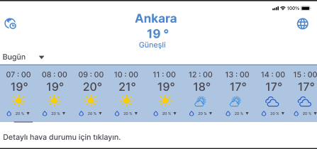
 |  |  |  |  | 2 | Select a city from the search bar, map, or "My Location" options. | "Ankara" | The user should be able to view the weather page for the selected city. | Not Tested
 |  |  |  |  | 3 | Use the mobile device in landscape mode. |  | The user should be able to view the weather data properly in landscape mode. | Not Tested
 |  |  |  |  | 4 | Use the mobile device in portrait mode. |  | The user should be able to view the weather data properly in portrait mode. | Not Tested

TSI-3 | weather_detail_1 | Viewing Detailed Weather Information | Users should be able to view detailed weather information by clicking on the appropriate link. | The mobile application must be installed and set up and location permission must be granted. | 1 | Open the "Weather" application. |  | The user should reach the home page. | Not Tested | 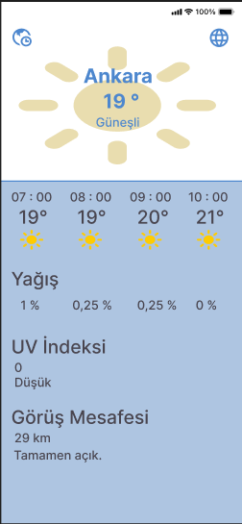
 |  |  |  |  | 2 | Select a city from the search bar, map, or "My Location" options. | "Ankara" | The user should be able to view the weather page for the selected city. | Not Tested
 |  |  |  |  | 3 | Click on the "Click for detailed weather" link. |  | The user should be directed to the page displaying detailed weather information. | Not Tested

