Charsets
 | Char | ZX Spectrum | Commodore 64 | Amstrad CPC | MSX
1 | SPACE | 1 | 33 | 33 | 1 |  | ZX Spectrum:
2 | ! | 2 | 34 | 34 | 2 |  | 1 | 2 | 3 | 4 | 5 | 6 | 7 | 8 | 9 | 10 | 11 | 12 | 13 | 14 | 15 | 16
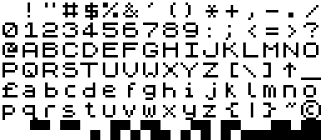
3 | " | 3 | 35 | 35 | 3 | 1
4 | # | 4 | 36 | 36 | 4 | 2
5 | $ | 5 | 37 | 37 | 5 | 3
6 | % | 6 | 38 | 38 | 6 | 4
7 | & | 7 | 39 | 39 | 7 | 5
8 | ' | 8 | 40 | 40 | 8 | 6
9 | ( | 9 | 41 | 41 | 9 | 7
10 | ) | 10 | 42 | 42 | 10
11 | * | 11 | 43 | 43 | 11 |  | Commodore 64:
12 | + | 12 | 44 | 44 | 12 |  | 1 | 2 | 3 | 4 | 5 | 6 | 7 | 8 | 9 | 10 | 11 | 12 | 13 | 14 | 15 | 16
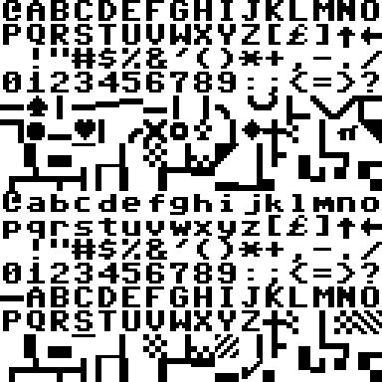
13 | , | 13 | 45 | 45 | 13 | 1
14 | - | 14 | 46 | 46 | 14 | 2
15 | . | 15 | 47 | 47 | 15 | 3
16 | / | 16 | 48 | 48 | 16 | 4
17 | 0 | 17 | 49 | 49 | 17 | 5
18 | 1 | 18 | 50 | 50 | 18 | 6
19 | 2 | 19 | 51 | 51 | 19 | 7
20 | 3 | 20 | 52 | 52 | 20 | 8
21 | 4 | 21 | 53 | 53 | 21 | 9
22 | 5 | 22 | 54 | 54 | 22 | 10
23 | 6 | 23 | 55 | 55 | 23 | 11
24 | 7 | 24 | 56 | 56 | 24 | 12
25 | 8 | 25 | 57 | 57 | 25 | 13
26 | 9 | 26 | 58 | 58 | 26 | 14
27 | : | 27 | 59 | 59 | 27 | 15
28 | ; | 28 | 60 | 60 | 28 | 16
29 | < | 29 | 61 | 61 | 29
30 | = | 30 | 62 | 62 | 30 |  | Amstrad CPC:
31 | > | 31 | 63 | 63 | 31 |  | 1 | 2 | 3 | 4 | 5 | 6 | 7 | 8 | 9 | 10 | 11 | 12 | 13 | 14 | 15 | 16
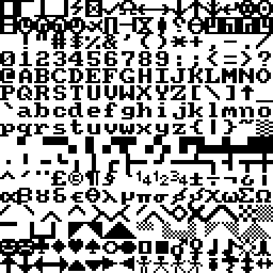
32 | ? | 32 | 64 | 64 | 32 | 1
33 | @ | 33 | 1 | 65 | 33 | 2
34 | A | 34 | 2 | 66 | 34 | 3
35 | B | 35 | 3 | 67 | 35 | 4
36 | C | 36 | 4 | 68 | 36 | 5
37 | D | 37 | 5 | 69 | 37 | 6
38 | E | 38 | 6 | 70 | 38 | 7
39 | F | 39 | 7 | 71 | 39 | 8
40 | G | 40 | 8 | 72 | 40 | 9
41 | H | 41 | 9 | 73 | 41 | 10
42 | I | 42 | 10 | 74 | 42 | 11
43 | J | 43 | 11 | 75 | 43 | 12
44 | K | 44 | 12 | 76 | 44 | 13
45 | L | 45 | 13 | 77 | 45 | 14
46 | M | 46 | 14 | 78 | 46 | 15
47 | N | 47 | 15 | 79 | 47 | 16
48 | O | 48 | 16 | 80 | 48
49 | P | 49 | 17 | 81 | 49 |  | MSX:
50 | Q | 50 | 18 | 82 | 50 |  | 1 | 2 | 3 | 4 | 5 | 6 | 7 | 8 | 9 | 10 | 11 | 12 | 13 | 14 | 15 | 16 | 17 | 18 | 19 | 20 | 21 | 22 | 23 | 24 | 25 | 26 | 27 | 28 | 29 | 30 | 31 | 32
51 | R | 51 | 19 | 83 | 51 | 1
52 | S | 52 | 20 | 84 | 52 | 2
53 | T | 53 | 21 | 85 | 53 | 3
54 | U | 54 | 22 | 86 | 54 | 4
55 | V | 55 | 23 | 87 | 55 | 5
56 | W | 56 | 24 | 88 | 56 | 6
57 | X | 57 | 25 | 89 | 57 | 7
58 | Y | 58 | 26 | 90 | 58 | 8
59 | Z | 59 | 27 | 91 | 59
60 | [ | 60 | 28 | 92 | 60
61 | \ | 61 | 78 | 93 | 61
62 | ] | 62 | 30 | 94 | 62
63 | ↑ | 63 | 31 | 95 | 63
64 | _ | 64 | 101 | 96 | 64
65 | £ | 65 | 29 | 164 | 125
66 | a | 66 | 130 | 98 | 66
67 | b | 67 | 131 | 99 | 67
68 | c | 68 | 132 | 100 | 68
69 | d | 69 | 133 | 101 | 69
70 | e | 70 | 134 | 102 | 70
71 | f | 71 | 135 | 103 | 71
72 | g | 72 | 136 | 104 | 72
73 | h | 73 | 137 | 105 | 73
74 | i | 74 | 138 | 106 | 74
75 | j | 75 | 139 | 107 | 75
76 | k | 76 | 140 | 108 | 76
77 | l | 77 | 141 | 109 | 77
78 | m | 78 | 142 | 110 | 78
79 | n | 79 | 143 | 111 | 79
80 | o | 80 | 144 | 112 | 80
81 | p | 81 | 145 | 113 | 81
82 | q | 82 | 146 | 114 | 82
83 | r | 83 | 147 | 115 | 83
84 | s | 84 | 148 | 116 | 84
85 | t | 85 | 149 | 117 | 85
86 | u | 86 | 150 | 118 | 86
87 | v | 87 | 151 | 119 | 87
88 | w | 88 | 152 | 120 | 88
89 | x | 89 | 153 | 121 | 89
90 | y | 90 | 154 | 122 | 90
91 | z | 91 | 155 | 123 | 91
92 | { | 92 | 116 | 124 | 92
93 | | | 93 | 67 | 125 | 93
94 | } | 94 | 108 | 126 | 94
95 | ~ | 95 | 95 | 127 | 95
96 | © | 96 | 88 | 165 | 234
 |  | 97
 |  | 98
 |  | 99
 |  | 100
 |  | 101
 |  | 102
 |  | 103
 |  | 104
 |  | 105
 |  | 106
 |  | 107
 |  | 108
 |  | 109
 |  | 110
 |  | 111
 |  | 112

 | Columnas | 16 | 16 | 16 | 32
 | Filas | 7 | 16 | 16 | 8
 | Chars | 112 | 256 | 256 | 256

