_
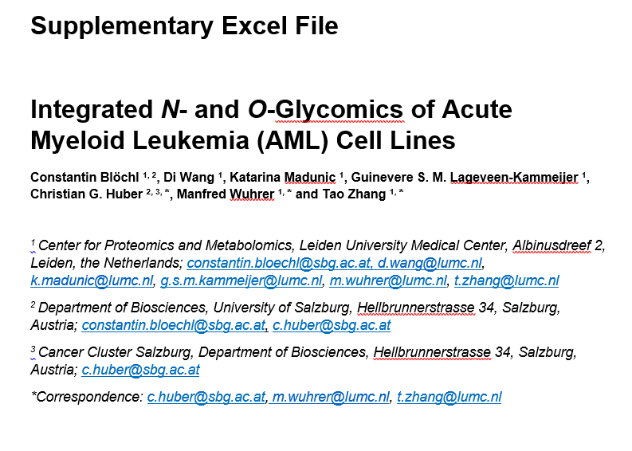

Glycan features
Supplementary Excel Table 1: Identified N- and O-glycan structures and their contributions to specific glycan features. Glycan numbers correspond to the structural elucidation shown in Supplementary Information 1 and 2. Glycans are abbreviated according to their monosaccharide composition: hexose (H), N-acetylhexosamine (N), fucose (F), N-acetylneuraminic acid (S), phosphorylation (P), and sulfation (Su). Green numbers denote contributions of a specific glycan to a glycan type or a derived trait. In essence, the observed fractional abundance of a specific glycan was multiplied by the displayed number to calaculate its contribution to a specific glycan feature.
Glycan Number | Abbreviation | Structure | Paucimannose | Oligomannose | Complex type | Hybrid type | Phosphorylation | Core fucosylation | Sialylation | (Sialyl) Lewis x/a | Bisection | Antennarity | 2-3 Sialylation | 2-6 Sialylation | Glycan Number | Abbreviation | Structure | T Antigen | Core 1 | Core 2 | (Sialyl) Lewis x/a | Lewis x/a | Sialyl Lewis x/a | H Antigen | 2-3 Sialylation | 2-6 Sialylation | 2-8 Sialylation | Sulfation | LacNAc repeats
1 | H2N2F1 |  | 1 |  |  |  |  | 1 |  |  |  |  |  |  | 1 | H1N1 |  | 1 | 1
2 | H3N2 |  | 1 |  |  |  |  |  |  |  |  |  |  |  | 2 | H1N2 |  |  |  | 1
3 | H3N2F1 |  | 1 |  |  |  |  | 1 |  |  |  |  |  |  | 3 | H1N2Su1 |  |  |  | 1 |  |  |  |  |  |  |  | 1
4 | H4N2 |  | 1 |  |  |  |  |  |  |  |  |  |  |  | 4a | H1N1S1a |  |  | 1 |  |  |  |  |  |  | 1
5a | H5N2a |  |  | 1 |  |  |  |  |  |  |  |  |  |  | 4b | H1N1S1b |  |  | 1 |  |  |  |  |  | 1
5b | H5N2b |  |  | 1 |  |  |  |  |  |  |  |  |  |  | 5 | H2N2 |  |  |  | 1 |  |  |  |  |  |  |  |  | 1
6 | H6N2 |  |  | 1 |  |  |  |  |  |  |  |  |  |  | 6 | H2N2Su1 |  |  |  | 1 |  |  |  |  |  |  |  | 1 | 1
7 | H7N2 |  |  | 1 |  |  |  |  |  |  |  |  |  |  | 7 | H1N2S1 |  |  |  | 1 |  |  |  |  | 1
8 | H8N2 |  |  | 1 |  |  |  |  |  |  |  |  |  |  | 8 | H2N2F1 |  |  |  |  | 1 | 1
9 | H9N2 |  |  | 1 |  |  |  |  |  |  |  |  |  |  | 9 | H1N1S2 |  |  | 1 |  |  |  |  |  | 1 | 1
10a | H5N2P1a |  |  | 1 |  |  | 1 |  |  |  |  |  |  |  | 10a | H2N2S1a |  |  |  | 1 |  |  |  |  | 1 |  |  |  | 1
10b | H5N2P1b |  |  | 1 |  |  | 1 |  |  |  |  |  |  |  | 10b | H2N2S1b |  |  |  | 1 |  |  |  |  | 1 |  |  |  | 1
11a | H6N2P1a |  |  | 1 |  |  | 1 |  |  |  |  |  |  |  | 11 | H3N3 |  |  |  | 1 |  |  |  |  |  |  |  |  | 2
11b | H6N2P1b |  |  | 1 |  |  | 1 |  |  |  |  |  |  |  | 12a | H2N2F1S1a |  |  |  | 1 | 1 |  | 1 |  | 1 |  |  |  | 1
12 | H7N2P1 |  |  | 1 |  |  | 1 |  |  |  |  |  |  |  | 12b | H2N2F1S1b |  |  |  | 1 |  |  |  | 1 | 1 |  |  |  | 1
2x
13 | H7N2P2 |  |  | 1 |  |  | 2 |  |  |  |  |  |  |  | 13 | H1N1S3 |  |  | 1 |  |  |  |  |  |  | 1 | 1
14 | H3N4F1 |  |  |  | 1 |  |  | 1 |  |  |  |  |  |  | 14 | H2N2S2 |  |  |  | 1 |  |  |  |  | 2 |  |  |  | 1
15 | H4N4F1 |  |  |  | 1 |  |  | 1 |  |  |  |  |  |  | 15 | H2N2S2Su1 |  |  |  | 1 |  |  |  |  | 2 |  |  | 1 | 1
16 | H5N4F1 |  |  |  | 1 |  |  | 1 |  |  |  |  |  |  | 16 | H2N2F1S2 |  |  |  | 1 | 1 |  | 1 |  | 2 |  |  |  | 1
17a | H5N4S1a |  |  |  | 1 |  |  |  | 1 |  |  |  |  | 1 | 17 | H2N2F1S2Su1 |  |  |  | 1 | 1 |  | 1 |  | 2 |  |  | 1 | 1
17b | H5N4S1b |  |  |  | 1 |  |  |  | 1 |  |  |  | 1 |  | 18a | H3N3S2a |  |  |  | 1 |  |  |  |  |  |  |  |  | 2
18a | H5N4F1S1a |  |  |  | 1 |  |  |  | 1 | 1 |  |  |  | 1 | 18b | H3N3S2b |  |  |  | 1 |  |  |  |  | 2 |  |  |  | 2
18b | H5N4F1S1b |  |  |  | 1 |  |  |  | 1 |  |  |  |  | 1 | 19 | H3N3F1S2 |  |  |  | 1 | 1 |  | 1 |  |  |  |  |  | 2
18c | H5N4F1S1c |  |  |  | 1 |  |  |  | 1 |  |  |  | 1
19 | H6N5F1 |  |  |  | 1 |  |  | 1 |  |  |  | 1
20a | H5N4S2a |  |  |  | 1 |  |  |  | 2 |  |  |  |  | 2
20b | H5N4S2b |  |  |  | 1 |  |  |  | 2 |  |  |  | 1 | 1
20c | H5N4S2c |  |  |  | 1 |  |  |  | 2 |  |  |  | 2
21 | H5N4F2S1 |  |  |  | 1 |  |  | 1 | 1 | 1 |  |  |  | 1
22a | H5N4F1S2a |  |  |  | 1 |  |  | 1 | 2 |  |  |  |  | 2
22b | H5N4F1S2b |  |  |  | 1 |  |  | 1 | 2 |  |  |  | 1 | 1
22c | H5N4F1S2c |  |  |  | 1 |  |  | 1 | 2 |  |  |  | 2
23 | H6N5F1S1 |  |  |  | 1 |  |  | 1 | 1
24a | H5N4F2S2a |  |  |  | 1 |  |  | 1 | 2 | 1
24b | H5N4F2S2b |  |  |  | 1 |  |  | 1 | 2 | 1
24c | H5N4F2S2c |  |  |  | 1 |  |  | 1 | 2 | 1
25 | H7N6F1 |  |  |  | 1 |  |  | 1 |  |  |  | 2
26a | H6N5S2a |  |  |  | 1 |  |  |  | 2 |  |  | 1 |  | 2
26b | H6N5S2b | 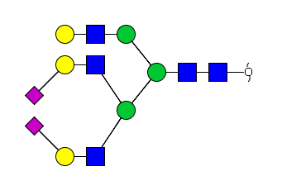 |  |  | 1 |  |  |  | 2 |  |  | 1 | 1 | 1
26c | H6N5S2c |  |  |  | 1 |  |  |  | 2 |  |  | 1 | 2
27a | H6N5F1S2a | 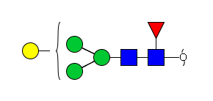 |  |  | 1 |  |  | 1 | 2 |  |  | 1
27b | H6N5F1S2b |  |  |  | 1 |  |  | 1 | 2 |  |  | 1
27c | H6N5F1S2c |  |  |  | 1 |  |  | 1 | 2 |  |  | 1
28a | H6N5S3a | 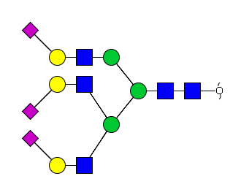 |  |  | 1 |  |  |  | 3 |  |  | 1 | 1 | 2
28b | H6N5S3b | 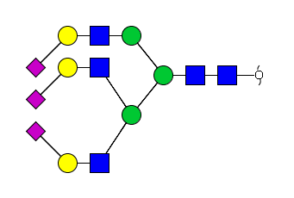 |  |  | 1 |  |  |  | 3 |  |  | 1 | 2 | 1
29a | H6N6F1S2a | 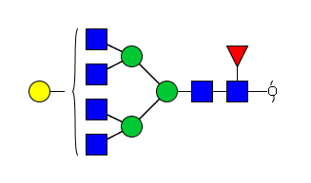 |  |  | 1 |  |  | 1 | 2 |  |  | 2
29b | H6N6F1S2b |  |  |  | 1 |  |  | 1 | 2 |  |  | 2
30a | H6N5F1S3a | 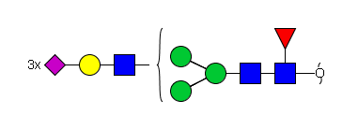 |  |  | 1 |  |  | 1 | 3 |  |  | 1
30b | H6N5F1S3b |  |  |  | 1 |  |  | 1 | 3 |  |  | 1
31a | H6N5S4a | 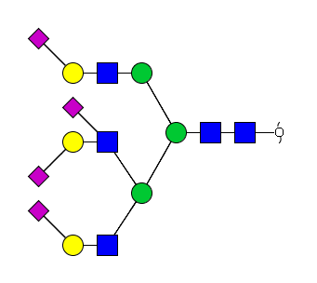 |  |  | 1 |  |  |  | 4 |  |  | 1 | 1 | 3
31b | H6N5S4b | 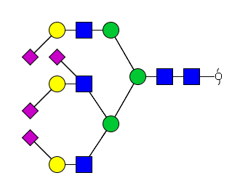 |  |  | 1 |  |  |  | 4 |  |  | 1 | 2 | 2
32 | H6N6F1S3 |  |  |  | 1 |  |  | 1 | 3 |  |  | 2
33a | H7N6F1S4a |  |  |  | 1 |  |  | 1 | 4 |  |  | 2
33b | H7N6F1S4b |  |  |  | 1 |  |  | 1 | 4 |  |  | 2
34a | H5N5F1S1a |  |  |  | 1 |  |  | 1 | 1 |  | 1 |  |  | 1
34b | H5N5F1S1b |  |  |  | 1 |  |  | 1 | 1 |  | 1 |  | 1
35a | H5N5F1S2a |  |  |  | 1 |  |  | 1 | 2 |  | 1 |  |  | 2
35b | H5N5F1S2b |  |  |  | 1 |  |  | 1 | 2 |  | 1 |  | 1 | 1
35c | H5N5F1S2c |  |  |  | 1 |  |  | 1 | 2 |  | 1 |  | 2
36a | H3N3F1a |  |  |  |  | 1 |  | 1
36b | H3N3F1b |  |  |  |  | 1 |  | 1
37 | H6N3 | 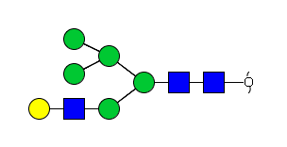 |  |  |  | 1
38 | H6N3P1 |  |  |  |  | 1 | 1
39a | H4N3F1S1a |  |  |  |  | 1 |  | 1 | 1 |  |  |  |  | 1
39b | H4N3F1S1b |  |  |  |  | 1 |  | 1 | 1 |  |  |  | 1
39c | H4N3F1S1c |  |  |  |  | 1 |  | 1 | 1 |  |  |  |  | 1
40a | H6N3S1a |  |  |  |  | 1 |  |  | 1 |  |  |  |  | 1
40b | H6N3S1b |  |  |  |  | 1 |  |  | 1 |  |  |  | 1

