Sheet1
Correlation | Drawing # | Revision # | Detail # | Scope Included | Detail View |  | Responsible Contractor | Cost? | Qoute Received?
105.1 | AD-105 | Revision #1 - 10/10/25 | N/A - Cloud Only | 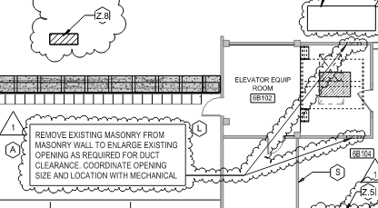 Remove Existing Masonry From Masonry Wall to enlarge existing opening as required for duct clearance coordinate opening size and location with mechanical

110.4 | AE-110 | Revision #1 - 10/10/25 | Cloud Only | Scope Included in Detail 4 - AE-110 | 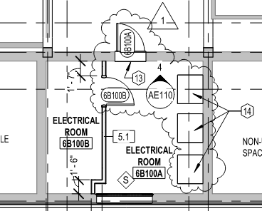
 |  |  |  |  |  | Triangle is with #1 is indicating Revision #
 |  |  |  |  |  | Circulate Symbol with drawing # and #4 above indicates the detail below is looking at that wall

110.4 | AE-110 | Revision #1 - 10/10/25 | Detail 4 | 1) Dash Lines Indicate exsiting abandoned msony opening, verify location of existing masonry openings. Reuse as practical for mechanical ducts. Infill unused openings with materials matching adjacent | 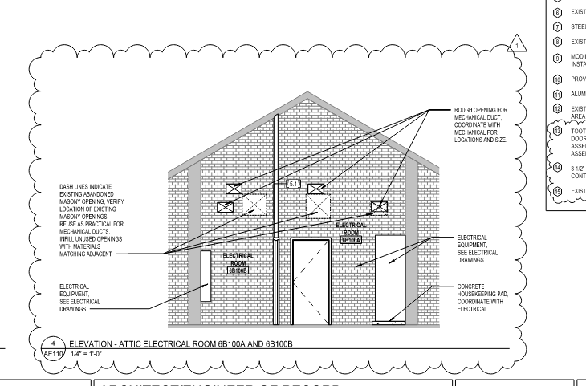

 |  |  |  | 2) Electrical Equipment - See Electrical Drawings
 |  |  |  | (note appears twice)

 |  |  |  | 3) Concrete Housekeeping Pad Coordinate with Electrical

 |  |  |  | 4) Rough Opening for Mech Duct, Coordinate with Mechanical for Locations and Size

