Model Parameters
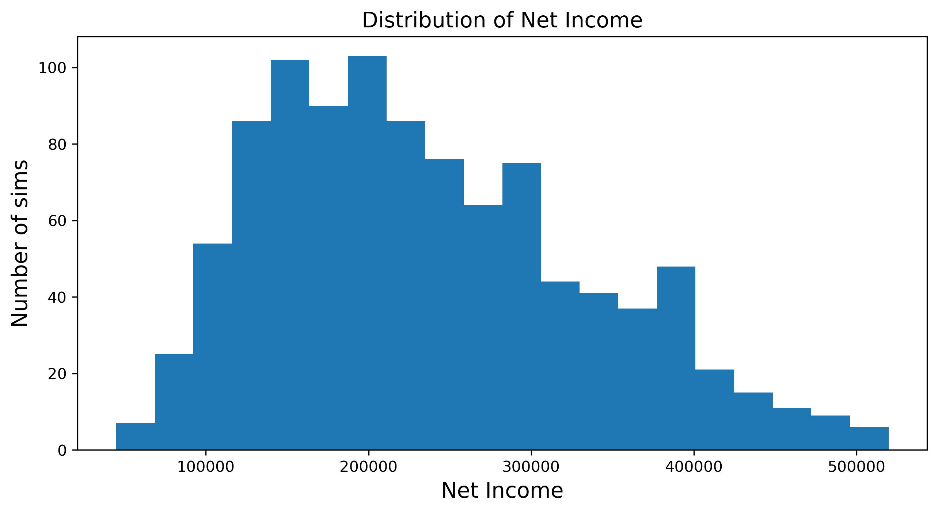
Model Inputs |  | Results
Number of simulations | 1000
Selling price Average | 20
Selling price Standard Deviation | 2

COGS Average | 14
COGS Std Deviation | 1

SG&A Percentage | 3%

Mode sales | 2000
Low Sales | 700
Max Sales | 6000

 |  |  | Median | 220,558
 |  |  | Mean | 236,111
 |  |  | Std Dev | 97,987

