Exploratory Analysis
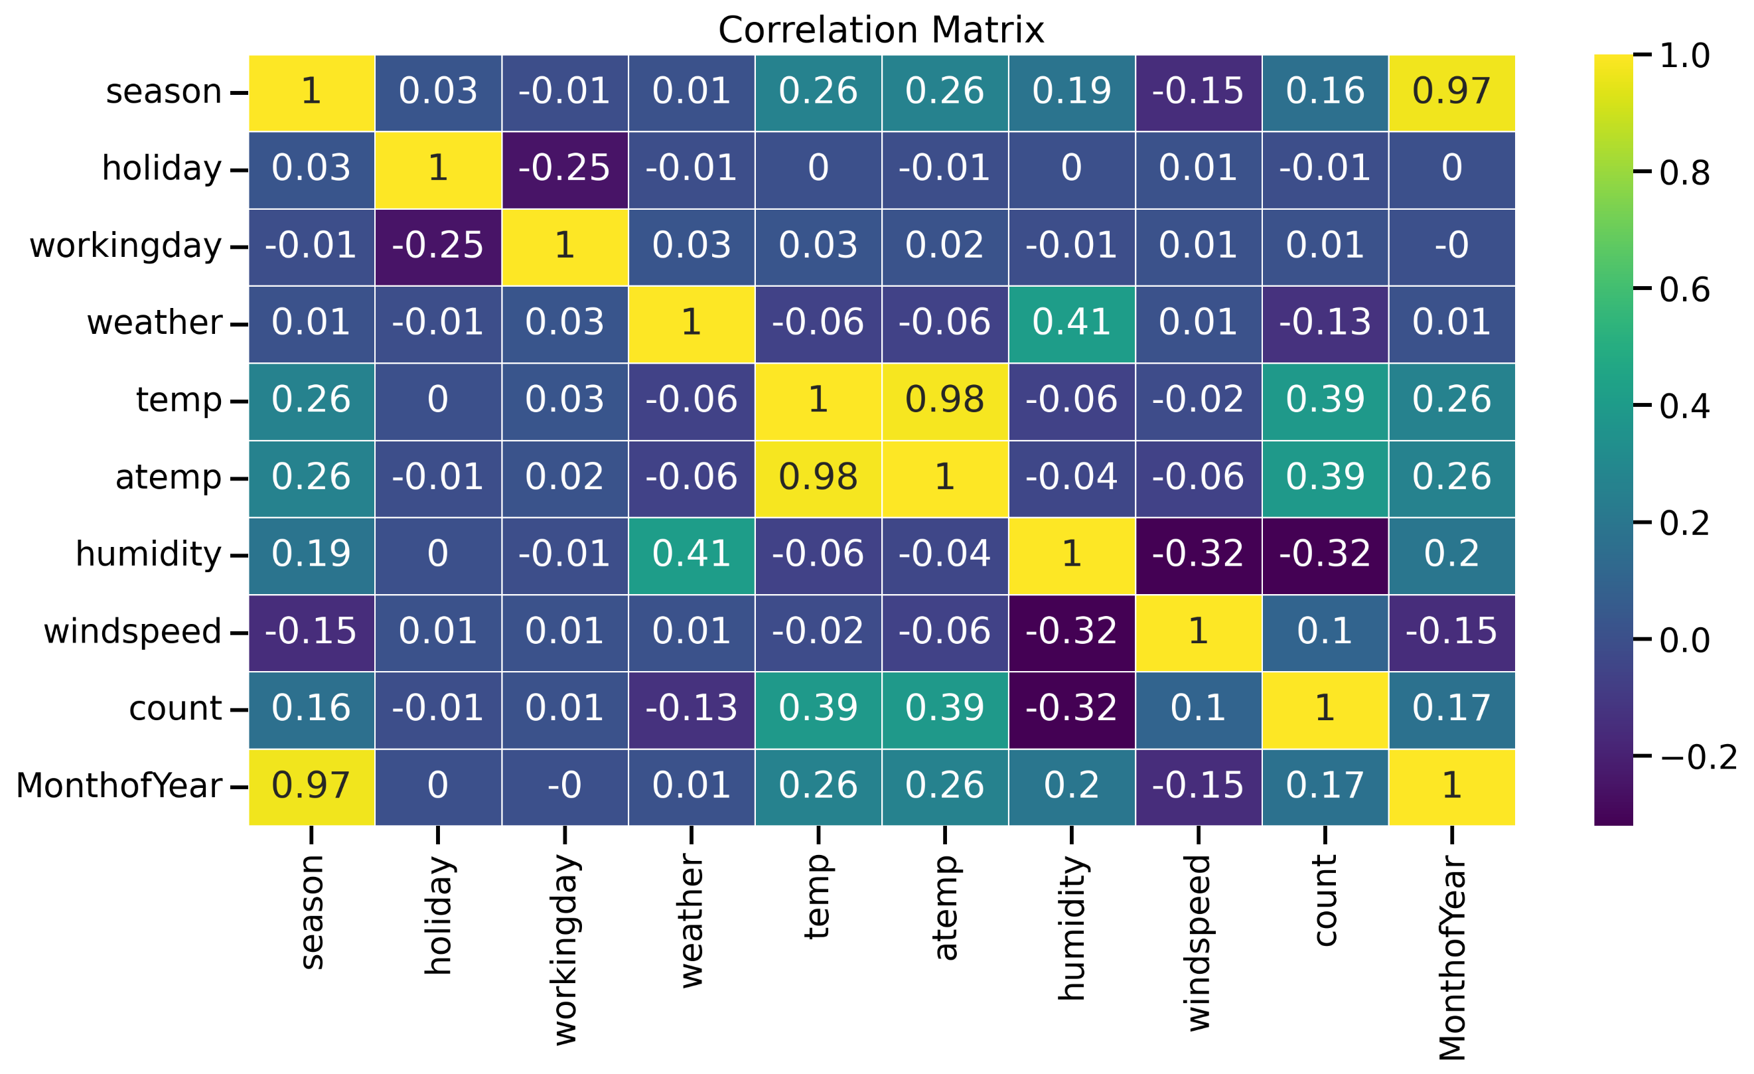

Decision Tree
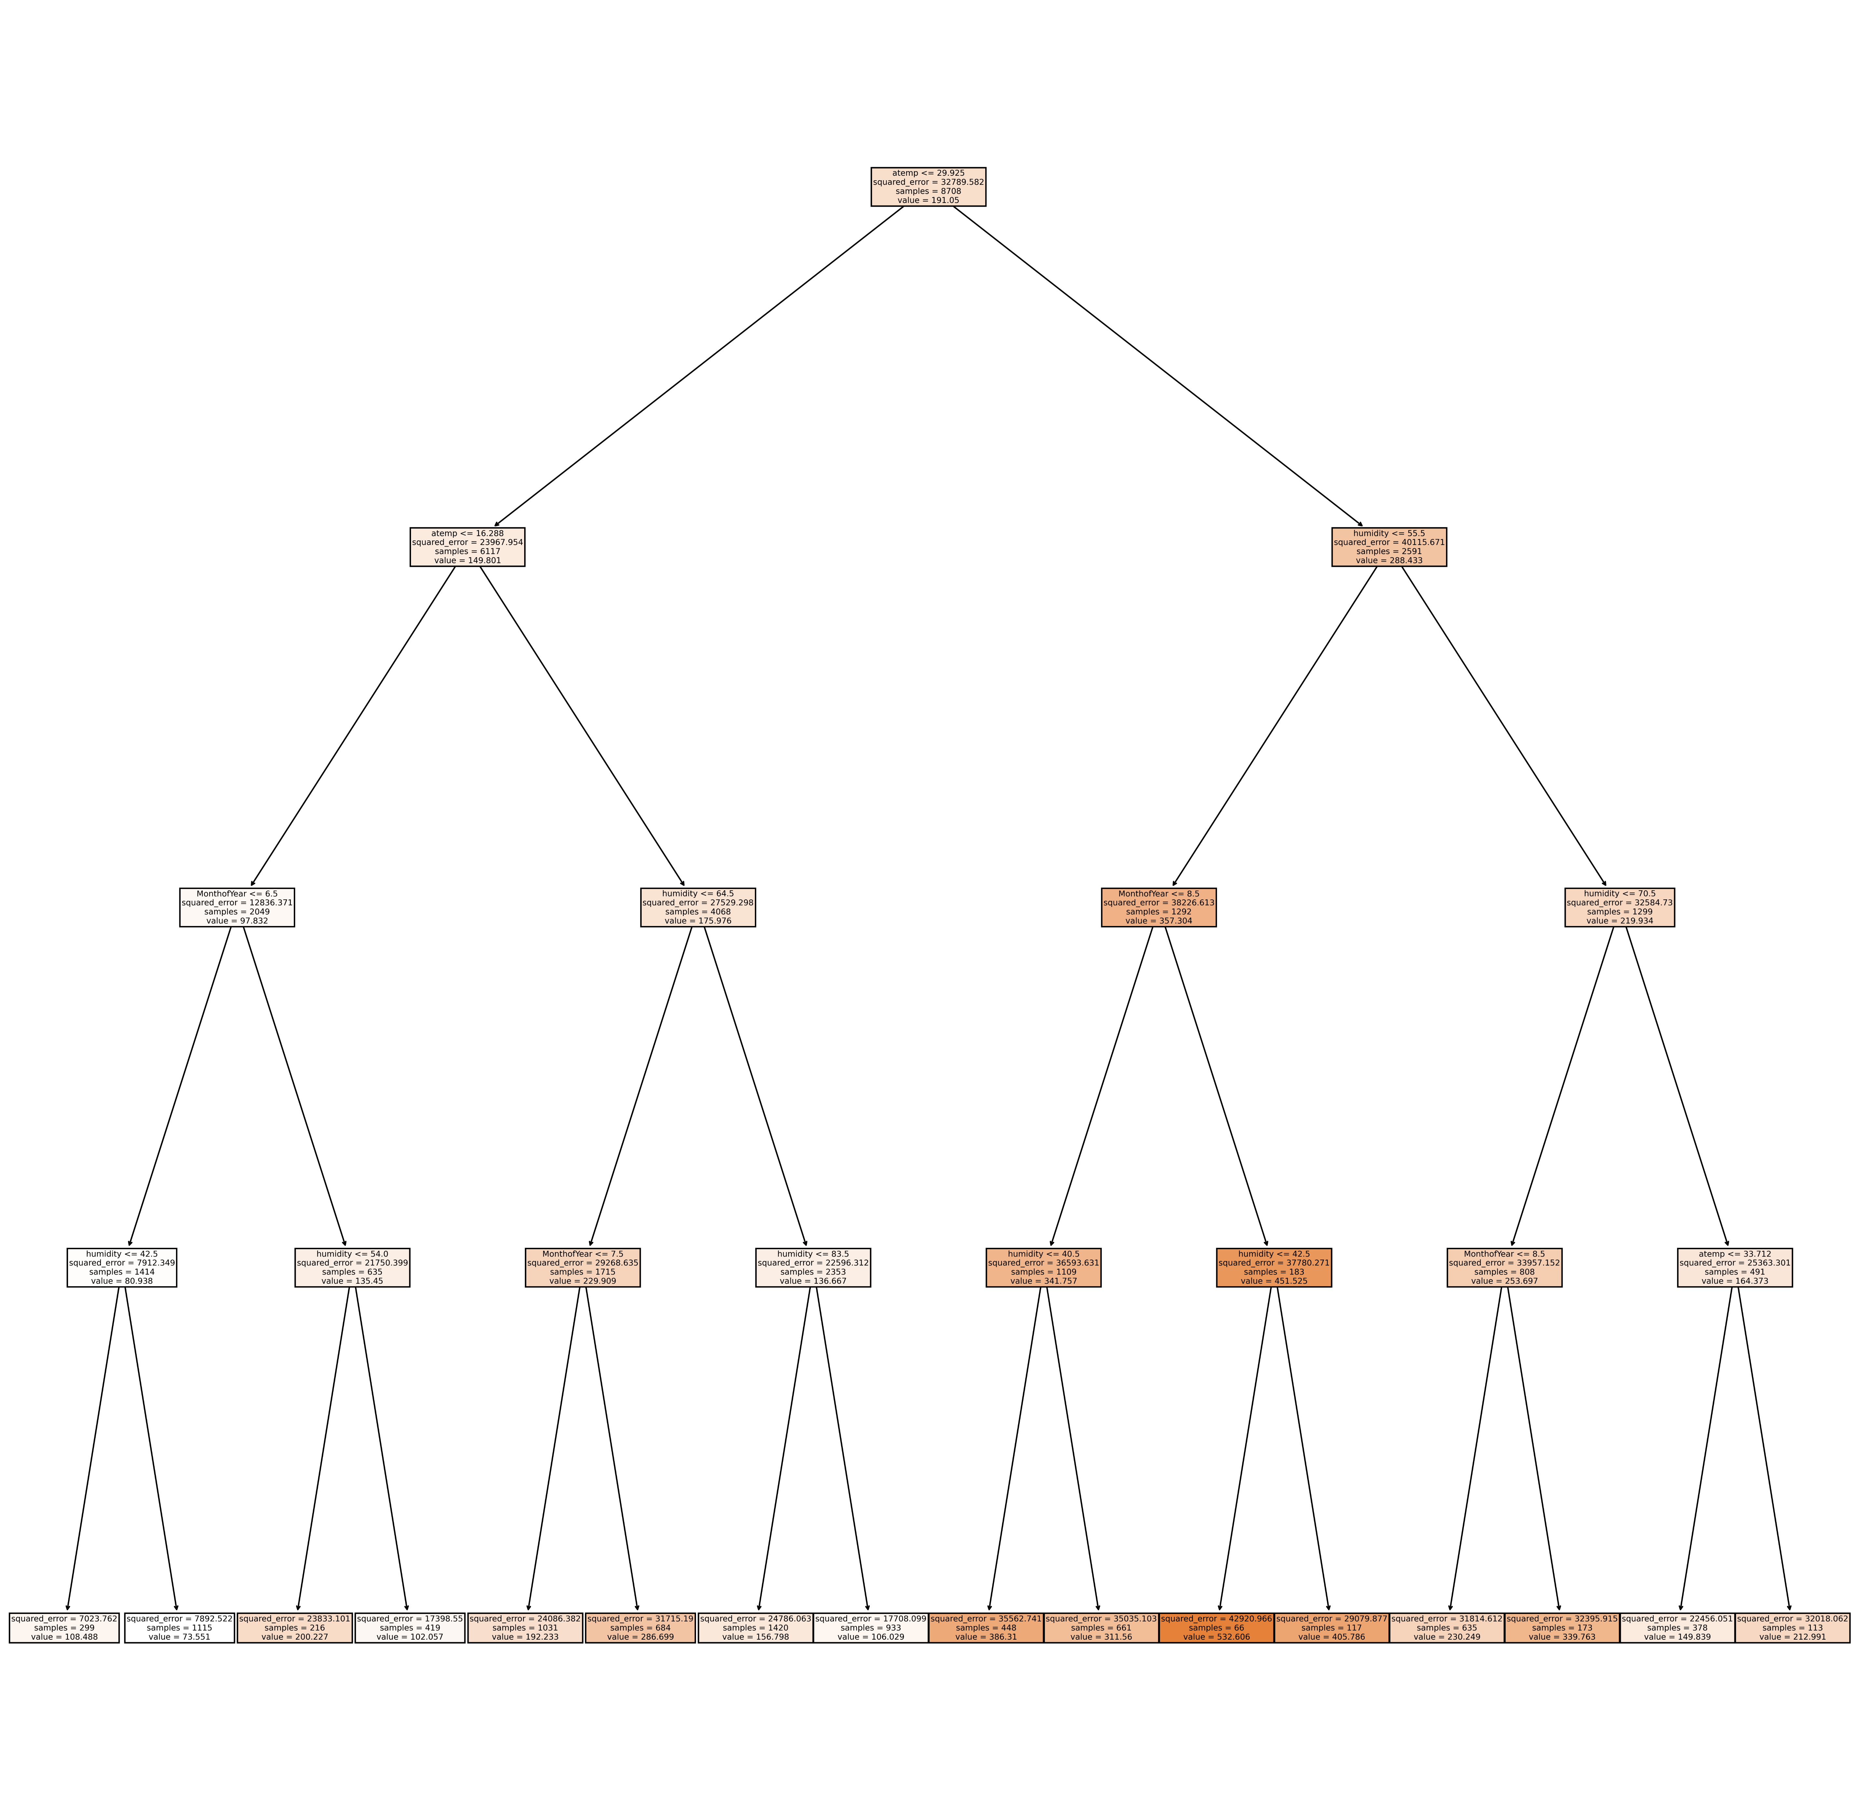
Best Fit tree parameters
Max Depth | 7
R2_score on test set | 0.29

Random Forest
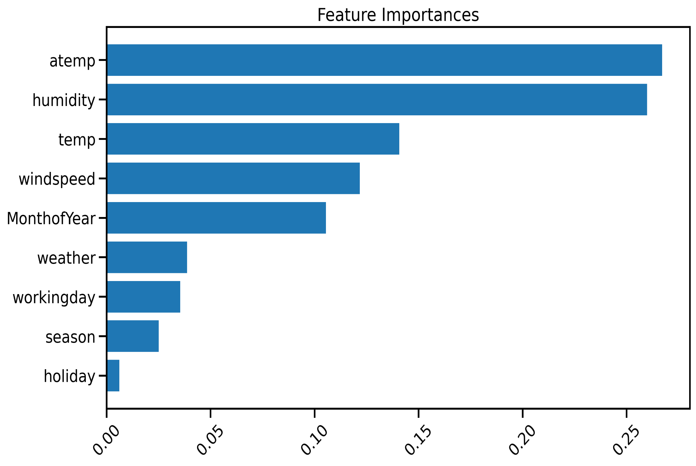
Best Random Forest Fit parameters
N_estimators | 100
max_depth | 11
r2_score | 0.42

