cordis_methods_comparison
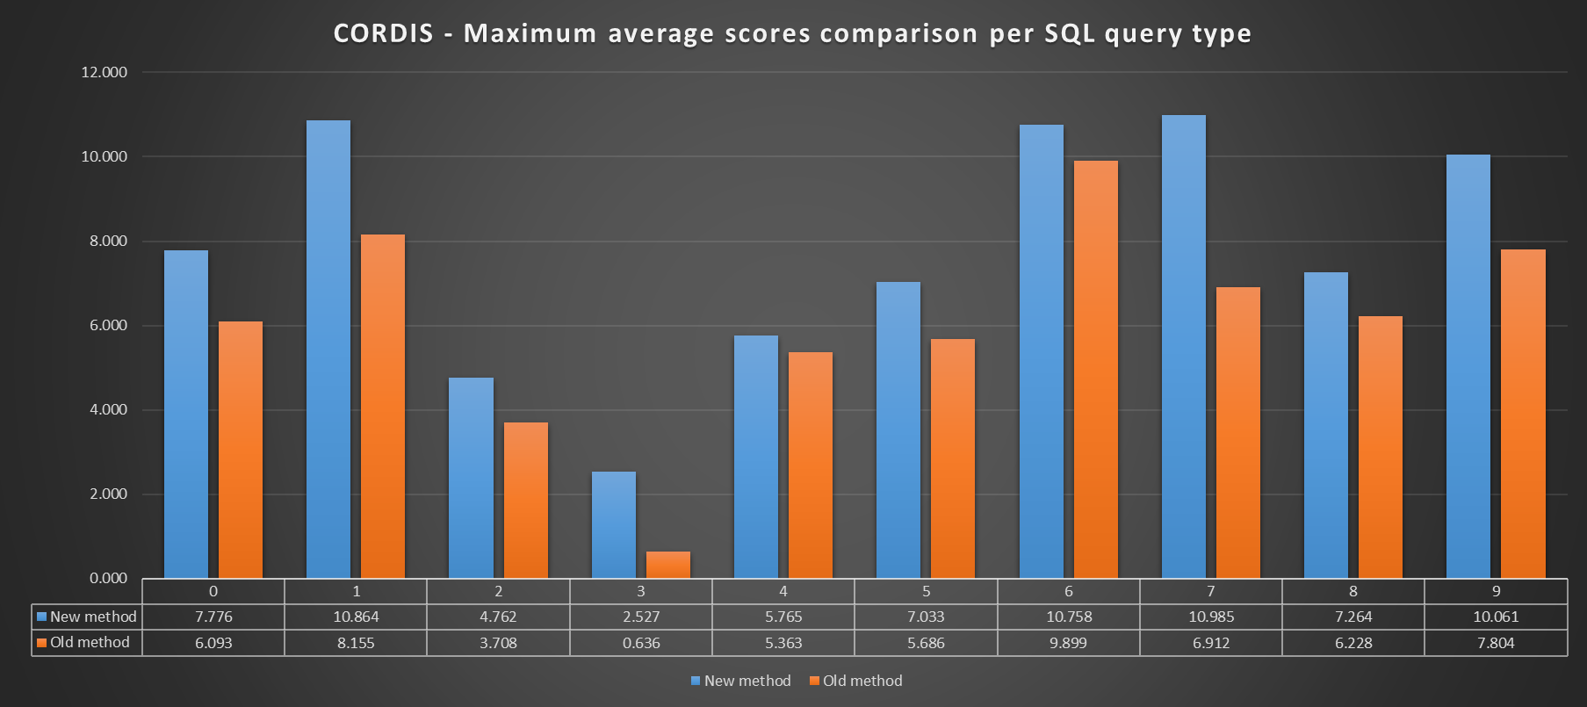
Index | New method | Old method
0 | 7.776 | 6.093
1 | 10.864 | 8.155
2 | 4.762 | 3.708
3 | 2.527 | 0.636
4 | 5.765 | 5.363
5 | 7.033 | 5.686
6 | 10.758 | 9.899
7 | 10.985 | 6.912
8 | 7.264 | 6.228
9 | 10.061 | 7.804
CORDIS - Maximum average scores comparison per SQL query type

