scores_per_database
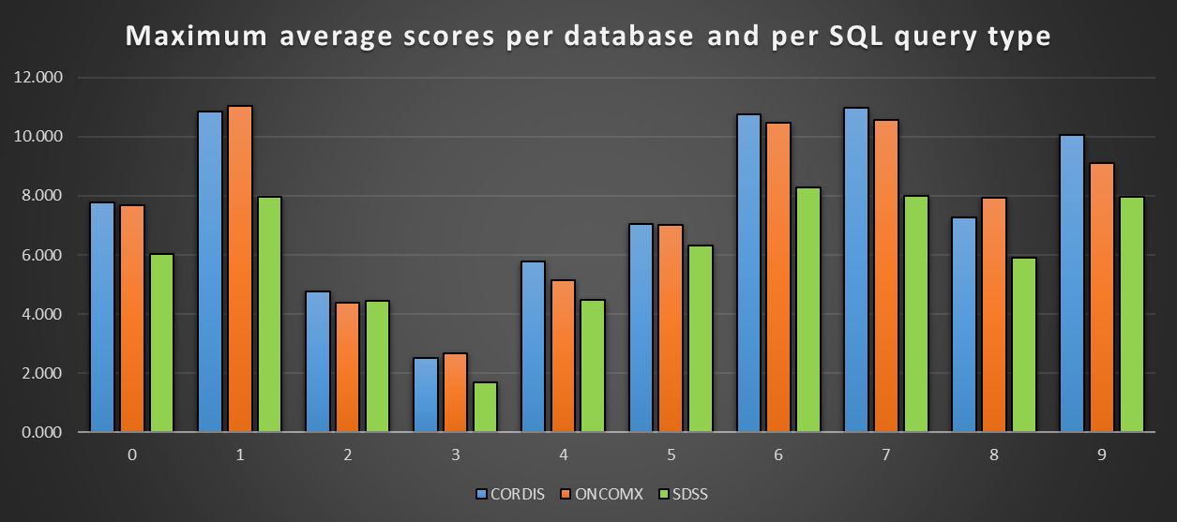
Maximum average scores per database and per SQL query type
Index | CORDIS | ONCOMX | SDSS
0 | 7.776 | 7.695 | 6.040
1 | 10.864 | 11.044 | 7.962
2 | 4.762 | 4.386 | 4.439
3 | 2.527 | 2.671 | 1.678
4 | 5.765 | 5.155 | 4.465
5 | 7.033 | 7.004 | 6.323
6 | 10.758 | 10.477 | 8.278
7 | 10.985 | 10.573 | 8.002
8 | 7.264 | 7.945 | 5.891
9 | 10.061 | 9.097 | 7.961

