NPRACH Config
NPRACH

CE Level | nprach-Periodicity(ms) | nprach-StartTime (ms) | nprach-SubcarrierOffset | nprach-NumSubcarriers | Repetition | nprach-SubcarrierMSG3-RangeStart | Interval before RAR
CE 2 | 40 | 8 | 24 | 24 | 4 | twoThrid | ms3
CE 1 | 40 | 8 | 12 | 12 | 2 | twoThrid | ms3
CE 0 | 40 | 8 | 0 | 12 | 1 | twoThrid | ms3

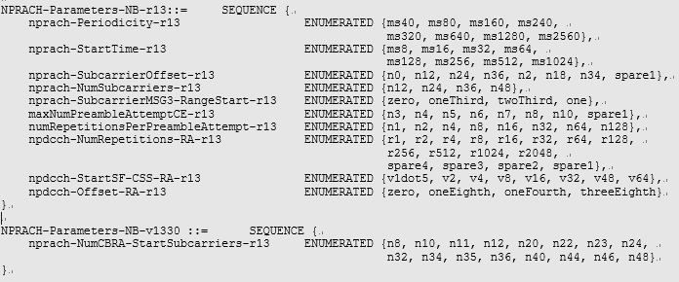

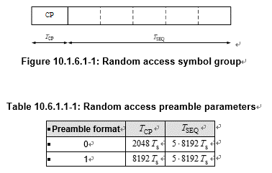

1.4 ms
1.6 ms

