Shipment Rev
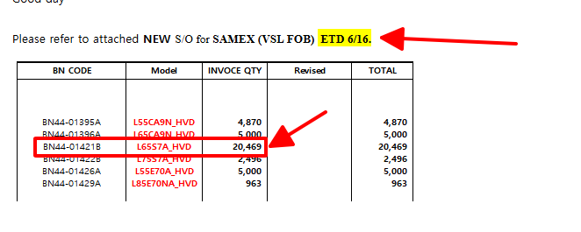
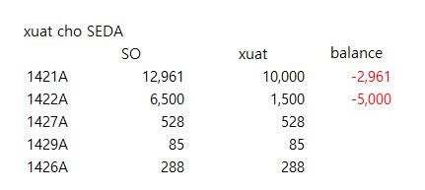
 |  |  |  |  |  |  | 181,987 | 181,987 |  | 84,917 | 19,754 | 12,170 | 34,200 | 31,520 | 20,400 | 20,700 | 19,500 | 13,350 | 157,314 | 242,231 | 60,244
Cus | Cut off Cargo | HQ Request | Inch | Model | BNCode | 3in1Code(FG) | PO Remain | TTL Ship | GAP | O/stock15/6 |  |  |  |  |  |  |  |  | TTL Plan | TTLstock | BALANCE
 |  |  |  |  |  |  |  |  |  |  | 2026-06-13 | 2026-06-14 | 2026-06-15 | 2026-06-16 | 2026-06-17 | 2026-06-18 | 2026-06-19 | 2026-06-20
SIEL | 2026-06-16 | 2026-06-19 | 55" | L55E70NA_HVD | BN44-01426B | 0137556107CA | 1,500 | 1,500 | 39 | 1,539 | - | - | - | - | - | - | - | - | - | 1,539 | 39
SIEL | 2026-06-16 | 2026-06-19 | 85" | L85E70NA_HVD | BN44-01429A | 0137850179CA | 51 | 1,208 | 3,379 | 3,430 | - | - | - | 2,000 | - | - | - | - | 6,000 | 9,430 | 8,222
SEH (PD) | 2026-06-16 | 2026-06-18 | 85" | L85E70NA_HVD | BN44-01429A | 0137850179CA | 194 |  | 2,222
SIEL | 2026-06-16 | 2026-06-19 | 65" | L65S8N_HVD | BN44-01433B | 0137650517CA | 297 | 3,286 | 1,549 | 1,846 | - | - | 2,000 | - | - | - | - | - | 2,000 | 3,846 | 560
SIEL | 2026-06-16 | 2026-06-19 | 65" | L65FE8N_HHS | BN44-01441A | 0137650521CA | 36 | 4,570 | 1,570 | 1,606 | 1,340 | - | 1,700 | 300 | - | - | - | - | 3,340 | 4,946 | 376
SEH (PD) | 2026-06-16 | 2026-06-18 | 55" | L55E70A_HVD | BN44-01426A | 0137556092CA | 336 |  | 2,271
SEH (PD) | 2026-06-16 | 2026-06-18 | 65" | L65CA9N_HVD | BN44-01396A | 0137650478CA | 908 |  | 880
SEH (PD) | 2026-06-16 | 2026-06-18 | 48" | L48CA9N_HVD | BN44-01394A | 0137480160CA | 2,000 | 7,116 | 7,434 | 9,434 | 156 | - | - | - | - | - | - | - | 156 | 9,590 | 2,474

Sheet1
model | code | ERP | SO | 2026-06-13 | Cut off |  |  | actual |  | Plan | Plan&actual |  |  |  |  | balance | Note
 |  |  |  | base stock | 2026-06-16 | 2026-06-18 | 2026-06-20 | 2026-06-13 | 2026-06-14 | W25 | 2026-06-15 | 2026-06-16 | 2026-06-17 | 2026-06-18 | 2026-06-19
L55E70NA_HVD | BN44-01426B | 0137556107CA | 1,500 | 1,539 | 1,500 | - | - | 302 | - | - |  |  |  |  |  | 341 | OK
L85E70NA_HVD | BN44-01429A | 0137850179CA | 3,445 | 6,860 | 245 | 963 | 2,237 | - | - | 2,000 |  |  |  |  |  | 3,415 | OK
L65S8N_HVD | BN44-01433B | 0137650517CA | 3,286 | 1,846 | 297 | - | 2,989 | - | - | 2,000 |  |  |  |  |  | -1,440 | 6/20일 출하분 부족
L65FE8N_HHS | BN44-01441A | 0137650521CA | 4,570 | 1,606 | 36 | - | 4,534 | 1,022 | - | 2,000 |  |  |  |  |  | -1,942 | 6/20일 출하분 부족
L65S7A_HVD | BN44-01421B | 0137650505CA | 38,769 | 11,448 | - | 20,469 | 18,300 | 6,832 | 6,722 | - |  |  |  |  |  | -13,767 | HQ checking because no have plan
L55E70A_HVD | BN44-01426A | 0137556092CA | 7,514 | 7,607 | 336 | 5,000 | 2,178 | 11 | - | 2,400 |  |  |  |  |  | 104 | OK
UPDATE
L55CA9N_HVD | BN44-01395A | 0137556089CA | 9,600 | 2,076 | - | 4,870 | 4,730 | - | 220 | 12,000 |  |  |  |  |  | -7,304 | 6/16일 2,574대 부족, 6/20일 4,730대 부족
L65CA9N_HVD | BN44-01396A | 0137650478CA | 17,642 | 6,788 | 908 | 5,000 | 11,734 | 2,797 | 1,539 | 14,550 |  |  |  |  |  | -6,518 | 6/20일 출하분 부족
L75S7A_HVD | BN44-01422B | 0137750275CA | 3,496 | 28 | - | 2,496 | 1,000 | - | - | 7,600 |  |  |  |  |  | -3,468 | 6/16일 2,468대 부족, 6/20 1000대 부족
L48CA9N_HVD | BN44-01394A | 0137480160CA | 7,116 | 9,434 | 2,000 | - | 5,116 | - | - | - |  |  |  |  |  | 2,318 | OK
L65S7_HVD | BN44-01421A | 0137650504CA | 29,600 | 8,064 | - | - | 29,600 | - | 249 | 30,900 |  |  |  |  |  | -21,287 | 6/20일 출하분 부족
L75S7N_HVD | BN44-01422C | 0137750276CA | 1,584 | 3,450 | - | - | 1,584 | - | - | 3,000 |  |  |  |  |  | 1,866 | OK
L75S7_HVD | BN44-01422A | 0137750274CA | 10,200 | 4,422 | - | - | 10,200 | - | - | 13,900 |  |  |  |  |  | -5,778 | 6/20일 출하분 부족
L65E70A_HVD | BN44-01427A | 0137650511CA | 11,376 | 14,423 | - | - | 11,376 | 2,092 | - | 9,000 |  |  |  |  |  | 5,139 | OK
L83CA9N_HVD | BN44-01398A | 0137830051CA | 900 | 87 | - | - | 900 | 101 | 109 | 2,500 |  |  |  |  |  | -603 | 6/20일 출하분 부족
L43E60A_HVD | BN44-01424A | 0137430033CA | 3,408 | 4,050 | - | - | 3,408 | - | - | 3,000 |  |  |  |  |  | 642 | OK
L55F70NA_HHS | BN44-01438A | 0137556101CA | 5,425 | 637 | - | - | 5,425 | 2,027 | 1,149 | 5,500 |  |  |  |  |  | -1,612 | 6/20일 출하분 부족
U8000F | BN96-62547D | 0187650250CA | 340 | - | - | - | 340 | - | - | 340 |  |  |  |  |  | -340 | 6/20일 출하분 부족
U8000F | BN96-62547C | 0187750077CA | 80 | - | - | - | 80 | - | - | 80 |  |  |  |  |  | -80 | 6/20일 출하분 부족
U8000H | BN96-64397X | 0187550426CA | 11,000 | - | - | - | 11,000 | - | - | 11,000 |  |  |  |  |  | -11,000 | 6/20일 출하분 부족
M70H | BN96-64398D | 0187550437CA | 11,136 | 552 | - | - | 11,136 | 3 | 1 | 10,588 |  |  |  |  |  | -10,580 | 6/20일 출하분 부족

