Sheet1
handle | verified | posts | followers | following | name | category | introduction | web_link
opensea | 1 | 695 | 1,100,000.00 | 1565 | OpenSea | Internet company | 🛥The largest marketplace for NFTs 🛍 Create, buy, sell, and discover unique digital goods 👋 Reach us at support@opensea.io | linkin.bio/opensea
leonardodicaprio | 1 | 1696 | 57,400,000.00 | 177 | Leonardo DiCaprio |  | Actor and Environmentalist | https://l.instagram.com/?u=https%3A%2F%2Fwww.theguardian.com%2Fenvironment%2F2022%2Faug%2F11%2Fits-a-human-rights-issue-young-adults-take-portugal-climate-crisis-to-court&e=ATPk2grWPtrIsGaVM8xxcLG-bbZWbxtVzDBbfa_UUqozujXaAjC8MDdOTjTu93Oq7F5WusJVzNnrxFixzntB8w&s=1
eskylabs
eternitycostudio
Exploringnightsky
fabianheigel
faepaulinee
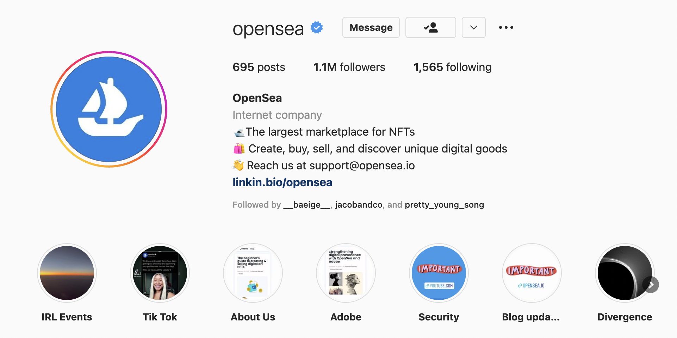
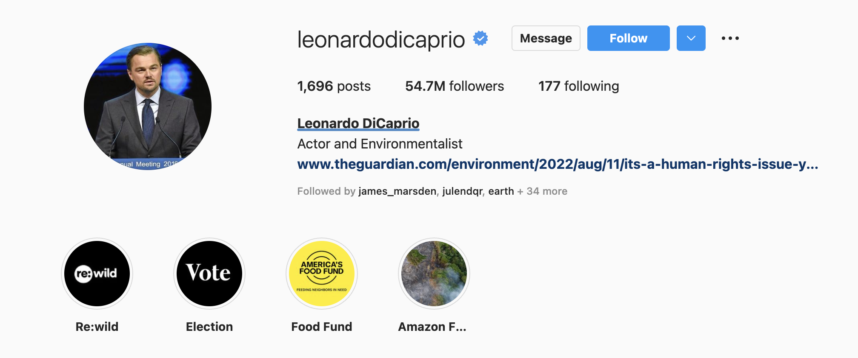
ekmenfatihh
fdilekuyar
feyzullahtuncc
furkanderetr
fwvg.photography
gabriellamorton
garrytaiga
mini_planet_nft
germain.piveteau
gianlucapodesta
giovanicordioli
giulioaprin

