Sheet1
handle | tweets | user_name | verified | category | introduction | location | web_link | joined | following | followers
BillGates | 4039 | Bill Gates | 1 |  | Sharing things I'm learning through my foundation work and other interests. | Seattle, WA | gatesnot.es/blog | Jun-09 | 439 | 60368418
Google | 166100 | Google | 1 | Science & Technology | #HeyGoogle | Mountain View, CA | about.google | Feb-09 | 193 | 26686978
fabianheigel
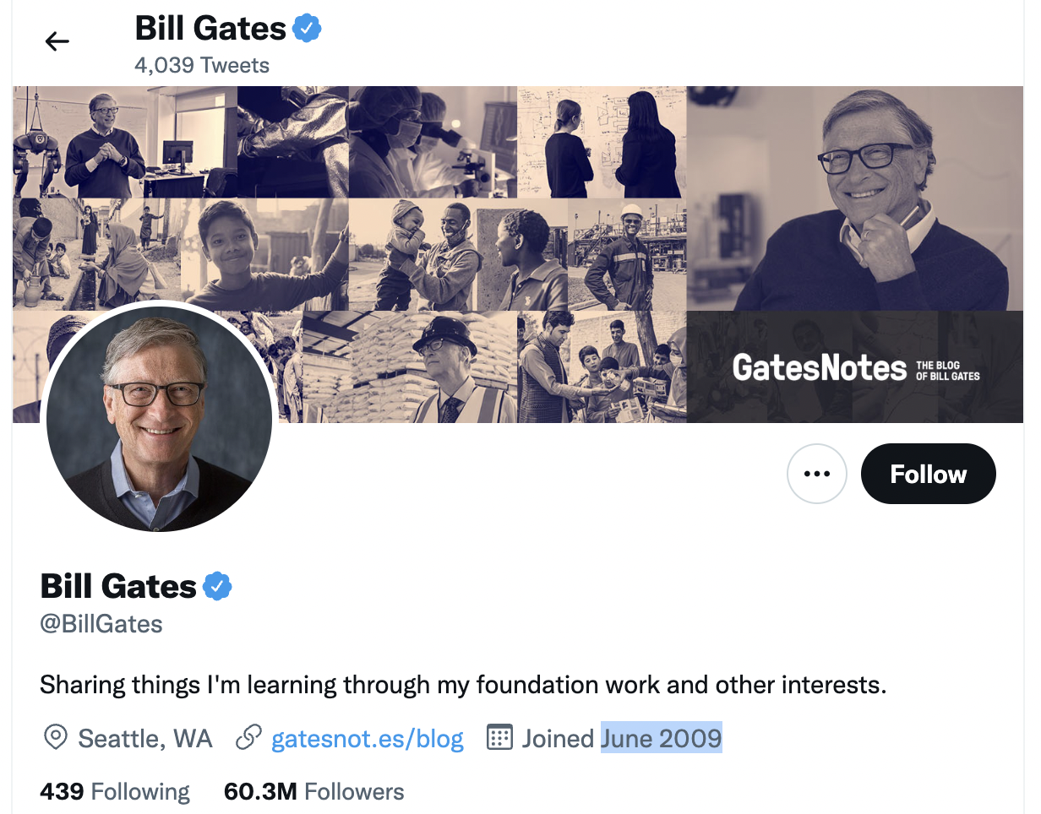
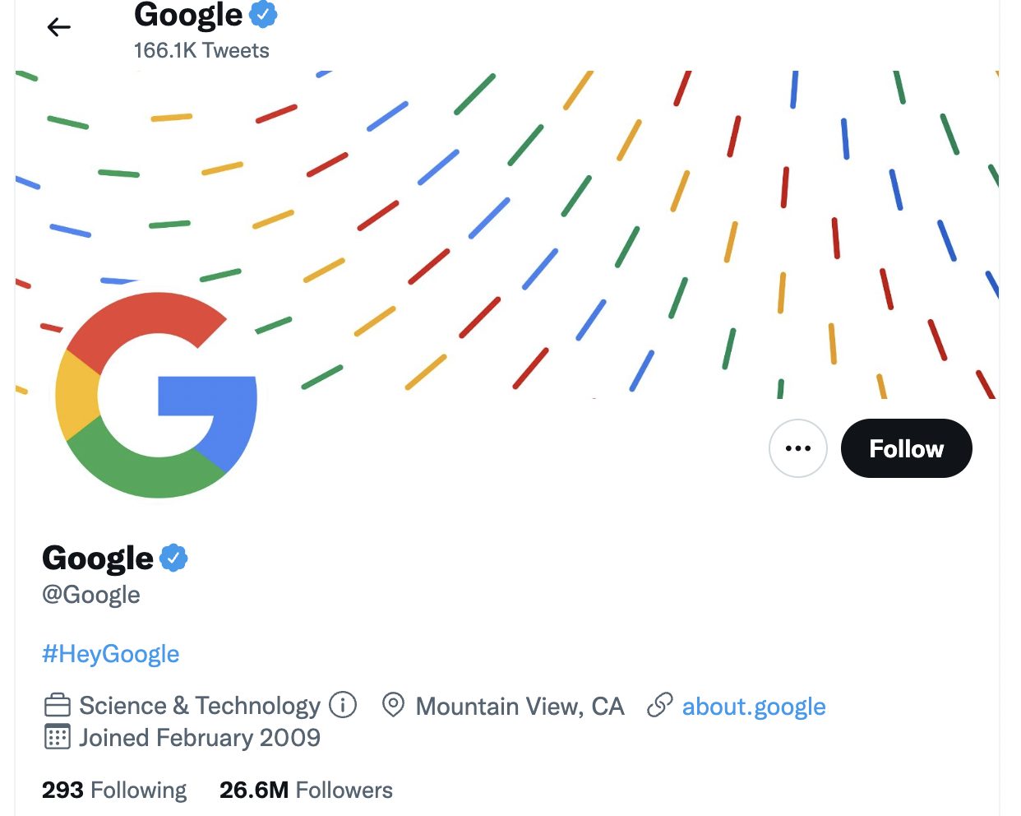
faepaulinee
dolunayadam
FDilekUyar
felixtones
fenixjanna
the_film_god
FilmMoreno
flowerblocks
fradiquegv
framesbysuhas
franzipol
fredrik_stenbro
nfticonicimages
AvonPerception
ilhan1077_
illkoncept
illpill
imbuyuksari

