sta
No. | Station | Station longtitude | Station latitude | Number of Records | Dominant period, Tg (s) | Peak of H/V ratio | Peak of H/V error | Di Alessandro et al. 2012 classification | NEHRP class | Average Vs30 | Reference Vs30 (USGS) | Note
1 | BCVB | 105.772 | 21.885 | 13 | 0.08 | 2.3 | 1.22 | CL-I | A+B+C | >600 m/s | 851 |  | SCI: Rock and Stiff soil
2 | BGVB | 106.227 | 21.2902 | 10 | 0.11 | 4.25 | 2.53 | CL-I | A+B+C | >600 m/s | 223 |  | SCII: Hard Soil
3 | BKVB | 105.856 | 22.15 | 15 | 0.07 | 3.08 | 0.68 | CL-I | A+B+C | >600 m/s | 713 |  | SCIII: Medium soil
4 | CBVB | 106.271 | 22.6599 | 23 | 2 | 1.69 | 0.9 | CL-IV | D+E | < 200 m/s | 900 |  | SCIV: Soft soil
5 | CCVB | 104.856 | 19.057 | 20 | 0.55 | 1.34 | 0.37 | CL-III | D | 200-300 m/s | 757
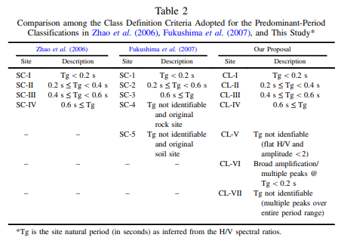
6 | DBVB | 103.018 | 21.39 | 27 | 0.32 | 2.31 | 0.84 | CL-II | C+D | ??? | 306
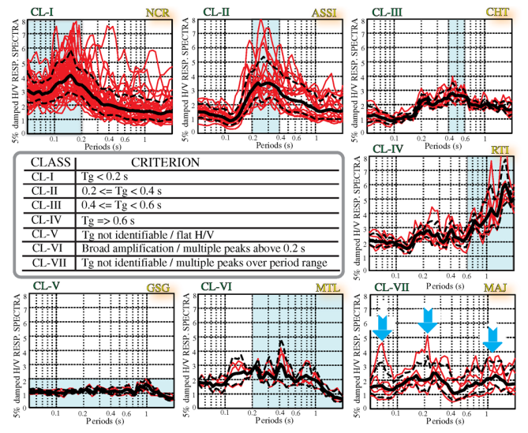
7 | DHVB | 105.184 | 21.627 | 9 | 0.05 | 3.06 | 0.71 | CL-I | A+B+C | >600 m/s | 339
8 | HBVB | 105.328 | 20.8422 | 66 | 0.16 | 5.63 | 1.48 | CL-I | A+B+C | >600 m/s | 539
9 | HGVB | 104.899 | 22.2523 | 16 | 0.44 | 1.95 | 0.61 | CL-VII | ??? | ??? | 759 | Multiple peaks over period range
10 | HUVB | 107.569 | 16.415 | 1 | 0.13 | 2.5 |  | - | - |  |  | Too few records
11 | LCVB | 103.155 | 22.039 | 3 | 0.28 | 1.78 | 0.21 | CL-VII | ??? | ??? | 606 | Multiple peaks over period range
12 | LSVB | 106.749 | 21.8527 | 20 | 0.04 | 1.39 | 0.45 | CL-I | A+B+C | >600 m/s | 392
13 | MCVB | 104.648 | 20.8325 | 38 | 1.9 | 2.76 | 2.04 | CL-IV | D+E | < 200 m/s | 615
14 | MLAV | 103.154 | 22.042 | 32 | 10 | 2.28 | 1.84 | CL-V | A+B+C | > 600 m/s | 783 | Flat H/V and peak < 2
15 | MLVB | 103.418 | 21.5922 | 25 | 0.13 | 1.68 | 0.51 | CL-I | A+B+C | >600 m/s | 556
16 | MTE2 | 102.618 | 22.4857 | 11 | 0.02 | 2.21 | 0.68 | CL-VII | ??? | ??? | 475 | Multiple peaks over period range
17 | MTVB | 106.343 | 21.537 | 8 | 0.07 | 3.39 | 1.57 | CL-I | A+B+C | >600 m/s | 483
18 | PLVB | 106.628 | 20.805 | 9 | 4.8 | 1.55 | 0.9 | CL-IV | D+E | < 200 m/s | 349
19 | SLV | 103.907 | 21.3253 | 19 | 1.9 | 1.79 | 0.82 | CL-IV | D+E | < 200 m/s | 534
20 | SLVB | 103.965 | 21.33 | 16 | 3.4 | 1.74 | 0.78 | CL-IV | D+E | < 200 m/s | 299
21 | SPVB | 103.842 | 22.394 | 27 | 0.19 | 1.53 | 0.42 | CL-I | A+B+C | >600 m/s | 577
22 | TGVB | 103.418 | 21.592 | 92 | 0.09 | 1.49 | 0.67 | CL-I | A+B+C | >600 m/s | 556
23 | THVB | 102.618 | 22.4855 | 23 | 2.8 | 1.86 | 1.77 | CL-IV | D+E | < 200 m/s | 475
24 | TIYB | 107.389 | 21.335 | 2 | 0.07 | 3.92 | 1.21 | CL-I | A+B+C | >600 m/s | 419
25 | TTVB | 104.379 | 21.466 | 30 | 0.02 | 1.61 | 0.68 | CL-V | A+B+C | > 600 m/s | 644 | Flat H/V and peak < 2
26 | TYVB | 107.389 | 21.3349 | 14 | 0.08 | 4.18 | 1.08 | CL-I | A+B+C | >600 m/s | 419
27 | VCVB | 104.594 | 21.5758 | 19 | 0.07 | 2.13 | 0.59 | CL-I | A+B+C | >600 m/s | 699
28 | VIVB | 105.697 | 16.65 | 4 | 0.6 | 1.67 | 1.22 | - | - |  |  | Too few records
29 | VN01 | 102.515 | 22.565 | 4 | 0.16 | 3.45 | 0.8 | CL-I | A+B+C | >600 m/s | 527
30 | VN02 | 102.824 | 22.379 | 6 | 0.07 | 2.18 | 0.96 | CL-I | A+B+C | >600 m/s | 499
31 | VN03 | 102.954 | 22.393 | 8 | 0.28 | 1.55 | 0.24 | CL-II | C+D | ??? | 900
32 | VN04 | 103.495 | 22.358 | 12 | 0.05 | 3.55 | 1 | CL-I | A+B+C | >600 m/s | 638
33 | VN05 | 102.834 | 22.292 | 1 | 0.9 | 1.67 | - | - | - |  | 700 | Too few records
34 | VN07 | 103.162 | 22.136 | 7 | 0.38 | 2.71 | 1.14 | CL-II | C+D | ??? | 598
35 | VN08 | 103.715 | 22.175 | 13 | 0.07 | 2.29 | 0.58 | CL-I | A+B+C | >600 m/s | 583
36 | VN09 | 103.422 | 21.931 | 10 | 0.01 | 1.85 | 1.37 | CL-V | A+B+C | > 600 m/s | 617 | Flat H/V and peak < 2
37 | VN10 | 103.079 | 21.694 | 4 | 0.02 | 2.03 | 0.23 | CL-VII | ??? | ??? | 392 | Multiple peaks over period range
38 | VN11 | 103.635 | 21.67 | 8 | 0.09 | 2.37 | 0.44 | CL-I | A+B+C | >600 m/s | 747
39 | VN12 | 103.241 | 21.532 | 8 | 0.02 | 1.31 | 0.71 | CL-VII | ??? | ??? | 556 | Multiple peaks over period range
40 | VN13 | 103.233 | 21.3 | 3 | 0.7 | 1.3 | 0.88 | - | - |  | 489 | Too few records
41 | VN14 | 103.587 | 20.924 | 11 | 0.07 | 1.94 | 0.45 | CL-I | A+B+C | >600 m/s | 446
42 | VN15 | 103.481 | 21.254 | 13 | 10 | 1.53 | 0.61 | CL-IV | D+E | < 200 m/s | 488
43 | VR01 | 106.745 | 21.916 | 12 | 0.08 | 3.58 | 0.64 | CL-I | A+B+C | >600 m/s | 900
44 | VR02 | 106.673 | 21.863 | 7 | 0.05 | 3.47 | 0.54 | CL-I | A+B+C | >600 m/s | 235
45 | VR03 | 106.604 | 21.8 | 15 | 0.05 | 2.38 | 0.37 | CL-I | A+B+C | >600 m/s | 899
46 | VR04 | 106.543 | 21.736 | 10 | 4.2 | 1.3 | 0.6 | CL-IV | D+E | < 200 m/s | 733
47 | VR05 | 106.447 | 21.674 | 14 | 0.14 | 2.53 | 1.08 | CL-I | A+B+C | >600 m/s | 299
48 | VR06 | 106.373 | 21.622 | 10 | 0.19 | 1.38 | 0.4 | CL-I | A+B+C | >600 m/s | 886
49 | VR07 | 106.289 | 21.56 | 7 | 0.08 | 5.08 | 2.15 | CL-I | A+B+C | >600 m/s | 874
50 | VR08 | 106.222 | 21.518 | 6 | 0.06 | 4.09 | 0.6 | CL-I | A+B+C | >600 m/s | 498
51 | VR09 | 106.152 | 21.456 | 21 | 0.04 | 2.86 | 1.75 | CL-I | A+B+C | >600 m/s | 238
52 | VR10 | 106.074 | 21.407 | 23 | 0.14 | 2.23 | 0.63 | CL-I | A+B+C | >600 m/s | 285
53 | VR11 | 105.999 | 21.352 | 11 | 0.12 | 4.82 | 1.36 | CL-I | A+B+C | >600 m/s | 291
54 | VR12 | 105.919 | 21.292 | 16 | 0.14 | 1.85 | 1.64 | CL-I | A+B+C | >600 m/s | 222
55 | VR13 | 105.853 | 21.223 | 11 | 0.29 | 4.6 | 1.29 | CL-II | C+D | ??? | 217
56 | VR14 | 105.774 | 21.166 | 15 | 0.38 | 5.07 | 1.91 | CL-II | C+D | ??? | 216
57 | VR15 | 105.7 | 21.11 | 12 | 0.32 | 5.39 | 1.59 | CL-II | C+D | ??? | 200
58 | VR16 | 105.626 | 21.054 | 17 | 0.09 | 1.42 | 0.41 | CL-I | A+B+C | >600 m/s | 206
59 | VR17 | 105.553 | 21.006 | 19 | 0.14 | 5.46 | 1.65 | CL-I | A+B+C | >600 m/s | 269
60 | VR18 | 105.492 | 20.956 | 27 | 0.02 | 3.05 | 1.16 | CL-V | A+B+C | > 600 m/s | 720 | Flat H/V and peak < 2
61 | VR19 | 105.385 | 20.891 | 19 | 0.02 | 2.1 | 1.8 | CL-V | A+B+C | > 600 m/s | 698 | Flat H/V and peak < 2
62 | VR21 | 105.259 | 20.761 | 19 | 0.02 | 1.84 | 0.71 | CL-V | A+B+C | > 600 m/s | 570 | Flat H/V and peak < 2
63 | VR22 | 105.182 | 20.696 | 18 | 0.02 | 2.86 | 1.79 | CL-I | A+B+C | >600 m/s | 544
64 | VR23 | 105.094 | 20.662 | 17 | 0.02 | 3.33 | 1.23 | CL-I | A+B+C | >600 m/s | 900
65 | VR24 | 105.036 | 20.603 | 16 | 0.2 | 1.38 | 0.47 | CL-II | C+D | ??? | 814
66 | VR25 | 104.973 | 20.519 | 21 | 10 | 2.33 | 2.15 | CL-IV | D+E | < 200 m/s | 520
67 | VTVB | 104.899 | 22.2523 | 28 | 2.4 | 2.13 | 1.44 | CL-IV | D+E | < 200 m/s | 759

