Cheat Sheet
Steps | Weight | Responsibility | Metric | Segment | Quarter & Year | First date of quarter | Total Participants | Total Valued ReconciliACTION | Stages
Based on ReconciliACTION funnel participatory model. Each step leads to a more powerful reconciliACTION stage | Value assigned to each stage on the ReconciliACTION funnel | Department that leads the initiative | Grouping of ReconciliACTIONs | Specific type of ReconciliACTION within a metric | FY 22/23 Q2 | Default first date of quarter | Number of particpants per segment per quarter | Total particpants multiplied by weight | Future State. Steps to move through the stages

ReconciliACTION Steps

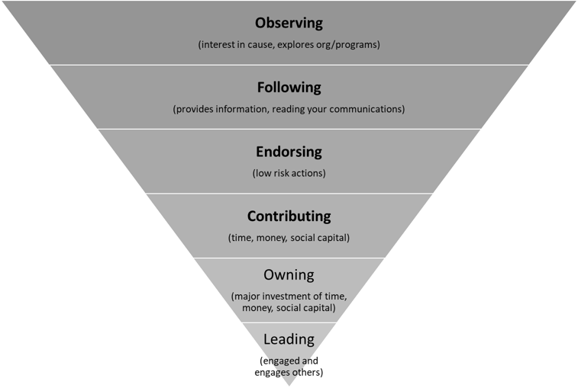

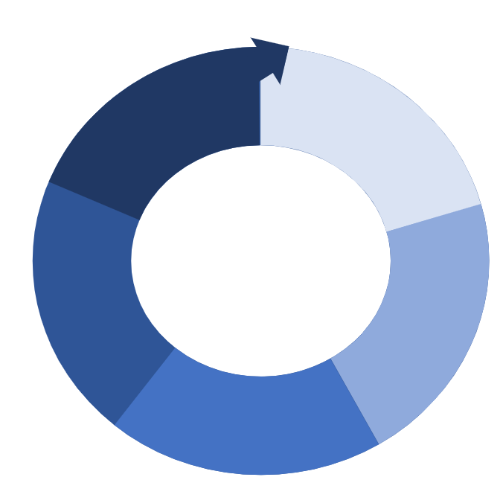
Stage and Future State # | Future States
Stage 1
1 | People in Canada are actively engaged and have respect and empathy for contemporary First Nations, Inuit, and Métis peoples' experiences (unlearning disregard)
 | Define: unlearning disregard
2 | Meaningful relationships among First Nations, Inuit, Métis, and non-Indigenous peoples

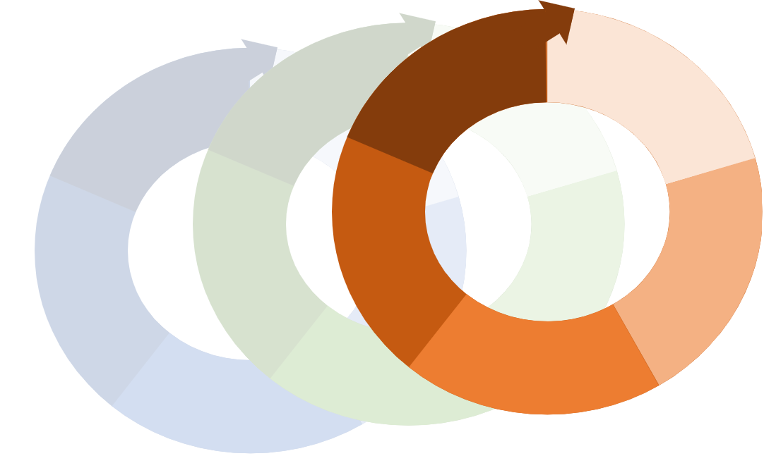
Stage 2
3 | Regularly engage in challenging and unlearning prejudice in own thoughts, words, and actions
4 | People feel empowered to engage in active roles as advocates and leaders (reconciliation spectrum; creating sense of community; sustainability)
Stage 3
5 | First Nation, Inuit, and Metis representation and involvement is engrained and visible in all areas of society.
 | Define centred; define representation (consultation, voices, perspectives, inclusion, etc.)
6 | Systems of oppression and racism against Indigenous communities within education are dismantled

