Data Centers
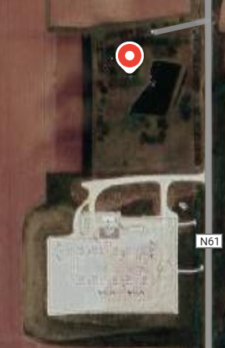
1)
 | Applied Digital Adair
 | 1247 Fallow Ave 50002 Adair Iowa, USA
 | Plannet Capacity: 200 MW
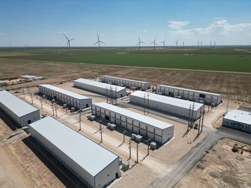
 | Investment: $1.5 bn
 | Building Size: Two 300,000-square-foot buildings
 | Power Source: NextEra Energy substation (connected to wind farms); direct connection to MidAmerican Energy grid
 | Water Usage: Initial 200,000 gallons; minimal long-term impact
 | Jobs (Full-Time): 40-70 |  |  | 2025-09-12 | 2025-10-14
 | Jobs (Construction): 50-200 |  | Total Potential Capacity (MW): | 1,195 | 4,700
 | Primary Use: AI-driven workloads and hyperscale cloud services
 | Community Concerns: Noise, zoning regulations, land use
 | Planned As of Q4FY25
2)
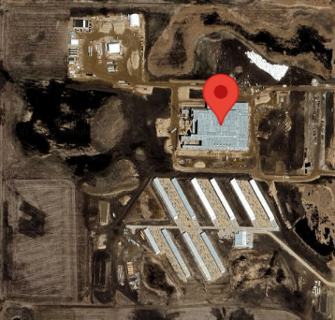
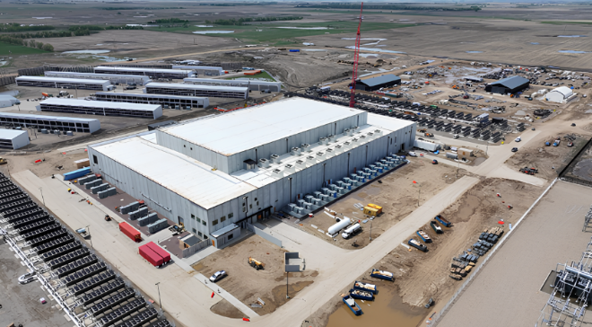
 | Applied Digital Polaris Forge 1
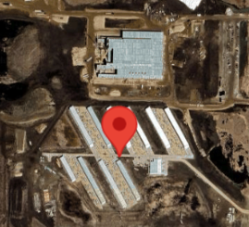
 | 9685 87th Ave SE 58436 Ellendale North Dakota, USA
 | Planned Capacity 280 MW (180 MW + 100 MW)
 | Jobs 45
 | Key Features: High capacity, advanced liquid cooling, uses renewable energy
 | Primary Use: High-Performance Computing (HPC) and Artificial Intelligence (AI)

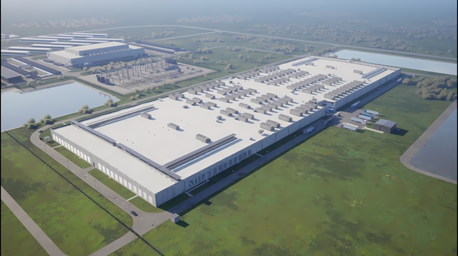
3)
 | Applied Digital Polaris Forge 2
 | 58042 Harwood North Dakota, USA
 | Investment | $3 billion
 | Planned Capacity | 280 MW, with ability to scale beyond
 | Project Timeline | Groundbreaking: September 2025; Initial Operations: 2026; Full Buildout: Early 2027
 | Number of Buildings | Initial two facilities, with capacity for future expansion
 | Jobs | More than 200 full-time employees, plus contractors
 | Power Partners | Cass County Electric Cooperative and Minnkota Power Cooperative
 | Key Features | Proprietary liquid-cooled infrastructure, leverages North Dakota's abundant energy and land
 | Anchor Tenant | U.S.-based investment-grade hyperscaler (in advanced negotiations)

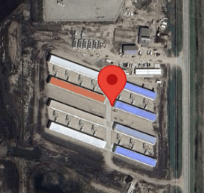
4)
 | Applied Digital JMS
 | 2671 Highway 20 SE 58401 Jamestown North Dakota, USA
 | Fully Built-Out Power 5 MW

5)
 | Applied Digital Toronto
 | 57268 Toronto South Dakota, USA
 | Planned Capacity | 430 MW
 | Jobs | Up to 200 high-paying jobs
 | Key Features | Leverages cold climate for natural cooling and reduced water consumption
 | Building Size | Two buildings, 907,000 sq ft each
 | Primary Use | AI-driven workloads and hyperscale cloud services
 | Status | Early stages; requires approval of zoning regulations and tax incentives

