Data Centers
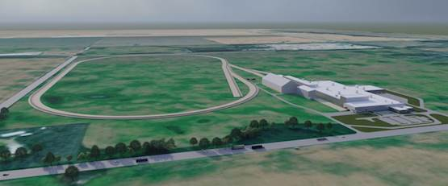
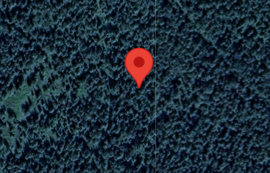
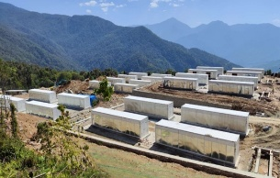
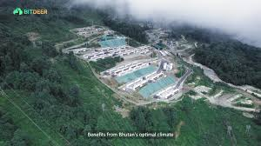
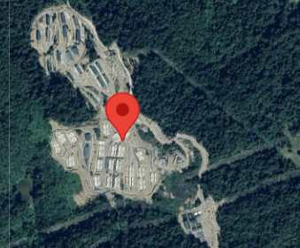
Q225
Site/Location | Capacity (MW) | Status | Timing | https://www.youtube.com/@BitdeerOfficial/videos
Electrical capacity |  |  |  | https://www.datacentermap.com/c/bitdeer/
Rockdale, TX | 563 | Online | Completed
Knoxville, TN | 86 | Online | Completed
Wenatchee, WA | 13 | Online | Completed
Molde, Norway | 84 | Online | Completed
Tydal, Norway | 176 | Online | Completed
Gedu, Bhutan | 100 | Online | Completed
Jigmeling, Bhutan | 235 | Online | Completed
Total electicity Capacity | 1,257
Pipeline capacity
Tydal, Norway | 49 | In progress | Q325
Massillon, OH | 221 | In progress | Q126
Clarington, OH | 570 | In progress | Q227
Jigmeling, Bhutan | 265 | In progress | Q325
Rockdale, TX | 179 | In progress | Est. 26
Alberta, Canada | 99 | In progress | Q426
Ormia Region, Ethiopia | 50 | In progress | Q425
Total pilepine capacity | 1,433
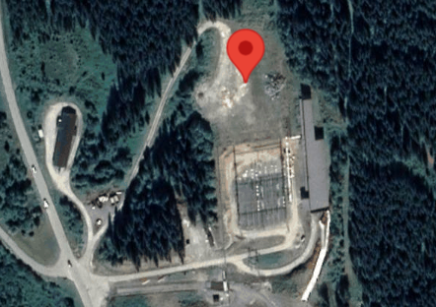
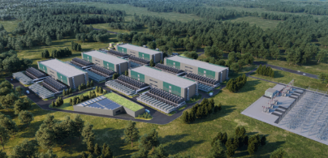
Total global electrical capacity | 2,690

