Data Centers
https://www.datacentermap.com/c/nebius/
 |  | Planned Expansion
Location | Capacity (MW) | Capacity | GPUs | Status | Other Key Features
Moreenikatu 6 Mäntsälä, Finland | 25 | 75 | 60,000 | Operating | Uses free cooling, advanced heat recovery system (repurposes 20,000 MWh of server heat for residential heating), and has a Power Usage Effectiveness (PUE) as low as 1.1 | 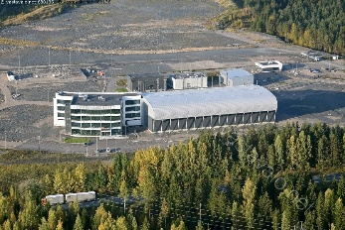 | 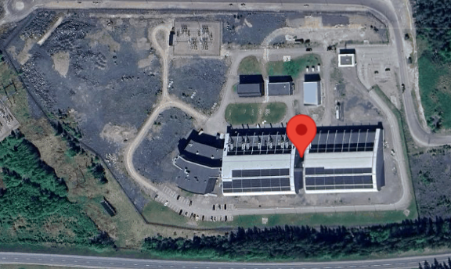
114 Rue Ambroise Croizat 93200 Saint Denis, France | No data | No data | No data | Operating | Features NVIDIA H200 Tensor Core GPUs.
Valhallarbraut 868 235 Reykjanesbr, Iceland | 10 | Na | No data | No data | Expected to be fully operational by the end of Q1 2025
1601 McGee St 64108 Kansas City Missouri, USA | 5 | 40 | No data | No data | Primarily NVIDIA H200 Tensor Core GPUs, with future plans to integrate the NVIDIA Blackwell platform. Scheduled to go live in Q1 2025
within Vineland, New Jersey 08361 Vineland New Jersey, USA | No data | 300 | No data | No data | First phase to be completed in just 20 weeks

