Data Centers
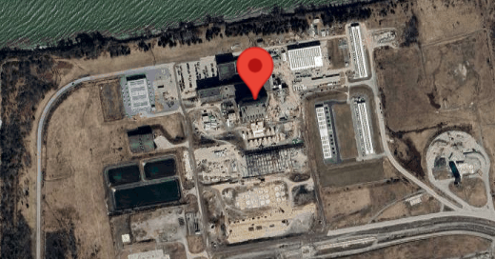
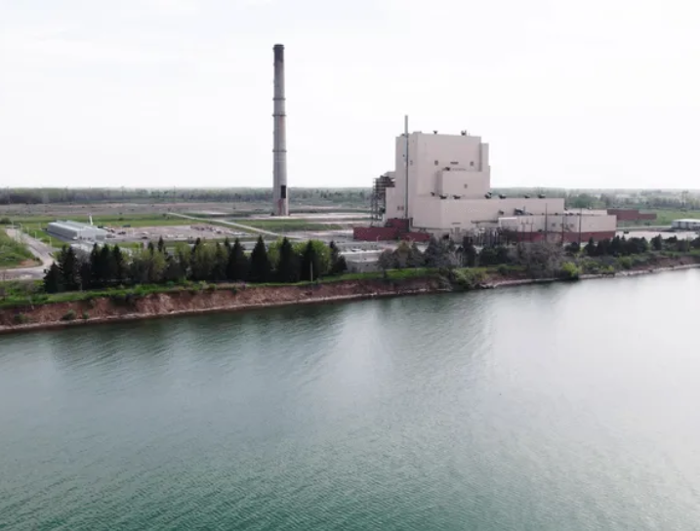
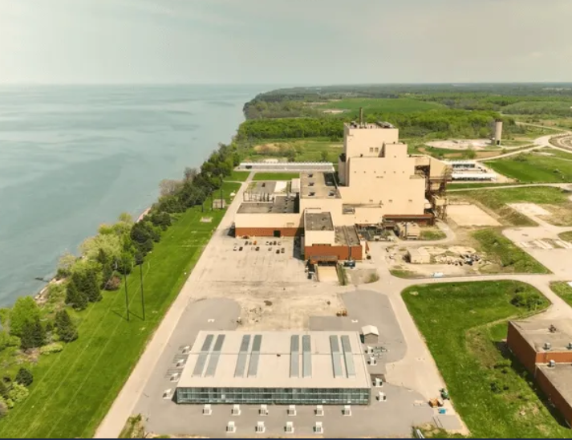
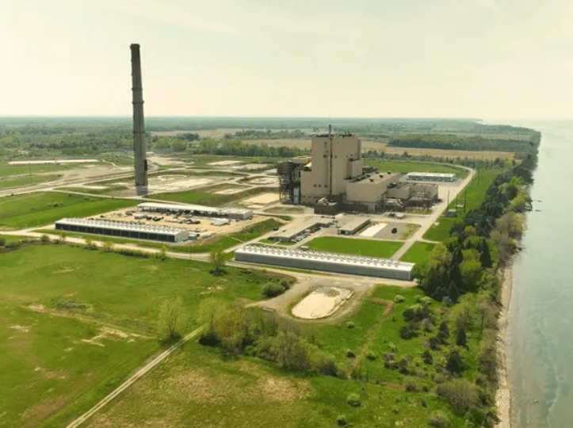
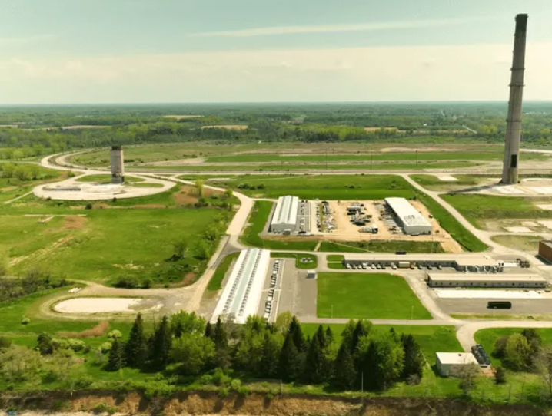
https://www.terawulf.com/wulf-compute
https://www.datacentermap.com/usa/new-york/buffalo/lake-mariner-data/location/
Lake Mariner Data
7725 Lake Rd 14012 Barker New York, USA
Energy Source: 91% zero-carbon energy, primarily hydro. The facility sources 100% of its power from the Zone A grid.
Projected Capacity: Will reach over 500 MW of demand once complete. The facility can also expand up to 750 MW with targeted transmission upgrades.
Local Impact: Creates over 200 local jobs by retraining and employing workers displaced by the transition from fossil fuels
Current Operational Capacity: 245 MW
Land Area: 157 acres
Completion Timeline: Operations for the new CB-5 building (160 MW) are expected to commence in the second half of 2026. A 20 MW colocation pilot project (CB-1) was expected to be completed in Q1 2025.

