Data Centers
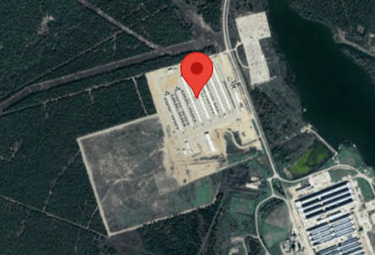
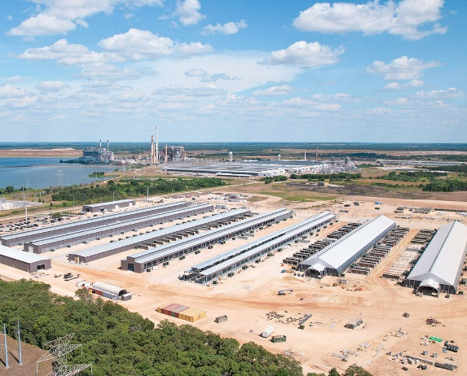
 | https://www.datacentermap.com/c/riot-platforms-inc/
 | https://www.riotplatforms.com/bitcoin-mining/kentucky/
1) | Rockdale
 | 2721 Charles Martin Hall Rd 76577 Thorndale Texas, USA
 | Current Capacity: 700MW
 | Expansion plan: 1,000MW
 | Buildings: 7 (5 air-cooled, 2 immersion-cooled)
 | Vesting 2020 to 2023
 | Current Hash Rate 15.0 EH/s (as of Feb 2025)
 | Employees: 250 full-time local workers
 | Cooling Technologies: 500MW air-cooled, 200MW immersion-cooled
 | Flagship asset and largest Bitcoin mining site in North America

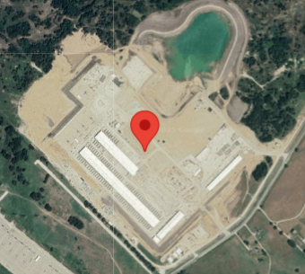
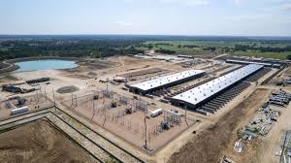
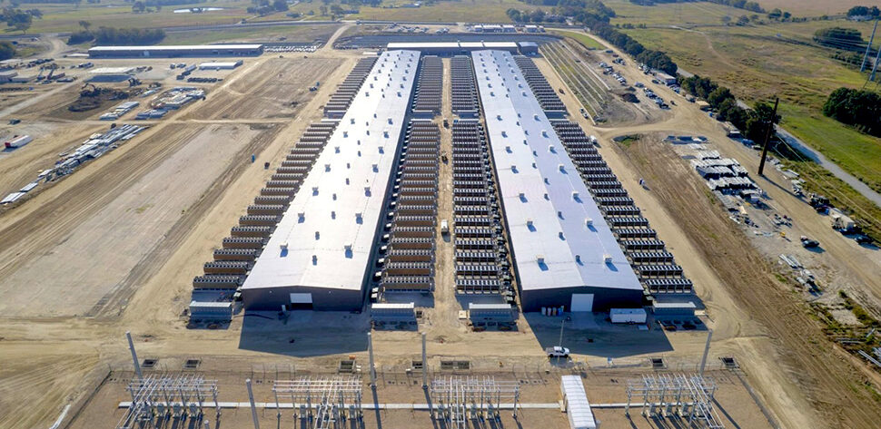
2) | Corsicana
 | 6980 Farm to Market Rd 709 75110 Corsicana Texas, USA
 | Current Capacity: 400 (Phase 1)
 | Expansion plan: 1,000MW by 2027
 | Site Size: 265 acres
 | Current Hash Rate: 15.7 EH/s (as of Feb 2025)
 | Cooling Technology: Immersion-cooling
 | Full-Time Employees 165 Local Employees as of February 28, 2024

3) | Kentucky Block Mining - Calvert City
 | 1035 Shar-Cal Rd 42029 Calvert City Kentucky, USA
 | Current Capacity 25 MW
 | Expansion Potential: Up to 55 MW (18 MW vacant)
 | Power Source: Tennessee Valley Authority (TVA)
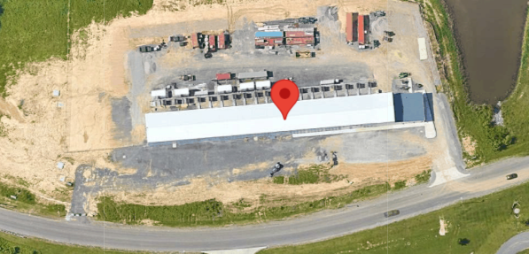
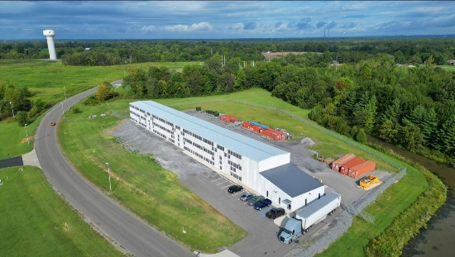
4) | Kentucky - Paducah
 | 5657 Commerce Dr 42001 Paducah Kentucky, USA
 | Current Capacity 35 MW
 | Expansion Potential 60 MW initially, with a long-term goal of 100 MW
 | Operations: Blends self-mining with hosting services
 | Power Sources: Tennessee Valley Authority (TVA) and Big Rivers Electric Corp.

 | Total Kentucky
 | Current Capacity: 65
 | Expansion plan: 300; Contracred Capacity: 110 MW
 | Full-Time Employees: 13 Local Employees
 | Kentucky Hash Rate: 2.9 EH/s as of February 28, 2025
 | Infrastructure Type: 60 MW of Air-cooling

