2_Growth_Analysis
China vs Global Semiconductor Market
Year | China Market (USD bn) | Global Market (USD bn) | China YoY Growth (%) | Global YoY Growth (%) | China Share of Global (%)
2020 | 151 | 440.4 |  |  | 34.29%
2021 | 192 | 555.9 | 27.15% | 26.23% | 34.54%
2022 | 180 | 574.1 | -6.25% | 3.27% | 31.35%
2023 | 153 | 526.8 | -15.00% | -8.24% | 29.04%
2024 | 151 | 630.5 | -1.31% | 19.68% | 23.95%
2025 | 177.123 | 791.7 | 17.30% | 25.57% | 22.37%

China CAGR 2020–2025 | 3.2%
Global CAGR 2020–2025 | 12.4%

Methodology | CAGR spans five annual intervals (2020 to 2025). China CAGR uses the estimated 2025 China value and is therefore an estimate. YoY for 2025 is also estimate-based.

3_Segment_Analysis
Global Semiconductor Sales by Product Segment (2024)
Segment | 2024 Global Sales (USD bn) | Share of Reported Segment Total | YoY Change (2024) | China-Specific Data Available? | Interpretation / Source
Logic | 215.8 | 34.2% | 20.8% | No | Global product segment from SIA Factbook, Section 2, p.9; not China-only.
Memory | 165.5 | 26.2% | 79.3% | No | Global product segment from SIA Factbook, Section 2, p.9; strong 2024 rebound.
Analog | 79.6 | 12.6% | -1.9% | No | Global product segment from SIA Factbook, Section 2, p.9.
MPU | 54.2 | 8.6% | 19.6% | No | Global product segment from SIA Factbook, Section 2, p.9.
Opto | 41.1 | 6.5% | -4.9% | No | Global product segment from SIA Factbook, Section 2, p.9.
Discretes | 31.0 | 4.9% | -12.7% | No | Global product segment from SIA Factbook, Section 2, p.9.
MCU | 21.8 | 3.5% | -21.9% | No | Global product segment from SIA Factbook, Section 2, p.9.
Sensor | 18.9 | 3.0% | -4.1% | No | Global product segment from SIA Factbook, Section 2, p.9.
DSP | 2.7 | 0.4% | -15.6% | No | Global product segment from SIA Factbook, Section 2, p.9.
Reported segment total | 630.6 | 100.0% |  |  | Rounded category values; total may differ from total global market due to rounding/coverage.

Important limitation | The supplied SIA Factbook provides global product-segment sales, not a complete China-only breakdown by these same categories. Do not infer China segment values from global shares.

4_Geographic_Analysis
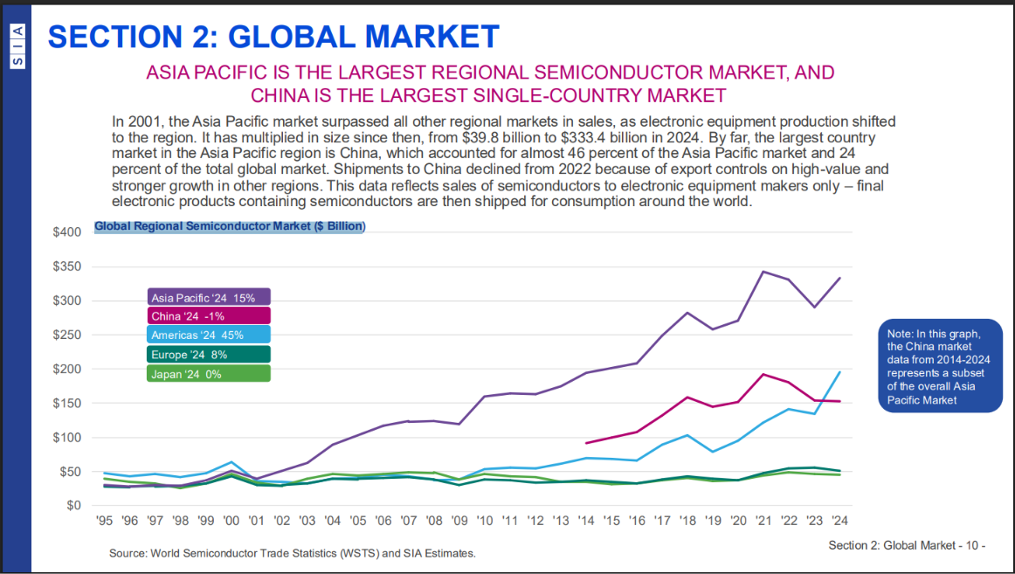
2024 Semiconductor Market by Geography (USD bn)
Geography | 2024 Market (USD bn) | 2024 YoY Growth | Relationship / Notes | Source
Global | 630.50 |  | Global semiconductor sales; annual total. | S02 / SIA annual release
Americas | 195.00 | 45.0% | Regional market in SIA Factbook graphic; regional values are rounded. | S01 / Factbook Section 2, p.10
Asia Pacific | 333.40 | 15.0% | Largest regional market; includes China in the Factbook regional series. | S01 / Factbook Section 2, p.10
China | 151.00 | -1.0% | China is a subset of Asia Pacific; do not add China to Asia Pacific when calculating regional totals. | S01 / Factbook Section 2, p.10
Europe | 46.00 | 8.0% | Rounded regional value from Factbook graphic. | S01 / Factbook Section 2, p.10
Japan | 46.00 | 0.0% | Rounded regional value from Factbook graphic. | S01 / Factbook Section 2, p.10
China (Dec 2025 monthly, 3-month moving average) | 21.29 | 34.1% | Monthly value, not annual market size. December 2025 sales; +3.8% month-on-month. | S03 / December 2025 table

Comparability note | Regional values from the Factbook graphic are rounded and China is explicitly shown as a subset of Asia Pacific. December 2025 is a monthly three-month moving average and cannot be compared directly with annual values.

5_Sources
Source ID | Data used | Publisher | Live URL / source link | Evidence / Locator | Notes / limitations
S01 | China and regional annual market figures 2020–2024; global segment sales 2024; geographic context | Semiconductor Industry Association (SIA) / WSTS | https://www.semiconductors.org/wp-content/uploads/2025/05/2025-SIA-Factbook-FINAL.pdf | Section 2: Global Market, printed pp. 8–10; regional chart on printed p.10; segment chart on printed p.9 | China regional sales are sales to electronic equipment makers in China; China is a subset of Asia Pacific. Product-segment figures are global.
S02 | Global annual semiconductor sales 2024 and 2025; China annual growth 2025 | SIA | https://www.semiconductors.org/global-annual-semiconductor-sales-increase-25-6-to-791-7-billion-in-2025/ | Annual release dated 6 February 2026; global 2025 sales $791.7bn, China annual growth +17.3% | China 2025 value in this workbook is an estimate based on the rounded $151bn 2024 base; do not call it a directly reported value.
S03 | December 2025 monthly regional sales and growth | SIA / WSTS (uploaded table) | https://www.semiconductors.org/global-annual-semiconductor-sales-increase-25-6-to-791-7-billion-in-2025/ | China: $21.29bn current month; +3.8% month-on-month; +34.1% year-on-year; three-month moving average | Monthly data, not annual market size.
S04 | 2025 global sales and regional growth, alternate WSTS release | World Semiconductor Trade Statistics (WSTS) | https://www.wsts.org/76/103/Global-Semiconductor-Market-grows-26-in-2025-to-796B | 2025 global sales $795.6bn (WSTS release) and China sales growth +17.9% | Different release/vintage from SIA's $791.7bn figure. Do not mix series without explicit note.
S05 | 2026 China localization and export-control context | Center for Strategic and International Studies (CSIS) | https://www.csis.org/analysis/chinas-localization-drive-semiconductors-gains-impetus-allied-chip-export-controls | Published 24 March 2026; analysis of export controls and localization drive | Use for qualitative industry context; distinguish analysis from primary sales statistics.
S06 | 2026 China AI chip supply chain context | CEIAS | https://ceias.eu/where-chinas-ai-chip-supply-chain-stands-in-2026/ | Published 11 June 2026; discusses domestic AI chip ecosystem and bottlenecks | Secondary analysis; use with careful attribution.
S07 | 2026 semiconductor market trend outlook | Omdia | https://omdia.tech.informa.com/om143049/2026-trends-to-watch-semiconductors | 2026 trends report: China market, AI demand and mature-node capacity | Forecasts are projections, not actual results.

 | S01_SIA_Factbook_Regional_Market.png |  | S02_SIA_Global_Segments.png

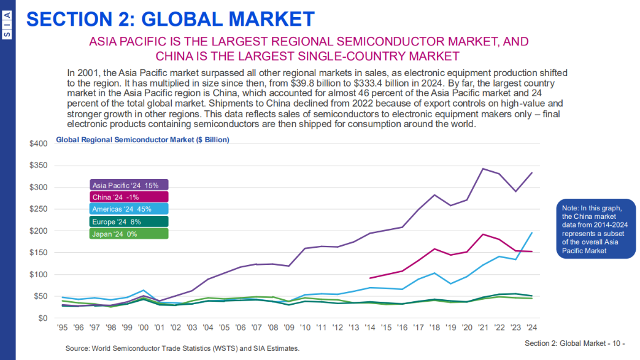
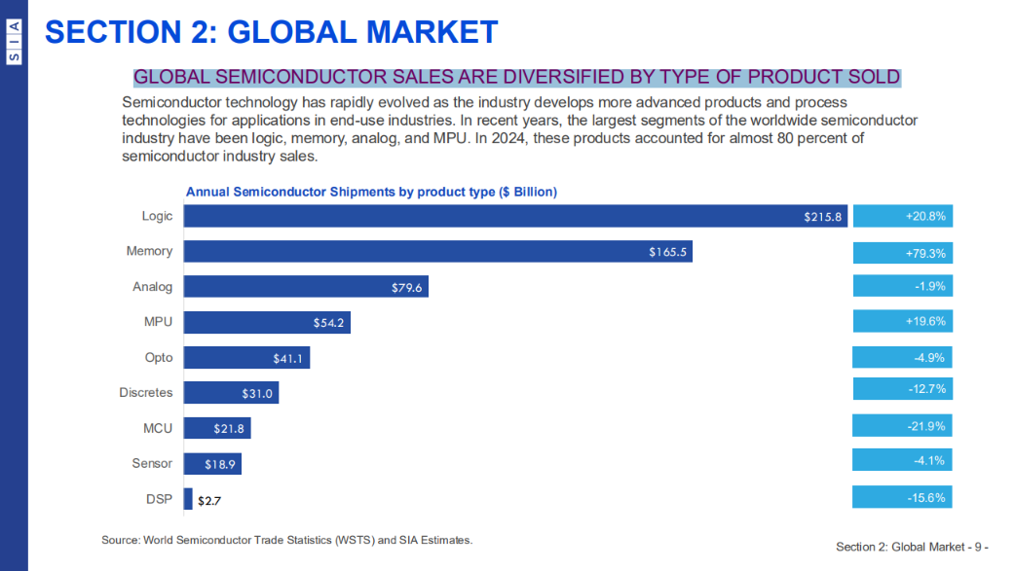

 | S03_December_2025_Regional_Sales.png

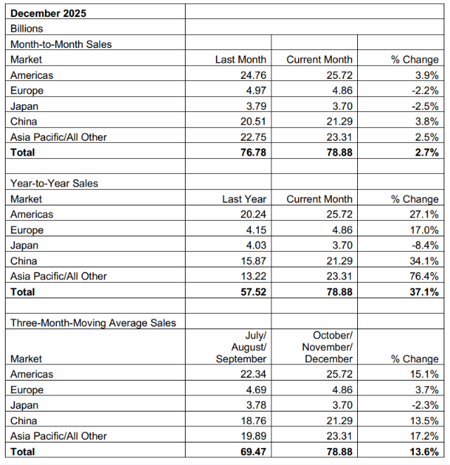
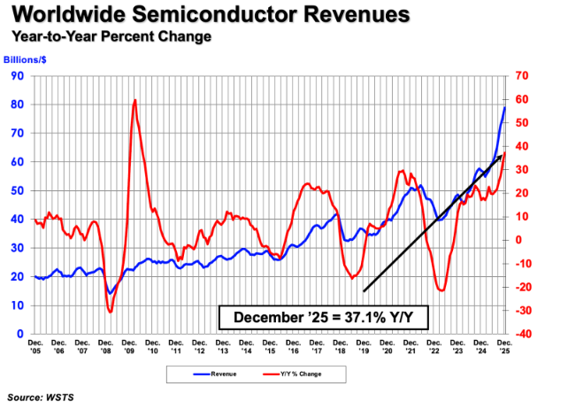

 | S04_China_YoY_Formula.png |  |  | S05_CAGR_Formula.png

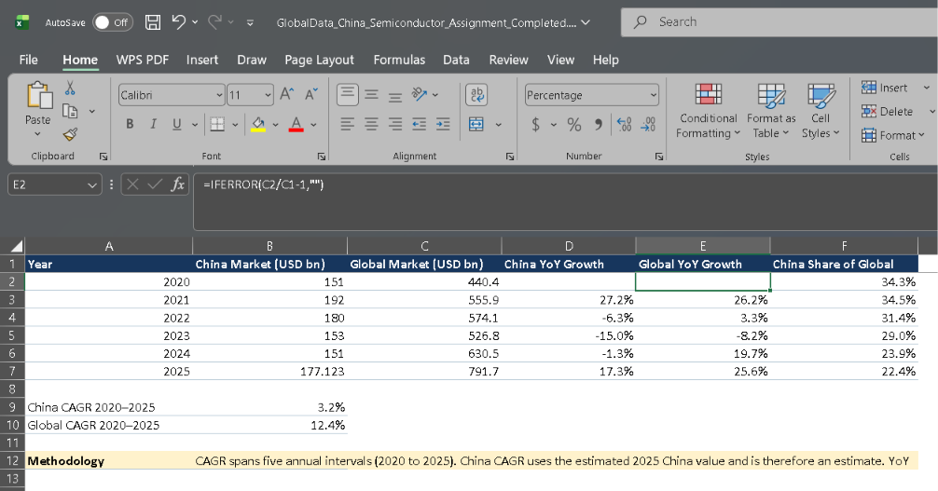
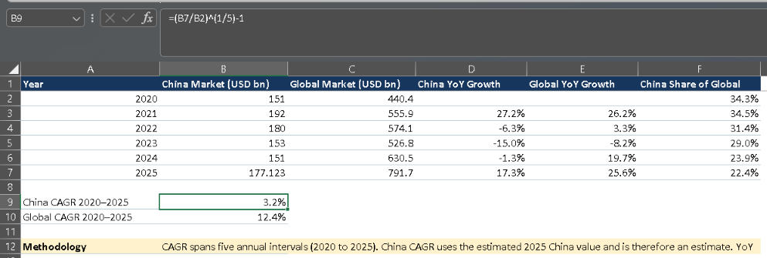

 | S06_China_Global_Share.png |  |  | S07_Segment_Analysis.png

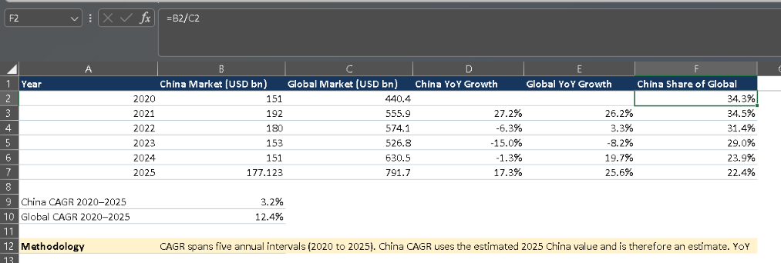

 | S08_Geographic_Comparison.png

